Feb 2022 Validation
 | ACCOUNTING TRACKER
 | February IF's | 18,000.00

 | Assigned from Contracts
 | Salesforce Assigned Tasks | 18,000.00
 | Admin Fee |  | *** Please see admin fee tab |  |  | MSONG 2/28/2022: The list of the contract and the tracking file and GL balance are all tied.

 | DIFFERENCE | -

 | Reconciled Difference | - | *** Please see #110000 tab

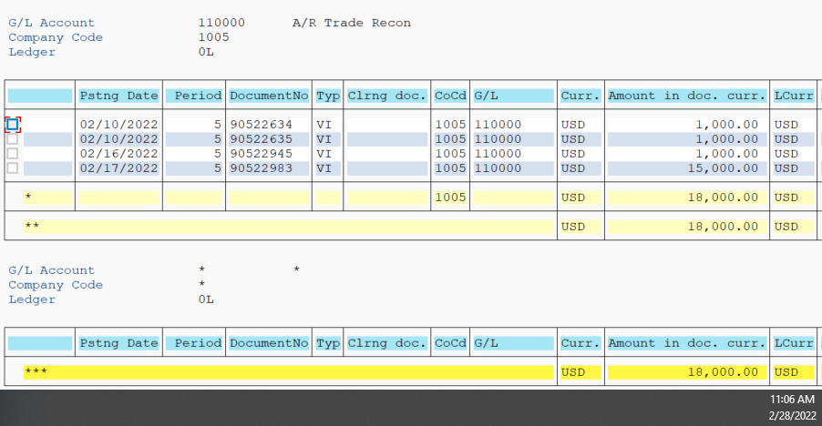
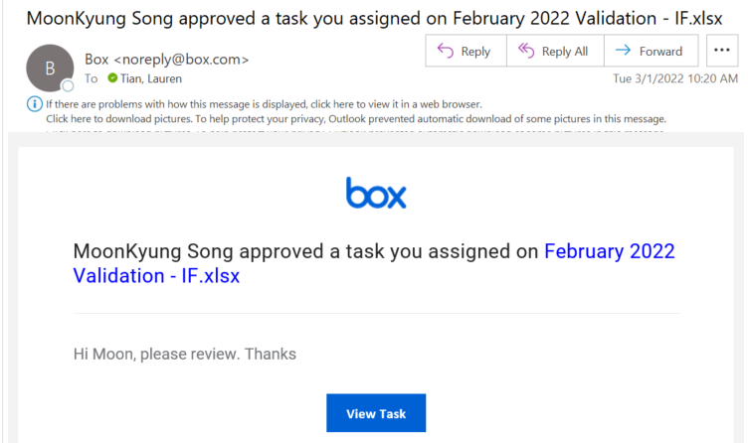
SAP GL DATA

 |  |  |  |  |  |  | checked time stamp

 |  |  | GL | VI | 18,000.00
 |  |  | GL | XR | -
 |  |  | GL | VL
 |  |  | Total GL |  | 18,000.00

 |  |  | Internal Tracker |  | 18,000.00

 |  |  | Difference |  | -
 |  |  | Reconciling item
 |  |  |  |  | -

#110000
We used t code: FAGLB03
GL Account 110000 Trade AR
Doc Type | VI/ XR

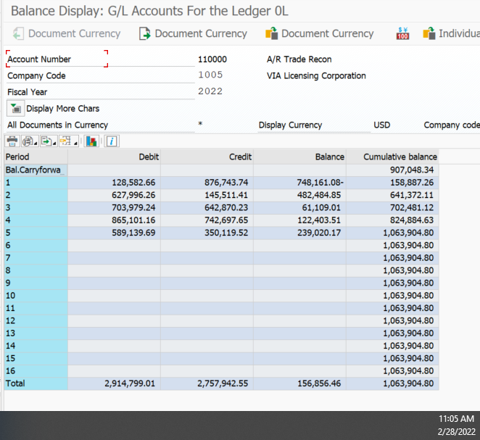

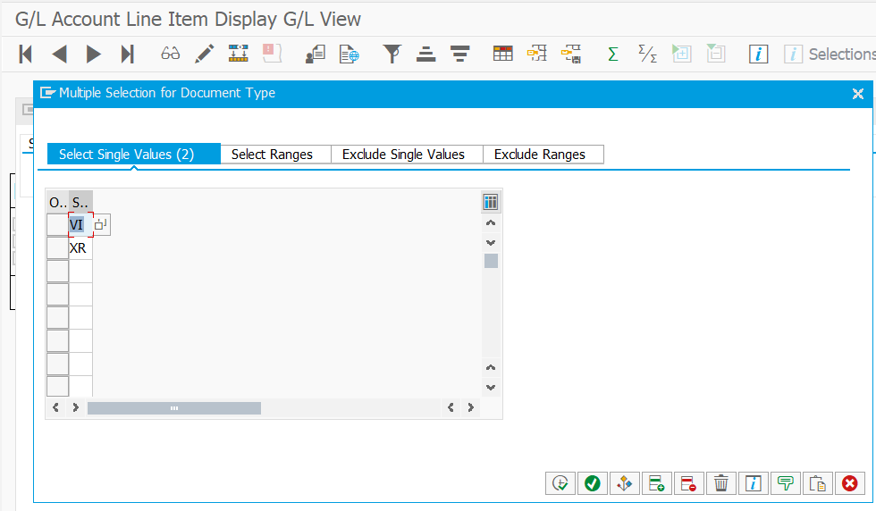

 |  | Assigned Tasked | 18,000.00 | VI
 |  | Assigned Tasked | - | XR
 |  | Total | 18,000.00

