AAC backup
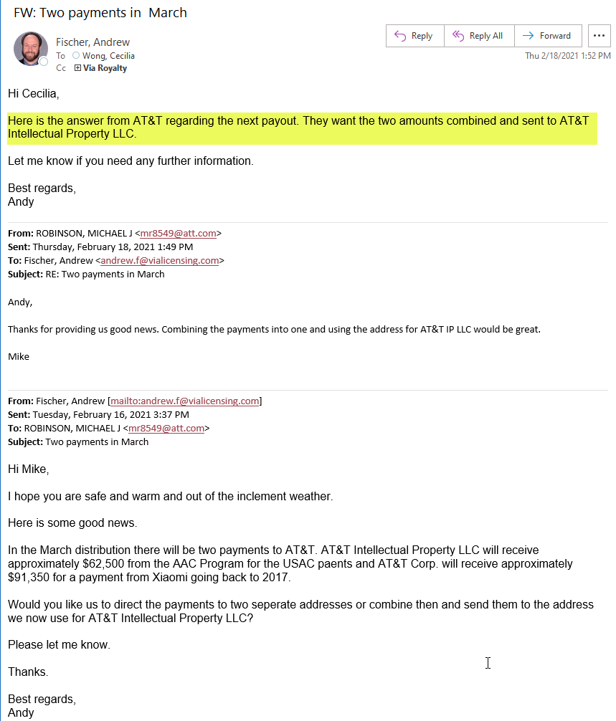
AAC
FOR PERIOD OF AUGUST 1, 2021 - OCTOBER 31, 2021
 |  |  |  |  |  |  |  |  | MSONG 12/7: ok to delay
NET ROYALTIES |  |  |  |  |  |  |  |  | Per email confirmation 11/30/2021, FHG requested for payout postpone to mid-Jan 2022
 |  | Via | AT&T | AT&T Intellectual Property, LLC | Dolby International | Dolby Laboratories | Ericsson | ETRI | Fraunhofer-Gesellschaft zur Foerderung der angewandten Forschung, e.V. | JVC Kenwood Corporation | Koninklijke Philips N.V. | LG Electronics | Microsoft Corporation | NEC Corporation | Nippon Telegraph and Telephone Corporation | NTT DOCOMO, INC. | Orange SA | Panasonic Corporation | Samsung | Sony | VoiceAge | Total
Cash to Distribute per AP allocation report |  | $7,582,612.76 | $620.84 | $64,236.11 | $31,436,248.33 | $7,278,634.55 | $778.04 | $145,965.29 | $11,126,105.92 | $284,767.45 | $6,319,945.10 | $462.10 | $747,192.41 | $1,955,245.08 | $31,717.63 | $200,554.64 | $799,415.07 | $2,725,361.07 | $1,373,609.71 | $34,022.04 | $277,803.33 | 72,385,297.470

BANK SERV CHG
Per GL |  | (2,637.11)

 |  | Via | AT&T | AT&T Intellectual Property, LLC | Dolby International | Dolby Laboratories | Ericsson | ETRI | Fraunhofer-Gesellschaft zur Foerderung der angewandten Forschung, e.V. | JVC Kenwood Corporation | Koninklijke Philips N.V. | LG Electronics | Microsoft Corporation | NEC Corporation | Nippon Telegraph and Telephone Corporation | NTT DOCOMO, INC. | Orange SA | Panasonic Corporation | Samsung | Sony | VoiceAge | Total
 |  | 100.00% | 0.00% | 0.00% | 0.00% | 0.00% | 0.00% | 0.00% | 0.00% | 0.00% | 0.00% | 0.00% | 0.00% | 0.00% | 0.00% | 0.00% | 0.00% | 0.00% | 0.00% | 0.00% | 0.00% | 1.000

 |  | (2,637.11) | 0.00 | 0.00 | 0.00 | 0.00 | 0.00 | 0.00 | 0.00 | 0.00 | 0.00 | 0.00 | 0.00 | 0.00 | 0.00 | 0.00 | 0.00 | 0.00 | 0.00 | 0.00 | 0.00 | (2,637.110)

INTEREST
Per GL |  | 2,228.06

 |  | Via | AT&T | AT&T Intellectual Property, LLC | Dolby International | Dolby Laboratories | Ericsson | ETRI | Fraunhofer-Gesellschaft zur Foerderung der angewandten Forschung, e.V. | JVC Kenwood Corporation | Koninklijke Philips N.V. | LG Electronics | Microsoft Corporation | NEC Corporation | Nippon Telegraph and Telephone Corporation | NTT DOCOMO, INC. | Orange SA | Panasonic Corporation | Samsung | Sony | VoiceAge | Total
 |  | 100.00% | 0.00% | 0.00% | 0.00% | 0.00% | 0.00% | 0.00% | 0.00% | 0.00% | 0.00% | 0.00% | 0.00% | 0.00% | 0.00% | 0.00% | 0.00% | 0.00% | 0.00% | 0.00% | 0.00% | 1.000

Interest by entity |  | 2,228.06 |  |  |  |  |  |  |  |  |  |  |  |  |  |  |  |  |  |  |  | 2,228.060

Additional Interest |  | Via | AT&T | AT&T Intellectual Property, LLC | Dolby International | Dolby Laboratories | Ericsson | ETRI | Fraunhofer-Gesellschaft zur Foerderung der angewandten Forschung, e.V. | JVC Kenwood Corporation | Koninklijke Philips N.V. | LG Electronics | Microsoft Corporation | NEC Corporation | Nippon Telegraph and Telephone Corporation | NTT DOCOMO, INC. | Orange SA | Panasonic Corporation | Samsung | Sony | VoiceAge | Total
 |  |  |  | 0.55 | 278.05 | 59.42 | - | 1.28 | 92.71 | 1.70 | - | - | 10.96 | 16.85 | 0.16 | 1.62 | 3.43 | 24.04 | 14.08 | 0.28 | 2.29 | 507.420

Cash adjustment |  | Via | AT&T | AT&T Intellectual Property, LLC | Dolby International | Dolby Laboratories | Ericsson | ETRI | Fraunhofer-Gesellschaft zur Foerderung der angewandten Forschung, e.V. | JVC Kenwood Corporation | Koninklijke Philips N.V. | LG Electronics | Microsoft Corporation | NEC Corporation | Nippon Telegraph and Telephone Corporation | NTT DOCOMO, INC. | Orange SA | Panasonic Corporation | Samsung | Sony | VoiceAge | Total
Reimbursement |  | 119.61 |  |  |  |  |  | (10.32) |  |  |  |  |  |  | (1.93) |  |  |  | (107.36) |  |  | -
Amazon-Philips - upfront prepayment |  |  |  |  |  |  |  |  |  |  |  |  |  |  |  |  |  |  |  |  |  | -
Amazon-Philips (withhold from statement payout share) |  |  |  |  |  |  |  |  |  |  |  |  |  |  |  |  |  |  |  |  |  | -
Amazon-Philips (offset share fluctuation) |  |  |  |  |  |  |  |  |  |  |  |  |  |  |  |  |  |  |  |  |  | -
 |  |  |  |  |  |  |  |  |  |  |  |  |  |  |  |  |  |  |  |  |  | -
Fraunhofer payout defer to 01/15/2022 |  |  |  |  |  |  |  |  |  |  |  |  |  |  |  |  |  |  |  |  |  | -
 |  |  |  |  |  |  |  |  |  |  |  |  |  |  |  |  |  |  |  |  |  | -
 |  |  |  |  |  |  |  |  |  |  |  |  |  |  |  |  |  |  |  |  |  | -
Bilateral - Via Admin |  | 20,856.72 |  |  |  |  |  |  |  |  |  |  |  |  |  |  |  |  |  |  |  | 20,856.720
 |  |  |  |  |  |  |  |  |  |  |  |  |  |  |  |  |  |  |  |  |  | -
Total Royalty & Interest |  | Via | AT&T | AT&T Intellectual Property, LLC | Dolby International | Dolby Laboratories | Ericsson | ETRI | Fraunhofer-Gesellschaft zur Foerderung der angewandten Forschung, e.V. | JVC Kenwood Corporation | Koninklijke Philips N.V. | LG Electronics | Microsoft Corporation | NEC Corporation | Nippon Telegraph and Telephone Corporation | NTT DOCOMO, INC. | Orange SA | Panasonic Corporation | Samsung | Sony | VoiceAge | Total
 |  | 7,603,180.04 | 620.84 | 64,236.66 | 31,436,526.38 | 7,278,693.97 | 778.04 | 145,956.25 | 11,126,198.63 | 284,769.15 | 6,319,945.10 | 462.10 | 747,203.37 | 1,955,261.93 | 31,715.86 | 200,556.26 | 799,418.50 | 2,725,385.11 | 1,373,516.43 | 34,022.32 | 277,805.62 | 72,406,252.560

TOTAL OF WIRES
 |  | Via | AT&T | AT&T Intellectual Property, LLC | Dolby International | Dolby Laboratories | Ericsson | ETRI | Fraunhofer-Gesellschaft zur Foerderung der angewandten Forschung, e.V. | JVC Kenwood Corporation | Philips | LG Electronics | Microsoft Corporation | NEC Corporation | Nippon Telegraph and Telephone Corporation | NTT DOCOMO, INC. | Orange SA | Panasonic | Samsung | Sony | VoiceAge | Total
 |  | 7,603,180.04 | 620.84 | 64,236.66 | 31,436,526.38 | 7,278,693.97 | 778.04 | 145,956.25 | 11,126,198.63 | 284,769.15 | 6,319,945.10 | 462.10 | 747,203.37 | 1,955,261.93 | 31,715.86 | 200,556.26 | 799,418.50 | 2,725,385.11 | 1,373,516.43 | 34,022.32 | 277,805.62 | 72,406,252.560 | 72,428,858.34

Wire info:
Cash Operating | 100000 | 7,603,180.04 |  |  |  |  |  |  |  |  |  |  |  |  |  |  |  |  |  |  |  | 7,603,180.040
Patent Holder Payable-UAAC | 217040 / F1512 / P1512 |  | 620.84 | 64,236.66 |  |  | 778.04 | 145,956.25 | 11,126,198.63 | 284,769.15 | 6,319,945.10 | 462.10 | 747,203.37 | 1,955,261.93 | 31,715.86 | 200,556.26 | 799,418.50 | 2,725,385.11 | 1,373,516.43 | 34,022.32 | 277,805.62 | 26,087,852.170
Related Party AP |  |  |  |  | 31,436,526.38 | 7,278,693.97 |  |  |  |  |  |  |  |  |  |  |  |  |  |  |  | 38,715,220.350
Cash-UAAC | 100809 | (7,603,180.04) | (620.84) | (64,236.66) | (31,436,526.38) | (7,278,693.97) | (778.04) | (145,956.25) | (11,126,198.63) | (284,769.15) | (6,319,945.10) | (462.10) | (747,203.37) | (1,955,261.93) | (31,715.86) | (200,556.26) | (799,418.50) | (2,725,385.11) | (1,373,516.43) | (34,022.32) | (277,805.62) | (72,406,252.560)
 |  | - | - | - | - | - | - |  | - | - |  | - | - | - | - | - | - |  |  |  |  | -

 |  | Prepared by Cecilia Wong 12/07/2021
 |  | Approved by Moon Song through BOX

Email approval
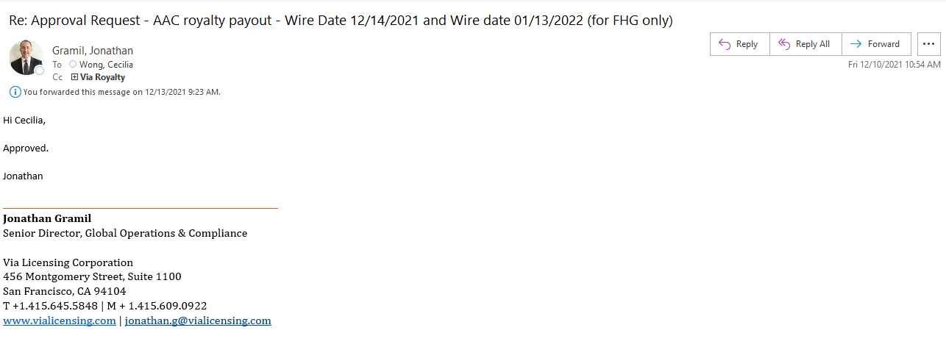

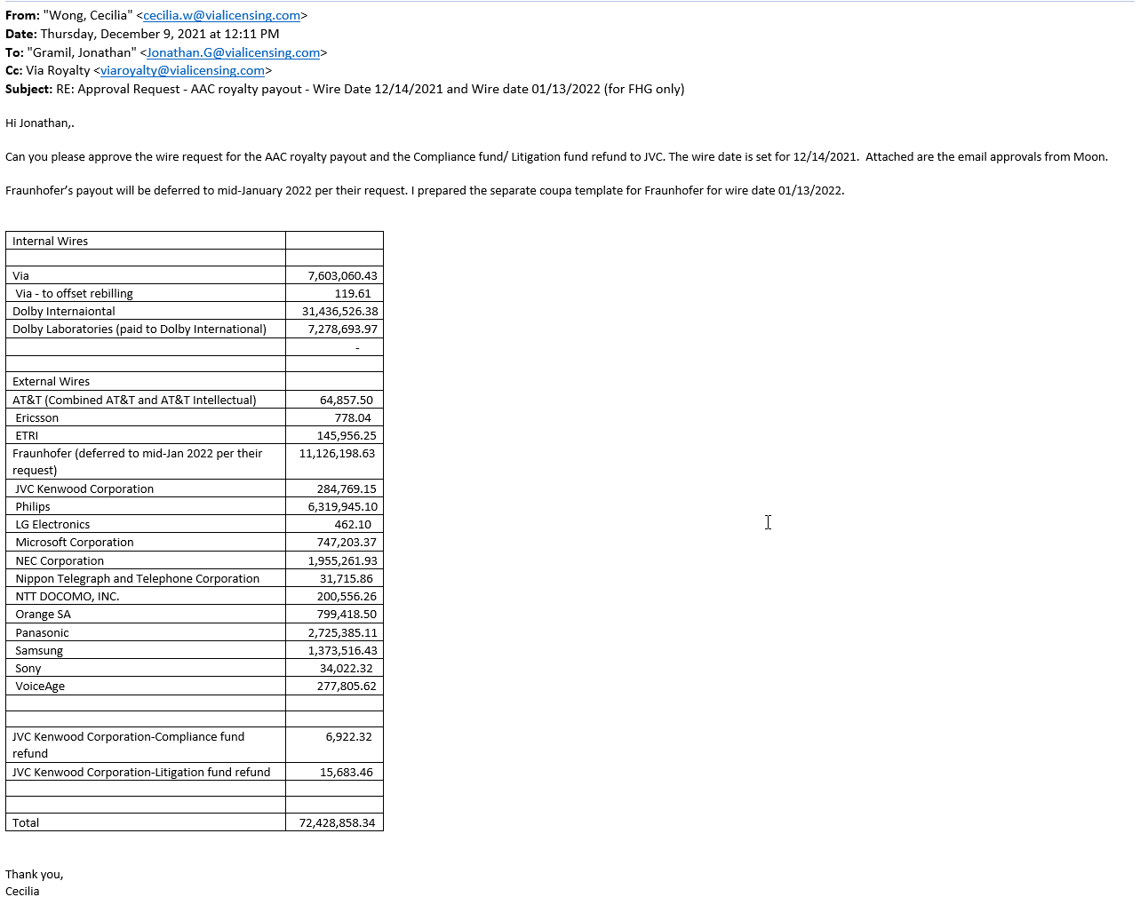

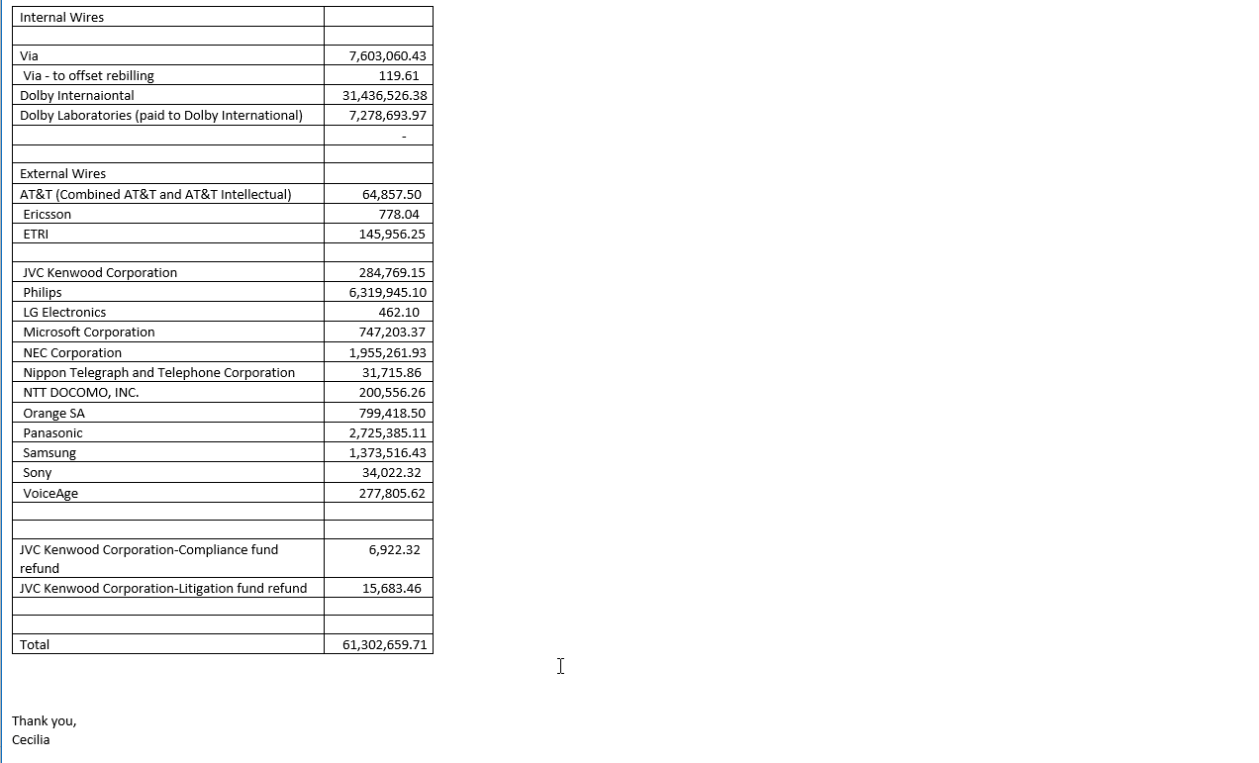

Cash Distribution-AAC
AAC
FOR PERIOD OF AUGUST 1, 2021 - OCTOBER 31, 2021
 |  |  |  |  |  |  |  |  | MSONG 12/7: ok to delay
NET ROYALTIES |  |  |  |  |  |  |  |  | Per email confirmation 11/30/2021, FHG requested for payout postpone to Jan 15, 2022
 |  | Via | AT&T | AT&T Intellectual Property, LLC | Dolby International | Dolby Laboratories | Ericsson | ETRI | Fraunhofer-Gesellschaft zur Foerderung der angewandten Forschung, e.V. | JVC Kenwood Corporation | Koninklijke Philips N.V. | LG Electronics | Microsoft Corporation | NEC Corporation | Nippon Telegraph and Telephone Corporation | NTT DOCOMO, INC. | Orange SA | Panasonic Corporation | Samsung | Sony | VoiceAge | Total |  | Net royalty rec'd | Audit fund reserve | Litigation fund
Cash to Distribute per AP allocation report |  | $7,582,612.76 | $620.84 | $64,236.11 | $31,436,248.33 | $7,278,634.55 | $778.04 | $145,965.29 | $11,126,105.92 | $284,767.45 | $6,319,945.10 | $462.10 | $747,192.41 | $1,955,245.08 | $31,717.63 | $200,554.64 | $799,415.07 | $2,725,361.07 | $1,373,609.71 | $34,022.04 | $277,803.33 | 72,385,297.470 | MSONG: from the payout tab

BANK SERV CHG
Per GL |  | (2,637.11)

 |  | Via | AT&T | AT&T Intellectual Property, LLC | Dolby International | Dolby Laboratories | Ericsson | ETRI | Fraunhofer-Gesellschaft zur Foerderung der angewandten Forschung, e.V. | JVC Kenwood Corporation | Koninklijke Philips N.V. | LG Electronics | Microsoft Corporation | NEC Corporation | Nippon Telegraph and Telephone Corporation | NTT DOCOMO, INC. | Orange SA | Panasonic Corporation | Samsung | Sony | VoiceAge | Total
 |  | 100.00% | 0.00% | 0.00% | 0.00% | 0.00% | 0.00% | 0.00% | 0.00% | 0.00% | 0.00% | 0.00% | 0.00% | 0.00% | 0.00% | 0.00% | 0.00% | 0.00% | 0.00% | 0.00% | 0.00% | 1.000

 |  | (2,637.11) | 0.00 | 0.00 | 0.00 | 0.00 | 0.00 | 0.00 | 0.00 | 0.00 | 0.00 | 0.00 | 0.00 | 0.00 | 0.00 | 0.00 | 0.00 | 0.00 | 0.00 | 0.00 | 0.00 | (2,637.110) | MSONG: ok. Bank charges

INTEREST
Per GL |  | 2,228.06

 |  | Via | AT&T | AT&T Intellectual Property, LLC | Dolby International | Dolby Laboratories | Ericsson | ETRI | Fraunhofer-Gesellschaft zur Foerderung der angewandten Forschung, e.V. | JVC Kenwood Corporation | Koninklijke Philips N.V. | LG Electronics | Microsoft Corporation | NEC Corporation | Nippon Telegraph and Telephone Corporation | NTT DOCOMO, INC. | Orange SA | Panasonic Corporation | Samsung | Sony | VoiceAge | Total
 |  | 100.00% | 0.00% | 0.00% | 0.00% | 0.00% | 0.00% | 0.00% | 0.00% | 0.00% | 0.00% | 0.00% | 0.00% | 0.00% | 0.00% | 0.00% | 0.00% | 0.00% | 0.00% | 0.00% | 0.00% | 1.000

Interest by entity |  | 2,228.06 |  |  |  |  |  |  |  |  |  |  |  |  |  |  |  |  |  |  |  | 2,228.060 | MSONG: Interest for Via

Additional Interest |  | Via | AT&T | AT&T Intellectual Property, LLC | Dolby International | Dolby Laboratories | Ericsson | ETRI | Fraunhofer-Gesellschaft zur Foerderung der angewandten Forschung, e.V. | JVC Kenwood Corporation | Koninklijke Philips N.V. | LG Electronics | Microsoft Corporation | NEC Corporation | Nippon Telegraph and Telephone Corporation | NTT DOCOMO, INC. | Orange SA | Panasonic Corporation | Samsung | Sony | VoiceAge | Total
 |  |  |  | 0.55 | 278.05 | 59.42 | - | 1.28 | 92.71 | 1.70 | - | - | 10.96 | 16.85 | 0.16 | 1.62 | 3.43 | 24.04 | 14.08 | 0.28 | 2.29 | 507.420 | MSONG: interest on Amazon's prepayment

Cash adjustment |  | Via | AT&T | AT&T Intellectual Property, LLC | Dolby International | Dolby Laboratories | Ericsson | ETRI | Fraunhofer-Gesellschaft zur Foerderung der angewandten Forschung, e.V. | JVC Kenwood Corporation | Koninklijke Philips N.V. | LG Electronics | Microsoft Corporation | NEC Corporation | Nippon Telegraph and Telephone Corporation | NTT DOCOMO, INC. | Orange SA | Panasonic Corporation | Samsung | Sony | VoiceAge | Total
Reimbursement |  | 119.61 |  |  |  |  |  | (10.32) |  |  |  |  |  |  | (1.93) |  |  |  | (107.36) |  |  | - | Reimbursement cost covered by payout
Amazon-Philips - upfront prepayment |  |  |  |  |  |  |  |  |  |  |  |  |  |  |  |  |  |  |  |  |  | -
Amazon-Philips (withhold from statement payout share) |  |  |  |  |  |  |  |  |  |  |  |  |  |  |  |  |  |  |  |  |  | - | MSONG: Philips gest no share net of Via from Amazon - no statements paid
Amazon-Philips (offset share fluctuation) |  |  |  |  |  |  |  |  |  |  |  |  |  |  |  |  |  |  |  |  |  | - | MSONG: Philips gest no share net of Via from Amazon - no statements paid
 |  |  |  |  |  |  |  |  |  |  |  |  |  |  |  |  |  |  |  |  |  | - | MSONG: ok
Fraunhofer payout defer to 01/15/2022 |  |  |  |  |  |  |  |  | (11,126,198.63) |  |  |  |  |  |  |  |  |  |  |  |  | (11,126,198.630) | MSONG: ok, delay the payment to Jan 2022 per Fruanhofer's request
 |  |  |  |  |  |  |  |  |  |  |  |  |  |  |  |  |  |  |  |  |  | -
 |  |  |  |  |  |  |  |  |  |  |  |  |  |  |  |  |  |  |  |  |  | -
Bilateral - Via Admin |  | 20,856.72 |  |  |  |  |  |  |  |  |  |  |  |  |  |  |  |  |  |  |  | 20,856.720 | MSONG: via admin from bilateral portion
 |  |  |  |  |  |  |  |  |  |  |  |  |  |  |  |  |  |  |  |  |  | -
Total Royalty & Interest |  | Via | AT&T | AT&T Intellectual Property, LLC | Dolby International | Dolby Laboratories | Ericsson | ETRI | Fraunhofer-Gesellschaft zur Foerderung der angewandten Forschung, e.V. | JVC Kenwood Corporation | Koninklijke Philips N.V. | LG Electronics | Microsoft Corporation | NEC Corporation | Nippon Telegraph and Telephone Corporation | NTT DOCOMO, INC. | Orange SA | Panasonic Corporation | Samsung | Sony | VoiceAge | Total
 |  | 7,603,180.04 | 620.84 | 64,236.66 | 31,436,526.38 | 7,278,693.97 | 778.04 | 145,956.25 | - | 284,769.15 | 6,319,945.10 | 462.10 | 747,203.37 | 1,955,261.93 | 31,715.86 | 200,556.26 | 799,418.50 | 2,725,385.11 | 1,373,516.43 | 34,022.32 | 277,805.62 | 61,280,053.930 | MSONG 12/7/2021:ok

TOTAL OF WIRES
 |  | Via | AT&T | AT&T Intellectual Property, LLC | Dolby International | Dolby Laboratories | Ericsson | ETRI | Fraunhofer-Gesellschaft zur Foerderung der angewandten Forschung, e.V. | JVC Kenwood Corporation | Philips | LG Electronics | Microsoft Corporation | NEC Corporation | Nippon Telegraph and Telephone Corporation | NTT DOCOMO, INC. | Orange SA | Panasonic | Samsung | Sony | VoiceAge | Total |  | MSONG check 12/7/2021:
 |  | 7,603,180.04 | 620.84 | 64,236.66 | 31,436,526.38 | 7,278,693.97 | 778.04 | 145,956.25 | - | 284,769.15 | 6,319,945.10 | 462.10 | 747,203.37 | 1,955,261.93 | 31,715.86 | 200,556.26 | 799,418.50 | 2,725,385.11 | 1,373,516.43 | 34,022.32 | 277,805.62 | 61,280,053.930 | MSONG 12/7/2021:ok | 73,793,815.90 | Payout

 |  |  |  |  |  |  |  |  |  |  |  |  |  |  |  |  |  |  |  |  |  |  |  | 1,408,518.43 | diff
Wire info: |  |  |  |  |  |  |  |  |  |  |  |  |  |  |  |  |  |  |  |  |  |  |  | (1,358,631.12) | audit and litigation fund
Cash Operating | 100000 | 7,603,180.04 |  |  |  |  |  |  |  |  |  |  |  |  |  |  |  |  |  |  |  | 7,603,180.040 |  | (40,190.66) | Via audit fund
Patent Holder Payable-UAAC | 217040 / F1512 / P1512 |  | 620.84 | 64,236.66 |  |  | 778.04 | 145,956.25 | - | 284,769.15 | 6,319,945.10 | 462.10 | 747,203.37 | 1,955,261.93 | 31,715.86 | 200,556.26 | 799,418.50 | 2,725,385.11 | 1,373,516.43 | 34,022.32 | 277,805.62 | 14,961,653.540 |  | 9,696.65 | bilateral related offset with licenesor
Related Party AP |  |  |  |  | 31,436,526.38 | 7,278,693.97 |  |  |  |  |  |  |  |  |  |  |  |  |  |  |  | 38,715,220.350
Cash-UAAC | 100809 | (7,603,180.04) | (620.84) | (64,236.66) | (31,436,526.38) | (7,278,693.97) | (778.04) | (145,956.25) | - | (284,769.15) | (6,319,945.10) | (462.10) | (747,203.37) | (1,955,261.93) | (31,715.86) | (200,556.26) | (799,418.50) | (2,725,385.11) | (1,373,516.43) | (34,022.32) | (277,805.62) | (61,280,053.930)
 |  | - | - | - | - | - | - |  | - | - |  | - | - | - | - | - | - |  |  |  |  | -

 |  | Prepared by Cecilia Wong 12/07/2021
 |  | Approved by Moon Song through BOX

 |  |  |  |  |  |  |  |  |  |  |  |  |  |  |  |  |  |  |  |  |  |  |  |  | +

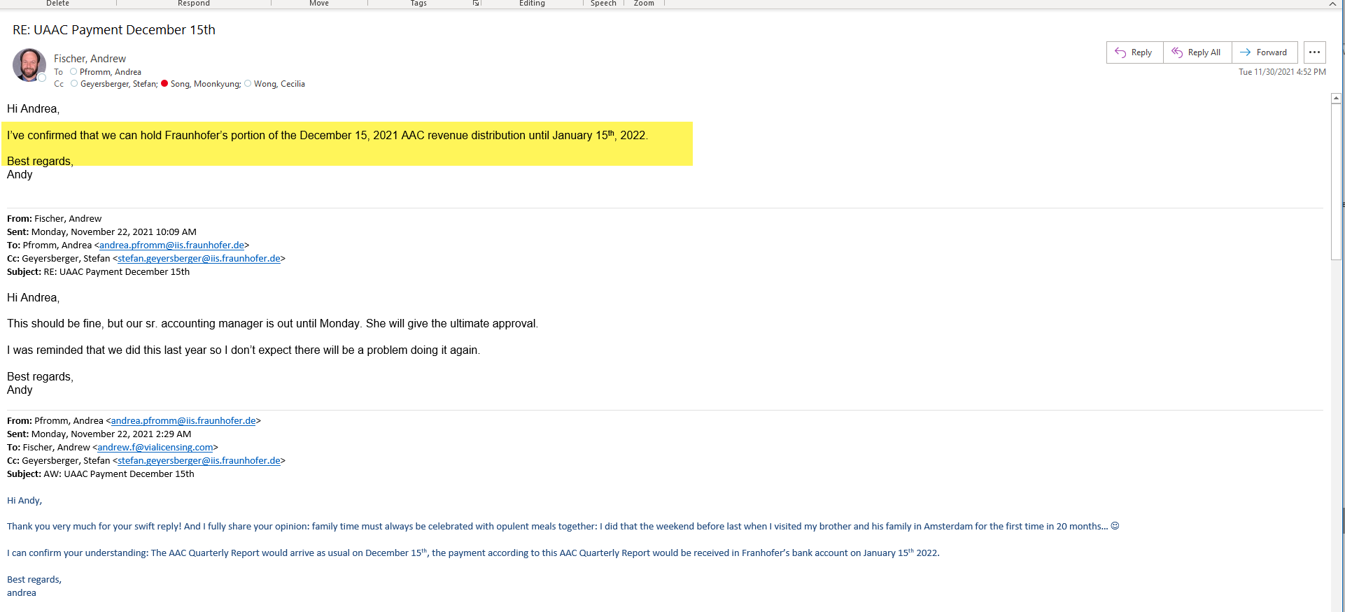
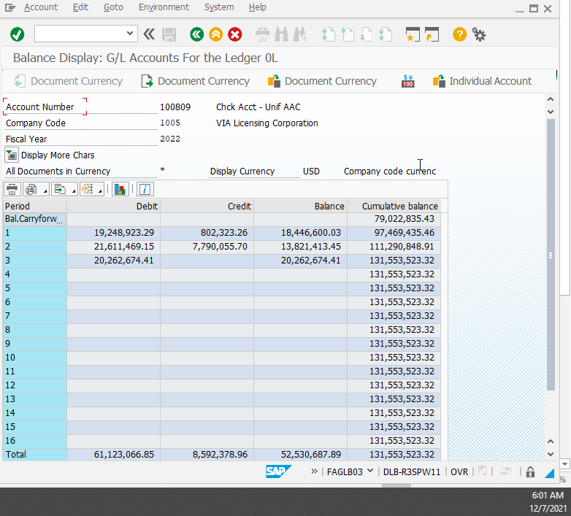

 |  |  |  |  |  |  |  |  |  |  |  |  |  |  |  |  |  |  |  |  |  |  |  | 100809 GL as of period 1 -10/29/2021 | 97,469,435.46
 |  |  |  |  |  |  |  |  |  |  |  |  |  |  |  |  |  |  |  |  |  |  |  | 100809 GL activities on 10/30/2021-10/31/2021 | (7,767,505.47)
 |  |  |  |  |  |  |  |  |  |  |  |  |  |  |  |  |  |  |  |  |  |  |  | Cash balance as of 10/31/2021 | 89,701,929.99

 |  |  |  |  |  |  |  |  |  |  |  |  |  |  |  |  |  |  |  |  |  |  |  | bank fee | (2,637.11)
 |  |  |  |  |  |  |  |  |  |  |  |  |  |  |  |  |  |  |  |  |  |  |  | Payout-Via admin bilateral | 20,856.72
 |  |  |  |  |  |  |  |  |  |  |  |  |  |  |  |  |  |  |  |  |  |  |  | Payout | 73,793,815.90
 |  |  |  |  |  |  |  |  |  |  |  |  |  |  |  |  |  |  |  |  |  |  |  | Interest | 2,228.06
 |  |  |  |  |  |  |  |  |  |  |  |  |  |  |  |  |  |  |  |  |  |  |  | interest | 507.42
 |  |  |  |  |  |  |  |  |  |  |  |  |  |  |  |  |  |  |  |  |  |  |  | AR aging as of 10/31/2021-on account credit | 17,299,053.29
 |  |  |  |  |  |  |  |  |  |  |  |  |  |  |  |  |  |  |  |  |  |  |  | Upfront payment to Philips | (1,412,663.07)

 |  |  |  |  |  |  |  |  |  |  |  |  |  |  |  |  |  |  |  |  |  |  |  | Checked have enough cash | 768.78

 |  |  |  |  |  |  |  |  |  |  |  |  |  |  |  |  |  |  |  |  |  |  |  |  |  | AETA AUDIO SYSTEMS S.A.S. | (42.53)
 |  |  |  |  |  |  |  |  |  |  |  |  |  |  |  |  |  |  |  |  |  |  |  |  |  | Afterlive.tv Inc. | (1,511.87)
 |  |  |  |  |  |  |  |  |  |  |  |  |  |  |  |  |  |  |  |  |  |  |  |  |  | ALCO Electronics Limited | (95,050.00)
 |  |  |  |  |  |  |  |  |  |  |  |  |  |  |  |  |  |  |  |  |  |  |  |  |  | ALCO Electronics Limited | (95,709.66)
 |  |  |  |  |  |  |  |  |  |  |  |  |  |  |  |  |  |  |  |  |  |  |  |  |  | ALVIX Corporation | (26.11)
 |  |  |  |  |  |  |  |  |  |  |  |  |  |  |  |  |  |  |  |  |  |  |  |  |  | Amazon.com Services, Inc. | (15,253,792.63)
 |  |  |  |  |  |  |  |  |  |  |  |  |  |  |  |  |  |  |  |  |  |  |  |  |  | ANYWARE VIDEO | (183.50)
 |  |  |  |  |  |  |  |  |  |  |  |  |  |  |  |  |  |  |  |  |  |  |  |  |  | Archos S.A. | (38,867.29)
 |  |  |  |  |  |  |  |  |  |  |  |  |  |  |  |  |  |  |  |  |  |  |  |  |  | Atrust Computer Corp. | (72,007.32)
 |  |  |  |  |  |  |  |  |  |  |  |  |  |  |  |  |  |  |  |  |  |  |  |  |  | ATX Networks (San Diego) Corp. | (33.46)
 |  |  |  |  |  |  |  |  |  |  |  |  |  |  |  |  |  |  |  |  |  |  |  |  |  | Avaya Inc. | (5,174.55)
 |  |  |  |  |  |  |  |  |  |  |  |  |  |  |  |  |  |  |  |  |  |  |  |  |  | Avid Technology, Inc. | (62.72)
 |  |  |  |  |  |  |  |  |  |  |  |  |  |  |  |  |  |  |  |  |  |  |  |  |  | Avid Technology, Inc. | (215.60)
 |  |  |  |  |  |  |  |  |  |  |  |  |  |  |  |  |  |  |  |  |  |  |  |  |  | Biamp Systems LLC | (8.88)
 |  |  |  |  |  |  |  |  |  |  |  |  |  |  |  |  |  |  |  |  |  |  |  |  |  | Blue Jeans Network, Inc. | (42.54)
 |  |  |  |  |  |  |  |  |  |  |  |  |  |  |  |  |  |  |  |  |  |  |  |  |  | Blue Jeans Network, Inc. | (87.46)
 |  |  |  |  |  |  |  |  |  |  |  |  |  |  |  |  |  |  |  |  |  |  |  |  |  | BRAINSALT MEDIA GMBH | (77.69)
 |  |  |  |  |  |  |  |  |  |  |  |  |  |  |  |  |  |  |  |  |  |  |  |  |  | Busch-Jaeger Elektro GmbH | (68.60)
 |  |  |  |  |  |  |  |  |  |  |  |  |  |  |  |  |  |  |  |  |  |  |  |  |  | Bylo Media Inc. | (3,852.54)
 |  |  |  |  |  |  |  |  |  |  |  |  |  |  |  |  |  |  |  |  |  |  |  |  |  | Chord Electronics Limited | (99.02)
 |  |  |  |  |  |  |  |  |  |  |  |  |  |  |  |  |  |  |  |  |  |  |  |  |  | Concurrent Technology (UK) Lim | (17.36)
 |  |  |  |  |  |  |  |  |  |  |  |  |  |  |  |  |  |  |  |  |  |  |  |  |  | Crestron Electronics, Inc. | (186.89)
 |  |  |  |  |  |  |  |  |  |  |  |  |  |  |  |  |  |  |  |  |  |  |  |  |  | Dassault Systemes SE | (13.53)
 |  |  |  |  |  |  |  |  |  |  |  |  |  |  |  |  |  |  |  |  |  |  |  |  |  | Dejero Labs Inc. | (207.28)
 |  |  |  |  |  |  |  |  |  |  |  |  |  |  |  |  |  |  |  |  |  |  |  |  |  | DIGICON Inc. | (29.52)
 |  |  |  |  |  |  |  |  |  |  |  |  |  |  |  |  |  |  |  |  |  |  |  |  |  | DIRECTV, LLC | (2,242.82)
 |  |  |  |  |  |  |  |  |  |  |  |  |  |  |  |  |  |  |  |  |  |  |  |  |  | DIRECTV, LLC | (1,883.33)
 |  |  |  |  |  |  |  |  |  |  |  |  |  |  |  |  |  |  |  |  |  |  |  |  |  | DISH Technologies L.L.C. | (1,184.16)
 |  |  |  |  |  |  |  |  |  |  |  |  |  |  |  |  |  |  |  |  |  |  |  |  |  | Dolby Laboratories, Inc. | (1,406.72)
 |  |  |  |  |  |  |  |  |  |  |  |  |  |  |  |  |  |  |  |  |  |  |  |  |  | Elements Global Ltd. | (76.37)
 |  |  |  |  |  |  |  |  |  |  |  |  |  |  |  |  |  |  |  |  |  |  |  |  |  | Elements Innovation (Audio & V | (5.47)
 |  |  |  |  |  |  |  |  |  |  |  |  |  |  |  |  |  |  |  |  |  |  |  |  |  | Elements Innovation (Audio & V | (79.28)
 |  |  |  |  |  |  |  |  |  |  |  |  |  |  |  |  |  |  |  |  |  |  |  |  |  | Endless Mobile, Inc. | (779.18)
 |  |  |  |  |  |  |  |  |  |  |  |  |  |  |  |  |  |  |  |  |  |  |  |  |  | Enseo, LLC | (186.88)
 |  |  |  |  |  |  |  |  |  |  |  |  |  |  |  |  |  |  |  |  |  |  |  |  |  | Envivio, Inc. | (286.87)
 |  |  |  |  |  |  |  |  |  |  |  |  |  |  |  |  |  |  |  |  |  |  |  |  |  | Faurecia Clarion Electronics C | (21.16)
 |  |  |  |  |  |  |  |  |  |  |  |  |  |  |  |  |  |  |  |  |  |  |  |  |  | Finis, Inc. | (1,379.87)
 |  |  |  |  |  |  |  |  |  |  |  |  |  |  |  |  |  |  |  |  |  |  |  |  |  | Fisher-Price, Inc. | (79.08)
 |  |  |  |  |  |  |  |  |  |  |  |  |  |  |  |  |  |  |  |  |  |  |  |  |  | Fitbit, Inc. | (43,036.58)
 |  |  |  |  |  |  |  |  |  |  |  |  |  |  |  |  |  |  |  |  |  |  |  |  |  | Flash Networks Ltd. | (0.53)
 |  |  |  |  |  |  |  |  |  |  |  |  |  |  |  |  |  |  |  |  |  |  |  |  |  | Futuri Media, LLC | (1.97)
 |  |  |  |  |  |  |  |  |  |  |  |  |  |  |  |  |  |  |  |  |  |  |  |  |  | Fuyoh Video Industry Co., Ltd. | (62.11)
 |  |  |  |  |  |  |  |  |  |  |  |  |  |  |  |  |  |  |  |  |  |  |  |  |  | G.O Holdings Inc. | (167.45)
 |  |  |  |  |  |  |  |  |  |  |  |  |  |  |  |  |  |  |  |  |  |  |  |  |  | GN Audio A/S | (6,495.11)
 |  |  |  |  |  |  |  |  |  |  |  |  |  |  |  |  |  |  |  |  |  |  |  |  |  | GN Audio A/S | (411,321.95)
 |  |  |  |  |  |  |  |  |  |  |  |  |  |  |  |  |  |  |  |  |  |  |  |  |  | GoPro, Inc. | (1,700.68)
 |  |  |  |  |  |  |  |  |  |  |  |  |  |  |  |  |  |  |  |  |  |  |  |  |  | Gospell Digital Technology Co. | (50,000.00)
 |  |  |  |  |  |  |  |  |  |  |  |  |  |  |  |  |  |  |  |  |  |  |  |  |  | Gospell Digital Technology Co. | (7.04)
 |  |  |  |  |  |  |  |  |  |  |  |  |  |  |  |  |  |  |  |  |  |  |  |  |  | H4 Engineering Inc, dba Solosh | (1,402.93)
 |  |  |  |  |  |  |  |  |  |  |  |  |  |  |  |  |  |  |  |  |  |  |  |  |  | Hale Devices, Inc. | (7,476.50)
 |  |  |  |  |  |  |  |  |  |  |  |  |  |  |  |  |  |  |  |  |  |  |  |  |  | i.safe MOBILE GmbH | (23,570.26)
 |  |  |  |  |  |  |  |  |  |  |  |  |  |  |  |  |  |  |  |  |  |  |  |  |  | Inkel Corporation | (7.92)
 |  |  |  |  |  |  |  |  |  |  |  |  |  |  |  |  |  |  |  |  |  |  |  |  |  | Institut fur Rundfunktechnik G | (54.49)
 |  |  |  |  |  |  |  |  |  |  |  |  |  |  |  |  |  |  |  |  |  |  |  |  |  | INTELLIGENT SYSTEMS CO., LTD. | (12.01)
 |  |  |  |  |  |  |  |  |  |  |  |  |  |  |  |  |  |  |  |  |  |  |  |  |  | INVERSENET INC | (635.19)
 |  |  |  |  |  |  |  |  |  |  |  |  |  |  |  |  |  |  |  |  |  |  |  |  |  | Joyeux Co.,Ltd. | (8,075.00)
 |  |  |  |  |  |  |  |  |  |  |  |  |  |  |  |  |  |  |  |  |  |  |  |  |  | King Profit Trading Ltd. | (896.33)
 |  |  |  |  |  |  |  |  |  |  |  |  |  |  |  |  |  |  |  |  |  |  |  |  |  | Klode Media SL | (954.75)
 |  |  |  |  |  |  |  |  |  |  |  |  |  |  |  |  |  |  |  |  |  |  |  |  |  | Livescribe, Inc. | (350.00)
 |  |  |  |  |  |  |  |  |  |  |  |  |  |  |  |  |  |  |  |  |  |  |  |  |  | Magic Solution International L | (10,611.00)
 |  |  |  |  |  |  |  |  |  |  |  |  |  |  |  |  |  |  |  |  |  |  |  |  |  | Marelli Europe S.p.A. | (59.44)
 |  |  |  |  |  |  |  |  |  |  |  |  |  |  |  |  |  |  |  |  |  |  |  |  |  | MediaKind Systems UK Ltd | (75.92)
 |  |  |  |  |  |  |  |  |  |  |  |  |  |  |  |  |  |  |  |  |  |  |  |  |  | Microsoft Corporation | (163,457.91)
 |  |  |  |  |  |  |  |  |  |  |  |  |  |  |  |  |  |  |  |  |  |  |  |  |  | Microsoft Corporation | (56,928.07)
 |  |  |  |  |  |  |  |  |  |  |  |  |  |  |  |  |  |  |  |  |  |  |  |  |  | Microsoft Corporation | (32,000.00)
 |  |  |  |  |  |  |  |  |  |  |  |  |  |  |  |  |  |  |  |  |  |  |  |  |  | Mobifren Co., Ltd. | (527.47)
 |  |  |  |  |  |  |  |  |  |  |  |  |  |  |  |  |  |  |  |  |  |  |  |  |  | Mobiwire SAS | (162.23)
 |  |  |  |  |  |  |  |  |  |  |  |  |  |  |  |  |  |  |  |  |  |  |  |  |  | Mobiwire SAS | (139.82)
 |  |  |  |  |  |  |  |  |  |  |  |  |  |  |  |  |  |  |  |  |  |  |  |  |  | MOBOTIX AG | (60.53)
 |  |  |  |  |  |  |  |  |  |  |  |  |  |  |  |  |  |  |  |  |  |  |  |  |  | Muzik Inc. | (334.18)
 |  |  |  |  |  |  |  |  |  |  |  |  |  |  |  |  |  |  |  |  |  |  |  |  |  | nac Image Technology, Inc. | (32.94)
 |  |  |  |  |  |  |  |  |  |  |  |  |  |  |  |  |  |  |  |  |  |  |  |  |  | nac Image Technology, Inc. | (500.00)
 |  |  |  |  |  |  |  |  |  |  |  |  |  |  |  |  |  |  |  |  |  |  |  |  |  | NEOGENESIS.Co.,Ltd | (665.23)
 |  |  |  |  |  |  |  |  |  |  |  |  |  |  |  |  |  |  |  |  |  |  |  |  |  | Neusoft Corporation | (1,774.03)
 |  |  |  |  |  |  |  |  |  |  |  |  |  |  |  |  |  |  |  |  |  |  |  |  |  | NLD LLC | (3.50)
 |  |  |  |  |  |  |  |  |  |  |  |  |  |  |  |  |  |  |  |  |  |  |  |  |  | NLD LLC | (22.45)
 |  |  |  |  |  |  |  |  |  |  |  |  |  |  |  |  |  |  |  |  |  |  |  |  |  | NLD LLC | (16.59)
 |  |  |  |  |  |  |  |  |  |  |  |  |  |  |  |  |  |  |  |  |  |  |  |  |  | OPTSP CO., LTD. | (70.52)
 |  |  |  |  |  |  |  |  |  |  |  |  |  |  |  |  |  |  |  |  |  |  |  |  |  | OPTSP CO., LTD. | (722.27)
 |  |  |  |  |  |  |  |  |  |  |  |  |  |  |  |  |  |  |  |  |  |  |  |  |  | P3, Inc. | (411.88)
 |  |  |  |  |  |  |  |  |  |  |  |  |  |  |  |  |  |  |  |  |  |  |  |  |  | Panasonic Corporation | (53,579.14)
 |  |  |  |  |  |  |  |  |  |  |  |  |  |  |  |  |  |  |  |  |  |  |  |  |  | Pexip AS | (182.86)
 |  |  |  |  |  |  |  |  |  |  |  |  |  |  |  |  |  |  |  |  |  |  |  |  |  | Photron Limited | (35.92)
 |  |  |  |  |  |  |  |  |  |  |  |  |  |  |  |  |  |  |  |  |  |  |  |  |  | Pittasoft Co., Ltd. | (32.39)
 |  |  |  |  |  |  |  |  |  |  |  |  |  |  |  |  |  |  |  |  |  |  |  |  |  | Pixela Corporation | (1,790.99)
 |  |  |  |  |  |  |  |  |  |  |  |  |  |  |  |  |  |  |  |  |  |  |  |  |  | Precor Incorporated | (6,374.00)
 |  |  |  |  |  |  |  |  |  |  |  |  |  |  |  |  |  |  |  |  |  |  |  |  |  | Qingdao Haier Multimedia Co., | (93,407.41)
 |  |  |  |  |  |  |  |  |  |  |  |  |  |  |  |  |  |  |  |  |  |  |  |  |  | radius co., ltd. | (25.86)
 |  |  |  |  |  |  |  |  |  |  |  |  |  |  |  |  |  |  |  |  |  |  |  |  |  | Reflying Audio Tech Limited | (203.01)
 |  |  |  |  |  |  |  |  |  |  |  |  |  |  |  |  |  |  |  |  |  |  |  |  |  | Remo Technology Co., Ltd. | (97.98)
 |  |  |  |  |  |  |  |  |  |  |  |  |  |  |  |  |  |  |  |  |  |  |  |  |  | Rich Gate Asia Pacific Enterpr | (3,470.76)
 |  |  |  |  |  |  |  |  |  |  |  |  |  |  |  |  |  |  |  |  |  |  |  |  |  | Ro.Ve.R Laboratories S.p.A. | (4,829.40)
 |  |  |  |  |  |  |  |  |  |  |  |  |  |  |  |  |  |  |  |  |  |  |  |  |  | Seven Dew Co.,Ltd | (91.13)
 |  |  |  |  |  |  |  |  |  |  |  |  |  |  |  |  |  |  |  |  |  |  |  |  |  | Shanghai Pateo Electronic Equi | (10.29)
 |  |  |  |  |  |  |  |  |  |  |  |  |  |  |  |  |  |  |  |  |  |  |  |  |  | Sinowise Business Services Lim | (173.49)
 |  |  |  |  |  |  |  |  |  |  |  |  |  |  |  |  |  |  |  |  |  |  |  |  |  | Sirius XM Radio, Inc. | (5,386.33)
 |  |  |  |  |  |  |  |  |  |  |  |  |  |  |  |  |  |  |  |  |  |  |  |  |  | Siyata Mobile Inc. | (16.53)
 |  |  |  |  |  |  |  |  |  |  |  |  |  |  |  |  |  |  |  |  |  |  |  |  |  | SmarDTV Global SAS | (65.55)
 |  |  |  |  |  |  |  |  |  |  |  |  |  |  |  |  |  |  |  |  |  |  |  |  |  | SMART TECHNOLOGIES ULC | (149.96)
 |  |  |  |  |  |  |  |  |  |  |  |  |  |  |  |  |  |  |  |  |  |  |  |  |  | sonoro audio GmbH | (9,453.53)
 |  |  |  |  |  |  |  |  |  |  |  |  |  |  |  |  |  |  |  |  |  |  |  |  |  | Soundmax Electronics Limited | (565.04)
 |  |  |  |  |  |  |  |  |  |  |  |  |  |  |  |  |  |  |  |  |  |  |  |  |  | Soundmax Electronics Limited | (526.84)
 |  |  |  |  |  |  |  |  |  |  |  |  |  |  |  |  |  |  |  |  |  |  |  |  |  | STAYER Holdings Inc. | (12.30)
 |  |  |  |  |  |  |  |  |  |  |  |  |  |  |  |  |  |  |  |  |  |  |  |  |  | STAYER Holdings Inc. | (34,716.51)
 |  |  |  |  |  |  |  |  |  |  |  |  |  |  |  |  |  |  |  |  |  |  |  |  |  | Sudio AB | (1,992.73)
 |  |  |  |  |  |  |  |  |  |  |  |  |  |  |  |  |  |  |  |  |  |  |  |  |  | TAG V.S. | (196.64)
 |  |  |  |  |  |  |  |  |  |  |  |  |  |  |  |  |  |  |  |  |  |  |  |  |  | Technicolor Delivery Technolog | (466,207.75)
 |  |  |  |  |  |  |  |  |  |  |  |  |  |  |  |  |  |  |  |  |  |  |  |  |  | Technicolor Delivery Technolog | (24,833.14)
 |  |  |  |  |  |  |  |  |  |  |  |  |  |  |  |  |  |  |  |  |  |  |  |  |  | TechniSat Digital GmbH
 |  |  |  |  |  |  |  |  |  |  |  |  |  |  |  |  |  |  |  |  |  |  |  |  |  | TechniSat Digital GmbH
 |  |  |  |  |  |  |  |  |  |  |  |  |  |  |  |  |  |  |  |  |  |  |  |  |  | TECHNO HORIZON CO., LTD. | (113,524.55)
 |  |  |  |  |  |  |  |  |  |  |  |  |  |  |  |  |  |  |  |  |  |  |  |  |  | Telecommunication Technologies | (18,622.54)
 |  |  |  |  |  |  |  |  |  |  |  |  |  |  |  |  |  |  |  |  |  |  |  |  |  | Telstra Corporation Limited | (10,703.96)
 |  |  |  |  |  |  |  |  |  |  |  |  |  |  |  |  |  |  |  |  |  |  |  |  |  | TelVue Corporation | (1,752.32)
 |  |  |  |  |  |  |  |  |  |  |  |  |  |  |  |  |  |  |  |  |  |  |  |  |  | The Rotel Co., Ltd. | (857.08)
 |  |  |  |  |  |  |  |  |  |  |  |  |  |  |  |  |  |  |  |  |  |  |  |  |  | TiVo Solutions Inc | (3,333.18)
 |  |  |  |  |  |  |  |  |  |  |  |  |  |  |  |  |  |  |  |  |  |  |  |  |  | TongFang Global Ltd. | (13,814.08)
 |  |  |  |  |  |  |  |  |  |  |  |  |  |  |  |  |  |  |  |  |  |  |  |  |  | TOSHIBA EL ARABY VISUAL PRODUC | (11,517.00)
 |  |  |  |  |  |  |  |  |  |  |  |  |  |  |  |  |  |  |  |  |  |  |  |  |  | Truesell Co., Ltd. | (98.00)
 |  |  |  |  |  |  |  |  |  |  |  |  |  |  |  |  |  |  |  |  |  |  |  |  |  | TT Micro AS | (7,042.86)
 |  |  |  |  |  |  |  |  |  |  |  |  |  |  |  |  |  |  |  |  |  |  |  |  |  | UNITECH CO., LTD | (540.00)
 |  |  |  |  |  |  |  |  |  |  |  |  |  |  |  |  |  |  |  |  |  |  |  |  |  | VAIO Corporation | (170.21)
 |  |  |  |  |  |  |  |  |  |  |  |  |  |  |  |  |  |  |  |  |  |  |  |  |  | VDMS LLC | (1,800.00)
 |  |  |  |  |  |  |  |  |  |  |  |  |  |  |  |  |  |  |  |  |  |  |  |  |  | VDMS LLC | (1,950.00)
 |  |  |  |  |  |  |  |  |  |  |  |  |  |  |  |  |  |  |  |  |  |  |  |  |  | Viavi Solutions Inc. | (422.19)
 |  |  |  |  |  |  |  |  |  |  |  |  |  |  |  |  |  |  |  |  |  |  |  |  |  | Videolink LLC | (2.94)
 |  |  |  |  |  |  |  |  |  |  |  |  |  |  |  |  |  |  |  |  |  |  |  |  |  | VOXOA Inc. | (8.75)
 |  |  |  |  |  |  |  |  |  |  |  |  |  |  |  |  |  |  |  |  |  |  |  |  |  | Wai Hang Electronic Company Li | (247.72)
 |  |  |  |  |  |  |  |  |  |  |  |  |  |  |  |  |  |  |  |  |  |  |  |  |  | WellAV Technologies Ltd. | (7.48)
 |  |  |  |  |  |  |  |  |  |  |  |  |  |  |  |  |  |  |  |  |  |  |  |  |  | Wilhelm Sihn jr. GmbH & Co.KG | (149.54)
 |  |  |  |  |  |  |  |  |  |  |  |  |  |  |  |  |  |  |  |  |  |  |  |  |  | WiMobilis Digital Technologies | (31.99)
 |  |  |  |  |  |  |  |  |  |  |  |  |  |  |  |  |  |  |  |  |  |  |  |  |  | xtendx AG | (35.94)
 |  |  |  |  |  |  |  |  |  |  |  |  |  |  |  |  |  |  |  |  |  |  |  |  |  | Zhong Shan City Litai Electron | (187.00)
 |  |  |  |  |  |  |  |  |  |  |  |  |  |  |  |  |  |  |  |  |  |  |  |  |  | Zhong Shan City Litai Electron | (2,020.65)
 |  |  |  |  |  |  |  |  |  |  |  |  |  |  |  |  |  |  |  |  |  |  |  |  |  | Zyxel Communications Corporati | (1.31)
 |  |  |  |  |  |  |  |  |  |  |  |  |  |  |  |  |  |  |  |  |  |  |  |  |  |  | (17,299,053.29)

