SAP
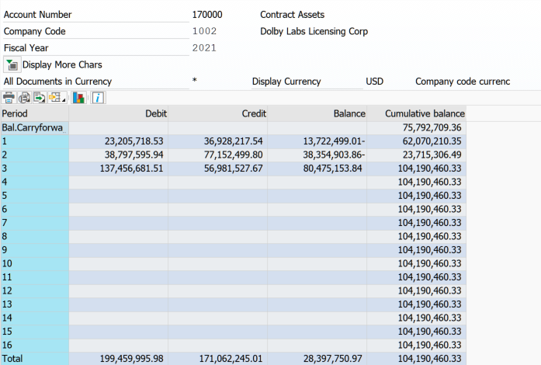
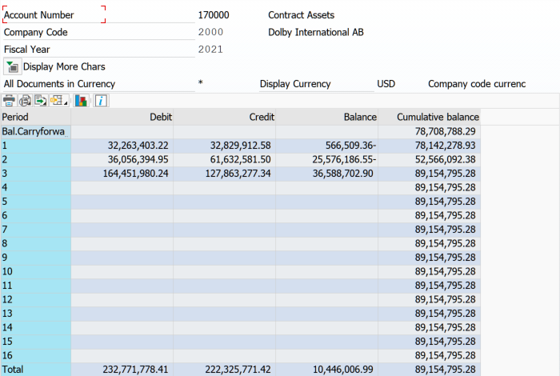
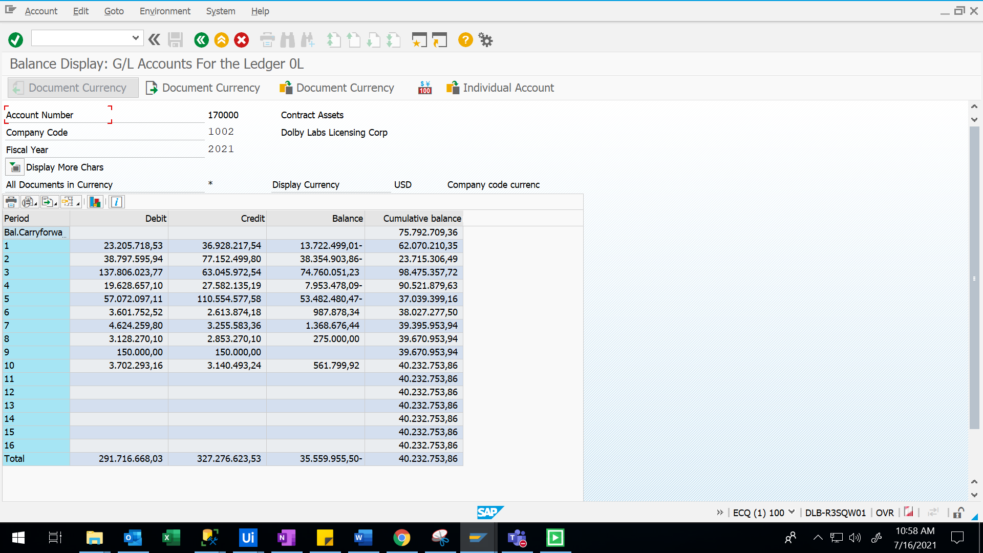
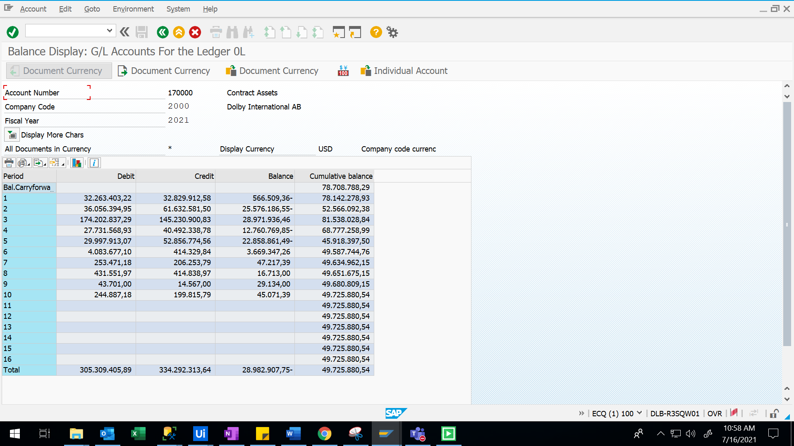
CC1002 |  | CC2000
Per SAP | 104,190,460 | Per SAP | 89,154,795
Per BI | - | Per BI | 1,955
Variance | 104,190,460 | Variance | 89,152,840

