FlapjackCols
Sheet Name | FlapjackObject | ColName | FlapjackName
Supplement | Supplement | Supplement Name | name
Supplement | Supplement | Chemical ID | chemical
Supplement | Supplement | Concentration | concentration
Chemical | Chemical | Chemical Name | name
Chemical | Chemical | Chemical Description | description
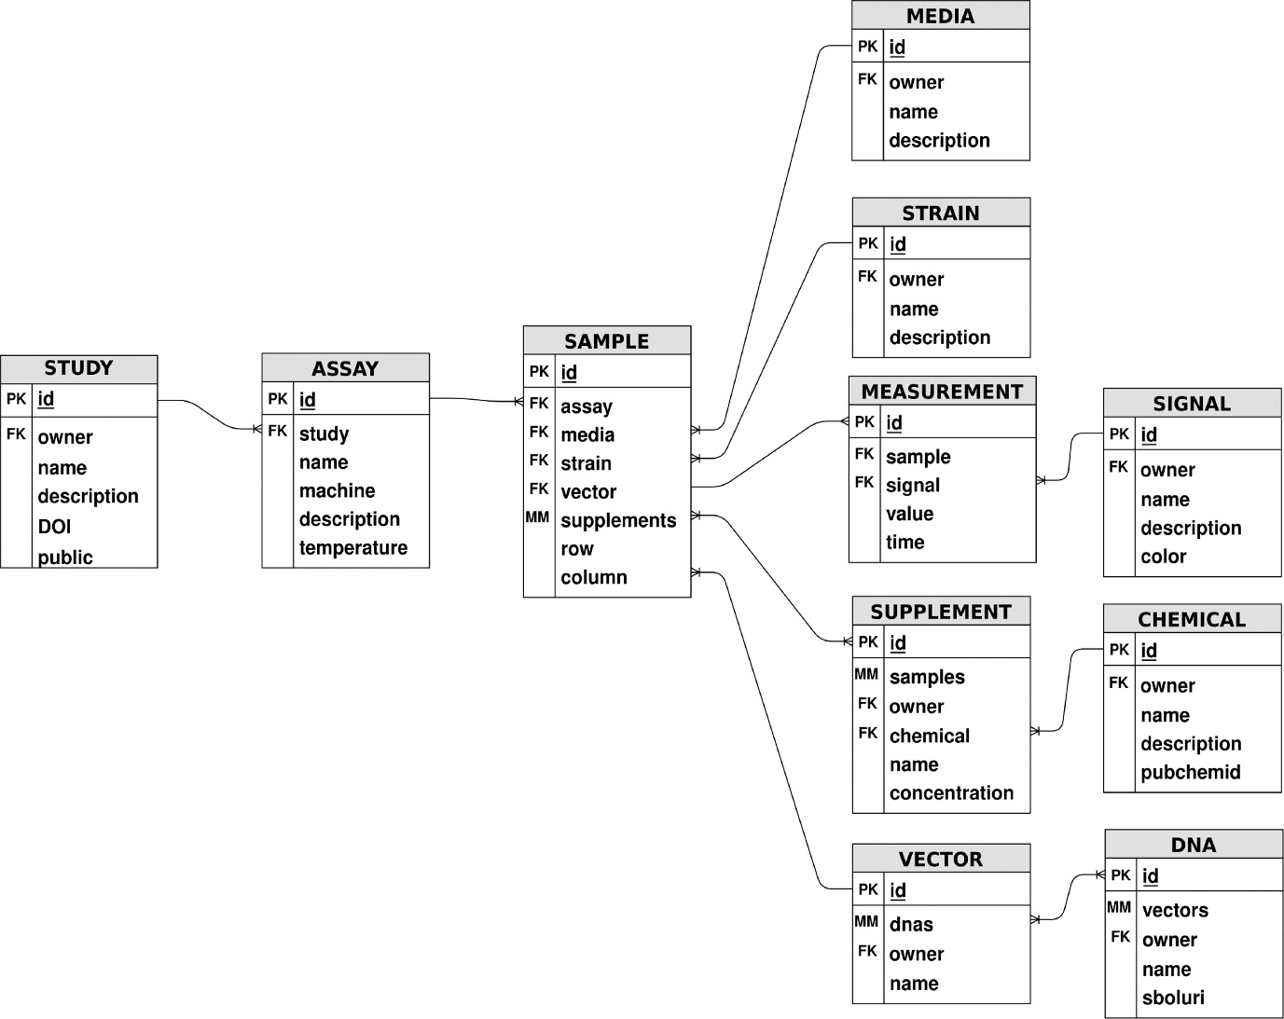
Chemical | Chemical |  | pubchemid
Vector | Vector | Vector Name | name
Vector | Vector | DNA ID | dnas
Strain | Strain | Strain Name | name
Strain | Strain | Strain Description | description
Media | Media | Media Name | name
Media | Media | Media Description | description
Signal | Signal | Signal Name | name
Signal | Signal | Signal Description | description
Signal | Signal | Signal Color | color
DNA | DNA | DNA Name | name
Measurement | Measurement | Signal ID | signal
Measurement | Measurement | Value | value
Measurement | Measurement | Sample ID | sample
Measurement | Measurement | Time | time
Sample | Sample | Row | row
Sample | Sample | Column | col
Sample | Sample | Sample Design ID | sampledesign
Sample | Sample | Supplement Name | supplement
Sample | Sample | Vector ID | vector
Sample | Sample | Strain ID | strain
Sample | Sample | Media ID | media
Sample | Sample | Assay ID | assay
Assay | Assay | Assay Name | name
Assay | Assay | Machine | machine
Assay | Assay | Description | description
Assay | Assay | Study ID | study
Assay | Assay | Temperature | temperature
Study | Study | Study Name | name
Study | Study | Description | description
Study | Study | DOI | DOI
Study | Study |  | public

