FlapjackCols
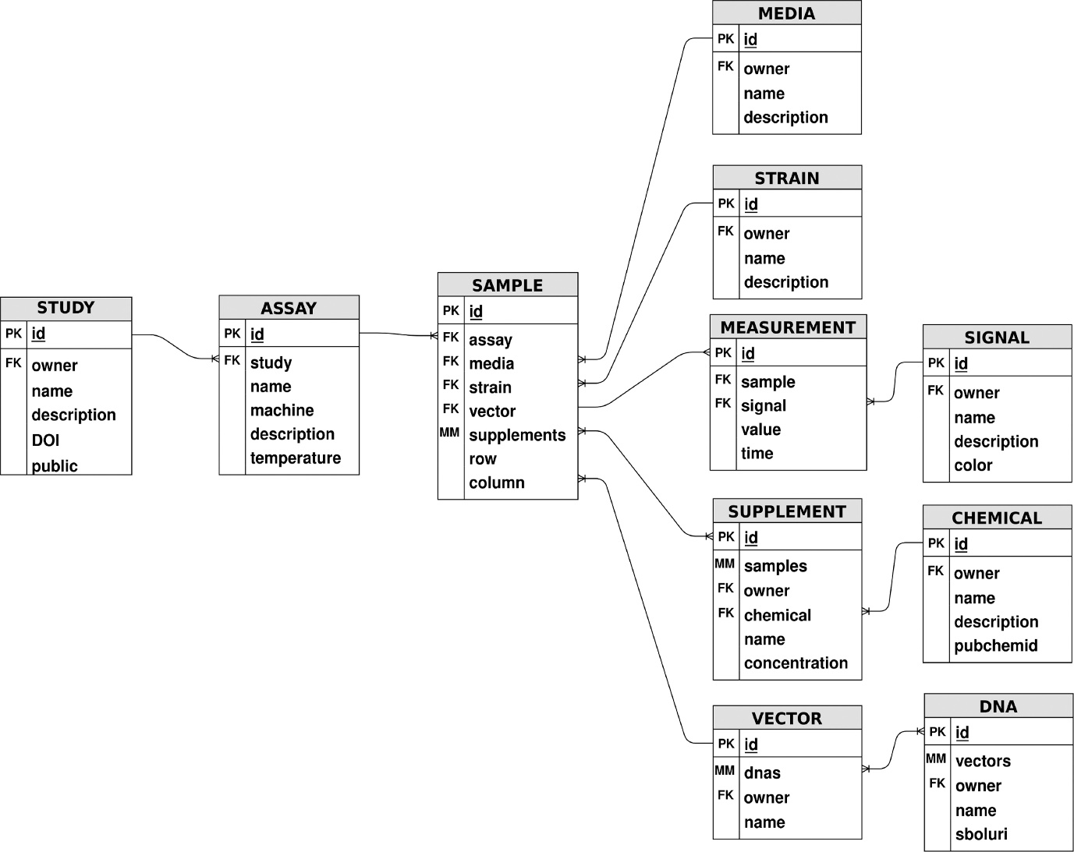
Sheet Name | ColName | FlapjackName
Chemical | Chemical Name | name
Chemical | Chemical Description | description
Chemical | PubMed Id | pubchemid

