Home
 | FN312 Investment Challenge Dashboard

STEP 1 | Data Cleaning and Preprocessing
 | 1) Update transactions and stock prices (weekly)
 | 2) Perform calculations to extract meaningful information from transactions
 | 3) Calculate portfolio metrics in terms of trends, momentums, and risks

STEP 2 | Data Analytics and Dashboarding
 | 1) Summarize the current status of portfolios
 | 2) Show metrics chart on each stock price (using drop-down list)
 | 3) Show chart on portfolio current wealth

STEP 3 | Recommendation
 | 1) Read dashboard, and summarize current status
 | 2) Recommend changes to the trade team

Data Description
Table 1: Transaction Table |  |  | Original | Raw data from marketwatch
Description: This table contains raw data regarding each portfolio transaction |  |  | Calculated | Calculated field
Variable |  | Description
Symbol |  | Symbol of stocks traded (original)
Order Date |  | Date where order is placed (original)
Transaction Date |  | Date where transaction is done (original)
Transactions |  | Type of transactions done (original)
Cancel Reason |  | -
Amount |  | The amount of shares where transaction is done (original)
Execution_Price |  | The price where transaction is done (original)
Month_order |  | Month where order is made (calculated)
Date_order |  | Date where order is made (calculated)
Year_order |  | Year where order is made (calculated)
Month_Transact |  | Month where transaction is made (calculated)
Date_Transact |  | Date where transaction is made (calculated)
Year_Transact |  | Year where transaction is made (calculated)
Order_Date |  | Order date calculated from month_order, year_order, date_order (calculated)
Transaction_Date |  | Transaction date calculated from month_transact, year_transact, date_transact (calculated)
Net_Cash_Change |  | The change in cash resulted from each transaction

Table 2: Position Table |  |  | * | Subject to change: new stocks could be added
Description: This table contains the portfolio position on each day |  |  |  | (Warning: try to be automated in this table calculation)
Variable |  | Description
Date |  | Primary key to keep track of position on each day
Price_XXX |  | Adjusted closing price of each stock (calculated from XXX sheet) *
Shares_XXX |  | The cumulative number of XXX shares that the team is holding *
Shares_Holding |  | The total current value of stocks in the team portfolio
Cash_Holding |  | The total cash that the team is holding
Asset_Holding |  | Total asset the team is holding (sum of shares_holding and cash_holding)

Table 3: XXX Stock
Description: This table contains historical data on XXX stock, including investment metrics
Variable |  | Description
Date |  | Primary key to keep track of historical data
Open |  | Opening price on that day
High |  | Highest traded price on that day
Low |  | Lowest traded price on that day
Close |  | Close price on that day
Adj Close |  | Close price adjusted for irregularities such as stock split
Volume |  | Volume traded on that day
EMA |  | Exponential moving average on the stock (calculated: trend metrics)
RSI |  | Relative Strength Index on the stock (calculated: momentum metrics)
BB_Mean |  | Bollinger Band average on the stock (calculated: trend metrics)
BB_Upper |  | Bollinger Band upper bound on the stock (calculated: risk metrics)
BB_Lower |  | Bollinger Band lower bound on the stock (calculated: risk metrics)

Note1: For calculated field, use parameters shown in lookup sheet.
Note2: Use the stocks and transaction type from lookup table to validate data.

Metrics Calculation
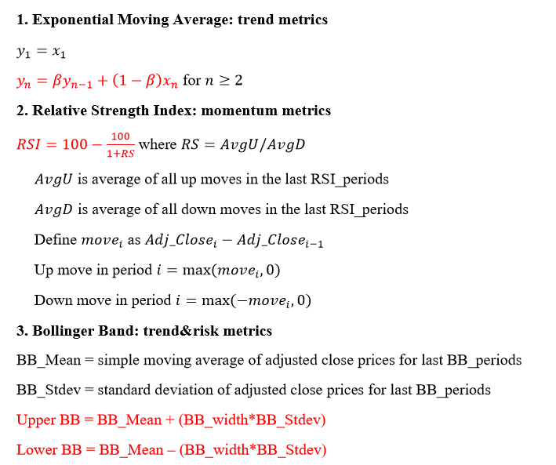

Dashboard
Part 1: Descriptive Statistic
Various measures of team performance are shown: current stock holding, current cash holding, total wealth,
a small table showing the summary of total transactions done during each week, classified based on transaction type, and
a small table that shows current team portfolio status, classified by amount the team invested in each stock.
Part 2: Team Performance
A stacked bar graph (stock, cash) shows total team asset over time.
Part 3: Stock Analytics
By choosing stock and metrics from the drop-down list, display the relevant data, and show the line graph.
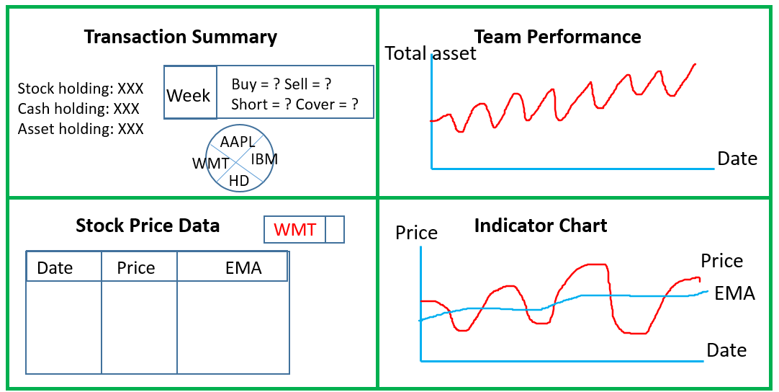

 | Sample Dashboard Design

