Home
 | FN312 Investment Challenge Dashboard

STEP 1 | Data Cleaning and Preprocessing
 | 1) Update transactions and stock prices (weekly)
 | 2) Perform calculations to extract meaningful information from transactions
 | 3) Calculate portfolio metrics in terms of trends, momentums, and risks

STEP 2 | Data Analytics and Dashboarding
 | 1) Summarize the current status of portfolios
 | 2) Show metrics chart on each stock price (using drop-down list)
 | 3) Show chart on portfolio current wealth

STEP 3 | Recommendation
 | 1) Read dashboard, and summarize current status
 | 2) Recommend changes to the trade team

Data Description
Table 1: Transaction Table |  |  | Original | Raw data from marketwatch
Description: This table contains raw data regarding each portfolio transaction |  |  | Calculated | Calculated field
Variable |  | Description
Symbol |  | Symbol of stocks traded (original)
Order Date |  | Date where order is placed (original)
Transaction Date |  | Date where transaction is done (original)
Transactions |  | Type of transactions done (original)
Cancel Reason |  | -
Amount |  | The amount of shares where transaction is done (original)
Execution_Price |  | The price where transaction is done (original)
Month_order |  | Month where order is made (calculated)
Date_order |  | Date where order is made (calculated)
Year_order |  | Year where order is made (calculated)
Month_Transact |  | Month where transaction is made (calculated)
Date_Transact |  | Date where transaction is made (calculated)
Year_Transact |  | Year where transaction is made (calculated)
Order_Date |  | Order date calculated from month_order, year_order, date_order (calculated)
Transaction_Date |  | Transaction date calculated from month_transact, year_transact, date_transact (calculated)
Net_Cash_Change |  | The change in cash resulted from each transaction

Table 2: Position Table |  |  | * | Subject to change: new stocks could be added
Description: This table contains the portfolio position on each day |  |  |  | (Warning: try to be automated in this table calculation)
Variable |  | Description
Date |  | Primary key to keep track of position on each day
Price_XXX |  | Adjusted closing price of each stock (calculated from XXX sheet) *
Shares_XXX |  | The cumulative number of XXX shares that the team is holding *
Shares_Holding |  | The total current value of stocks in the team portfolio
Cash_Holding |  | The total cash that the team is holding
Asset_Holding |  | Total asset the team is holding (sum of shares_holding and cash_holding)

Table 3: XXX Stock
Description: This table contains historical data on XXX stock, including investment metrics
Variable |  | Description
Date |  | Primary key to keep track of historical data
Open |  | Opening price on that day
High |  | Highest traded price on that day
Low |  | Lowest traded price on that day
Close |  | Close price on that day
Adj Close |  | Close price adjusted for irregularities such as stock split
Volume |  | Volume traded on that day
EMA |  | Exponential moving average on the stock (calculated: trend metrics)
RSI |  | Relative Strength Index on the stock (calculated: momentum metrics)
BB_Mean |  | Bollinger Band average on the stock (calculated: trend metrics)
BB_Upper |  | Bollinger Band upper bound on the stock (calculated: risk metrics)
BB_Lower |  | Bollinger Band lower bound on the stock (calculated: risk metrics)

Note1: For calculated field, use parameters shown in lookup sheet.
Note2: Use the stocks and transaction type from lookup table to validate data.

Metrics Calculation
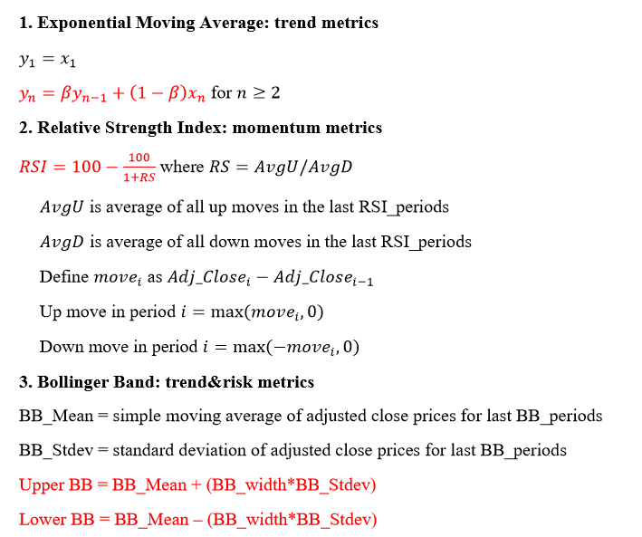

Dashboard
Part 1: Descriptive Statistic
Various measures of team performance are shown: current stock holding, current cash holding, total wealth,
a small table showing the summary of total transactions done during each week, classified based on transaction type, and
a small table that shows current team portfolio status, classified by amount the team invested in each stock.
Part 2: Team Performance
A stacked bar graph (stock, cash) shows total team asset over time.
Part 3: Stock Analytics
By choosing stock and metrics from the drop-down list, display the relevant data, and show the line graph.
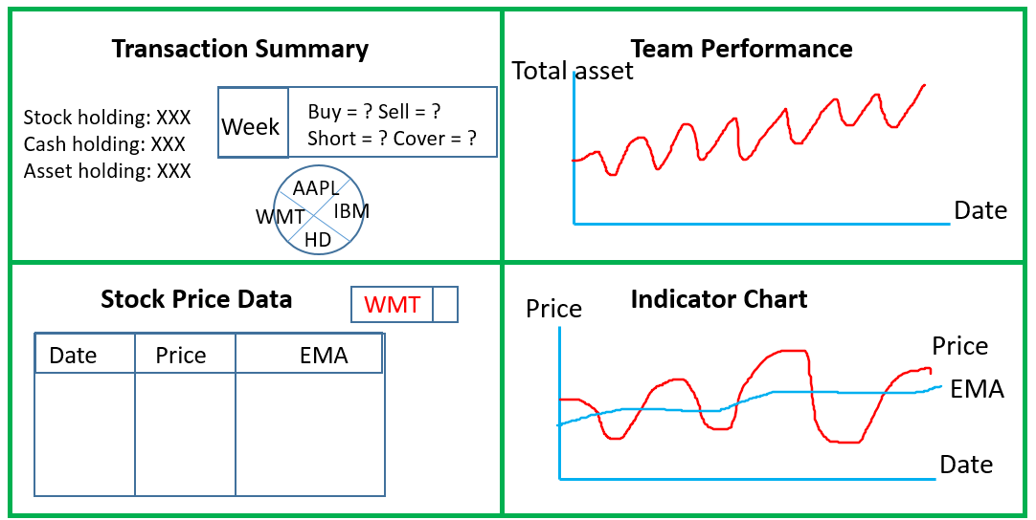

 | Sample Dashboard Design

HD
HD Data
Source: https://finance.yahoo.com/quote/hd/history?ltr=1

Date | Open | High | Low | Close | Adj Close | Volume | EMA | RSI | BB_Mean | BB_Upper | BB_Lower | Move | Upmove | Downmove | Avg_Upmove | Avg_Downmove | RS | BB_Stdev
2020-08-10 | $272.42 | $275.00 | $271.80 | $274.73 | $273.29 | 2393100 | $273.29 |  |  |  |  | 0.00 | 0.00 | 0.00
2020-08-11 | $277.69 | $279.37 | $274.41 | $274.92 | $273.48 | 3321300 | $273.31 |  |  |  |  | 0.19 | 0.19 | 0.00
2020-08-12 | $279.75 | $282.97 | $276.96 | $281.58 | $280.10 | 3870000 | $273.99 |  |  |  |  | 6.63 | 6.63 | 0.00
2020-08-13 | $281.16 | $282.65 | $279.74 | $281.66 | $280.18 | 2202400 | $274.61 |  |  |  |  | 0.08 | 0.08 | 0.00
2020-08-14 | $281.14 | $282.00 | $279.19 | $280.55 | $279.08 | 2490400 | $275.05 |  |  |  |  | -1.10 | 0.00 | 1.10
2020-08-17 | $284.40 | $289.22 | $283.57 | $288.24 | $286.73 | 5584400 | $276.22 |  |  |  |  | 7.65 | 7.65 | 0.00
2020-08-18 | $288.90 | $290.58 | $283.04 | $285.00 | $283.50 | 6934300 | $276.95 |  |  |  |  | -3.22 | 0.00 | 3.22
2020-08-19 | $287.46 | $287.97 | $281.93 | $282.86 | $281.38 | 4986800 | $277.39 |  |  |  |  | -2.13 | 0.00 | 2.13
2020-08-20 | $280.54 | $281.91 | $279.44 | $280.68 | $279.21 | 3530000 | $277.57 |  |  |  |  | -2.17 | 0.00 | 2.17
2020-08-21 | $279.97 | $283.55 | $278.42 | $283.23 | $281.74 | 5519100 | $277.99 |  |  |  |  | 2.54 | 2.54 | 0.00
2020-08-24 | $284.99 | $286.85 | $281.92 | $286.75 | $285.25 | 4430900 | $278.72 |  |  |  |  | 3.50 | 3.50 | 0.00
2020-08-25 | $287.27 | $287.48 | $283.89 | $286.13 | $284.63 | 2854500 | $279.31 |  |  |  |  | -0.62 | 0.00 | 0.62
2020-08-26 | $287.73 | $292.12 | $286.27 | $291.93 | $290.40 | 4001900 | $280.42 |  |  |  |  | 5.77 | 5.77 | 0.00
2020-08-27 | $292.22 | $292.95 | $286.56 | $288.63 | $287.12 | 3430900 | $281.09 |  | $281.86 | $291.64 | $272.09 | -3.28 | 0.00 | 3.28 |  |  |  | $4.89
2020-08-28 | $288.31 | $288.83 | $284.77 | $286.29 | $284.79 | 3100100 | $281.46 | 63.95 | $282.68 | $291.21 | $274.16 | -2.33 | 0.00 | 2.33 | 1.88 | 1.06 | 1.77 | $4.26
2020-08-31 | $285.00 | $286.69 | $282.87 | $285.04 | $283.54 | 4105400 | $281.67 | 61.91 | $283.40 | $290.08 | $276.72 | -1.24 | 0.00 | 1.24 | 1.87 | 1.15 | 1.63 | $3.34
2020-09-01 | $284.03 | $286.68 | $283.50 | $285.94 | $284.44 | 3238100 | $281.94 | 55.94 | $283.71 | $290.13 | $277.29 | 0.90 | 0.90 | 0.00 | 1.46 | 1.15 | 1.27 | $3.21
2020-09-02 | $284.85 | $288.04 | $283.60 | $287.20 | $287.20 | 3464600 | $282.47 | 58.95 | $284.21 | $290.54 | $277.89 | 2.76 | 2.76 | 0.00 | 1.65 | 1.15 | 1.44 | $3.16
2020-09-03 | $287.30 | $287.70 | $272.17 | $274.63 | $274.63 | 5380100 | $281.68 | 45.61 | $283.90 | $291.63 | $276.17 | -12.57 | 0.00 | 12.57 | 1.65 | 1.97 | 0.84 | $3.86
2020-09-04 | $275.55 | $276.77 | $264.67 | $269.66 | $269.66 | 5253500 | $280.48 | 32.22 | $282.68 | $293.32 | $272.04 | -4.97 | 0.00 | 4.97 | 1.10 | 2.32 | 0.48 | $5.32
2020-09-08 | $267.11 | $271.04 | $262.81 | $269.26 | $269.26 | 5241200 | $279.36 | 34.23 | $281.66 | $294.46 | $268.86 | -0.40 | 0.00 | 0.40 | 1.10 | 2.12 | 0.52 | $6.40
2020-09-09 | $272.46 | $279.74 | $271.75 | $277.04 | $277.04 | 4754700 | $279.13 | 45.73 | $281.35 | $294.39 | $268.31 | 7.78 | 7.78 | 0.00 | 1.66 | 1.97 | 0.84 | $6.52
2020-09-10 | $278.01 | $280.98 | $271.17 | $272.70 | $272.70 | 3155800 | $278.49 | 43.86 | $280.89 | $294.70 | $267.07 | -4.34 | 0.00 | 4.34 | 1.66 | 2.13 | 0.78 | $6.91
2020-09-11 | $273.98 | $277.98 | $273.46 | $276.33 | $276.33 | 3328747 | $278.27 | 44.99 | $280.50 | $294.51 | $266.49 | 3.63 | 3.63 | 0.00 | 1.74 | 2.13 | 0.82 | $7.00

EMA
RSI
Bollinger Band

Dashboard
 | Team Current Status |  |  |  | TODAY | 2020-09-15 |  |  |  | Team Performance Over Time

 | Cash Holding | Total Asset
09/09 | $100,000.00 | $100,000.00
09/10 | $63,721.50 | $98,595.00
09/11 | $65,134.00 | $98,794.50
 | Current Wealth |  |  | 98794.49935 | 199.49905
 | Current Cash |  |  | 65134 | 1412.5

 | TOP 3 Stock Holdings |  |  |  | This Week Transactions
 | Rank | Current Price | % of Total Stocks |  | Type | Amount
 | 1 | HD | 13.99% |  | BUY | $45,019.50
 | 2 | AAPL | 11.34% |  | SELL | $10,153.50
 | 3 | ORCL | 5.77% |  | SHORT | $15,803.50
 |  |  |  |  | COVER | $15,837.50

 | Volume | Adj Close
 | 3100.1 | $284.79
 | 4105.4 | $283.54
 | 3238.1 | $284.44
 | 3464.6 | $287.20
 | 5380.1 | $274.63
 | 5253.5 | $269.66
 | 5241.2 | $269.26
 | 4754.7 | $277.04
 | 3155.8 | $272.70
 | 3328.747 | $276.33
 | Price | EMA
08/28 | $284.79 | $281.46
08/31 | $283.54 | $281.67
09/01 | $284.44 | $281.94
09/02 | $287.20 | $282.47
09/03 | $274.63 | $281.68
09/04 | $269.66 | $280.48
09/08 | $269.26 | $279.36
09/09 | $277.04 | $279.13
09/10 | $272.70 | $278.49
09/11 | $276.33 | $278.27
 |  |  |  |  |  |  |  |  | Series 1: Adj Close Price and Volume |  | Series 2: Exponential Moving Average
 | Stock Historical Info (Last 15 days) |  |  |  |  | HD |  | 1

Index | Date | Open | High | Low | Close | Adj Close | Volume (K)
0 | 2020-08-21 | $279.97 | $283.55 | $278.42 | $283.23 | $281.74 | 5519.1
1 | 2020-08-24 | $284.99 | $286.85 | $281.92 | $286.75 | $285.25 | 4430.9
2 | 2020-08-25 | $287.27 | $287.48 | $283.89 | $286.13 | $284.63 | 2854.5
3 | 2020-08-26 | $287.73 | $292.12 | $286.27 | $291.93 | $290.40 | 4001.9
4 | 2020-08-27 | $292.22 | $292.95 | $286.56 | $288.63 | $287.12 | 3430.9
5 | 2020-08-28 | $288.31 | $288.83 | $284.77 | $286.29 | $284.79 | 3100.1
6 | 2020-08-31 | $285.00 | $286.69 | $282.87 | $285.04 | $283.54 | 4105.4
7 | 2020-09-01 | $284.03 | $286.68 | $283.50 | $285.94 | $284.44 | 3238.1
8 | 2020-09-02 | $284.85 | $288.04 | $283.60 | $287.20 | $287.20 | 3464.6
9 | 2020-09-03 | $287.30 | $287.70 | $272.17 | $274.63 | $274.63 | 5380.1
 |  |  |  |  |  |  |  |  | Series 3: Relative Strength Index |  | Series 4: Bollinger Band
 | RSI | RSI_UP | RSI_DOWN
08/28 | 63.95 | 70 | 30
08/31 | 61.91 | 70 | 30
09/01 | 55.94 | 70 | 30
09/02 | 58.95 | 70 | 30
09/03 | 45.61 | 70 | 30
09/04 | 32.22 | 70 | 30
09/08 | 34.23 | 70 | 30
09/09 | 45.73 | 70 | 30
09/10 | 43.86 | 70 | 30
09/11 | 44.99 | 70 | 30
 | BB_Mean | BB_Up | BB_Down
08/28 | $282.68 | $291.21 | $274.16
08/31 | $283.40 | $290.08 | $276.72
09/01 | $283.71 | $290.13 | $277.29
09/02 | $284.21 | $290.54 | $277.89
09/03 | $283.90 | $291.63 | $276.17
09/04 | $282.68 | $293.32 | $272.04
09/08 | $281.66 | $294.46 | $268.86
09/09 | $281.35 | $294.39 | $268.31
09/10 | $280.89 | $294.70 | $267.07
09/11 | $280.50 | $294.51 | $266.49

