Home
 | FN312 Investment Challenge Dashboard

STEP 1 | Data Cleaning and Preprocessing
 | 1) Update transactions and stock prices (weekly)
 | 2) Perform calculations to extract meaningful information from transactions
 | 3) Calculate portfolio metrics in terms of trends, momentums, and risks

STEP 2 | Data Analytics and Dashboarding
 | 1) Summarize the current status of portfolios
 | 2) Show metrics chart on each stock price (using drop-down list)
 | 3) Show chart on portfolio current wealth

STEP 3 | Recommendation
 | 1) Read dashboard, and summarize current status
 | 2) Recommend changes to the trade team

Data Description
Table 1: Transaction Table |  |  | Original | Raw data from marketwatch
Description: This table contains raw data regarding each portfolio transaction |  |  | Calculated | Calculated field
Variable |  | Description
Symbol |  | Symbol of stocks traded (original)
Order Date |  | Date where order is placed (original)
Transaction Date |  | Date where transaction is done (original)
Transactions |  | Type of transactions done (original)
Cancel Reason |  | -
Amount |  | The amount of shares where transaction is done (original)
Execution_Price |  | The price where transaction is done (original)
Month_order |  | Month where order is made (calculated)
Date_order |  | Date where order is made (calculated)
Year_order |  | Year where order is made (calculated)
Month_Transact |  | Month where transaction is made (calculated)
Date_Transact |  | Date where transaction is made (calculated)
Year_Transact |  | Year where transaction is made (calculated)
Order_Date |  | Order date calculated from month_order, year_order, date_order (calculated)
Transaction_Date |  | Transaction date calculated from month_transact, year_transact, date_transact (calculated)
Net_Cash_Change |  | The change in cash resulted from each transaction

Table 2: Position Table |  |  | * | Subject to change: new stocks could be added
Description: This table contains the portfolio position on each day |  |  |  | (Warning: try to be automated in this table calculation)
Variable |  | Description
Date |  | Primary key to keep track of position on each day
Price_XXX |  | Adjusted closing price of each stock (calculated from XXX sheet) *
Shares_XXX |  | The cumulative number of XXX shares that the team is holding *
Shares_Holding |  | The total current value of stocks in the team portfolio
Cash_Holding |  | The total cash that the team is holding
Asset_Holding |  | Total asset the team is holding (sum of shares_holding and cash_holding)

Table 3: XXX Stock
Description: This table contains historical data on XXX stock, including investment metrics
Variable |  | Description
Date |  | Primary key to keep track of historical data
Open |  | Opening price on that day
High |  | Highest traded price on that day
Low |  | Lowest traded price on that day
Close |  | Close price on that day
Adj Close |  | Close price adjusted for irregularities such as stock split
Volume |  | Volume traded on that day
EMA |  | Exponential moving average on the stock (calculated: trend metrics)
RSI |  | Relative Strength Index on the stock (calculated: momentum metrics)
BB_Mean |  | Bollinger Band average on the stock (calculated: trend metrics)
BB_Upper |  | Bollinger Band upper bound on the stock (calculated: risk metrics)
BB_Lower |  | Bollinger Band lower bound on the stock (calculated: risk metrics)

Note1: For calculated field, use parameters shown in lookup sheet.
Note2: Use the stocks and transaction type from lookup table to validate data.

Metrics Calculation
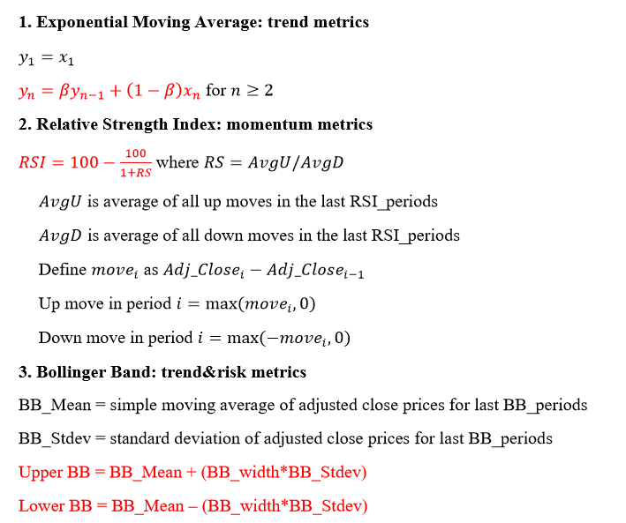

Dashboard
Part 1: Descriptive Statistic
Various measures of team performance are shown: current stock holding, current cash holding, total wealth,
a small table showing the summary of total transactions done during each week, classified based on transaction type, and
a small table that shows current team portfolio status, classified by amount the team invested in each stock.
Part 2: Team Performance
A stacked bar graph (stock, cash) shows total team asset over time.
Part 3: Stock Analytics
By choosing stock and metrics from the drop-down list, display the relevant data, and show the line graph.
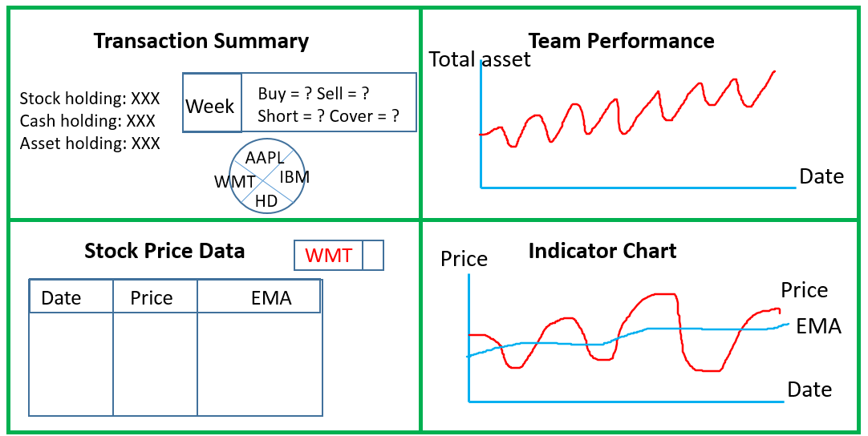

 | Sample Dashboard Design

Dashboard_Instruction
Dashboard Instructions (updated)
* The dashboard consists of four parts. Even though you are free in many aspects of dashboard designing,
there are some required features that you need to do.
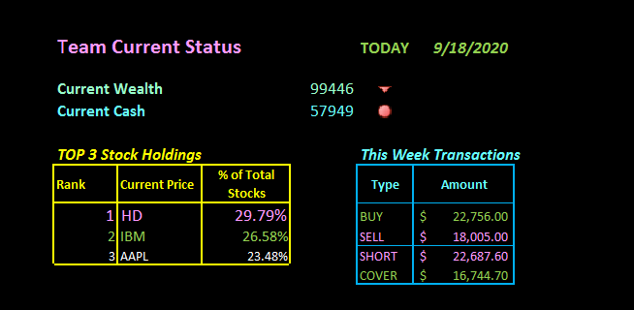
Part 1: Team Current Status
* In this part, you will describe summary statistics on team current status during the most recent week.

Required Features
1. Current cash with changes from the day before, and current wealth with changes from the day before
 | Hint: Use conditional formatting
2. Table or graph showing overview of the team portfolio, e.g. what stocks the team is focusing heavily on
 | Recommended: I have found that outlining top 3 holdings is the most eye-catching illustration, but you are not required to do so.
3. Table on the past week transaction summary, e.g. is the team focusing on buying stocks or selling stocks in the past week
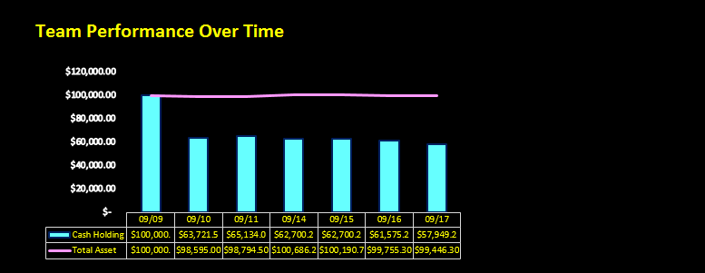
 | Recommended: I have found that outlining the amount of four transactions is the easiest way, but you are not required to do so.

Part 2: Team Performance over time
* In this part, you will show how the team portfolio composition changes over time.

Required Features
1. Use at least two attributes from total cash, total stocks, total debt and total wealth in order to show the team performance over time.
 | Recommended: I use total cash and total wealth here, but you can be creative about this.
2. Plot these attributes on the same graph, using custom chart type.

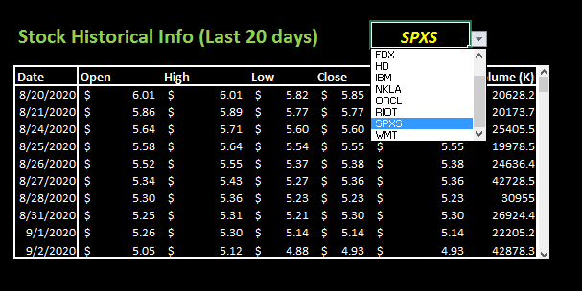
Part 3: Stock Historical Info (Top n days)
* In this part, you will show raw data on stocks, chosen by drop-down list and scroll form control.
Required Features
1. Construct a table that shows date, opening, high, low, closing and adjusted close price of the stock.
2. User must choose the stock to display from drop-down list.
3. For top-n days, n must be at least 15, and at most 20. Implement form control to scroll up-down.

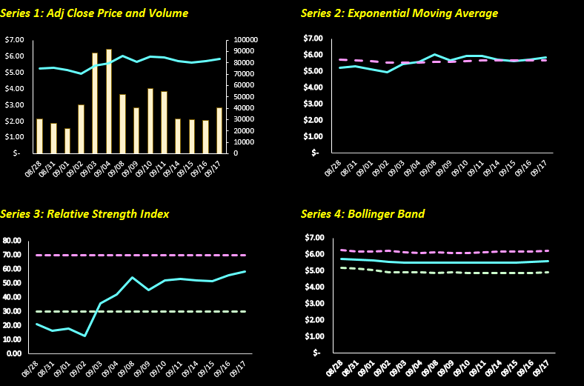
Part 4: Indicator Chart
* In this part, you will show 4 charts displaying investment metrics, where stocks are chosen based on drop-down list.
Required Features
1. There must be 4 charts displaying: price chart, EMA chart, RSI chart and BB chart.
2. Price chart must contain adjusted closing price, and one other attribute
3. EMA chart must contain EMA and adjusted closing price.
4. RSI chart must contain RSI.
5. BB chart must contain BB_mean, BB_up and BB_down.
6. The stock where these charts are displayed must be chosen by drop-down list implemented earlier.

Advice: When I experimented on doing dashboard, I put data behind the dashboard in another sheet. I think it is easier to work that way.

Dashboard
 | Team Current Status |  |  |  | TODAY | 2020-11-13 |  |  |  | Team Performance Over Time |  | 35
 | Cash |  | Wealth
09/10 | $63,691.13 | 10-Sep-20 | $98,555.13
09/11 | $65,025.29 | 11-Sep-20 | $98,652.29
09/14 | $62,120.23 | 14-Sep-20 | $99,646.73
09/15 | $62,120.23 | 15-Sep-20 | $99,160.23
09/16 | $60,942.06 | 16-Sep-20 | $98,649.92
09/17 | $57,331.31 | 17-Sep-20 | $98,535.01
09/18 | $62,706.56 | 18-Sep-20 | $97,791.56
09/21 | $62,706.56 | 21-Sep-20 | $97,070.16
09/22 | $37,098.76 | 22-Sep-20 | $96,714.26
09/23 | $43,231.16 | 23-Sep-20 | $95,405.16
09/24 | $43,226.16 | 24-Sep-20 | $95,881.56
09/25 | $43,226.16 | 25-Sep-20 | $96,139.36
09/28 | $48,905.06 | 28-Sep-20 | $96,495.80
09/29 | $48,905.06 | 29-Sep-20 | $97,425.30
09/30 | $48,905.06 | 30-Sep-20 | $95,621.80
10/01 | $48,905.06 | 1-Oct-20 | $92,680.55
10/02 | $48,905.06 | 2-Oct-20 | $92,461.80
10/05 | $48,905.06 | 5-Oct-20 | $93,580.80
10/06 | $48,905.06 | 6-Oct-20 | $93,108.30
10/07 | $33,339.18 | 7-Oct-20 | $93,069.65
10/08 | $33,339.18 | 8-Oct-20 | $94,269.65
10/09 | $31,784.13 | 9-Oct-20 | $93,629.63
10/12 | $30,418.26 | 12-Oct-20 | $94,225.27
10/13 | $19,414.26 | 13-Oct-20 | $94,266.68
10/14 | $19,414.26 | 14-Oct-20 | $94,059.70
10/15 | $19,414.26 | 15-Oct-20 | $94,065.59
10/16 | $19,414.26 | 16-Oct-20 | $94,317.19
10/19 | $19,414.26 | 19-Oct-20 | $94,683.77
10/20 | $22,113.26 | 20-Oct-20 | $93,437.07
10/21 | $5,632.53 | 21-Oct-20 | $91,992.36
10/22 | $5,632.53 | 22-Oct-20 | $91,347.52
10/23 | $10,520.53 | 23-Oct-20 | $92,818.93
10/26 | $10,520.53 | 26-Oct-20 | $91,459.08
10/27 | $10,520.53 | 27-Oct-20 | $89,927.09
10/28 | $10,520.53 | 28-Oct-20 | $88,394.15
10/29 | $48,119.54 | 29-Oct-20 | $88,262.79
10/30 | $48,119.54 | 30-Oct-20 | $88,145.58
11/02 | $48,119.54 | 2-Nov-20 | $88,145.58
11/03 | $47,299.02 | 3-Nov-20 | $89,551.54
11/04 | $47,255.84 | 4-Nov-20 | $89,643.51
11/05 | $7,783.74 | 5-Nov-20 | $91,214.95
11/06 | $- | 6-Nov-20 | $90,385.51
11/09 | $- | 9-Nov-20 | $89,560.19
11/10 | $- | 10-Nov-20 | $88,883.74
11/11 | $- | 11-Nov-20 | $90,745.96
11/12 | $- | 12-Nov-20 | $92,707.89
11/13 | $- | 13-Nov-20 | $92,645.56
 | Current Wealth |  |  |  | $92,646 | -62.33
 | Current Cash |  |  |  | $0 | 0
 |  |  | Number of Days Invested
 | TOP 3 Stock Holdings |  | 47 |  | Total Transactions
 | Rank | Stock | % of Total Stocks |  | Type | Amount
 | 1 | PLL | 29.27% |  | BUY | $302,524.80
 | 2 | SPXS | 20.36% |  | SELL | $202,351.78
 | 3 | LLNW | 16.44% |  | SHORT | $102,798.10
 |  |  |  |  | COVER | $107,672.20
 | * Number of days ranges from 1 to 47.

 | Volume | Adj Close
 | 3014.1 | $276.84
 | 3255.9 | $269.72
 | 2872.5 | $269.63
 | 3872.8 | $266.71
 | 2956.4 | $270.74
 | 3037.5 | $277.37
 | 3525.3 | $282.72
 | 2516.6 | $285.85
 | 2839.1 | $284.24
 | 7856.4 | $269.97
 | 4828.5 | $275.57
 | 2987.9 | $277.75
 | 3818.6 | $276.24
 | 3939.2 | $277.17
 | Price | EMA
10/27 | $276.84 | $281.67
10/28 | $269.72 | $280.48
10/29 | $269.63 | $279.39
10/30 | $266.71 | $278.12
11/02 | $270.74 | $277.38
11/03 | $277.37 | $277.38
11/04 | $282.72 | $277.92
11/05 | $285.85 | $278.71
11/06 | $284.24 | $279.26
11/09 | $269.97 | $278.33
11/10 | $275.57 | $278.06
11/11 | $277.75 | $278.03
11/12 | $276.24 | $277.85
11/13 | $277.17 | $277.78
 |  |  |  |  |  |  |  |  | Series 1: Adj Close Price and Volume |  | Series 2: Exponential Moving Average
 | Stock Historical Info (Last 20 days) |  |  |  |  | HD |  | 1

Index | Date | Open | High | Low | Close | Adj Close | Volume (K)
0 | 2020-10-19 | $289.76 | $290.11 | $283.91 | $284.96 | $284.96 | 1437.777
1 | 2020-10-20 | $285.14 | $289.79 | $284.13 | $286.04 | $286.04 | 2281.5
2 | 2020-10-21 | $285.39 | $288.02 | $283.28 | $284.51 | $284.51 | 2304.5
3 | 2020-10-22 | $283.93 | $285.68 | $280.65 | $281.16 | $281.16 | 2787
4 | 2020-10-23 | $282.38 | $283.19 | $279.55 | $283.00 | $283.00 | 1750.6
5 | 2020-10-26 | $279.64 | $281.53 | $272.00 | $276.04 | $276.04 | 2911.9
6 | 2020-10-27 | $276.99 | $279.73 | $276.12 | $276.84 | $276.84 | 3014.1
7 | 2020-10-28 | $270.25 | $273.67 | $268.69 | $269.72 | $269.72 | 3255.9
8 | 2020-10-29 | $269.69 | $273.70 | $267.31 | $269.63 | $269.63 | 2872.5
9 | 2020-10-30 | $269.82 | $269.62 | $262.03 | $266.71 | $266.71 | 3872.8
 |  |  |  |  |  |  |  |  | Series 3: Relative Strength Index |  | Series 4: Bollinger Band
 | RSI | RSI_UP | RSI_DOWN
10/27 | 39.97 | 70 | 30
10/28 | 28.89 | 70 | 30
10/29 | 25.87 | 70 | 30
10/30 | 21.69 | 70 | 30
11/02 | 22.95 | 70 | 30
11/03 | 37.73 | 70 | 30
11/04 | 44.59 | 70 | 30
11/05 | 48.10 | 70 | 30
11/06 | 49.22 | 70 | 30
11/09 | 36.53 | 70 | 30
11/10 | 42.98 | 70 | 30
11/11 | 47.27 | 70 | 30
11/12 | 44.57 | 70 | 30
11/13 | 51.01 | 70 | 30
 | BB_Mean | BB_Up | BB_Down
10/27 | $284.47 | $292.59 | $276.35
10/28 | $283.41 | $294.73 | $272.09
10/29 | $282.25 | $295.62 | $268.88
10/30 | $280.80 | $296.21 | $265.40
11/02 | $279.40 | $294.63 | $264.17
11/03 | $278.71 | $293.30 | $264.12
11/04 | $278.36 | $292.27 | $264.46
11/05 | $278.24 | $291.80 | $264.67
11/06 | $278.18 | $291.64 | $264.72
11/09 | $277.04 | $290.35 | $263.72
11/10 | $276.40 | $289.00 | $263.79
11/11 | $276.15 | $288.49 | $263.81
11/12 | $275.67 | $287.37 | $263.97
11/13 | $275.75 | $287.48 | $264.03

Format Control
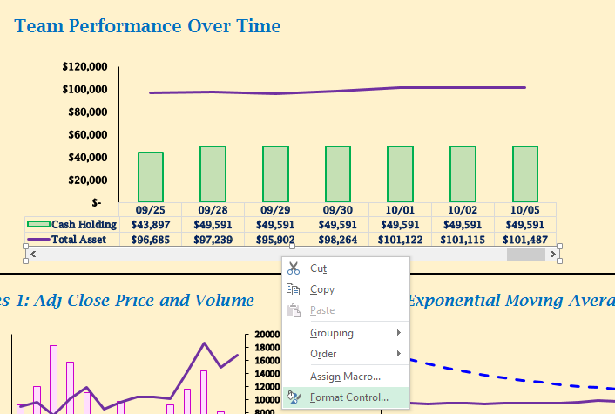
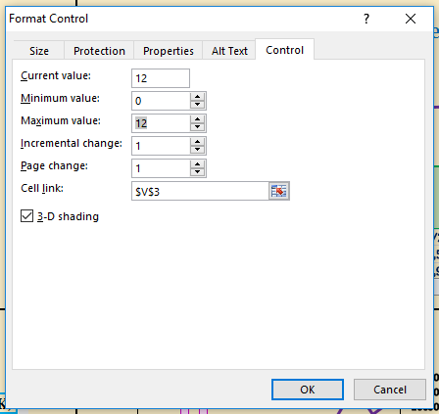
STEP 1 | Right-click and format control | STEP 2 | Change maximum value to be [# of rows in position table]-6
 |  |  | For example, as # of rows = 18 -> Maximum value = 18-6 = 12

