manage bike
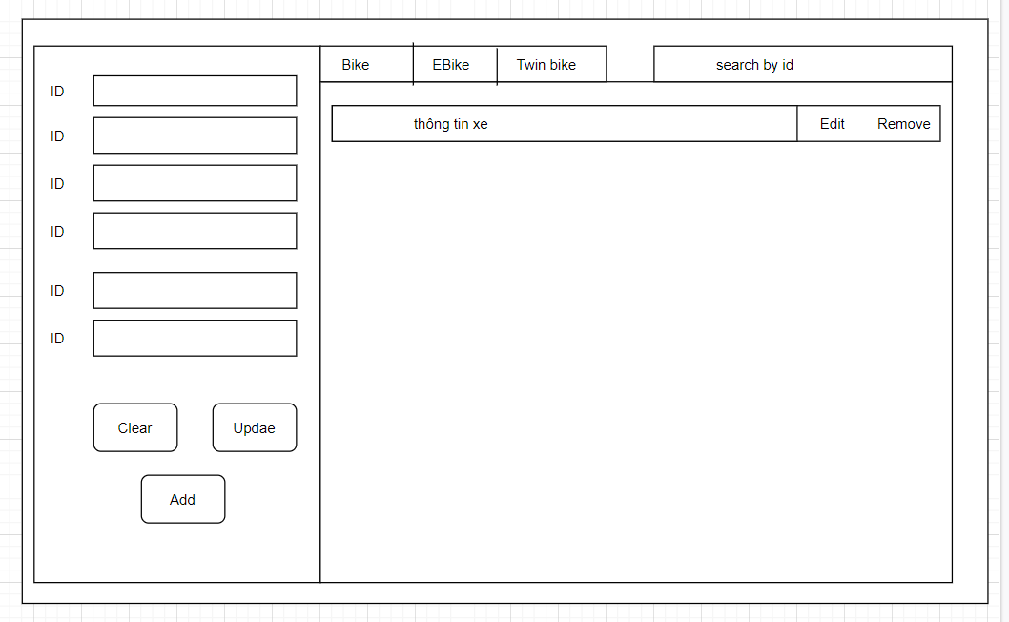
OMS |  | Date of creation | Approved by | Reviewed by | Persion in charge
Screen sprcification | Manage bike |  |  |  | Lại Tiến Đức
 |  | Control | Operation | Function
 |  | Area for input data | intial | input information of bike or fill information for edit bike
 |  | Area for display list of bike | initial | display list of bike
 |  | Area for search | initial | input string to search
 |  | Search button | click | search bike
 |  | Clear button | click | clear information in input field
 |  | Update button | click | update information of bike
 |  | Add button | click | add new bike

NOTE | Screen specification of Dock is similarly ones of Bike

admin screen
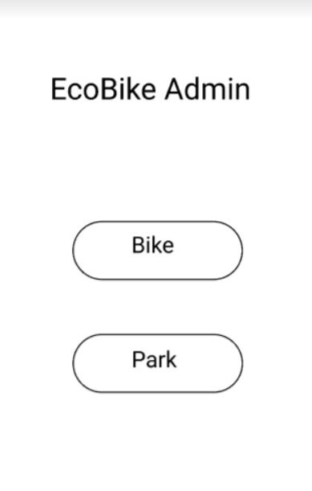
OMS |  | Date of creation | Approved by | Reviewed by | Persion in charge
Screen sprcification | Admin screen |  |  |  | Lại Tiến Đức
 |  | Control | Operation | Function
 |  | bike button | click | open manage bike window
 |  | park button | click | open manage park window

NOTE | Screen specification of Dock is similarly ones of Bike

user screen
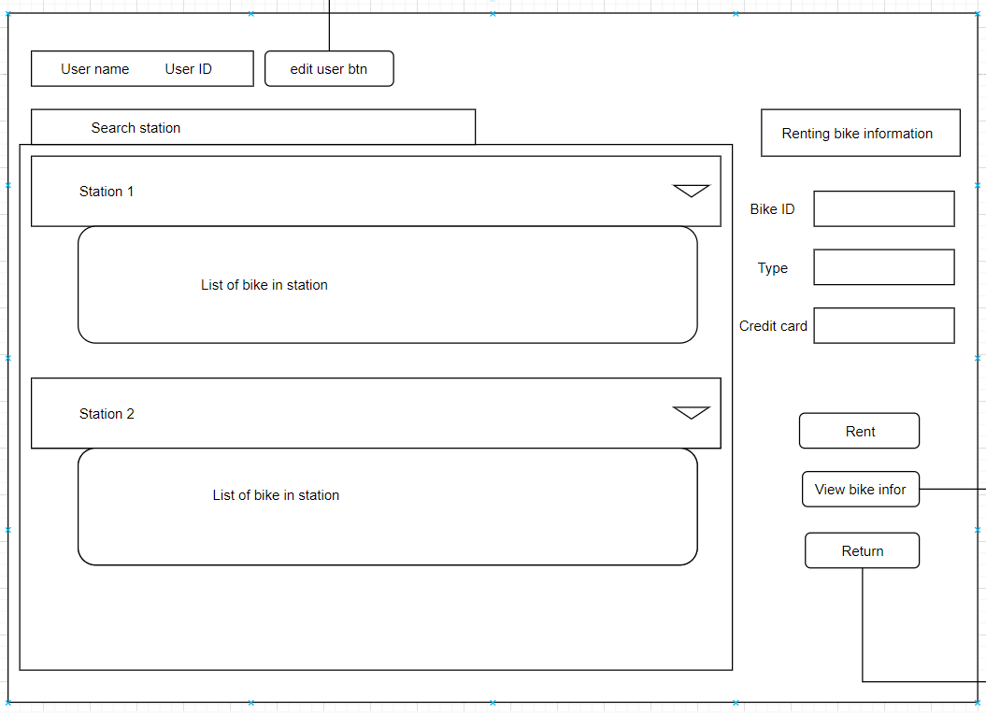
OMS |  | Date of creation | Approved by | Reviewed by | Persion in charge
Screen sprcification | User screen |  |  |  | Lại Tiến Đức
 |  | Control | Operation | Function
 |  | area for displaying user infor | initial | display name, id of current user
 |  | edit user button | click | open edit user window
 |  | area for searching station | initial | input text to find station
 |  | area for displaying station and bike in station | initial | display all station and bike in station
 |  | area for displaying renting bike information |  | display information of renting bike
 |  | rent button | click | rent bike
 |  | view bike infor button | click | view current renting bike
 |  | return button | click | return bike

return
OMS |  | Date of creation | Approved by | Reviewed by | Persion in charge
Screen sprcification | return screen |  |  |  | Lại Tiến Đức
 |  | Control | Operation | Function
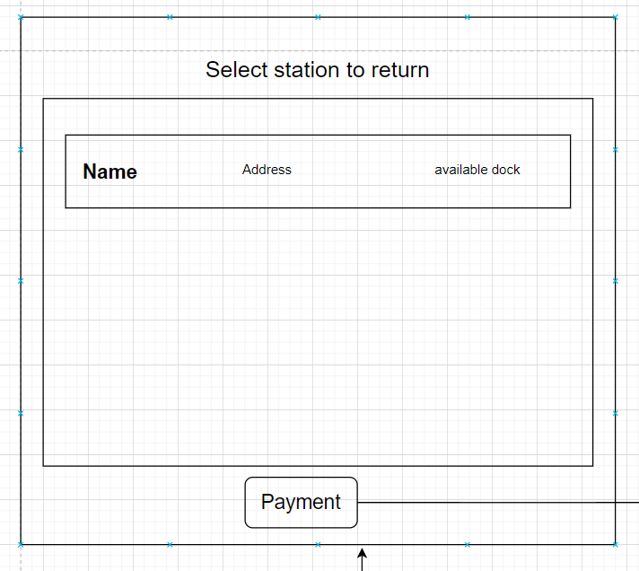
 |  | area for displaying station | initial | display all station
 |  | payment button | click | open payment screen

view renting bike
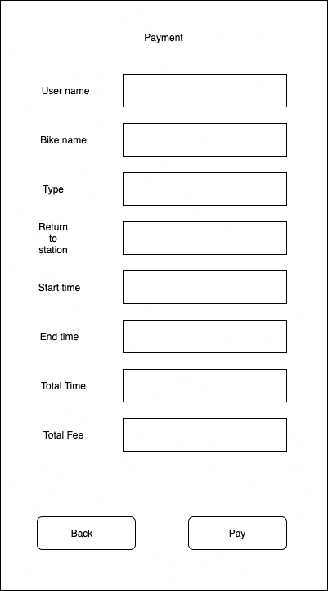
EcoBikeRental |  | Date of creation | Approved by | Reviewed by | Person in charge
Screen Specification | Payment screen |  |  |  | Trần Quý Dương
 |  | Control | Operation | Function
 |  | area for displaying information of current payment | initial | display payment information
 |  | close button | click | close screen
 |  | pay button | click | open prompt window: success for fail to proceed payment
 |  | back button | click | back to current rent bike pane

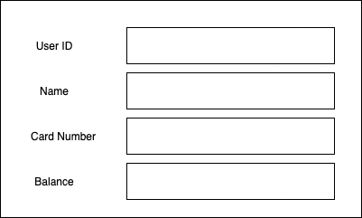
 |  | area for displaying transaction status | initial | display payment status

