magento
magento快捷格式化商品价格 | echo Mage::helper('core')->currency($product->getPrice());
格式化magento时间 | echo Mage::helper('core')->formatDate($timeLapseBegin, 'full',true); | Full Date | 最后一个参数是’false’或’true’，是否显示时分秒。
 | echo Mage::helper('core')->formatDate($timeLapseBegin, 'long',false); | Long Date
 | echo Mage::helper('core')->formatDate($timeLapseBegin, 'medium',true); | Medium Date
 | echo Mage::helper('core')->formatDate($timeLapseBegin, 'short',true); | Short Date
快捷获取magento LOGO | echo Mage::getDesign()->getSkinUrl( Mage::getStoreConfig('design/header/logo_src')) | 路径
 | echo Mage::getStoreConfig('design/header/logo_alt') | ALT
获取客户端IP | echo Mage::helper('core/http')->getRemoteAddr(); | // 返回Ip地址的字符串格式：127.0.0.1
 | echo Mage::helper('core/http')->getRemoteAddr(true); | // 返回Ip地址的数值格式：2130706433
获取网站基本信息 | echo Mage::app()->getStore()->getId(); | Echo Store ID
 | echo Mage::app()->getStore()->getName(); | Echo Store View Name
 | echo Mage::app()->getStore()->getGroup()->getName(); | Echo Store Group Name
 | echo Mage::app()->getWebsite()->getName(); | Echo Website Name
批量更新价格 | $product = Mage::getModel('catalog/product') ->load($productId);//$productId 产品id $product->setPrice($product->getPrice()*0.05); $product->save();
购物车所有的产品信息 | $items = Mage::getModel('checkout/cart')->getQuote()->getAllItems();
 | $items = Mage::getSingleton('checkout/session')->getQuote()->getAllItems();
 | $totalItems = Mage::getModel('checkout/cart')->getQuote()->getItemsCount();
 | $totalQuantity = Mage::getModel('checkout/cart')->getQuote()->getItemsQty();
 | $subTotal = Mage::getModel('checkout/cart')->getQuote()->getSubtotal();
 | $grandTotal = Mage::getModel('checkout/cart')->getQuote()->getGrandTotal();
生成链接 | echo $this->getUrl('customer/account/create');
获取session | $session = Mage::getSingleton('customer/session');
 | Mage::getSingleton('core/cookie')->set('name','value');
 | Mage::getSingleton('core/session')->set('name','value');
 | Mage::getSingleton('core/cookie')->get('name');
 | Mage::getSingleton('core/session')->get('name');
Request对象 | Mage::app()->getRequest();
获取分类地址 | Mage::getModel('catalog/category')->load(17)->getUrl();
获取栏目图片 | Mage::getModel('catalog/category')->load($category->getId())->getImageUrl();
产品缩略图 | Mage::helper('catalog/image')->init($product, 'thumbnail')->resize(50, 50)->setWatermarkSize('30x10');
当前路径 | $currentUrl = $this->helper('core/url')->getCurrentUrl();
输出图片 | echo $this->getSkinUrl('images/ddbtn.gif');
输出js | echo $this->getJsUrl('varien/accordion.js')
获取控制器/模型/方法 | $this->getRequest()->getModuleName();
 | $this->getRequest()->getActionName();
 | $this->getRequest()->getControllerName();
读取static block | echo $this->getLayout()->createBlock('cms/block')->setBlockId('wap_top_ad')->toHtml();
在其他模板调用PHTML | echo $this->getLayout()->createBlock('core/template')->setTemplate('catalog/product/small.phtml')->setName('Bill Gates')->toHtml() ;
调用系统block | $txt=Magento\Block::getSysBlock('isfeatured/isfeatured')->setTemplate('catalog/product/ajax_product.phtml')->setparam(['category_id' => $id,'count' => 8])->toHtml();
获取当前货币：USD | echo $currency_code = Mage::app()->getStore()->getCurrentCurrencyCode();
获取当地货币符号 | echo Mage::app()->getLocale()->currency(Mage::app()->getStore()->getCurrentCurrencyCode())->getSymbol();
获取路由 | $route = Magento\Helper::getRouteAction();
判断是否为首页 | Mage::getSingleton('cms/page')->getIdentifier() == 'home' && Mage::app()->getFrontController()->getRequest()->getRouteName() == 'cms'
根据简单产品获取配置产品 | $productId=$_item->getProductId(); $parentIds = Mage::getResourceSingleton('catalog/product_type_configurable')->getParentIdsByChild($productId); if(isset($parentIds[0])) { $product=Mage::getModel('catalog/product')->load($parentIds[0])->getData(); $pUrlPath = Mage::getUrl($product['url_path']); }
catalog_product_super_link | 用于记录 可配置商品（Configurable）和简单商品 （Simple）产品之间的关系；
catalog_product_relation | 其实是Magento Layer 生成索引时，通过SQL生成的索引表，它会执行这样一条sql 语句： replace into catalog_product_relation (parent_id,child_id) select parent_id,product_id from catalog_product_super_link 这个表还包含 组产品（Grouped） 和 捆绑产品 （bundle products）的关系
获取当前点击分类的id | $currentCat = Mage::registry('current_category'); echo $currentCat->getId();
使用自定义缓存 | $recomment = \Lib\Cache::get('category_left_mylike', false); if(empty($recomment)) { $recomment = Magento\Block::getSysBlock('isfeatured/isfeatured')->setTemplate('isfeatured/leftmaylike.phtml')->toHtml(); \Lib\Cache::set('category_left_mylike',$recomment,false); } echo $recomment;
获取当前路径 | <?php $route = Magento\Helper::getRouteAction(); if($route == 'cms/index/index' ):?><?php endif;?>
获取当前产品的销量值(需要定时任务，使用简单产品) | <?php $sku = nl2br($_product->getSku()); $product = Mage::getResourceModel('reports/product_collection') ->addOrderedQty() ->addAttributeToFilter('sku', $sku) ->setOrder('ordered_qty', 'desc') ->getFirstItem(); echo (int)$product->ordered_qty； ?>
获取所有配置产品 | $products= \Mage::getModel('catalog/category') ->getProductCollection() ->addAttributeToSelect('*') ->addAttributeToFilter('status', 1) ->addAttributeToFilter('visibility', 4) ->addAttributeToFilter('type_id','configurable') ->setOrder('entity_id', 'DESC')
引入PayPal图标 | <?php echo Magento\Block::getSysBlock('paypal/express_shortcut')->setTemplate('paypal/express/shortcut.phtml')->toHtml();?>
取得当前产品 | <?php $product = Mage::registry('product'); ?>
获取页面的title | <?php $title = $this->getLayout()->getBlock('head')->getTitle(); ?>
获取page的title | <?php echo Mage::getSingleton('cms/page')->getTitle();?>
 | {{block type='core/template' area='frontend' template='email/order/shipment/track.phtml' shipment=$shipment order=$order}}
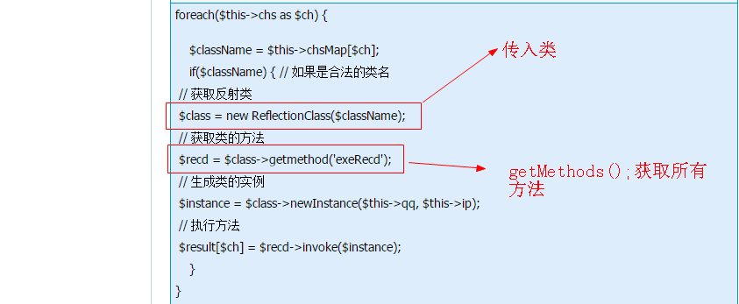

获取active block | <?php echo Magento\Block::get_block('pc_home_slide');?>

