Section C3 & C4
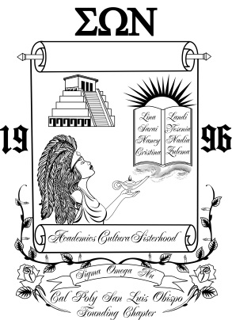 | CHAPTER STANDARDS

 | SIGMA OMEGA NU
 | LATINA INTEREST SORORITY, INC.

Section C3 & C4 - Community Service

Chapter: |  | Term:

Signature, Community Service
Identifier: |  | * = Most Community Service Recognition
Name:
 | Date | Event | Description | Hours | Total

Name:
 | Date | Event | Description | Hours | Total

Name:
 | Date | Event | Description | Hours | Total

Name:
 | Date | Event | Description | Hours | Total

Name:
 | Date | Event | Description | Hours | Total

Name:
 | Date | Event | Description | Hours | Total

Name:
 | Date | Event | Description | Hours | Total

Name:
 | Date | Event | Description | Hours | Total

Name:
 | Date | Event | Description | Hours | Total

Name:
 | Date | Event | Description | Hours | Total

