Model- New Venture Capital
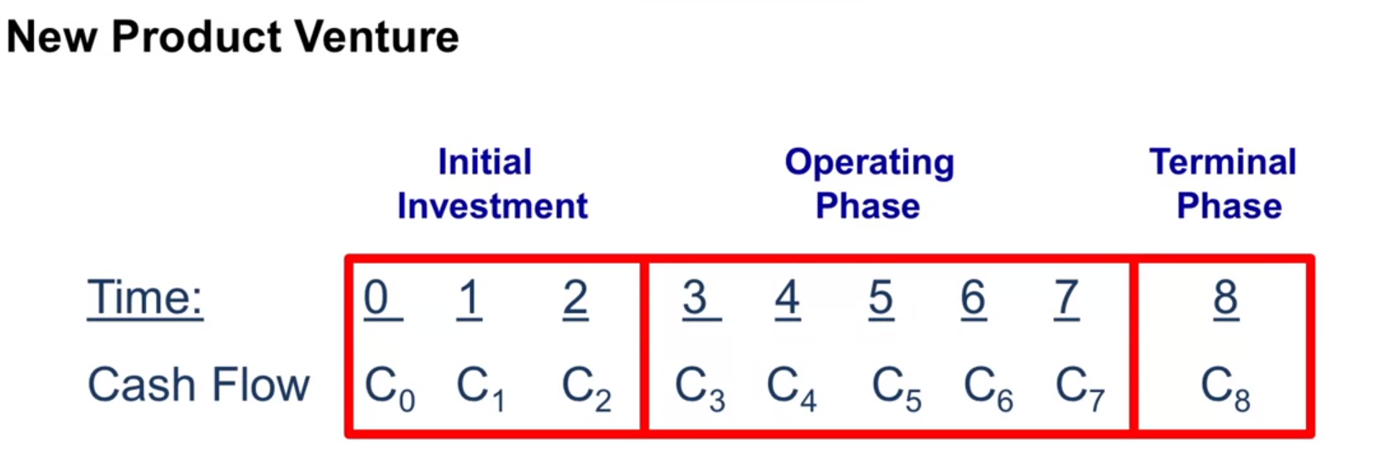

ASSUMPTIONS
Discount Rate | 6.00%
Tax Rate | 40.00%

Investment/Start Up Phase(Years 1 and 2)
Initial Investment in PPE (paid in cash) | $70,000.00
Residual Value for Depreciation Purposes | $-
Useful Life in Years | 7

R&D per year during Startup Phase (in cash and expensed) | $20,000.00

Initial Sales Volume (in Units) - Start in Year 3 | 2000
Sales Growth Rate per year | 0.00%

Sales Price Per Unit | $100.00
Product Gross Margin Pct | 55.00%
Inflation Rate for Sales and COGS | 0.00%

SG&A - Fixed Costs per year (not subject to Inflation) - Start in Year 1 | $25,000.00
SG&A - Variable Costs per year (not subject to Inflation) - Start in Year 3 because there is no sales until then | $15.00

Working Capital Timing Issues
Collections
In Year of Sales | 90.00%
Following year | 10.00%

Desired Units of Inventory as a percent of that year's sales | 10.00%

Payments on Purchases made this year
Percent Paid this year | 95.00%
Percent Paid next year | 5.00%
Payments to the Employee for compensation and Benefits earned this year
Percent Paid this year | 70.00%
Percent Paid next year | 30.00%

Terminations / Shut Down Phase -- year -8
Proceeds from Disposal of PPE | $5,000.00
Other Disposal or Cleanup Cost | $2,000.00
Markup Over Cost for Sale of Ending Inventory | 0.00%
Fixed SG&A Costs During this Phase | $-
Variable SG&A Costs During this Phase | $-
 |  |  | 1 | 2 | 3 | 4 | 5 | 6 | 7
Tax Depreciation Percentage |  |  | 29% | 20% | 15% | 10% | 8% | 6% | 5%

Intermediate Calculations
 |  |  | 1 | 2 | 3 | 4 | 5 | 6 | 7 | 8
Book Depreciation Per year |  |  | $10,000.00 | $10,000.00 | $10,000.00 | $10,000.00 | $10,000.00 | $10,000.00 | $10,000.00 | $0
Tax Depreciation per year |  |  | $20,300.00 | $14,000.00 | $10,500.00 | $7,000.00 | $5,600.00 | $4,200.00 | $3,500.00 | $0

Sales Volume (Growth Built in) |  |  | 0 | 0 | 2000 | 2000 | 2000 | 2000 | 2000 | 200
Sale Price (Inflation Built in) |  |  |  |  | $100 | $100 | $100 | $100 | $100
Sales Revenue |  |  | $0 | $0 | $200,000 | $200,000 | $200,000 | $200,000 | $200,000 | $9,000

Desired Inventory in Units @ End of Year |  |  | 0 | 0 | 200 | 200 | 200 | 200 | 200 | 0
Inventory in Units @ Beg of Year |  |  | 0 | 0 | 0 | 200 | 200 | 200 | 200 | 200
Forecasted Sales in Units |  |  | 0 | 0 | 2000 | 2000 | 2000 | 2000 | 2000 | 200
Production in Units |  |  | 0 | 0 | 2200 | 2000 | 2000 | 2000 | 2000 | 0

Production Costs Per Unit (inflation built in) |  |  | $0 | $0 | $45 | $45 | $45 | $45 | $45 | $0

Inventory in Dollars @ Beg of Year |  |  | $0 | $0 | $0 | $9,000 | $9,000 | $9,000 | $9,000 | $9,000
Production Costs This year |  |  | $0 | $0 | $99,000 | $90,000 | $90,000 | $90,000 | $90,000 | $0
Cost of Goods Sold (LIFO) |  |  | $0 | $0 | $90,000 | $90,000 | $90,000 | $90,000 | $90,000 | $9,000
Inventory in Dollars @ End of Year (LIFO) |  |  | $0 | $0 | $9,000 | $9,000 | $9,000 | $9,000 | $9,000 | $0

Income Statement
 |  |  | 1 | 2 | 3 | 4 | 5 | 6 | 7 | 8
Sales Revenue |  |  | $0 | $0 | $200,000 | $200,000 | $200,000 | $200,000 | $200,000 | $9,000
Cost of Good Sold |  |  | $0 | $0 | $90,000 | $90,000 | $90,000 | $90,000 | $90,000 | $9,000
Gross Margin |  |  | $0 | $0 | $110,000 | $110,000 | $110,000 | $110,000 | $110,000 | $0
Depriciation Expense |  |  | $10,000 | $10,000 | $10,000 | $10,000 | $10,000 | $10,000 | $10,000 | $0
Research & Development |  |  | $20,000 | $20,000 | $0 | $0 | $0 | $0 | $0 | $0
SG&A |  |  | $25,000 | $25,000 | $55,000 | $55,000 | $55,000 | $55,000 | $55,000 | $0
Other Losses (Gains) |  |  | $0 | $0 | $0 | $0 | $0 | $0 | $0 | ($3,000)
Pre Tax Income (Loss) |  |  | ($55,000) | ($55,000) | $45,000 | $45,000 | $45,000 | $45,000 | $45,000 | $3,000
Tax Expense (Benefit) |  |  | ($26,120) | ($23,600) | $17,800 | $19,200 | $19,760 | $20,320 | $20,600 | $1,200
Net Income (Loss) |  |  | ($28,880) | ($31,400) | $27,200 | $25,800 | $25,240 | $24,680 | $24,400 | $1,800

Balance Sheet

Assets |  | 0 | 1 | 2 | 3 | 4 | 5 | 6 | 7 | 8
Current Assets
Cash |  | ($70,000) | ($81,380) | ($102,780) | ($80,630) | ($45,280) | ($10,040) | $24,640 | $59,040 | $68,840
Account Receivable |  | $0 | $0 | $0 | $20,000 | $20,000 | $20,000 | $20,000 | $20,000 | $0
Inventory |  | $0 | $0 | $0 | $9,000 | $9,000 | $9,000 | $9,000 | $9,000 | $0
Total Current Assets |  | ($70,000) | ($81,380) | ($102,780) | ($51,630) | ($16,280) | $18,960 | $53,640 | $88,040 | $68,840
Property Plant and Equipment |  | $70,000 | $70,000 | $70,000 | $70,000 | $70,000 | $70,000 | $70,000 | $70,000 | $0
Less Accumulated Depreciation |  | $0 | $10,000 | $20,000 | $30,000 | $40,000 | $50,000 | $60,000 | $70,000 | $0
Long Term Assets |  | $70,000 | $60,000 | $50,000 | $40,000 | $30,000 | $20,000 | $10,000 | $0 | $0
Total Assets |  | $0 | ($21,380) | ($52,780) | ($11,630) | $13,720 | $38,960 | $63,640 | $88,040 | $68,840

c
Liabilities
Current Liabilities
Accounts Payable |  | $0 | $0 | $0 | $4,950 | $4,500 | $4,500 | $4,500 | $4,500 | $0
Wages and Benefits Payable |  | $0 | $7,500 | $7,500 | $16,500 | $16,500 | $16,500 | $16,500 | $16,500 | $0
Other Liabilties |  | $0 | $0 | $0 | $0 | $0 | $0 | $0 | $0 | $0
Total Liabilites |  | $0 | $7,500 | $7,500 | $21,450 | $21,000 | $21,000 | $21,000 | $21,000 | $0

Owners Equity
Contributed Capital |  | $0 | $0 | $0 | $0 | $0 | $0 | $0 | $0 | $0
Retained Earnings |  | $0 | ($28,880) | ($60,280) | ($33,080) | ($7,280) | $17,960 | $42,640 | $67,040 | $68,840
Total Owners Equity |  | $0 | ($28,880) | ($60,280) | ($33,080) | ($7,280) | $17,960 | $42,640 | $67,040 | $68,840

Total Liabilties and Owners Equity |  | $0 | ($21,380) | ($52,780) | ($11,630) | $13,720 | $38,960 | $63,640 | $88,040 | $68,840

c
c
CASH FLOW STATEMENT |  | 0 | 1 | 2 | 3 | 4 | 5 | 6 | 7 | 8
Net Income |  |  | ($28,880) | ($31,400) | $27,200 | $25,800 | $25,240 | $24,680 | $24,400 | $1,800
Add Depreciation |  |  | $10,000 | $10,000 | $10,000 | $10,000 | $10,000 | $10,000 | $10,000 | $0
Minus Change in Acc Receivable |  |  | $0 | $0 | ($20,000) | $0 | $0 | $0 | $0 | $20,000
Minus Change in Inventory |  |  | $0 | $0 | ($9,000) | $0 | $0 | $0 | $0 | $9,000
Plus Change in Acc payable |  |  | $0 | $0 | $4,950 | ($450) | $0 | $0 | $0 | ($4,500)
Plus Change in Wages payable |  |  | $7,500 | $0 | $9,000 | $0 | $0 | $0 | $0 | ($16,500)
Others |  |  | $0 | $0 | $0 | $0 | $0 | $0 | $0 | ($5,000)
Cash From Operation |  |  | ($11,380) | ($21,400) | $22,150 | $35,350 | $35,240 | $34,680 | $34,400 | $4,800

c
c
Investment in PPE |  | ($70,000) | $0 | $0 | $0 | $0 | $0 | $0 | $0 | $0
Disposal of PPE |  | $0 | $0 | $0 | $0 | $0 | $0 | $0 | $0 | $5,000
c
Net Cash Inflow (Outflow) |  | ($70,000) | ($11,380) | ($21,400) | $22,150 | $35,350 | $35,240 | $34,680 | $34,400 | $9,800

NPV of Future Cashflows | $96,624.32 |  |  |  |  |  |  |  |  | 381299.41181 | 573333.33333
NPV Including Initial Investment | $26,624.32 |  |  | NPV | $20,476 |  |  |  |  | 585915.3171 | 881000

Internal Rate of Return | 11.52%

Income for Tax Purposes |  |  | 1 | 2 | 3 | 4 | 5 | 6 | 7 | 8
Sales Revenue |  |  | $0 | $0 | $200,000 | $200,000 | $200,000 | $200,000 | $200,000 | $9,000
Cost of Goods Sold |  |  | $0 | $0 | $90,000 | $90,000 | $90,000 | $90,000 | $90,000 | $9,000
Gross Margin |  |  | $0 | $0 | $110,000 | $110,000 | $110,000 | $110,000 | $110,000 | $0
Depreciation Expense |  |  | $20,300 | $14,000 | $10,500 | $7,000 | $5,600 | $4,200 | $3,500 | $0
Research & Development |  |  | $20,000 | $20,000 | $0 | $0 | $0 | $0 | $0 | $0
SG&A |  |  | $25,000 | $25,000 | $55,000 | $55,000 | $55,000 | $55,000 | $55,000 | $0
Other Losses (Gains) |  |  | $0 | $0 | $0 | $0 | $0 | $0 | $0 | ($3,000)
Pre-tax Income (Loss( |  |  | ($65,300) | ($59,000) | $44,500 | $48,000 | $49,400 | $50,800 | $51,500 | $3,000
Tax Expense (Benefit) |  |  | ($26,120) | ($23,600) | $17,800 | $19,200 | $19,760 | $20,320 | $20,600 | $1,200

Scenarios
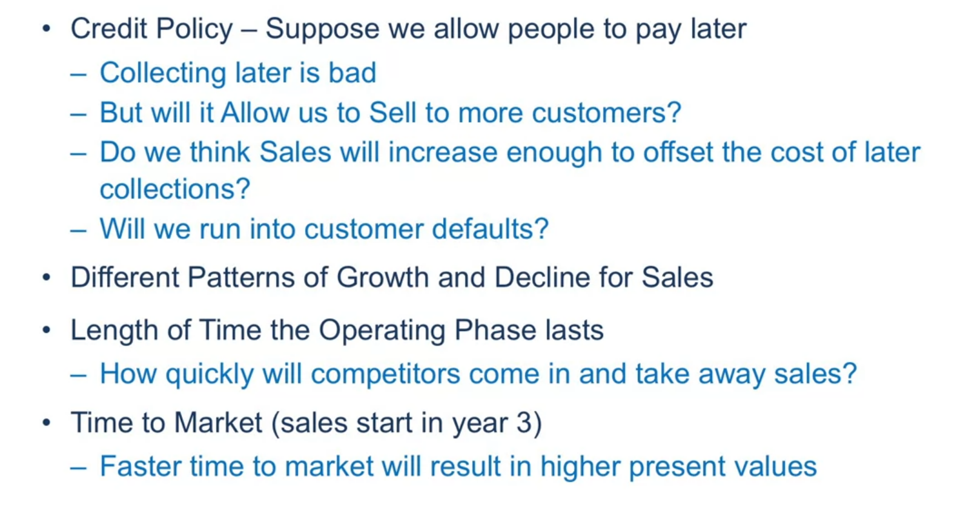
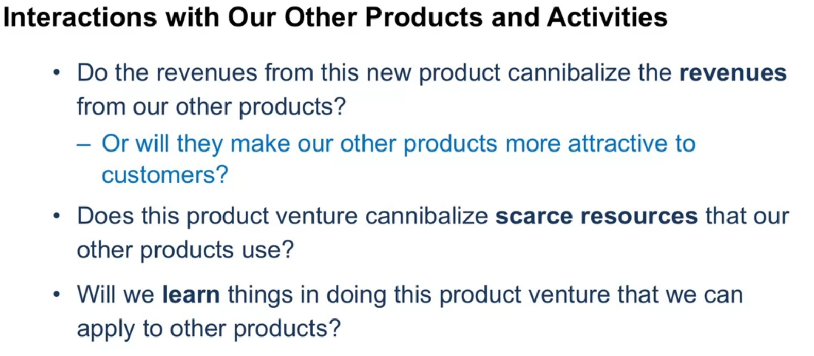
Scenario 1
Sales Volume in units per year | NPV | IRR
2400 (20% Higher) | $61,961.05 | 17.69%
2000 (Original Forecast) | $26,624.32 | 11.52%
1600 (20% lower) | ($8,712.41) | 3.96%

For What value of Sales volume does NPV = 0
Sales Volume in units per year | NPV | IRR
2000 (Original Forecast) | $26,624.32 | 11.52%
1698 (Breakeven Volume) | $0.00 | 6.00%

Scenario 2
 | Profit Margin Percentage | NPV | IRR
 | 65% | $71,819.64 | 19.55%
Original | 55% | $26,624.32 | 11.52%
 | 45% | ($18,571.00) | 1.67%
Breakeven | 49.11% | $0.00 | 6%

Scenarios 3
 | Growths in Sales Volume Per year | NPV | IRR
Original | 0% | $26,624.32 | 11.52%
New | 25% | $132,624.20 | 25.06%

Scenarios 4
 | Inflation Rate per year | NPV | IRR
original | 0% | $26,624.32 | 11.52%
1 | 10% | $77,298.11 | 19.15%
2 | 50% | $398,226.84 | 42.53%

Other Scenarios

