FoT
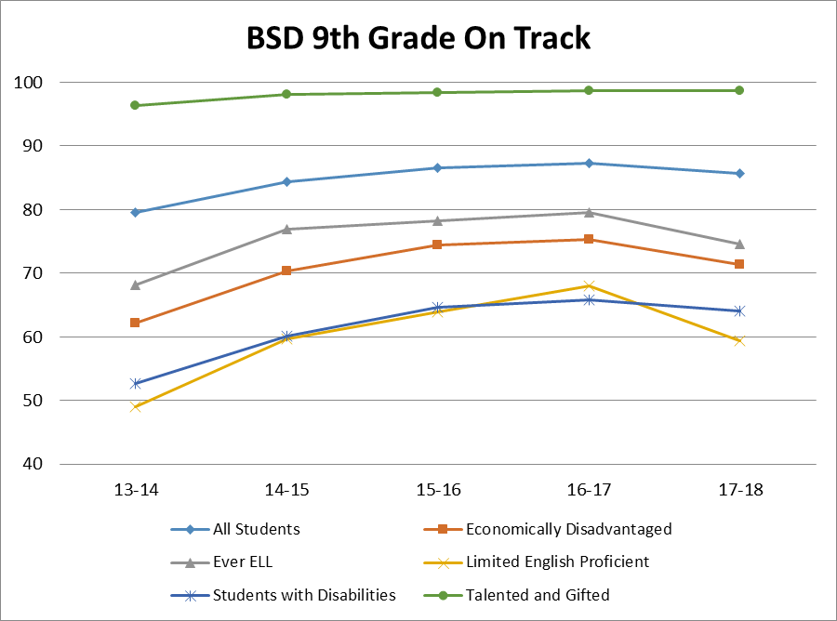
9th Graders in: | 13-14 | 14-15 | 15-16 | 16-17 | 17-18
State | 78.5 | 79.9 | 83.5 | 83.4 | 84.5
Beaverton School District | 79.5 | 84.4 | 86.6 | 87.3 | 85.6
Aloha High School | 71.5 | 73.2 | 82.9 | 78.9 | 78.0
Arts & Communication High School | 79.6 | 81.9 | 93.3 | 92.0 | 94.8
Beaverton High School | 78.7 | 80.6 | 85.3 | 83.2 | 75.7
Community School | 33.3 | 25.0 | 53.8 | 76.5 | *
Health & Science School | 65.7 | 68.8 | 59.3 | 82.1 | 84.9
ISB High | >95 | >95 | >95 | >95 | >95
Mountainside High School | * | * | * | * | 94.4
School of Science & Technology | 70.8 | 93.0 | 82.0 | 85.2 | 87.0
Southridge High School | 83.0 | 89.1 | 86.6 | 91.4 | 80.1
Sunset High School | 84.8 | 92.3 | 92.5 | 93.8 | 94.6
Westview High School | 83.4 | 91.7 | 88.7 | 89.9 | 85.1

9th Graders Entering in: | 13-14 | 14-15 | 15-16 | 16-17 | 17-18
All Students | 79.5 | 84.4 | 86.6 | 87.3 | 85.6
Economically Disadvantaged | 62.1 | 70.4 | 74.5 | 75.3 | 71.3
Ever ELL | 68.1 | 76.9 | 78.2 | 79.5 | 74.6
Limited English Proficient | 49.0 | 59.7 | 63.9 | 68.0 | 59.4
Students with Disabilities | 52.7 | 60.1 | 64.6 | 65.8 | 64.0
Asian | >95 | >95 | >95 | >95 | >95
Pacific Islander | 63.6 | 79.3 | 75.0 | 58.1 | 66.7
Black | 71.1 | 76.3 | 77.8 | 81.4 | 73.5
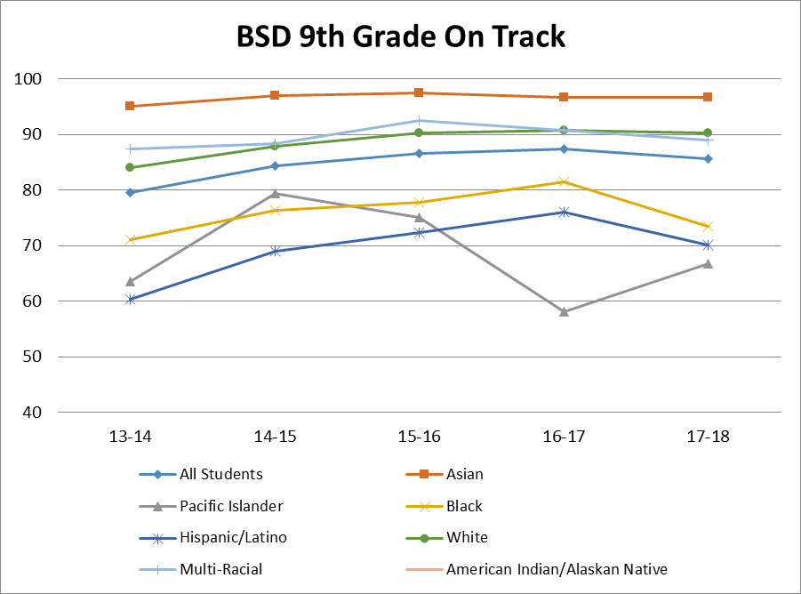
Hispanic/Latino | 60.3 | 69.0 | 72.3 | 76.0 | 70.1
American Indian/Alaskan Native | * | * | * | * | *
White | 84.0 | 87.8 | 90.3 | 90.8 | 90.2
Multi-Racial | 87.4 | 88.4 | 92.5 | 90.7 | 89.0
Talented and Gifted | >95 | >95 | >95 | >95 | >95
Male | 75.7 | 81.5 | 84.1 | 85.4 | 83.3
Female | 83.8 | 87.4 | 89.2 | 89.2 | 88.0

graphs
BSD 9th Grade On Track
9th Graders Entering in: | 13-14 | 14-15 | 15-16 | 16-17 | 17-18
All Students | 79.5 | 84.4 | 86.6 | 87.3 | 85.6
Economically Disadvantaged | 62.1 | 70.4 | 74.5 | 75.3 | 71.3
Ever ELL | 68.1 | 76.9 | 78.2 | 79.5 | 74.6
Limited English Proficient | 49.0 | 59.7 | 63.9 | 68.0 | 59.4
Students with Disabilities | 52.7 | 60.1 | 64.6 | 65.8 | 64.0
Asian | 95.1 | 96.9 | 97.4 | 96.6 | 96.6
Pacific Islander | 63.6 | 79.3 | 75.0 | 58.1 | 66.7
Black | 71.1 | 76.3 | 77.8 | 81.4 | 73.5
Hispanic/Latino | 60.3 | 69.0 | 72.3 | 76.0 | 70.1
American Indian/Alaskan Native | * | * | * | * | *
White | 84.0 | 87.8 | 90.3 | 90.8 | 90.2
Multi-Racial | 87.4 | 88.4 | 92.5 | 90.7 | 89.0
Talented and Gifted | 96.3 | 98.1 | 98.4 | 98.7 | 98.7
Male | 75.7 | 81.5 | 84.1 | 85.4 | 83.3
Female | 83.8 | 87.4 | 89.2 | 89.2 | 88.0

BSD 9th Grade On Track

