Hourly Demand
Hourly Electricity Demand
Hour | Average Consumption
0 | 4.123346
1 | 4.1379086667
2 | 4.147455
3 | 4.1366866667
4 | 4.1524393333
5 | 4.1573536667
6 | 5.34601
7 | 5.3346666667
8 | 5.9120153333
9 | 5.8971566667
10 | 4.7228993333
11 | 4.75184
12 | 4.7887346667
13 | 4.7941603333
14 | 4.8296646667
15 | 4.8321766667
16 | 4.81035
17 | 6.7591393333
18 | 6.7071133333
19 | 6.175452
20 | 6.155804
21 | 6.139364
22 | 4.1510616667
23 | 4.164418

Segments
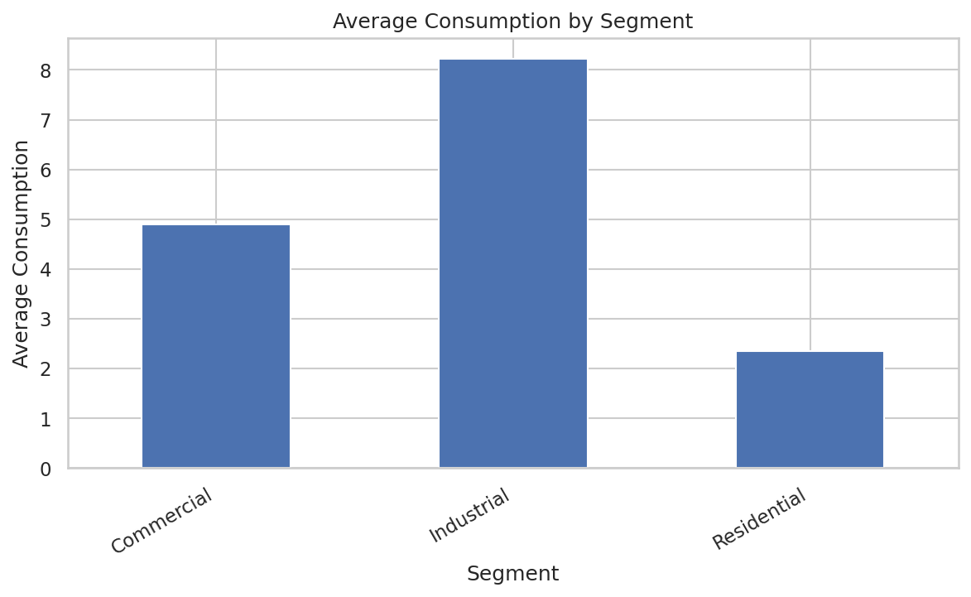
Segment | Average Consumption
Commercial | 4.8993796875
Industrial | 8.2242087674
Residential | 2.3539417438

Weekend Analysis
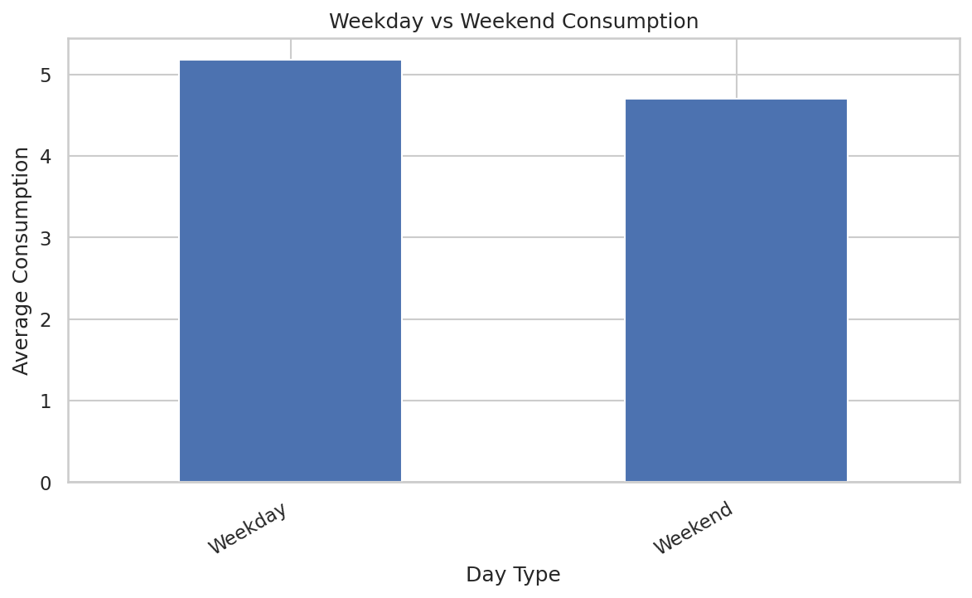
Day Type | Average Consumption
Weekday | 5.1823928488
Weekend | 4.7044204412

Area Variability
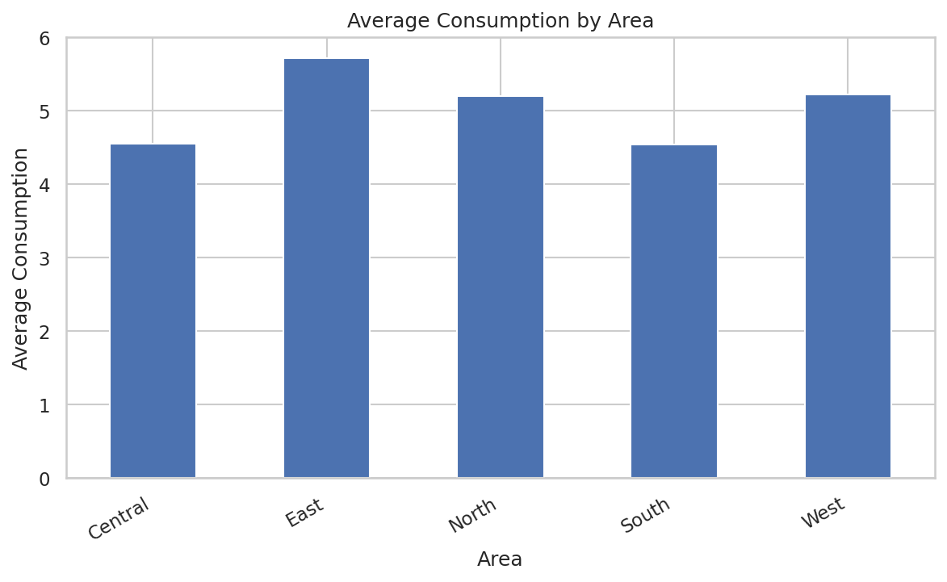
Area | Average Consumption | Std Deviation
Central | 4.5522876389 | 2.415138032
East | 5.7148444444 | 2.4892547361
North | 5.2026576389 | 2.8290438235
South | 4.5447506944 | 2.4088250582
West | 5.22029625 | 2.8267978867

Tariff Analysis
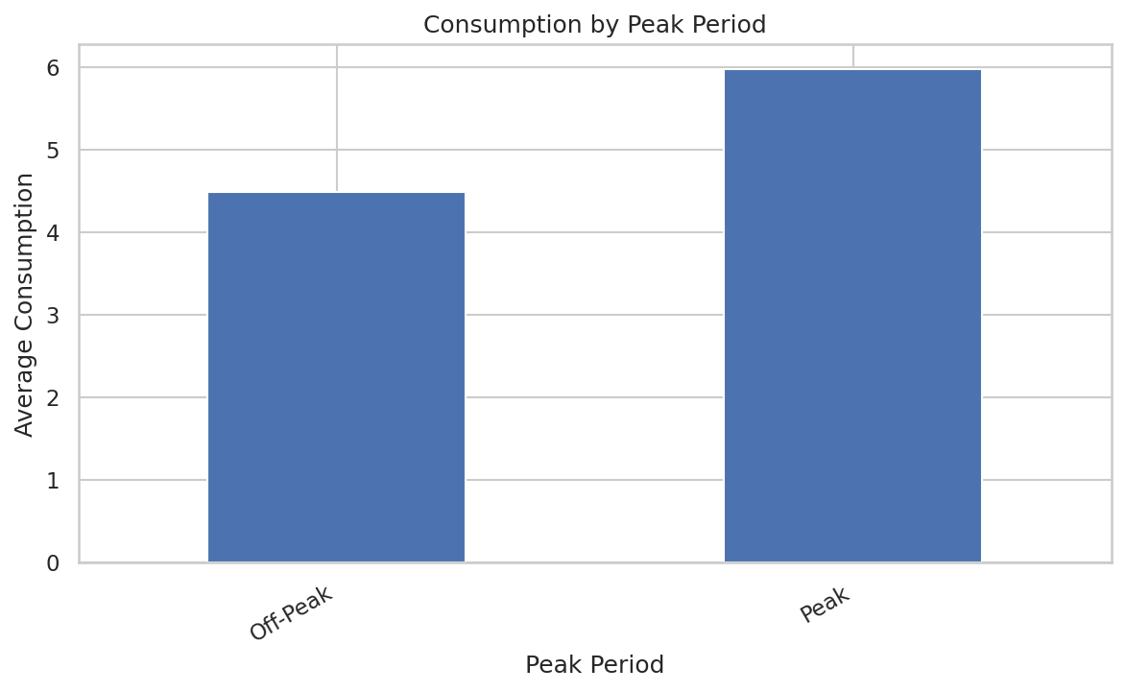
Tariff Period | Average Consumption
Off-Peak | 4.4882403556
Peak | 5.978178963

