Month Sales Trend
Monthly Sales Trend

Row Labels | Sum of UnitsSold
1 | 86536
2 | 88164
3 | 86964
4 | 89581
5 | 88742
6 | 83700
Grand Total | 523687

Dashboard
Dashboard

Pivot Tables |  |  |  | KPI Cards | Pivot Table

 | Inventory_By_Category
 |  |  |  |  |  | months | Sum of UnitsSold
 |  |  |  |  |  | 1 | 86536
 |  |  |  |  |  | 2 | 88164
 |  |  |  |  |  | 3 | 86964
Inventory_Category
 |  |  |  |  |  | 4 | 89581
 |  | Row Labels | Sum of inventory_value |  |  | 5 | 88742
 |  | Bakery | 5678993.76 |  |  | 6 | 83700
 |  | Beverages | 5858620.82 |  |  | Grand Total | 523687
 |  | Cleaning Supplies | 5406954.01
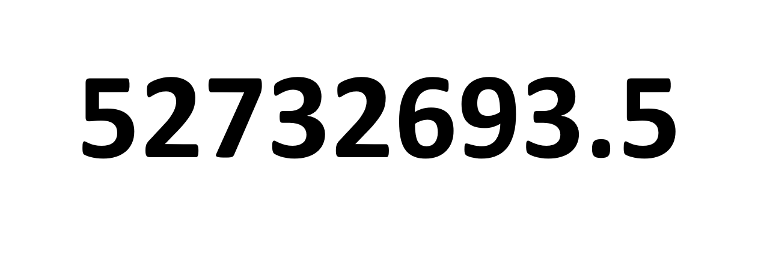
 |  | Dairy | 5724623.9
 |  | Frozen | 5722272.3 |  |  | Line Chart
 |  | Health & Beauty | 5803774.88
 |  | ḥō | 5882.4
 |  | Meat | 6372649
 |  | Produce | 6158296.49
 |  | Snacks | 6000625.96
Monthly_Sales
 | Total
1 | 86536
2 | 88164
3 | 86964
4 | 89581
5 | 88742
6 | 83700
 |  | Grand Total | 52732693.52

 | Product_Below_Reorder

 |  | stock_status | (All)

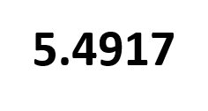
 |  | ProductNames | Sum of inventory_value
 |  | Apple | 1202953.26
 |  | Bagel | 1116361.99
 |  | Banana | 1275271.89
 |  | Beef | 1261152.34
 |  | Body Lotion | 1080210.03
 |  | Bread | 1153632.99
 |  | Butter | 1152314.77
 |  | Cake | 1211507.73
 |  | Candy | 1076037.19
 |  | Carrot | 1234489.88
 |  | Cheese | 1146834.34
 |  | Chicken | 1432236.03
 |  | Chicken Nuggets | 1039459.85
 |  | Chips | 1253296.02
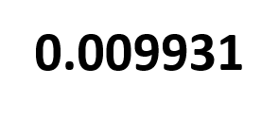
 |  | Coffee | 1229225.36
 |  | Cookies | 1100688.97
 |  | Cream | 1327819.64
 |  | Croissant | 1106417.79
 |  | Deodorant | 1181466.11
 |  | Dish Soap | 1044589.96
 |  | Fish | 1338670.58
 |  | Fish Sticks | 1094118.16
 |  | Frozen Vegetables | 1022051.66
 |  | Glass Cleaner | 1040401.86
 |  | Granola Bars | 1294289.2
 |  | Hand Sanitizer | 1119542.76
 |  | Ice Cream | 1225703.11
 |  | Juice | 1116934.81
 |  | Lamb | 1222933.64
 |  | Laundry Detergent | 1246573.24
 |  | Lettuce | 1288744.92
 |  | Milk | 1090818.62
 |  | Muffin | 1091073.26
 |  | Pizza | 1340939.52
 |  | Popcorn | 1276314.58
 |  | Pork | 1117656.41
 |  | Potato | 1156836.54
 |  | Shampoo | 1186658.45
 |  | Soda | 1030877.53
 |  | Sponges | 1110568.94
 |  | Tea | 1421322.47
 |  | Toothpaste | 1235897.53
 |  | Trash Bags | 964820.01
 |  | Water | 1060260.65
 |  | Yogurt | 1012718.93
 |  | Grand Total | 52732693.52

