Price Trend by Year
MODEL PRICE TREND BY YEAR

Price Trend By year
 | 1 Series | 2 Series | 3 Series | 4 Series | 5 Series | 6 Series | 7 Series | i3 | M4 | X1 | X3 | X4
2013 |  |  | $12,750.00 |  |  |  |  |  |  |  | $12,000.00
2014 | $10,600.00 |  | $14,000.00 | $14,000.00 | $15,000.00 |  | $14,500.00
2015 | $15,499.00 | $10,500.00 | $13,100.00 |  |  |  |  |  |  |  | $17,400.00
2016 | $14,300.00 |  | $15,800.00 | $15,500.00 | $16,000.00 |  |  | $17,100.00 | $29,998.00 | $16,700.00 | $21,750.00
2017 | $20,500.00 | $16,000.00 | $18,500.00 | $16,800.00 | $23,500.00 |  |  |  |  | $18,900.00 | $23,000.00 | $23,000.00
2018 | $17,500.00 | $16,250.00 | $19,490.00 |  |  | $27,000.00 |  |  |  | $18,000.00
2019 |  |  | $17,800.00
Trend By year | Models
Row Labels | 1 Series | 2 Series | 3 Series | 4 Series | 5 Series | 6 Series | 7 Series | i3 | M4 | X1 | X3 | X4 | X5 | Grand Total
2013 |  |  | $12,750.00 |  |  |  |  |  |  |  | $12,000.00 |  |  | $12,750.00
2014 | $10,600.00 |  | $14,000.00 | $14,000.00 | $15,000.00 |  | $14,500.00 |  |  |  |  |  |  | $15,000.00
2015 | $15,499.00 | $10,500.00 | $13,100.00 |  |  |  |  |  |  |  | $17,400.00 |  |  | $17,400.00
2016 | $14,300.00 |  | $15,800.00 | $15,500.00 | $16,000.00 |  |  | $17,100.00 | $29,998.00 | $16,700.00 | $21,750.00 |  | $19,750.00 | $29,998.00
2017 | $20,500.00 | $16,000.00 | $18,500.00 | $16,800.00 | $23,500.00 |  |  |  |  | $18,900.00 | $23,000.00 | $23,000.00 |  | $23,500.00
2018 | $17,500.00 | $16,250.00 | $19,490.00 |  |  | $27,000.00 |  |  |  | $18,000.00 |  |  |  | $27,000.00
2019 |  |  | $17,800.00 |  |  |  |  |  |  |  |  |  |  | $17,800.00
Grand Total | $20,500.00 | $16,250.00 | $19,490.00 | $16,800.00 | $23,500.00 | $27,000.00 | $14,500.00 | $17,100.00 | $29,998.00 | $18,900.00 | $23,000.00 | $23,000.00 | $19,750.00 | $29,998.00

Best Mileage For Price
Best Mileage For Price

Average of price
Labels | Average of price | Average of Mileage
1 Series | $12,488.91 | 16.625
2 Series | $13,287.50 | 17
3 Series | $14,685.56 | 17.222222222
4 Series | $15,160.00 | 16
5 Series | $14,854.17 | 15
6 Series | $27,000.00 | 12
7 Series | $14,500.00 | 15
i3 | $17,100.00 | 26
M4 | $29,998.00 | 10
X1 | $15,485.00 | 16.6
X3 | $18,143.75 | 17
X4 | $23,000.00 | 14
X5 | $19,750.00 | 14
Grand Total | $14,703.87 | 16.474747475

Car category's
Car Category's

Car Category's
 | Lower Class | Middle Class | Upper Class
1 Series |  | $20,500.00
2 Series | $16,250.00
3 Series |  | $19,490.00
4 Series | $16,800.00
5 Series |  | $23,500.00
6 Series |  |  | $27,000.00
7 Series | $14,500.00
i3 | $17,100.00
M4 |  |  | $29,998.00
X1 |  | $18,900.00
X3 |  | $23,000.00
X4 |  | $23,000.00
X5 |  | $19,750.00
Overall Top Cars
 | Max of price | Max of Mileage
6 Series | 27000 | 12
M4 | 29998 | 10
X4 | 23000 | 14
 | Cost | Category
 | Models | Lower Class | Middle Class | Upper Class | Grand Total
 | 1 Series |  | $20,500.00 |  | $20,500.00
 | 2 Series | $16,250.00 |  |  | $16,250.00
 | 3 Series |  | $19,490.00 |  | $19,490.00
 | 4 Series | $16,800.00 |  |  | $16,800.00
 | 5 Series |  | $23,500.00 |  | $23,500.00
 | 6 Series |  |  | $27,000.00 | $27,000.00
 | 7 Series | $14,500.00 |  |  | $14,500.00
 | i3 | $17,100.00 |  |  | $17,100.00
 | M4 |  |  | $29,998.00 | $29,998.00
 | X1 |  | $18,900.00 |  | $18,900.00
 | X3 |  | $23,000.00 |  | $23,000.00
 | X4 |  | $23,000.00 |  | $23,000.00
 | X5 |  | $19,750.00 |  | $19,750.00
 | Grand Total | $64,650.00 | $148,140.00 | $56,998.00 | $269,788.00

 | Row Labels | Max of price | Max of Mileage
 | 6 Series | $27,000.00 | 12
 | M4 | $29,998.00 | 10
 | X4 | $23,000.00 | 14
 | Grand Total | $29,998.00 | 14

Based On Overall:

 | RANK-1 (BMW M4) |  |  |  |  | RANK-2 (BMW 6 SERIES) |  | RANK-3 (BMW X4)
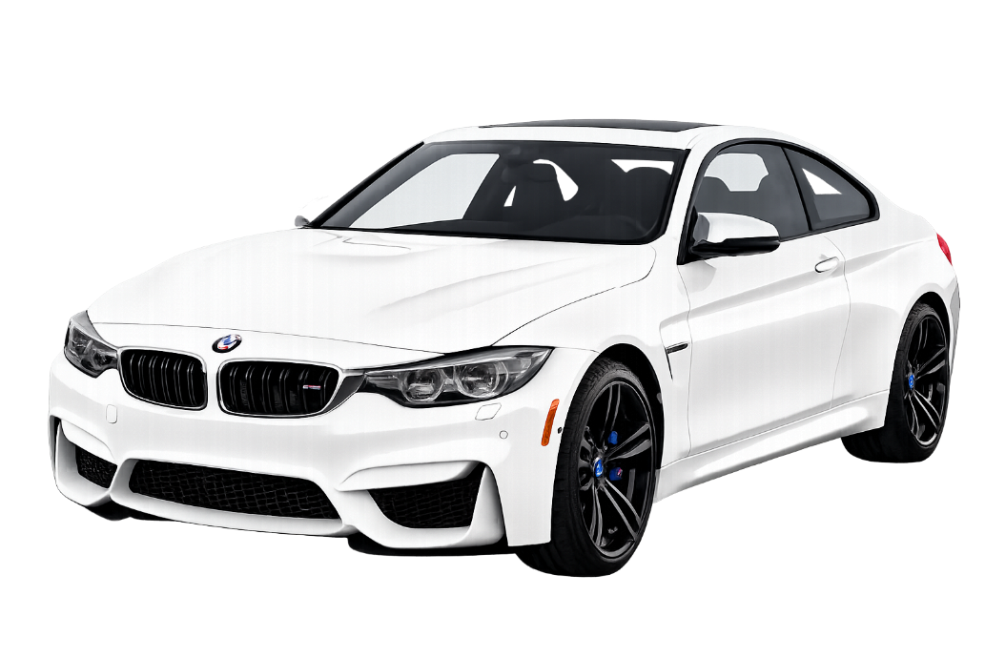

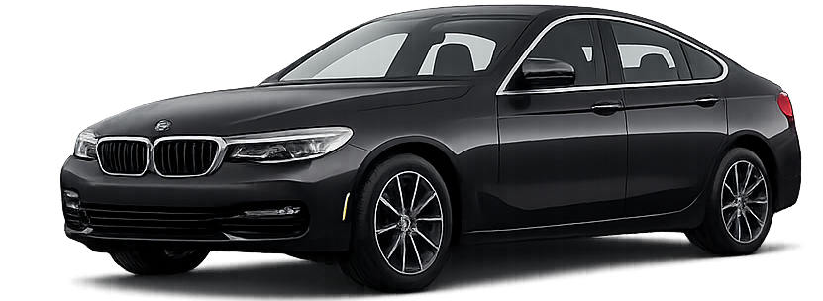
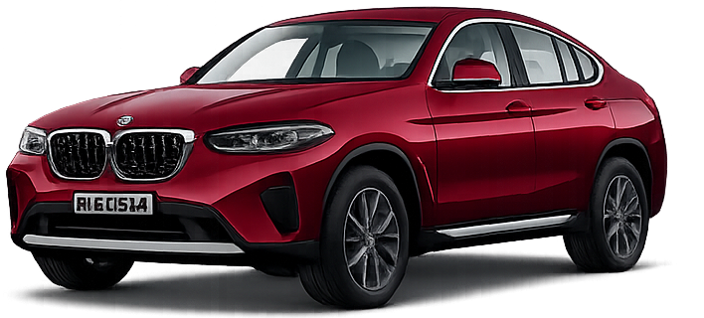

 |  | BMW M4 |  |  |  |  | BMW 6 SERIES |  | BMW X4

BMW Dashboard


Dashboard

Car Category's
 | Lower Class | Middle Class | Upper Class
1 Series |  | $20,500.00
2 Series | $16,250.00
3 Series |  | $19,490.00
4 Series | $16,800.00
5 Series |  | $23,500.00
6 Series |  |  | $27,000.00
7 Series | $14,500.00
i3 | $17,100.00
M4 |  |  | $29,998.00
X1 |  | $18,900.00
X3 |  | $23,000.00
X4 |  | $23,000.00
X5 |  | $19,750.00
Price Trend BY Year
 | 1 Series | 2 Series | 3 Series | 4 Series | 5 Series | 6 Series | 7 Series | i3 | M4 | X1 | X3 | X4
2013 | 0 | 0 | 12750 | 0 | 0 | 0 | 0 | 0 | 0 | 0 | 12000 | 0
2014 | 10600 | 0 | 14000 | 14000 | 15000 | 0 | 14500 | 0 | 0 | 0 | 0 | 0
2015 | 15499 | 10500 | 13100 | 0 | 0 | 0 | 0 | 0 | 0 | 0 | 17400 | 0
2016 | 14300 | 0 | 15800 | 15500 | 16000 | 0 | 0 | 17100 | 29998 | 16700 | 21750 | 0
2017 | 20500 | 16000 | 18500 | 16800 | 23500 | 0 | 0 | 0 | 0 | 18900 | 23000 | 23000
2018 | 17500 | 16250 | 19490 | 0 | 0 | 27000 | 0 | 0 | 0 | 18000 | 0 | 0
2019 | 0 | 0 | 17800 | 0 | 0 | 0 | 0 | 0 | 0 | 0 | 0 | 0
Average of price
 | Average of price | Average of Mileage
1 Series | $12,488.91 | 16.625
2 Series | $13,287.50 | 17
3 Series | $14,685.56 | 17.222222222
4 Series | $15,160.00 | 16
5 Series | $14,854.17 | 15
6 Series | $27,000.00 | 12
7 Series | $14,500.00 | 15
i3 | $17,100.00 | 26
M4 | $29,998.00 | 10
X1 | $15,485.00 | 16.6
X3 | $18,143.75 | 17
X4 | $23,000.00 | 14
X5 | $19,750.00 | 14

7948 | 18

99
Total BMW Models

18
Average Mileage

Lowest Price
7948

Overall Top Cars
 | Max of price | Max of Mileage
6 Series | 27000 | 12
M4 | 29998 | 10
X4 | 23000 | 14
Price Trend By year
 | 1 Series | 2 Series | 3 Series | 4 Series | 5 Series | 6 Series | 7 Series | i3 | M4 | X1 | X3 | X4
2013 |  |  | $12,750.00 |  |  |  |  |  |  |  | $12,000.00
2014 | $10,600.00 |  | $14,000.00 | $14,000.00 | $15,000.00 |  | $14,500.00
2015 | $15,499.00 | $10,500.00 | $13,100.00 |  |  |  |  |  |  |  | $17,400.00
2016 | $14,300.00 |  | $15,800.00 | $15,500.00 | $16,000.00 |  |  | $17,100.00 | $29,998.00 | $16,700.00 | $21,750.00
2017 | $20,500.00 | $16,000.00 | $18,500.00 | $16,800.00 | $23,500.00 |  |  |  |  | $18,900.00 | $23,000.00 | $23,000.00
2018 | $17,500.00 | $16,250.00 | $19,490.00 |  |  | $27,000.00 |  |  |  | $18,000.00
2019 |  |  | $17,800.00

29998
Highest Price

99 | 29998

