parameters
ref | Arbabi et al., “Subwavelength-Thick Lenses with High Numerical Apertures and Large Efficiency Based on High-Contrast Transmitarrays.”

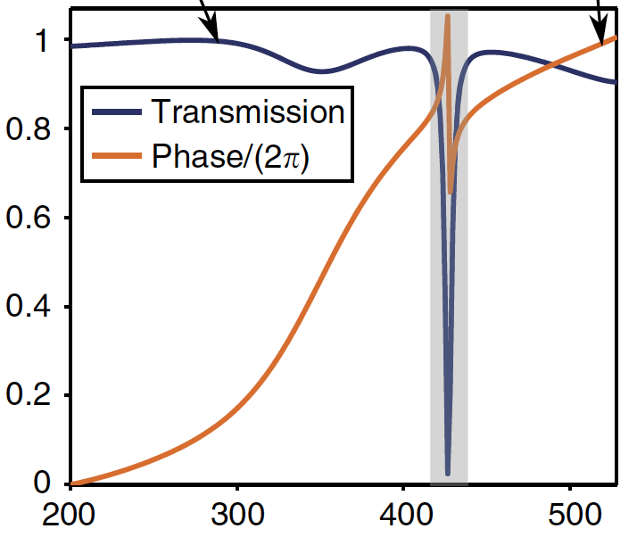
2.00E-07
2.10E-07
2.20E-07
2.30E-07
2.40E-07
2.50E-07
2.60E-07
2.70E-07
2.80E-07
2.90E-07
3.00E-07
3.10E-07
3.20E-07
3.30E-07
3.40E-07
3.50E-07
3.60E-07
3.70E-07
3.80E-07
3.90E-07
4.00E-07
4.10E-07
4.20E-07
4.21E-07
4.22E-07
4.23E-07
4.24E-07
4.25E-07
4.26E-07
4.27E-07
4.28E-07
4.29E-07
4.30E-07
4.31E-07
4.32E-07
4.33E-07
4.34E-07
4.35E-07
4.36E-07
4.37E-07
4.38E-07
4.39E-07
4.40E-07
4.50E-07
4.60E-07
4.70E-07
4.80E-07
4.90E-07
5.00E-07
5.10E-07
...
simulate?
Y/N | Diameters | Transmission | Phase | Adj. Phase
1 | 2.00E-07 |  |  | 0
2 | 2.10E-07 |  |  | 0
3 | 2.20E-07 |  |  | 0
 | 2.30E-07 |  |  | 0
 | 2.40E-07 |  |  | 0
 | 2.50E-07 |  |  | 0
 | 2.60E-07 |  |  | 0
 | 2.70E-07 |  |  | 0
 | 2.80E-07 |  |  | 0
 | 2.90E-07 |  |  | 0
 | 3.00E-07 |  |  | 0
 | 3.10E-07 |  |  | 0
 | 3.20E-07 |  |  | 0
 | 3.30E-07 |  |  | 0
 | 3.40E-07 |  |  | 0
 | 3.50E-07 |  |  | 0
 | 3.60E-07 |  |  | 0
 | 3.70E-07 |  |  | 0
 | 3.80E-07 |  |  | 0
 | 3.90E-07 |  |  | 0
 | 4.00E-07 |  |  | 0
 | 4.10E-07 |  |  | 0
 | 4.20E-07 |  |  | 0
 | 4.21E-07 |  |  | 0
 | 4.22E-07 |  |  | 0
 | 4.23E-07 |  |  | 0
 | 4.24E-07 |  |  | 0
 | 4.25E-07 |  |  | 0
 | 4.26E-07 |  |  | 0
 | 4.27E-07 |  |  | 0
 | 4.28E-07 |  |  | 0
 | 4.29E-07 |  |  | 0
 | 4.30E-07 |  |  | 0
 | 4.31E-07 |  |  | 0
 | 4.32E-07 |  |  | 0
 | 4.33E-07 |  |  | 0
 | 4.34E-07 |  |  | 0
 | 4.35E-07 |  |  | 0
 | 4.36E-07 |  |  | 0
 | 4.37E-07 |  |  | 0
 | 4.38E-07 |  |  | 0
 | 4.39E-07 |  |  | 0
 | 4.40E-07 |  |  | 0
 | 4.50E-07 |  |  | 0
 | 4.60E-07 |  |  | 0
 | 4.70E-07 |  |  | 0
 | 4.80E-07 |  |  | 0
 | 4.90E-07 |  |  | 0
 | 5.00E-07 |  |  | 0
 | 5.10E-07 |  |  | 0
 | 5.20E-07 |  |  | 0
 | 5.25E-07 |  |  | 0

backup
simulate?
Y/N | diameters | Transmission | Phase | Adj. Phase
1 | 2.00E-07 | 0.98792 | -2.19186 | 0
2 | 2.10E-07 | 0.98943 | -2.14757 | 0.0070489783836
3 | 2.20E-07 | 0.99125 | -2.1003 | 0.014572238898
4 | 2.30E-07 | 0.99298 | -2.039 | 0.02432844515
5 | 2.40E-07 | 0.99475 | -1.96847 | 0.035553652768
6 | 2.50E-07 | 0.99678 | -1.89421 | 0.047372508825
7 | 2.60E-07 | 0.99792 | -1.79293 | 0.063491735077
8 | 2.70E-07 | 0.99894 | -1.67977 | 0.081501723649
9 | 2.80E-07 | 0.99922 | -1.55156 | 0.10190699614
10 | 2.90E-07 | 0.99777 | -1.3877 | 0.12798614714
11 | 3.00E-07 | 0.99434 | -1.20103 | 0.15769562546
12 | 3.10E-07 | 0.98704 | -0.98484 | 0.19210336167
13 | 3.20E-07 | 0.97378 | -0.66772 | 0.24257461986
14 | 3.30E-07 | 0.95363 | -0.29897 | 0.3012630547
15 | 3.40E-07 | 0.93831 | 0.15346 | 0.37326958642
16 | 3.50E-07 | 0.93125 | 0.65663 | 0.45335164678
17 | 3.60E-07 | 0.9386 | 1.11915 | 0.52696405323
18 | 3.70E-07 | 0.95572 | 1.57615 | 0.59969792366
19 | 3.80E-07 | 0.97033 | 1.94964 | 0.65914075357
20 | 3.90E-07 | 0.98015 | 2.2931 | 0.71380415649
21 | 4.00E-07 | 0.98166 | 2.5828 | 0.75991138245
22 | 4.10E-07 | 0.97592 | 2.83366 | 0.7998370252
23 | 4.20E-07 | 0.931 | -3.13675 | 0.8496159588
24 | 4.21E-07 | 0.91175 | -3.08178 | 0.85836471341
25 | 4.22E-07 | 0.89141 | -3.03157 | 0.86635588985
26 | 4.23E-07 | 0.84701 | -2.94576 | 0.88001298705
27 | 4.24E-07 | 0.78513 | -2.84466 | 0.89610356539
28 | 4.25E-07 | 0.68021 | -2.70773 | 0.91789667016
29 | 4.26E-07 | 0.50471 | -2.50078 | 0.95083381345
30 | 4.27E-07 | 0.26997 | -2.32274 | 0.97916978345
31 | 4.28E-07 | 0.00037 | 2.47967 | 0.74349771931
32 | 4.29E-07 | 0.19606 | 2.00339 | 0.66769533898
33 | 4.30E-07 | 0.48454 | 2.19453 | 0.6981162405
34 | 4.31E-07 | 0.65843 | 2.38603 | 0.72859443785
35 | 4.32E-07 | 0.79449 | 2.5518 | 0.75497757505
36 | 4.33E-07 | 0.86152 | 2.70552 | 0.77944289357
37 | 4.34E-07 | 0.8968 | 2.78226 | 0.79165645422
38 | 4.35E-07 | 0.91554 | 2.89209 | 0.80913645638
39 | 4.36E-07 | 0.93182 | 2.92985 | 0.81514615211
40 | 4.37E-07 | 0.94285 | 2.96901 | 0.82137866494
41 | 4.38E-07 | 0.95228 | 3.00473 | 0.82706368431
42 | 4.39E-07 | 0.95706 | 3.033 | 0.83156299835
43 | 4.40E-07 | 0.96066 | 3.06236 | 0.83623579143
44 | 4.50E-07 | 0.97132 | -3.02208 | 0.86786627154
45 | 4.60E-07 | 0.96493 | -2.87727 | 0.89091351831
46 | 4.70E-07 | 0.95889 | -2.75718 | 0.91002645157
47 | 4.80E-07 | 0.94895 | -2.65 | 0.92708469278
48 | 4.90E-07 | 0.93712 | -2.53872 | 0.94479546981
49 | 5.00E-07 | 0.92711 | -2.43733 | 0.96093220312
50 | 5.10E-07 | 0.91711 | -2.34797 | 0.97515430085
51 | 5.20E-07 | 0.90582 | -2.24599 | 0.99138493565
52 | 5.25E-07 | 0.90134 | -2.20062 | 0.99860580152

