Gels
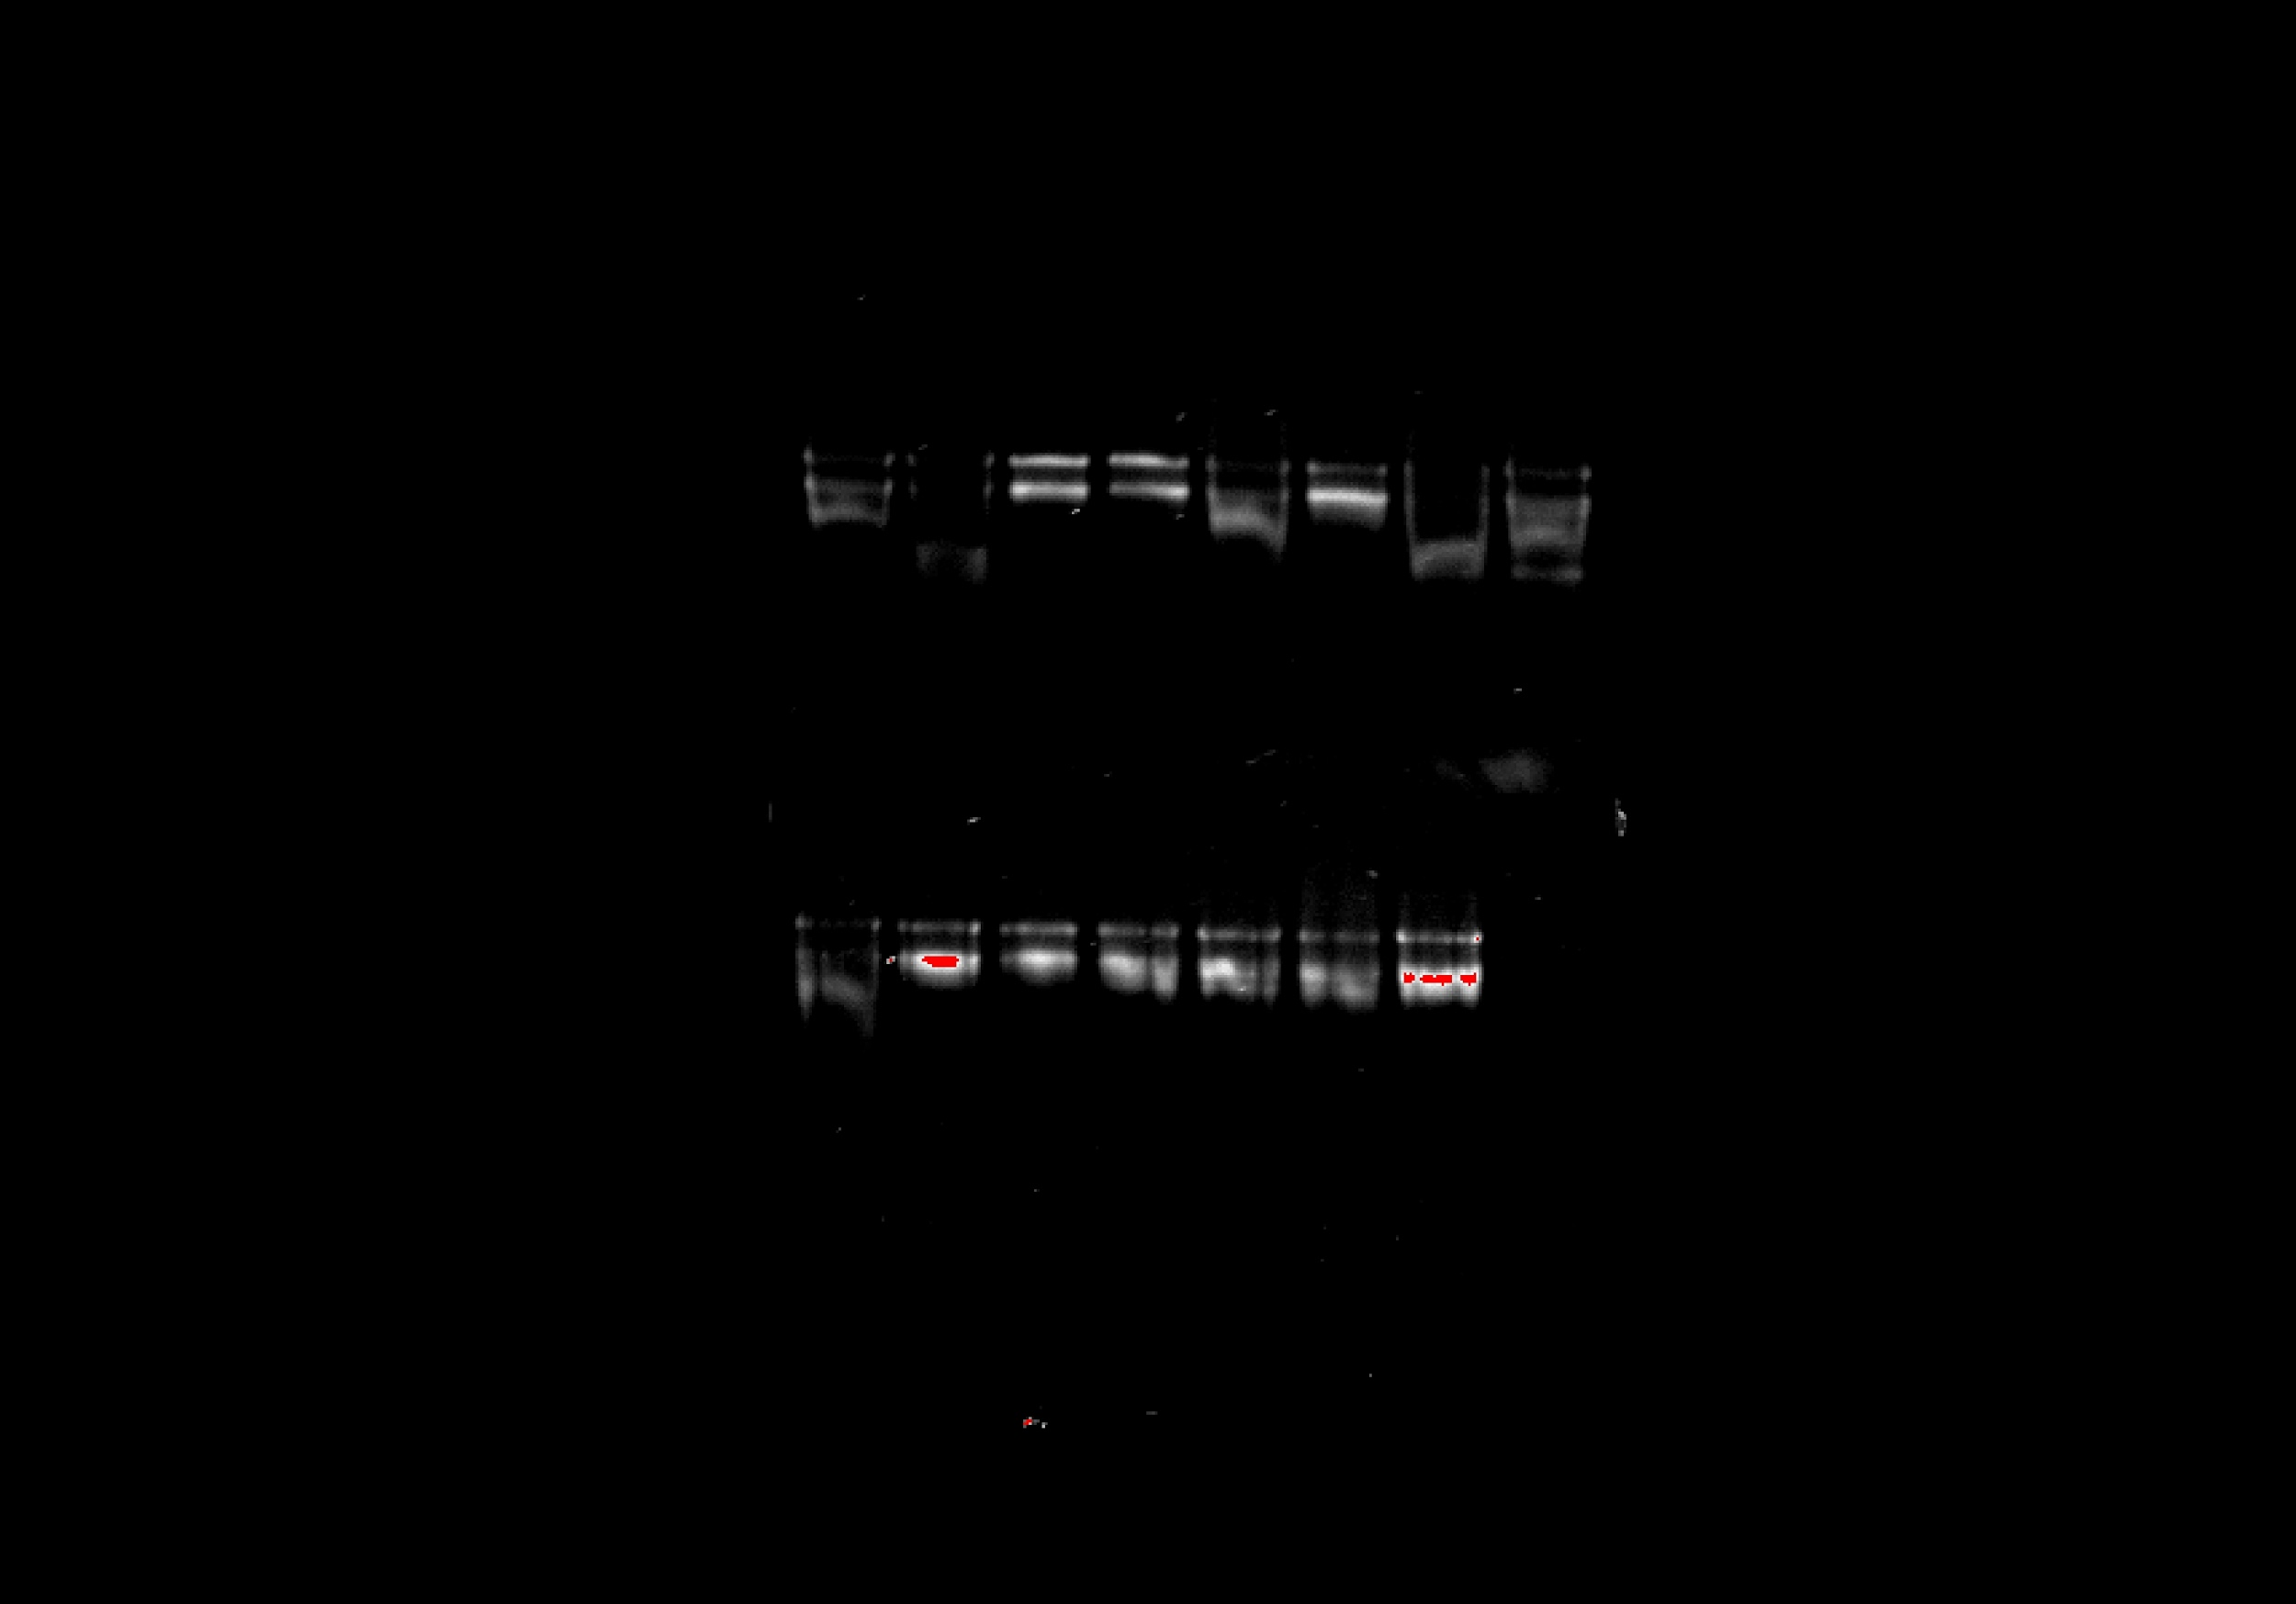
Gel_num | Gel_date | Well_num | Sample_barcode | Source_box | gel_pass | gel_notes | checked?
1 | 7/10/2020 | 1 | 19A0132 | 1 | NA |  |  | Gel 1
1 | 7/10/2020 | 2 | 19A0422 | 1 | NA
1 | 7/10/2020 | 3 | 19A0258 | 1 | NA
1 | 7/10/2020 | 4 | 19A0133 | 1 | NA
1 | 7/10/2020 | 5 | 19A0054 | 1 | NA
1 | 7/10/2020 | 6 | 19A0215 | 1 | NA
1 | 7/10/2020 | 7 | 19A0113 | 1 | NA
1 | 7/10/2020 | 8 | 19A0041 | 1 | NA
1 | 7/10/2020 | 9 | 19A0355 | 2 | NA
1 | 7/10/2020 | 10 | 19A0205 | 2 | NA
1 | 7/10/2020 | 11 | 19A0296 | 2 | NA
1 | 7/10/2020 | 12 | 19A0394 | 2 | NA
1 | 7/10/2020 | 13 | 19A0050 | 2 | NA
1 | 7/10/2020 | 14 | 19A0024 | 2 | NA
1 | 7/10/2020 | 15 | 19A0160 | 2 | NA
1 | 7/10/2020 | 16 | 19A0093 | 2 | NA
2 | 7/10/2020 | 1 | 19A0257 | 3 | FALSE |  | match
2 | 7/10/2020 | 2 | 19A0158 | 3 | TRUE | good |  | Gel 2
2 | 7/10/2020 | 3 | 19A0090 | 3 | TRUE | good
2 | 7/10/2020 | 4 | 19A0284 | 3 | TRUE | good
2 | 7/10/2020 | 5 | 19A0152 | 3 | TRUE | good
2 | 7/10/2020 | 6 | 19A0130 | 3 | TRUE | good
2 | 7/10/2020 | 7 | 19A0192 | 3 | TRUE | good
2 | 7/10/2020 | 8 | 19A0078 | 3 | TRUE | good
2 | 7/10/2020 | 9 | 19A0143 | 4 | TRUE | good
2 | 7/10/2020 | 10 | 19A0066 | 4 | TRUE | good
2 | 7/10/2020 | 11 | 19A0294 | 4 | TRUE | good
2 | 7/10/2020 | 12 | 19A0137 | 4 | TRUE | good
2 | 7/10/2020 | 13 | 19A0299 | 4 | TRUE | good
2 | 7/10/2020 | 14 | 19A0380 | 4 | TRUE | good
2 | 7/10/2020 | 15 | 19A0138 | 4 | TRUE | good
2 | 7/10/2020 | 16 | 19A0070 | 4 | TRUE | good
3 | 7/10/2020 | 1 | 19A0223 | 5 | NA
3 | 7/10/2020 | 2 | 19A0270 | 5 | NA
3 | 7/10/2020 | 3 | 19A0129 | 5 | NA
3 | 7/10/2020 | 4 | 19A0317 | 5 | NA
3 | 7/10/2020 | 5 | 19A0325 | 5 | NA
3 | 7/10/2020 | 6 | 19A0361 | 5 | NA
3 | 7/10/2020 | 7 | 19A0139 | 5 | NA
3 | 7/10/2020 | 8 | 19A0216 | 5 | NA
3 | 7/10/2020 | 9 | 19A0227 | 6 | NA
3 | 7/10/2020 | 10 | 19A0415 | 6 | NA
3 | 7/10/2020 | 11 | 19A0358 | 6 | NA
3 | 7/10/2020 | 12 | 19A0445 | 6 | NA
3 | 7/10/2020 | 13 | 19A0366 | 6 | NA
3 | 7/10/2020 | 14 | 19A0371 | 6 | NA
3 | 7/10/2020 | 15 | 19A0359 | 6 | NA
3 | 7/10/2020 | 16 | 19A0208 | 6 | NA
4 | 7/14/2020 | 1 | 19A0132 | 1 | TRUE | good
4 | 7/14/2020 | 2 | 19A0254 | 1 | FALSE | nothing there | no match
4 | 7/14/2020 | 3 | 19A0288 | 1 | FALSE | nothing there
4 | 7/14/2020 | 4 | 19A0249 | 1 | TRUE | good | no match
4 | 7/14/2020 | 5 | 19A0353 | 1 | TRUE | good
4 | 7/14/2020 | 6 | 19A0309 | 1 | TRUE | borderline
4 | 7/14/2020 | 7 | 19A0397 | 1 | TRUE | good
4 | 7/14/2020 | 8 | 19A0003 | 1 | TRUE | good
4 | 7/14/2020 | 9 | 19A0326 | 1 | FALSE | nothing there | no match
4 | 7/14/2020 | 10 | 19A0422 | 1 | FALSE | fragments | no match
4 | 7/14/2020 | 11 | 19A0118 | 1 | FALSE | fragments | no match
4 | 7/14/2020 | 12 | 19A0425 | 1 | FALSE | nothing there | no match
4 | 7/14/2020 | 13 | 19A0123 | 1 | FALSE | nothing there | no match
4 | 7/14/2020 | 14 | 19A0312 | 1 | FALSE | fragments | no match
4 | 7/14/2020 | 15 | 19A0062 | 1 | TRUE | good
4 | 7/14/2020 | 16 | 19A0266 | 1 | TRUE | borderline
5 | 7/14/2020 | 1 | 19A0180 | 1 | TRUE | good
5 | 7/14/2020 | 2 | 19A0264 | 1 | FALSE | nothing there | no match
5 | 7/14/2020 | 3 | 19A0258 | 1 | TRUE | good
5 | 7/14/2020 | 4 | 19A0073 | 1 | TRUE | good
5 | 7/14/2020 | 5 | 19A0164 | 1 | TRUE | good
5 | 7/14/2020 | 6 | 19A0336 | 1 | FALSE | nothing there | match
5 | 7/14/2020 | 7 | 19A0328 | 1 | TRUE | borderline
5 | 7/14/2020 | 8 | 19A0342 | 1 | FALSE | fragments | no match
5 | 7/14/2020 | 9 | 19A0426 | 1 | FALSE | nothing there | no match
5 | 7/14/2020 | 10 | 19A0098 | 1 | TRUE | good
5 | 7/14/2020 | 11 | 19A0168 | 1 | TRUE | good
5 | 7/14/2020 | 12 | 19A0077 | 1 | TRUE | good | no match
5 | 7/14/2020 | 13 | 19A0133 | 1 | FALSE | nothing there | no match
5 | 7/14/2020 | 14 | 19A0025 | 1 | FALSE | fragments | no match
5 | 7/14/2020 | 15 | 19A0439 | 1 | TRUE | good
5 | 7/14/2020 | 16 | 19A0399 | 1 | TRUE | nothing there
6 | 7/14/2020 | 1 | 19A0031 | 1 | TRUE | good
6 | 7/14/2020 | 2 | 19A0022 | 1 | TRUE | good
6 | 7/14/2020 | 3 | 19A0082 | 1 | TRUE | good
6 | 7/14/2020 | 4 | 19A0385 | 1 | TRUE | good
6 | 7/14/2020 | 5 | 19A0344 | 1 | TRUE | good
6 | 7/14/2020 | 6 | 19A0054 | 1 | TRUE | good
6 | 7/14/2020 | 7 | 19A0199 | 1 | FALSE | nothing there
6 | 7/14/2020 | 8 | 19A0430 | 1 | TRUE | borderline
6 | 7/14/2020 | 9 | 19A0381 | 1 | TRUE | nothing there
6 | 7/14/2020 | 10 | 19A0209 | 1 | TRUE | nothing there
6 | 7/14/2020 | 11 | 19A0351 | 1 | TRUE | nothing there
6 | 7/14/2020 | 12 | 19A0297 | 1 | FALSE | fragments
6 | 7/14/2020 | 13 | 19A0092 | 1 | TRUE | good
6 | 7/14/2020 | 14 | 19A0260 | 1 | FALSE | fragments
6 | 7/14/2020 | 15 | 19A0215 | 1 | TRUE | good
6 | 7/14/2020 | 16 | 19A0110 | 1 | FALSE | fragments
7 | 7/14/2020 | 1 | 19A0075 | 1 | TRUE | good
7 | 7/14/2020 | 2 | 19A0346 | 1 | TRUE | borderline
7 | 7/14/2020 | 3 | 19A0308 | 1 | TRUE | good
7 | 7/14/2020 | 4 | 19A0218 | 1 | TRUE | good
7 | 7/14/2020 | 5 | 19A0184 | 1 | FALSE | fragments
7 | 7/14/2020 | 6 | 19A0134 | 1 | Check | faint
7 | 7/14/2020 | 7 | 19A0113 | 1 | TRUE | good
7 | 7/14/2020 | 8 | 19A0411 | 1 | TRUE | good
7 | 7/14/2020 | 9 | 19A0167 | 1 | TRUE | fragments
7 | 7/14/2020 | 10 | 19A0001 | 1 | TRUE | fragments
7 | 7/14/2020 | 11 | 19A0131 | 1 | TRUE | fragments
7 | 7/14/2020 | 12 | 19A0012_1 | 1 | FALSE | faint
7 | 7/14/2020 | 13 | 19A0117 | 1 | TRUE | borderline
7 | 7/14/2020 | 14 | 19A0405 | 1 | TRUE | borderline
7 | 7/14/2020 | 15 | 19A0045 | 1 | TRUE | borderline
7 | 7/14/2020 | 16 | 19A0041 | 1 | TRUE | borderline
8 | 7/14/2020 | 1 | 19A0438 | 1 | TRUE | good
8 | 7/14/2020 | 2 | 19A0404 | 1 | TRUE | good
8 | 7/14/2020 | 3 | 19A0410 | 1 | TRUE | borderline
8 | 7/14/2020 | 4 | 19A0111 | 1 | TRUE | borderline
8 | 7/14/2020 | 5 | 19A0348 | 1 | FALSE | fragments
8 | 7/14/2020 | 6 | 19A0178 | 1 | TRUE | good
8 | 7/14/2020 | 7 | 19A0200 | 1 | FALSE | fragments
8 | 7/14/2020 | 8 | 19A0423 | 1 | TRUE | faint
8 | 7/14/2020 | 9 | 19A0329 | 5 | TRUE | good
8 | 7/14/2020 | 10 | 19A0340 | 5 | TRUE | good
8 | 7/14/2020 | 11 | 19A0367 | 5 | TRUE | good
8 | 7/14/2020 | 12 | 19A0051 | 5 | TRUE | good
8 | 7/14/2020 | 13 | 19A0403 | 5 | TRUE | good
8 | 7/14/2020 | 14 | 19A0437 | 5 | TRUE | good
8 | 7/14/2020 | 15 | 19A0232 | 6 | TRUE | good
8 | 7/14/2020 | 16 | 19A0106 | 6 | TRUE | good

