Sheet1
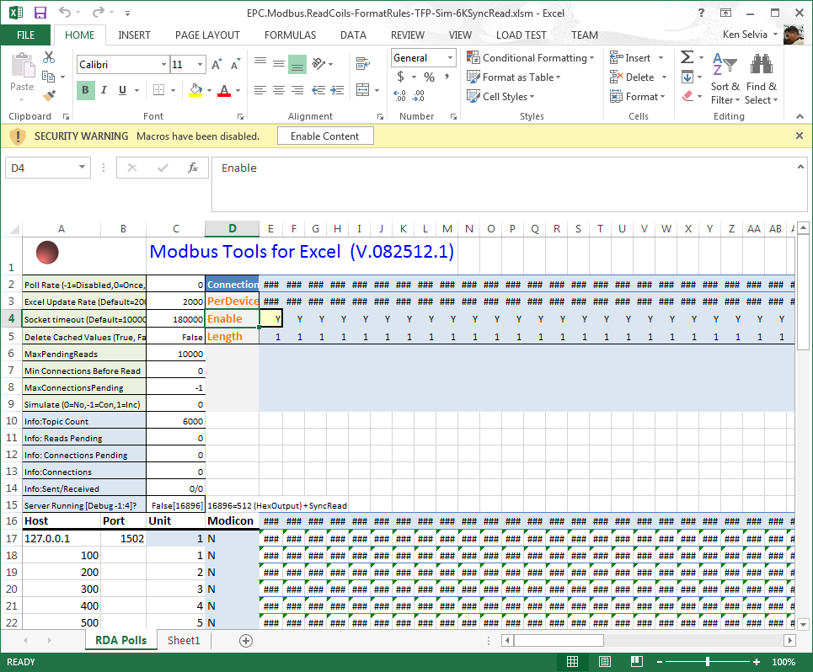
TBD: 8-10-2015 Ken Selvia

