Tabelle1
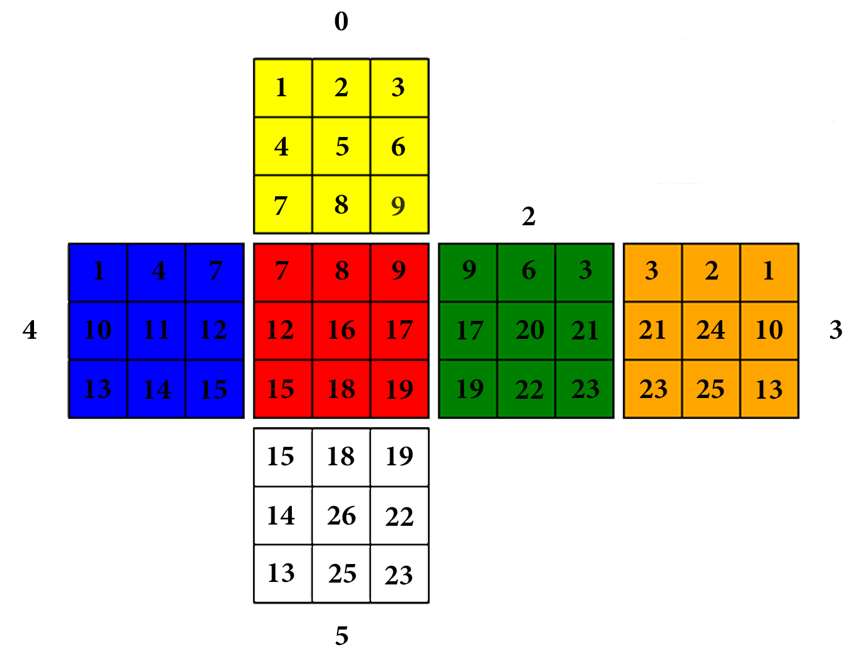
Cubies N | Colors number | Color 1 | Pos Color 1 x | Pos Color 1 y | Identifier | Color 2 | Pos Color 2 x | Pos Color 2 y | Identifier | Color 3 | Pos Color 3 x | Pos Color 3 y | Identifier
1 | 3 | yellow | 0 | 0 | 0101 | blue | 4 | 0 | 0102 | orange | 3 | 2 | 0103
2 | 2 | yellow | 0 | 1 | 0201 | orange | 3 | 1 | 0202 | None | None | None | None
3 | 3 | yellow | 0 | 2 | 0301 | green | 2 | 2 | 0302 | orange | 3 | 0 | 0303
4 | 2 | yellow | 0 | 3 | 0401 | blue | 4 | 1 | 0402 | None | None | None | None
5 | 1 | yellow | 0 | 4 | 0501 | None | None | None | None | None | None | None | None
6 | 2 | yellow | 0 | 5 | 0601 | green | 2 | 1 | 0602 | None | None | None | None
7 | 3 | yellow | 0 | 6 | 0701 | blue | 4 | 2 | 0702 | red | 1 | 0 | 0703
8 | 2 | yellow | 0 | 7 | 0801 | red | 1 | 1 | 0802 | None | None | None | None
9 | 3 | yellow | 0 | 8 | 0901 | red | 1 | 2 | 0902 | green | 2 | 0 | 0903
10 | 2 | blue | 4 | 3 | 1001 | orange | 3 | 5 | 1002 | None | None | None | None
11 | 1 | blue | 4 | 4 | 1101 | None | None | None | None | None | None | None | None
12 | 2 | blue | 4 | 5 | 1201 | red | 1 | 3 | 1202 | None | None | None | None
13 | 3 | blue | 4 | 6 | 1301 | orange | 3 | 8 | 1302 | white | 5 | 6 | 1303
14 | 2 | blue | 4 | 7 | 1401 | white | 5 | 3 | 1402 | None | None | None | None
15 | 3 | blue | 4 | 8 | 1501 | red | 1 | 6 | 1502 | white | 5 | 0 | 1503
16 | 1 | red | 1 | 4 | 1601 | None | None | None | None | None | None | None | None
17 | 2 | red | 1 | 5 | 1701 | green | 2 | 3 | 1702 | None | None | None | None
18 | 2 | red | 1 | 7 | 1801 | white | 5 | 1 | 1802 | None | None | None | None
19 | 3 | red | 1 | 8 | 1901 | green | 2 | 6 | 1902 | white | 5 | 2 | 1903
20 | 1 | green | 2 | 4 | 2001 | None | None | None | None | None | None | None | None
21 | 2 | green | 2 | 5 | 2101 | orange | 3 | 3 | 2102 | None | None | None | None
22 | 2 | green | 2 | 7 | 2201 | white | 5 | 5 | 2202 | None | None | None | None
23 | 3 | green | 2 | 8 | 2301 | orange | 3 | 6 | 2302 | white | 5 | 8 | 2303
24 | 1 | orange | 3 | 4 | 2401 | None | None | None | None | None | None | None | None
25 | 2 | orange | 3 | 7 | 2501 | white | 5 | 7 | 2502 | None | None | None | None
26 | 1 | white | 5 | 4 | 2601 | None | None | None | None | None | None | None | None

