湿潤時熱伝導率
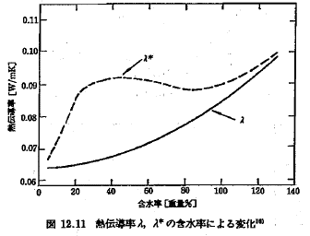
5.0679986487 | 0.063730032334
7.2631629748 | 0.063725688915
39.911587279 | 0.06726219777
99.016167173 | 0.084042758554
123.30148159 | 0.094798030983
130.58221128 | 0.098523237295
 |  | {5.06799864871386,7.2631629747599,39.9115872786062,99.0161671733989,123.301481588726,130.582211283239,,,,,,,} | {0.0637300323343467,0.0637256889146276,0.0672621977703778,0.0840427585541238,0.0947980309830606,0.0985232372954973,,,,,,,}
含水率 | 熱伝導率 | 含水率 | 熱伝導率
5.0679986487 | 0.063730032334 | 5.0679986487 | 0.063730032334
7.2631629748 | 0.063725688915 | 7.2631629748 | 0.063725688915
14.088509242 | 0.06412769654 | 39.911587279 | 0.06726219777
24.565706288 | 0.065214999276 | 99.016167173 | 0.084042758554
39.911587279 | 0.06726219777 | 123.30148159 | 0.094798030983
54.275083249 | 0.070003860818 | 130.58221128 | 0.098523237295
66.925824043 | 0.073302929395
83.462863761 | 0.078256358284
99.016167173 | 0.084042758554
112.61821341 | 0.089833019642
123.30148159 | 0.094798030983
128.39920853 | 0.097281019256
130.58221128 | 0.098523237295

水分拡散率_温度
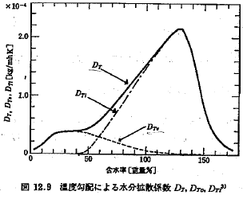
2.6038811914 | 7.05E-06
5.8644566401 | 1.16E-05
21.510639626 | 3.61E-05
46.989544234 | 4.30E-05
65.899424829 | 7.02E-05
132.33377969 | 2.12E-04
169.25644032 | 1.57E-05
175.8025685 | 9.46E-06
 |  | {2.60388119141614,5.86445664013987,21.5106396264509,46.9895442340648,65.8994248288016,132.333779686535,169.256440321651,175.802568496714,,,,,} | {7.05469329984531E-06,1.15825186809222E-05,3.61185310585509E-05,4.30289111988399E-05,7.01819872199596E-05,0.000212356814287002,0.000015688505595604,9.45806245707033E-06,,,,,}
含水率 | 水分拡散率_温度 | 含水率 | 水分拡散率_温度
2.6038811914 | 7.05E-06 | 2.6038811914 | 7.05E-06
5.8644566401 | 1.16E-05 | 5.8644566401 | 1.16E-05
16.621337533 | 2.84E-05 | 21.510639626 | 3.61E-05
21.510639626 | 3.61E-05 | 46.989544234 | 4.30E-05
29.349341918 | 3.88E-05 | 65.899424829 | 7.02E-05
36.863339601 | 4.03E-05 | 132.33377969 | 2.12E-04
46.989544234 | 4.30E-05 | 169.25644032 | 1.57E-05
57.105341668 | 5.22E-05 | 175.8025685 | 9.46E-06
65.899424829 | 7.02E-05
80.54755743 | 1.06E-04
97.150162005 | 1.45E-04
112.11883634 | 1.84E-04
120.58197057 | 2.04E-04
127.42990751 | 2.14E-04 | {2.60388119141614,5.86445664013987,21.5106396264509,46.9895442340648,110,150,160,,,,,,} | {7.05469329984531E-06,1.15825186809222E-05,3.61185310585509E-05,4.30289111988399E-05,7.05469329984531E-06,0,0,,,,,,}
132.33377969 | 2.12E-04 | 含水率 | 水分拡散率_温度
2.6038811914 | 7.05E-06
5.8644566401 | 1.16E-05
21.510639626 | 3.61E-05
46.989544234 | 4.30E-05
110 | 7.05E-06
150 | 0.00E+00
160 | 0.00E+00
137.27303634 | 1.90E-04 | 2.6038811914 | 7.05E-06
140.24637309 | 1.70E-04 | 5.8644566401 | 1.16E-05
143.56522885 | 1.39E-04 | 21.510639626 | 3.61E-05
146.2190646 | 1.15E-04 | 46.989544234 | 4.30E-05
150.18941102 | 8.47E-05 | 110 | 7.05E-06
154.48966565 | 5.30E-05 | 150 | 0.00E+00
160.73398506 | 3.14E-05 | 160 | 0.00E+00
169.25644032 | 1.57E-05
175.8025685 | 9.46E-06

水分拡散率_含水率
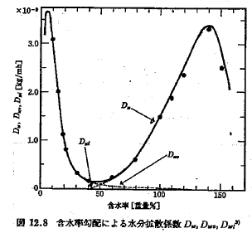
2.8868098429 | 3.2e-09
5.7319249788 | 3.7e-09
9.7949644498 | 3.1e-09
30.831041344 | 3e-10
60.988384001 | 2e-10
98.971164818 | 1.5e-09
127.12825877 | 2.9e-09
139.78260233 | 3.4e-09
157.00032185 | 2.2e-09
 |  | {2.88680984287679,5.73192497878691,9.79496444977617,30.8310413435936,60.9883840009363,98.9711648184451,127.128258770518,139.782602334903,157.000321853878,,,,} | {3.16390408754425E-09,3.6632530649267E-09,3.1025470345554E-09,3.4455189162302E-10,2.44901541972671E-10,1.50713198934956E-09,2.92953594522632E-09,3.40465810340287E-09,2.18629487667144E-09,,,,}
含水率 | 水分拡散率_含水率 | 含水率 | 水分拡散率_含水率
2.8868098429 | 3.2e-09 | 2.8868098429 | 3.2e-09
3.9302747462 | 3.5e-09 | 5.7319249788 | 3.7e-09
5.7319249788 | 3.7e-09 | 9.7949644498 | 3.1e-09
8.2884688533 | 3.5e-09 | 30.831041344 | 3e-10
9.7949644498 | 3.1e-09 | 60.988384001 | 2e-10
15.011191737 | 2e-09 | 98.971164818 | 1.5e-09
18.751645844 | 1.1e-09 | 127.12825877 | 2.9e-09
21.696608831 | 8e-10 | 139.78260233 | 3.4e-09
30.831041344 | 3e-10 | 157.00032185 | 2.2e-09
40.295739825 | 2e-10
50.467053867 | 2e-10
60.988384001 | 2e-10
79.10253972 | 6e-10
98.971164818 | 1.5e-09 | {2.88680984287679,5.73192497878691,9.79496444977617,21.6966088305,40.2957398250285,140,150,,,,,,} | {3.16390408754425E-09,3.6632530649267E-09,3.1025470345554E-09,7.94964449776164E-10,1.66142434970886E-10,0,0,,,,,,}
2.8868098429 | 3.2e-09
5.7319249788 | 3.7e-09
9.7949644498 | 3.1e-09
21.696608831 | 8e-10
40.295739825 | 2e-10
140 | 0
150 | 0
109.08213126 | 2e-09 | 含水率 | 水分拡散率_含水率
127.12825877 | 2.9e-09 | 2.8868098429 | 3.2e-09
134.70572315 | 3.3e-09 | 5.7319249788 | 3.7e-09
139.78260233 | 3.4e-09 | 9.7949644498 | 3.1e-09
145.24680341 | 3.3e-09 | 21.696608831 | 8e-10
157.00032185 | 2.2e-09 | 40.295739825 | 2e-10
 |  | 140 | 0
 |  | 150 | 0

平行含水率曲線
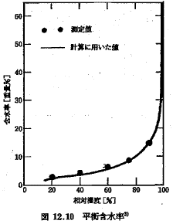
0 | 0
1.8689192247 | 14.903838902
5.8244211479 | 62.644241647
14.93415793 | 89.742061996
28.444226563 | 98.321140357
30.378309073 | 98.634889509
 |  | {0,1.86891922467758,5.82442114789954,14.9341579304623,28.4442265630892,30.3783090730824,,,,,,,} | {0,14.9038389018779,62.644241647183,89.7420619956256,98.321140357493,98.6348895090127,,,,,,,}
含水率 | 相対湿度 | 含水率 | 相対湿度
0 | 0 | 0 | 0
1.8689192247 | 14.903838902 | 1.8689192247 | 14.903838902
2.5834527491 | 21.594388717 | 5.8244211479 | 62.644241647
3.9772230183 | 42.878045101 | 14.93415793 | 89.742061996
5.8244211479 | 62.644241647 | 28.444226563 | 98.321140357
8.8857379893 | 77.249415491 | 30.378309073 | 98.634889509
14.93415793 | 89.742061996
21.45501169 | 96.462025794
28.444226563 | 98.321140357
30.378309073 | 98.634889509

