Protein(Acropora)
Sample.ID | A562 | Protein.Conc.ug.ml | Protein.Conc.ug.ml | A562
A | 2.357 | 2000 | 2000 | 2.357
B | 1.88 | 1500 | 1500 | 1.88
C | 1.381 | 1000 | 1000 | 1.381
D | 1.077 | 750 | 750 | 1.077
E | 0.775 | 500 | 500 | 0.775
F | 0.44 | 250 | 250 | 0.44
G | 0.264 | 125 | 125 | 0.264
H | 0.115 | 25 | 25 | 0.115
I | 0.08 | 0 | 0 | 0.08
Protein Standard Curve (BSA)

Sample.ID | A562 | Protein.Conc.ug.ml |  |  |  | Protein Concentration (ug/ml) | Absorbance (562nm)
A | 2.666 | 2000 |  |  |  | 2000 | 2.666
A | 2.275 | 2000 |  |  |  | 2000 | 2.275
B | 2.173 | 1500 |  |  |  | 1500 | 2.173
B | 2.242 | 1500 |  |  |  | 1500 | 2.242
C | 1.431 | 1000 |  |  |  | 1000 | 1.431
C | 1.734 | 1000 |  |  |  | 1000 | 1.734
Absorbance (562nm) vs. Protein Concentration (ug/ml)
D | 1.184 | 750 |  |  |  | 750 | 1.184
D | 1.297 | 750 |  |  |  | 750 | 1.297
E | 0.91 | 500 |  |  |  | 500 | 0.91
E | 0.906 | 500 |  |  |  | 500 | 0.906
F | 0.519 | 250 |  |  |  | 250 | 0.519
F | 0.526 | 250 |  |  |  | 250 | 0.526
G | 0.321 | 125 |  |  |  | 125 | 0.321
G | 0.333 | 125 |  |  |  | 125 | 0.333
H | 0.3 | 25 |  |  |  | 25 | 0.3
H | 0.171 | 25 |  |  |  | 25 | 0.171
I | 0.194 | 0 |  |  |  | 0 | 0.194
I | 0.115 | 0 |  |  |  | 0 | 0.115

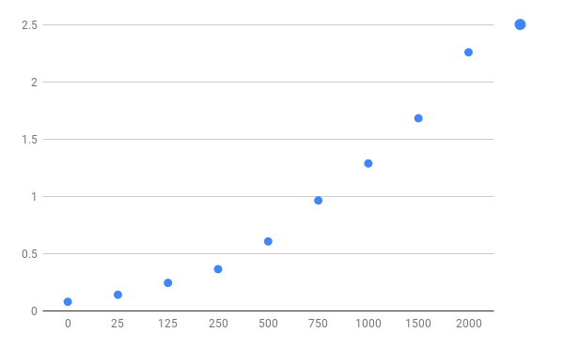
 |  |  |  |  |  | Protein Concentration (ug/ml) | Absorbance (562nm)
 |  |  |  | Protein Concentration (ug/ml) | Absorbance (562nm) | 2000 | 2.357
 |  |  |  | 0 | 0.08 | 2000 | 2.666
 |  |  |  | 0 | 0.194 | 2000 | 2.275
 |  |  |  | 0 | 0.115 | 1500 | 1.88
 |  |  |  | 25 | 0.115 | 1500 | 2.173
 |  |  |  | 25 | 0.3 | 1500 | 2.242
 |  |  |  | 25 | 0.171 | 1000 | 1.381
 |  |  |  | 125 | 0.264 | 1000 | 1.431
 |  |  |  | 125 | 0.321 | 1000 | 1.734
 |  |  |  | 125 | 0.333 | 750 | 1.077
 |  |  |  | 250 | 0.44 | 750 | 1.184
 |  |  |  | 250 | 0.519 | 750 | 1.297
 |  |  |  | 250 | 0.526 | 500 | 0.775
 |  |  |  | 500 | 0.775 | 500 | 0.91
 |  |  |  | 500 | 0.91 | 500 | 0.906
 |  |  |  | 500 | 0.906 | 250 | 0.44
 |  |  |  | 750 | 1.077 | 250 | 0.519
 |  |  |  | 750 | 1.184 | 250 | 0.526
 |  |  |  | 750 | 1.297 | 125 | 0.264
 |  |  |  | 1000 | 1.381 | 125 | 0.321
 |  |  |  | 1000 | 1.431 | 125 | 0.333
 |  |  |  | 1000 | 1.734 | 25 | 0.115
 |  |  |  | 1500 | 1.88 | 25 | 0.3
 |  |  |  | 1500 | 2.173 | 25 | 0.171
 |  |  |  | 1500 | 2.242 | 0 | 0.08
 |  |  |  | 2000 | 2.357 | 0 | 0.194
 |  |  |  | 2000 | 2.666 | 0 | 0.115
 |  |  |  | 2000 | 2.275

