Percentage
 | Managed value |  | Value | Excluded

 |  |  |  |  | 0
 | 1,096,057.00 | 1096057

 |  | Percent %

Normal | 1,096,057.00 |  | 0
 |  | 7.87 | 86259.6859
 |  |  | 0
 |  |  | 0
 |  |  | 0
 |  |  | 0

 |  | 9.29 | 101,798.00

Custodial |  |  | 0
 |  |  | 0
 |  | 24.05 | 0
 |  |  | 0

 |  | #DIV/0! | 6800

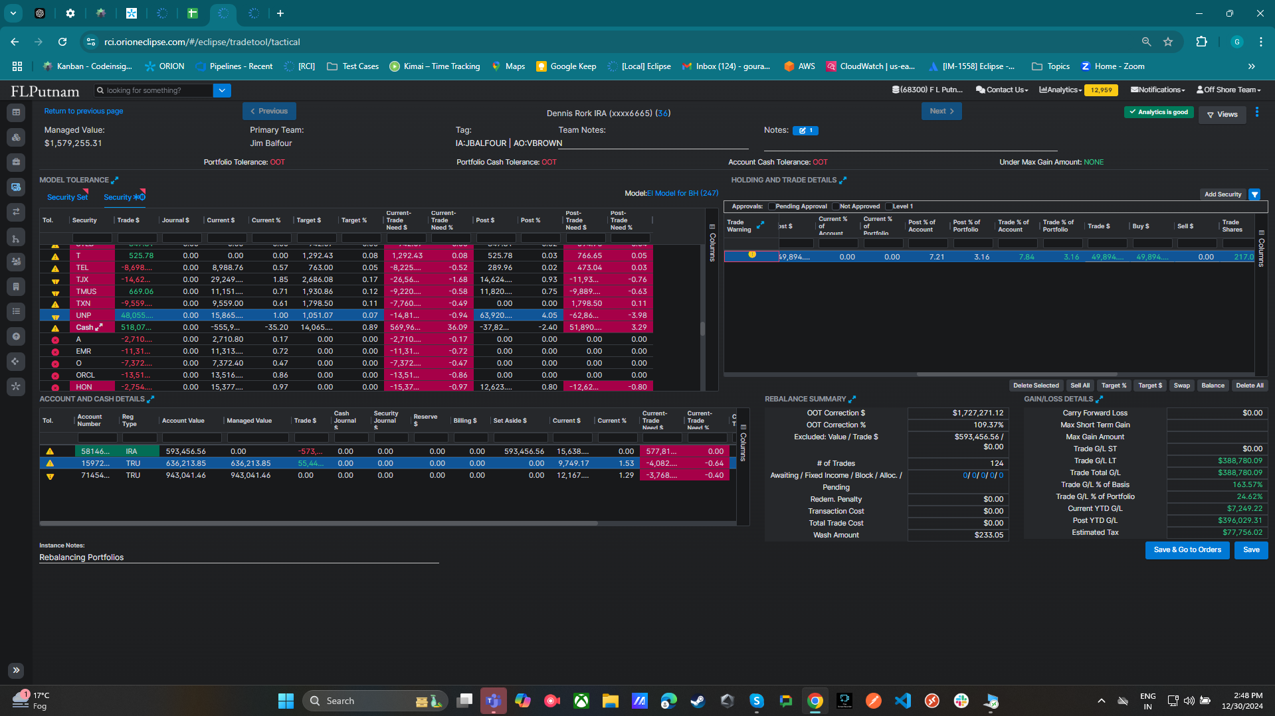

 |  | 0

 |  | 5,234.00
 |  | 4303
 |  | 5800
 |  | 16736
 |  | 10468
 |  | 3845

 |  | 0

 |  | 46386

