Sheet1
Year |  | Average of Seasonally Adjusted Sales |  | % Growth | Exponential sales | % Error
1992 | 1 | $150,781.17 | 1 |  | 165143.67 | 9.5% | 1 | 1992
1993 | 2 | $161,696.25 | 2 | 7.2% | 172399.73 | 6.6% | 2 | 1993
1994 | 3 | $175,688.83 | 3 | 8.7% | 179974.61 | 2.4% | 3 | 1994
1995 | 4 | $185,437.25 | 4 | 5.5% | 187882.32 | 1.3% | 4 | 1995
1996 | 5 | $196,728.17 | 5 | 6.1% | 196137.47 | 0.3% | 5 | 1996
1997 | 6 | $206,334.08 | 6 | 4.9% | 204755.34 | 0.8% | 6 | 1997
1998 | 7 | $215,657.67 | 7 | 4.5% | 213751.86 | 0.9% | 7 | 1998
1999 | 8 | $233,872.00 | 8 | 8.4% | 223143.67 | 4.6% | 8 | 1999
2000 | 9 | $248,748.25 | 9 | 6.4% | 232948.13 | 6.4% | 9 | 2000
2001 | 10 | $255,663.75 | 10 | 2.8% | 243183.38 | 4.9% | 10 | 2001
2002 | 11 | $261,272.42 | 11 | 2.2% | 253868.35 | 2.8% | 11 | 2002
2003 | 12 | $272,232.50 | 12 | 4.2% | 265022.79 | 2.6% | 12 | 2003
2004 | 13 | $288,987.50 | 13 | 6.2% | 276667.33 | 4.3% | 13 | 2004
2005 | 14 | $307,826.08 | 14 | 6.5% | 288823.51 | 6.2% | 14 | 2005
2006 | 15 | $323,823.08 | 15 | 5.2% | 301513.81 | 6.9% | 15 | 2006
2007 | 16 | $334,008.00 | 16 | 3.1% | 314761.69 | 5.8% | 16 | 2007
2008 | 17 | $328,780.33 | 17 | -1.6% | 328591.65 | 0.1% | 17 | 2008
2009 | 18 | $303,288.92 | 18 | -7.8% | 343029.28 | 13.1% | 18 | 2009
2010 | 19 | $323,964.17 | 19 | 6.8% | 358101.26 | 10.5% | 19 | 2010
2011 | 20 | $349,717.75 | 20 | 7.9% | 373835.48 | 6.9% | 20 | 2011
 |  |  | Average | 4.6% | MAPE | 4.8% | 21 | 2012
 |  |  |  |  |  |  | 22 | 2013
 |  |  |  |  |  |  | 23 | 2014
a |  | 158193 |  |  |  |  | 24 | 2015
b |  | 0.043 |  |  |  |  | 25 | 2016
 |  |  |  |  |  |  | 26 | 2017
 |  |  | 682536.36423 |  |  |  | 27 | 2018
 |  |  |  |  |  |  | 28 | 2019
 |  |  | 1999826.7016 |  |  |  | 29 | 2020
 |  |  |  |  |  |  | 30 | 2021
 |  |  |  |  |  |  | 31 | 2022
 |  |  |  |  |  |  | 32 | 2023
 |  |  |  |  |  |  | 33 | 2024
 |  |  |  |  |  |  | 34 | 2025
 |  |  |  |  |  |  | 35 | 2026
 |  |  |  |  |  |  | 36 | 2027
 |  |  |  |  |  |  | 37 | 2028
 |  |  |  |  |  |  | 38 | 2029
 |  |  |  |  |  |  | 39 | 2030
 |  |  |  |  |  |  | 40 | 2031
 |  |  |  |  |  |  | 41 | 2032
 |  |  |  |  |  |  | 42 | 2033
 |  |  |  |  |  |  | 43 | 2034
 |  |  |  |  |  |  | 44 | 2035
 |  |  |  |  |  |  | 45 | 2036
 |  |  |  |  |  |  | 46 | 2037
 |  |  |  |  |  |  | 47 | 2038
 |  |  |  |  |  |  | 48 | 2039
 |  |  |  |  |  |  | 49 | 2040
 |  |  |  |  |  |  | 50 | 2041
 |  |  |  |  |  |  | 51 | 2042
 |  |  |  |  |  |  | 52 | 2043
 |  |  |  |  |  |  | 53 | 2044
 |  |  |  |  |  |  | 54 | 2045
 |  |  |  |  |  |  | 55 | 2046
 |  |  |  |  |  |  | 56 | 2047
 |  |  |  |  |  |  | 57 | 2048
 |  |  |  |  |  |  | 58 | 2049
 |  |  |  |  |  |  | 59 | 2050

Sheet5
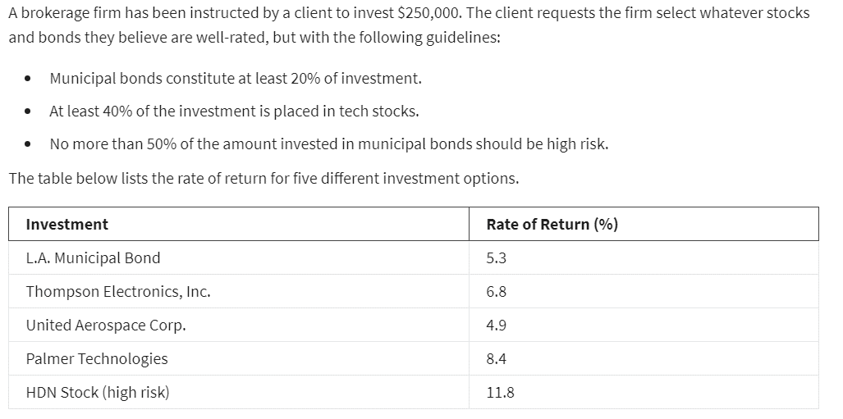
 | X1 | X2 | X3 | X4 | X5
Variable: | $50,000 | $- | $- | $175,000 | $25,000
 | 5.30% | 6.80% | 4.90% | 8.40% | 11.80%

Objective(MAX):
Actual Return: | 20300

Constraints: |  |  |  |  |  | LHS | Sign | RHS
Budget | 1 | 1 | 1 | 1 | 1 | $250,000.0 | <= | $250,000
High Risk 50% | -50% |  |  |  | 1 | $- | <= | $-
Municipal 20% | 1 |  |  |  |  | $50,000.0 | >= | $50,000
Tech 40% |  | 1 | 1 | 1 |  | $175,000.0 | >= | $100,000

 |  |  |  |  |  |  |  |  |  | Investment | Rate of Return (%)
 |  |  |  |  |  |  |  |  | X1 | L.A. Municipal Bond | 5.3
 |  |  |  |  |  |  |  |  | X2 | Thompson Electronics, Inc. | 6.8
 |  |  |  |  |  |  |  |  | X3 | United Aerospace Corp. | 4.9
 |  |  |  |  |  |  |  |  | X4 | Palmer Technologies | 8.4
 |  |  |  |  |  |  |  |  | X5 | HDN Stock (high risk) | 11.8

