LEFT()
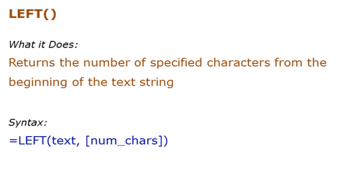
Data Used in Formula
Acciojobs | Acc

Formula | Result | Description
 | He | Extract 2 characters from the left of the text Hello
 | He | Extract 2 characters from the left of the text Hello
 | H | If the number of characters are not specified, the first character from the left is extracted
 | Hello | If the number of characters specified is greater than the length of the text, entire text is returned

My Name is Shiraj Ali
=LEFT(B13,2) | My
=RIGHT(B13,3) | Ali
=LEFT(B13,7) | My Name
=MID(B13,9,2) | is
=MID(B13,12,6) | Shiraj A
=LEN(B13) | 21
=LEN(D20) | 10 | 9874561321
 | 5 | Si Ra

Lower
Upper
Proper

RIGHT()
Data Used in Formula
Acciojobs
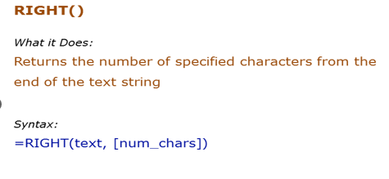

Formula | Result | Description
 |  | Extract 2 characters from the right of the text Hello
 |  | Extract 2 characters from the right of the text Hello
 |  | If the number of characters are not specified, the first character from the right is extracted
 |  | If the number of characters specified is greater than the length of the text, entire text is returned

MID()
Data Used in Formula
Acciojobs
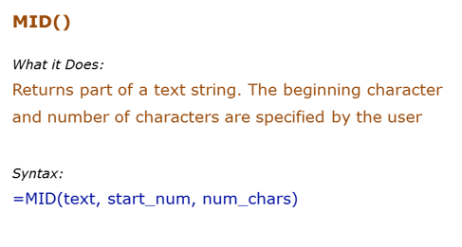

Formula | Result | Description
 |  | Extracts 2 characters beginning from the 1st character
 |  | Extracts 5 characters beginning from the 7th character
 |  | If the start number is larger than the length of the string, formula returns a blank ("")
 |  | If the number of characters specified are larger than the total number of characters, the entire string is returned (beginning from the starting number)

LEN()
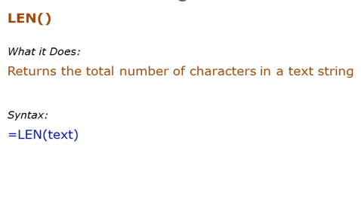
Data Used in Formula
Hello | 123

Formula | Result | Description
 |  | Returns the number of characters in the text Hello
 |  | Returns the number of characters in the text Hello (which is in cell A2)
 |  | Returns the number of characters for numbers as well
 |  | Returns the number of characters for numbers as well

LOWER
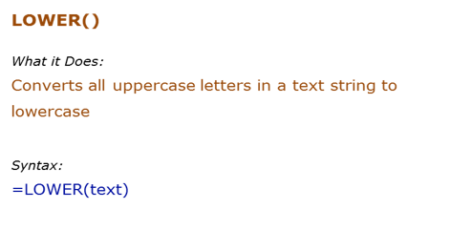
Data Used in Formula
HELLO | HelLo

Formula | Result | Description
 | hello | All upper case alphabets are converted to lower case
 | hello | All upper case alphabets (in cell A2) are converted to lower case

PROPER()
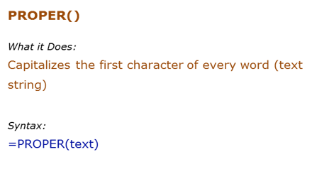
Data Used in Formula
acciOjobS
It's Awesome

Formula | Result | Description
 | Acciojobs | Capitalizes the first alphabet of the word, and rest all are converted to lower case
 |  | Capitalizes the first alphabet of each word, and rest all are converted to lower case

UPPER()
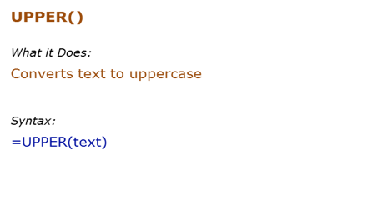
Data Used in Formula
hello | HelLo

Formula | Result | Description
 | HELLO | All lower case alphabets are converted to upper case
 | HELLO | All lower case alphabets (in cell B3) are converted to upper case

FIND()
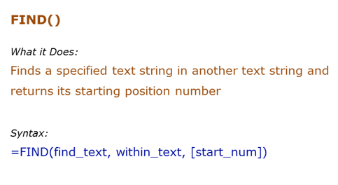
Data Used in Formula
Excel | E
Excellent Excel |  | 4

Formula | Result | Description
=FIND("E",B3) | 1 | Finds the first occurrence of "E" in Excel. Since we did not give the start number, it used the default value of 1
=FIND("E",B4,2) | 11 | Finds the first occurrence of "E" in Excel. Specified the start number as 1 in this case.

Acciojob | A | 1
 | c | 2 | 4 | =FIND("i",B12)
 | c | 3
 | i | 4
 | o | 5
 | j | 6
 | o | 7
 | b | 8

REPLACE()
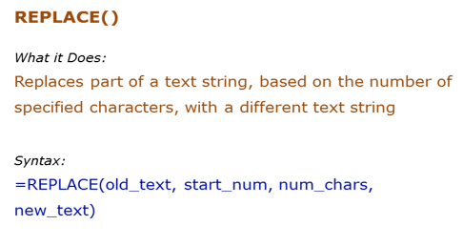
Data Used in Formula
abcdefghij
acciojobs@gmail.com

Formula | Result | Description
=REPLACE(B3,5,4,"*") | abcd*ij | Starts from the 5th character ("e") and replace 4 characters (efgh)with an asterisk (*)
=REPLACE(B4,9,100,"") | acciojobs | Removes the "gmail.com" with a blank

acciojobs@gmail.com | acciojobs

SUBSTITUTE()
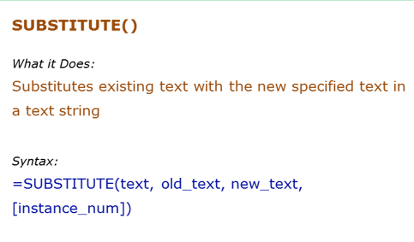
Data Used in Formula
abcdabcdabcd

Formula | Result | Description
=SUBSTITUTE(B3,"a","Z") | ZbcdZbcdZbcd | Replaced the first "a" by "Z".
=SUBSTITUTE(B3,"a","Z",3) | abcdabcdZbcd | Replaced the third "a" by "Z".
 | abcdZbcdZbcd

INT function
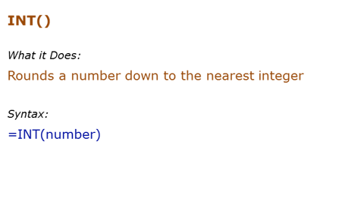
Data Used in Formula
12.2 |  | 12
12.9 |  | 12 | -14
-12.2 |  | -13

Formula | Result | Description
 |  | Returns the integer part
 |  | Returns the integer part
 |  | If negative, returns the integer part by rounding away from 0

Rand()
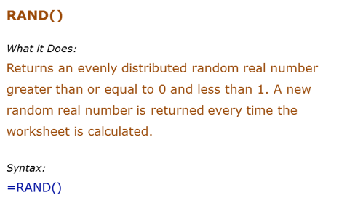
Formula | Result | Description
 |  | Returns a random number between 0 and 1. It changes when ever there is any calculation or when F9 is pressed

 | 0.35005643616

 | 6

Round()
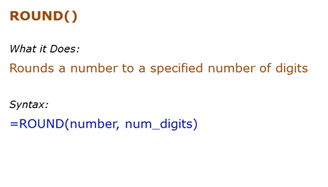
Formula | Result | Description
=ROUND(500.51,1) |  | Rounds to 1 decimal place
 | 500.6 | Rounds to 1 decimal place

12.955

152564.54565
152564.55

