Row
 |  |  |  | Row()

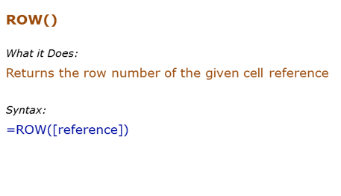
Formula | Result | Commentary
=ROW() |  | Returns the row number of the current cell
 |  | Returns the row number of the specified cell. Here in C6, the row number is 6

 |  |  | 11

 |  |  | 8

Rows
 |  |  |  | Rows()

Formula | Result | Commentary
 |  | Returns the number of rows covered in the array A1:A1 (which is 1 row) |  | 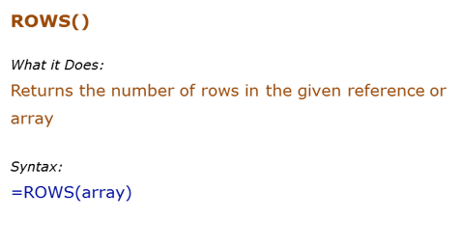
 |  | Returns the number of rows covered in the array b116:b119

 |  |  | 2

 |  |  | 5

Column
 |  |  |  | Column()

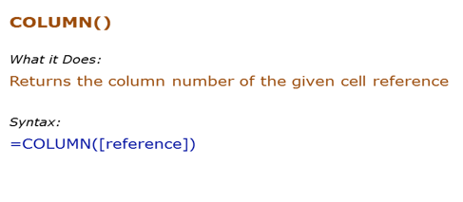
Formula | Result | Commentary
 |  | Returns the column number of the current cell
 |  | Returns the Column number of the specified cell. Here in D11, the Column number is 4

 |  |  | 7
 |  |  |  | 4

Columns
 |  |  |  |  |  | Columns()

Formula | Result | Commentary
 |  | Returns the number of Columns covered in the array A1:A1 (which is 1 column) |  |  | 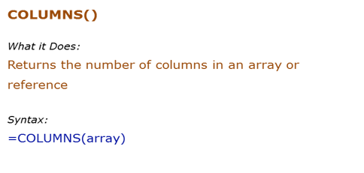
 |  | Returns the number of columns covered in the array A1:B1 (which is 4 columns)
 |  | Returns the number of columns covered in the array {1,2,3;4,5,6}. Note that comma denotes column and semi-colon denotes row
 |  |  |  | Excel | 15.8 | 8
 |  |  |  | Power BI
 |  |  |  | Tableau
 |  |  |  | Spotfire
 |  |  | 1 | Quicklook
 |  |  | 2

Vlookup
 |  |  |  |  | VLookup

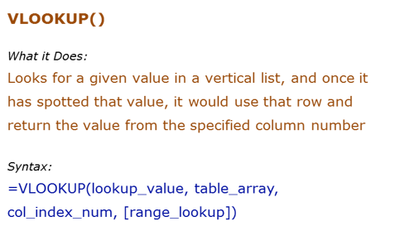
Data Used in Formula
Sales Person | Qaurter | Sales
Arjun | Q1 2014 | 1000
Jane | Q2 2013 | 2000
Tom | Q4 2013 | 3000

Formula | Result | Description
 | Q4 2013 | Look up and return the quarter value for Tom
 | 3000 | Look up and return the sales value for Tom
 |  | Looks for 1500 in d6:d8, and returns the largest value smaller than the lookup value. The list needs to be sorted in ascending order or else the result could be wrong
 | #N/A | In case of exact match, if the value is not found, it returns an error
=VLOOKUP("T*",B5:D8,3,1) | 2000 | Looks for T in Arjun, Jane and Tom, and settles for Jane (as Tom has higher value than T). Returns the value of 2nd row from the third column

Xlookup

 |  |  | 1000 | 1000
 |  |  | 2000
 |  |  | 4000
 |  |  | 5000

 |  |  | 1000 | 1000
 |  |  | 2000
 |  |  | 4000
 |  |  | 5000

 |  |  |  |  |  | 2 | 9
 |  |  |  |  |  | 4
 |  |  |  |  |  | 9
 |  |  |  |  |  | 13
 |  |  |  |  |  | 24

Hlookup
 |  |  |  | Hlookup()

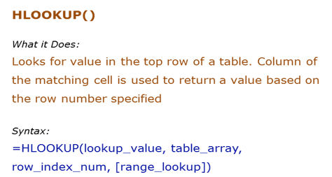
Data Used in Formula
Fruit | Apple | Banana | Orange
Quantity | 10 | 12 | 5
Price | $5 | $1.20 | $2.10

Formula | Result | Description
=HLOOKUP("Apple",B7:E8,2,0) | 10 | Returns the quantity of Apple by spotting position of Apple in the list and returning the value from the second row.
 | $5 | Returns the price of Apple by spotting position of Apple in the list and returning the price from the third row
 | #N/A | if exact match is not found then return error
 |  | This is the case of appoximate match

Index
 |  |  |  |  |  | Index()

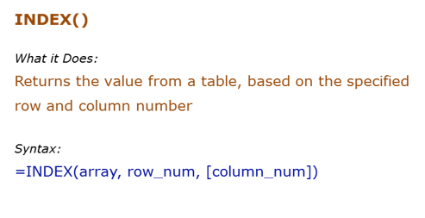
Data Used in Formula
Sales Person | Q1 2013 | Q2 2013 | Q3 2014 | Q4 2014
Tom | 3500 | 3800 | 1200 | 3800
Jane | 3700 | 2800 | 2900 | 2700
Arjun | 1300 | 1100 | 1200 | 4800

Formula | Result | Description
=INDEX(B8:F11,2,2) | 3500 | Returns the value from 2nd row and 2nd column of the array
 | Tom | three reference array has been select in the formula , they they are selecting 2nd row , 1st columns
 |  | If the row number or column number is 0, it returns the entire row or column number. Notice that while the formula INDEX(B3:E5,1,0) returns the entire column, it will show only the first value in the cell. However, when you SUM it, it adds the entire row

 | Jane | 3700 | 2800 | 2900 | 2700
 | #REF!

Match
 |  |  |  | Match()

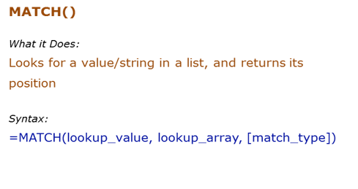
Data Used in Formula
Tom | 1000 | 3000
Jane | 2000 | 2000
Arjun | 3000 | 1000 | 2

Formula | Result | Description
 | 1 | Returns the position of Tom from the list
 | 1 | Returns the position of 1000 from the list
 | 1 | Returns the position as 1, as 1500 is higher than 1000, but lower than 2000. Since there is no exact match, it returns the value lower than the look up value (when sorted in ascending order) | #N/A
 |  | Returns error as the list is not sorted in descending order

Indirect
 |  |  |  |  |  | Indirect ()

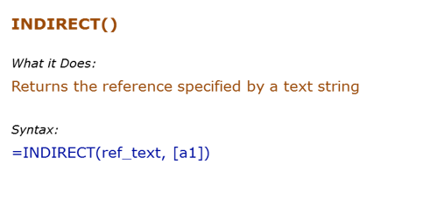
Data Used in Formula
3
Hello
A3

Formula | Result | Commentary
 |  | Returns the value in Cell b7

 |  |  |  | 5 | 6

 | 5 |  |  | 5 |  |  | 5
 |  |  |  |  |  |  | 6
 |  |  |  | Student | Marks |  | 4
 |  |  |  | S1 | K16:K19 |  | 3
 |  |  |  | S2 | L16:L19

 |  |  | 18

