Components
Components |  |  |  | How many sheets we can add in one excel Workbook
 | Workbook
 | Worksheet

 | Column | Alphabets
 | Row | Numbers
 | Cell
 |  | Cell Address | E9

 | Menus /Tabs

 | Ribbon

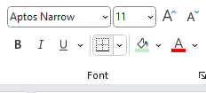
 | Group

 | Command

Formulae Bar | Siraj
 | 2024-09-21

Name Box

Customize The Menu
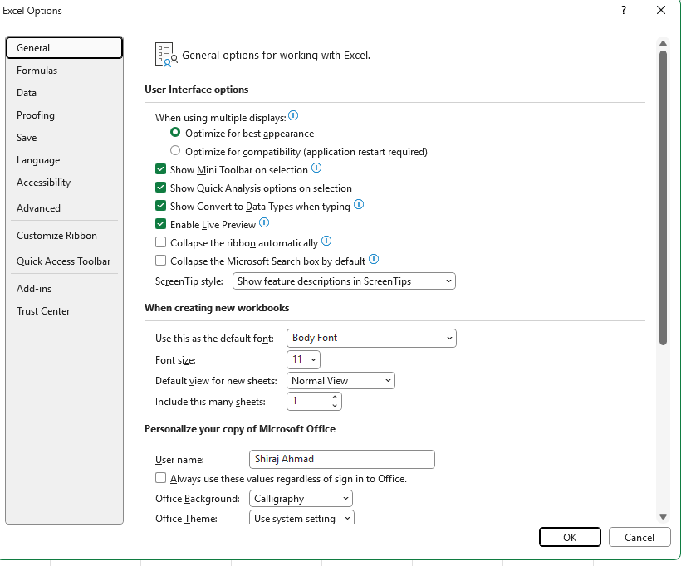
Steps
 | Go to File Menu
 | Click On Options

 | Click on Customize Ribbon
 | Click On New Tab
 | Rename => Ali

 | Create New Menu Add 3 Groups each group should contain 3 commands

