Sum
 |  |  | Sum()

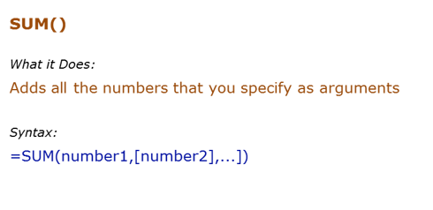
Data Used in Formula
10
20
30

Formula | Result | Commentary
=SUM(C6,C7,C8) | 60 | Adds value in C6 to C8
=SUM(C6:C7,C8) | 60 | Adds value in C6 to C7, and C8

Sumif
 |  |  | Sumif()

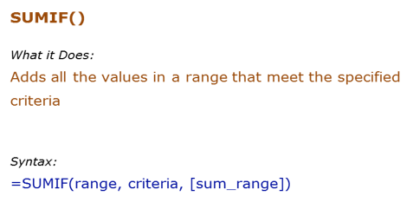
Data Used in Formula
Ankit | 100
Jane | 200
Arjun | 400
Ankit | 700

Formula | Result | Commentary
 |  | Adds all the values more than 200 (400+700)
 |  | Adds all the values for Ankit (100+700)
 |  | Adds the values for all the names that have the alphabet "a" in it (200+400)

Sumifs
 |  |  | Sumifs()

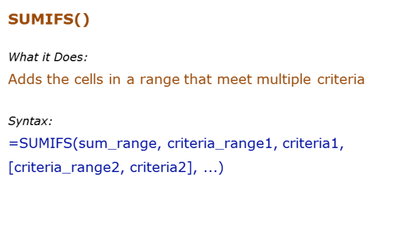
Data Used in Formula
Tom | 100
Jane | 200
Arjun | 400
Tom | 700

Formula | Result | Commentary
=SUMIFS(C6:C9,C6:C9,">100",C6:C9,"<500") | 600 | Adds all the values greater than 100 and less than 500 (200+400)
=SUMIFS(C6:C9,B6:B9,"*a*",B6:B9,"J*") | 200 | Adds all the values for sales person whose name contains the alphabet "a" and whose name starts with "J"
=SUMIFS(C6:C9,B6:B9,"<>Tom") | 600 | Adds the values for all the names are not equal to "Tom" and whose sales are more than 200

Count
 |  |  | Count()

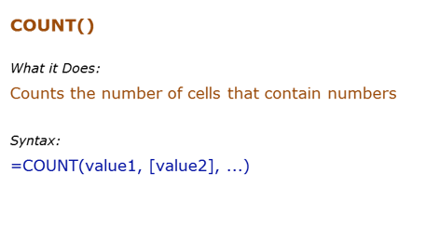
Data Used in Formula
1
2

hello
#DIV/0!
2014-03-03

Formula | Result | Commentary
 |  | Counts the cells that has number in it
 |  | Counts the cells that are not empty
 |  | Count the cells that are blank

Countif
 |  |  | Countif()

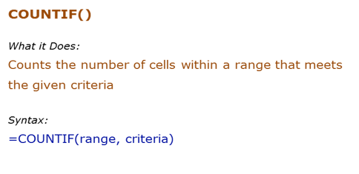
Data Used in Formula
Fruit | Quantity
Apple | 10
Banana | 21
Orange | 12
Apple | 4

Formula | Result | Commentary
 |  | Counts all the cells that have value greater than 10
 |  | Counts all cells that have text with "a" in it
 |  | Counts all cells that have the text "Apple" in it
 |  | Count all the cells that have text in it

Countifs
 |  |  | Countifs()

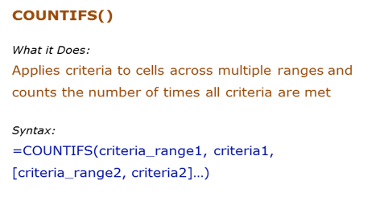
Data Used in Formula
Fruit | Quantity
Apple | 10
Banana | 21
Orange | 12
Apple | 4

Formula | Result | Commentary
 |  | Counts all the cells in B3:B6 that have value greater than 10 and at the same time, cells A3:A6 which have text that contains alphabet "a"
 |  | Counts all cells that have text with "a" in it
 |  | Counts all cells A3:A6 that have the text "Apple" in it and at the same time cell B3:B6 that have value greater than 20

Average
 |  |  |  | Average()

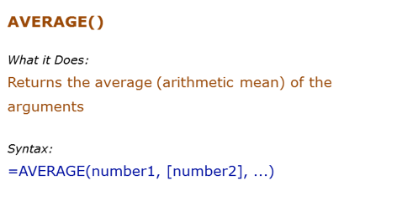
Data Used in Formula
10 | 12.333333333 | 37 | 4
12 |  | 9.25
15

0

Formula | Result | Commentary
=AVERAGE(C7:C11) | 9.25 | Returns average of C64 TO C66
=AVERAGE(C7:C9,20) | 14.25 | Returns average of C64:C66 and 20
 |  | Returns average of C64:C67. Since C67 is blank, it is ignored (blanks and text are ignored)
 |  | Returns average of b2:b6. Since b5 is blank, it is ignored. Since b6 has 0, it is taken into calculation

 |  | 1 |  | 2.75
 |  | 2 |  | 2.75
 |  | 3
 |  | a

 |  | 5
 |  | 0

Averageif
 |  |  | AverageIF()

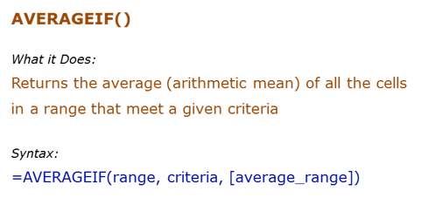
Data Used in Formula
Ankit | 10
JJ | 12
Arjun | 15
Ankit | 12
Ankit | 0

Formula | Result | Commentary
 |  | Averages all the values for Ankit
 |  | Averages all the values for names that have alphabet "a" in it
 |  | Average values that are greater than 10

Averageifs
 |  |  | AverageIFs()

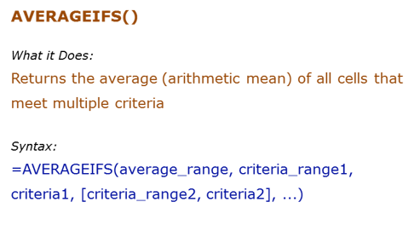
Data Used in Formula
Fruit | Quantity | Price
Apple | 10 | ₹ 20.00
Banana | 21 | ₹ 7.00
Orange | 12 | ₹ 12.00
Papaya | 4 | ₹ 32.00

Formula | Result | Commentary
=AVERAGEIFS(D8:D11,C8:C11,">10",B8:B11,"<>Papaya") | 9.5 | Averages when the quantity is greater than 10 and the fruit is not Papaya
=AVERAGEIFS(D8:D11,D8:D11,">15",B8:B11,"*p*") | 26 | Averages price when price is greater than $15 and fruit name has "p" alphabet in it

Sumproduct
 |  |  |  |  | Sumproduct()

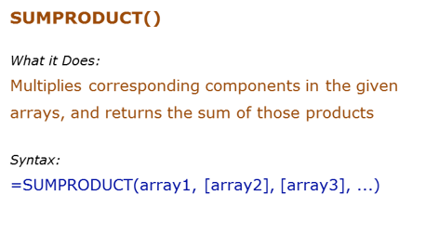
Data Used in Formula
1 | 5 | 10
2 | 6 | 11
3 | 7 | 12
4 | 8 | 13

Formula | Result | Commentary
 |  | Multiplies each value of b90:b93 to the corresponding value of B2:B5, and then adds all the values (1*5+2*6+3*7+4*8)

 |  | The size of all the arrays should be the same, or else it gives an error

 |  | Unit Price | Quantity
 |  | 15 | 5 | 75
 |  | 20 | 10 | 200
 |  | 10 | 25 | 250
 |  |  |  | 525

 |  |  | 525

