Sum
 |  |  |  | Sum()

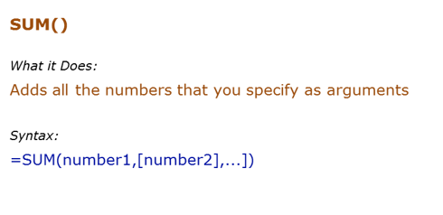
Data Used in Formula |  |  | Individual Value
10 |  |  | Range
20
30

Formula | Result | Commentary
=SUM(C6,C8) | 40 | Adds value in C6 and C8
=SUM(C6:C7,C8) |  | Adds value in C6 to C7, and C8
 |  | Adds value in C6 to C8

Coil | Head | Eat Lucknowi Biryani
 | Tail | Kol

Criteria/Condition | TRUE
 | FALSE

Sumif
 |  |  | Sumif()

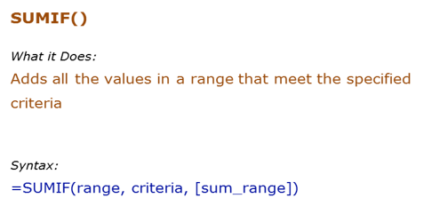
Data Used in Formula
Ankit | 100
Jane | 200
Arjun | 400
Ankit | 700

Formula | Result | Commentary
=SUMIF(D8:D11,">200") |  | Adds all the values more than 200 (400+700)
 |  | Adds all the values for Ankit (100+700)
 |  | Adds the values for all the names that have the alphabet "a" in it (200+400)

Sumifs
 |  |  | Sumifs()

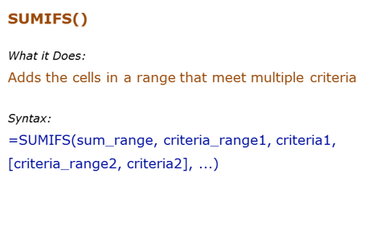
Data Used in Formula
Tom | 100
Jane | 200
Arjun | 400
Tom | 700

Formula | Result | Commentary
 |  | Adds all the values greater than 100 and less than 500 (200+400)
 |  | Adds all the values for sales person whose name contains the alphabet "a" and whose name starts with "J"
 |  | Adds the values for all the names are not equal to "Tom" and whose sales are more than 200

Count
 |  |  | Count()

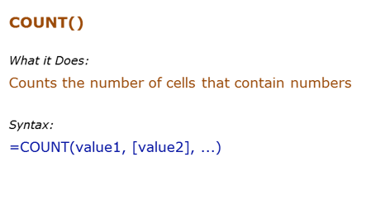
Data Used in Formula
1
2

hello
#DIV/0!
2014-03-03

Formula | Result | Commentary
=COUNT(B7:B12) | 3 | Counts the cells that has number in it
=COUNTA(B7:B12) | 5 | Counts the cells that are not empty
=COUNTBLANK(B7:B12) | 1 | Count the cells that are blank

6

Countif
 |  |  | Countif()

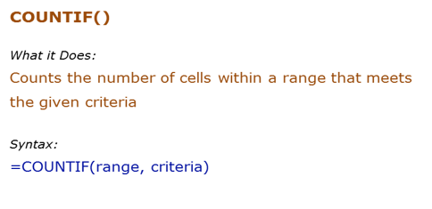
Data Used in Formula
Fruit | Quantity
Apple | 10
Banana | 21
Orange | 12
Apple | 4

Formula | Result | Commentary
=COUNTIF(D8:D11,">10") | 2 | Counts all the cells that have value greater than 10
=COUNTIF(C8:C11,"*a*") | 4 | Counts all cells that have text "a" in it
=COUNTIF(C8:C11,"Apple") | 2 | Counts all cells that have the text "Apple" in it
=COUNTIF(C8:D11,"?*") | 4 | Count all the cells that have text in it

Countifs
 |  |  | Countifs()

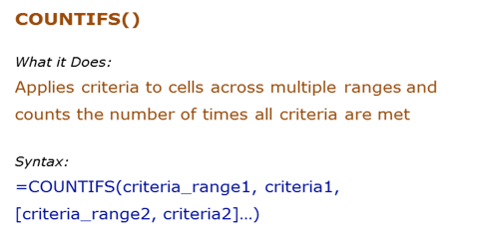
Data Used in Formula
Fruit | Quantity
Apple | 10
Banana | 21
Orange | 12
Apple | 4

Formula | Result | Commentary
=COUNTIFS(C8:C11,">10",B8:B11,"*a*") | 2 | Counts all the cells in Quantity that have value greater than 10 and at the same time, cells Fruit which have text that contains alphabet "a"
=COUNTIFS(B8:B11,"*a*") | 4 | Counts all cells that have text "a" in it
=COUNTIFS(B8:B11,"Apple",C8:C11,">20") | 0 | Counts all Fruits that have the text "Apple" in it and at the same time Quantity that have value greater than 20

Average
 |  |  | Average()

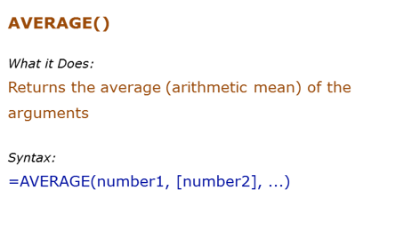
Data Used in Formula
10
12
15

0

Formula | Result | Commentary
=AVERAGE(C7:C9 | 12.333333333 | Returns average of C64 TO C66
=AVERAGE(C7:C9,20) |  | Returns average of C7:C9 and 20
=AVERAGE(C7:C9,C11) | 9.25 | Returns average of C7:C9 and C11
=AVERAGE(C7:C11) | 9.25 | Returns average of C64:C67. Since C67 is blank, it is ignored (blanks and text are ignored)
 |  | Returns average of b2:b6. Since b5 is blank, it is ignored. Since b6 has 0, it is taken into calculation

Averageif
 |  |  | AverageIF()

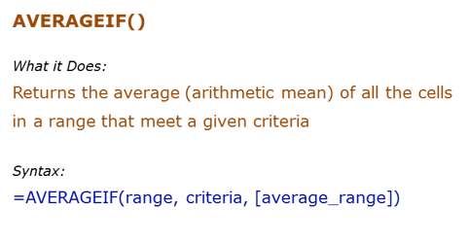
Data Used in Formula
Ankit | 10
JJ | 12
Arjun | 15
Ankit | 12
Ankit | 0

Formula | Result | Commentary
=AVERAGEIF(B7:B11,"Ankit",C7:C11) | 7.3333333333 | Averages all the values for Ankit
=AVERAGEIF(B7:B11,"*a*",C7:C11) | 9.25 | Averages all the values for names that have alphabet "a" in it
=AVERAGEIF(C7:C11,">10") | 13 | Average values that are greater than 10

Averageifs
 |  |  | AverageIFs()

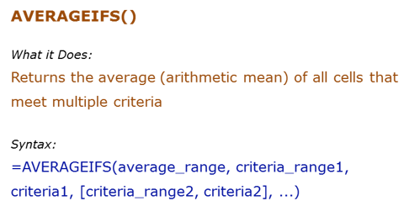
Data Used in Formula
Fruit | Quantity | Price
Apple | 10 | ₹ 20.00
Banana | 21 | ₹ 7.00
Orange | 12 | ₹ 12.00
Papaya | 4 | ₹ 32.00

Formula | Result | Commentary
=AVERAGEIFS(C8:C11,C8:C11,">10",B8:B11,"<>Papaya") | 16.5 | Averages when the quantity is greater than 10 and the fruit is not Papaya
=AVERAGEIFS(D8:D11,D8:D11,">15",B8:B11,"*p*") | 26 | Averages price when price is greater than $15 and fruit name has "p" alphabet in it

Sumproduct
 |  |  |  | Sumproduct()

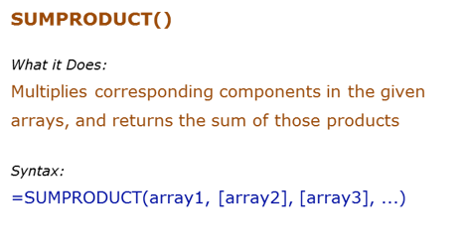
Data Used in Formula
1 | 5 | 10 | 50
2 | 6 | 11 | 132
3 | 7 | 12 | 252
4 | 8 | 13 | 416
 |  |  | 850

Formula | Result | Commentary
=SUMPRODUCT(B6:B9,C6:C9) | 70 | Multiplies each value of b90:b93 to the corresponding value of B2:B5, and then adds all the values (1*5+2*6+3*7+4*8)
=SUMPRODUCT(B6:B9,C6:C9,D6:D9) | 850
=SUMPRODUCT(B6:B10,C6:C9,D6:D9) | #VALUE! | The size of all the arrays should be the same, or else it gives an error

1
2
 |  |  | 1
 |  |  | 2
 |  |  |  |  | 1
 |  |  |  |  | 2

9

