Intro_to_Data_Science
Why Data Science | What is Data Science

Salary / Paisa | Predictive Modeling
Long lasting survival rate | Getting Insight
 | Extract Meaningful insight

 | Data Visualization
 | Data Analytics
 | AI
 | Business Intelligence

 | AI
 | Data Science
 | Data Visualization
 | Data Analytics

Roles

Data Analyst | Analyse The data Give insights | Dashboard | Data Architect | Business Analyst
Data Engineer | Ingest Transform Clean ETL | Tables /Database | Solution Architect | Financial Analyst
Data Scientist | Pridictive Models |  | Project Manager | Risk Analyst
ML Engineer |  |  | Database Admin | Quality Analyst
AI Engineer | NLP LLM | ChatGPT |  | MIS Analyst
Prompt Engineer |  |  |  | HR Analyst

1. What is Artificial Intelligence (AI)?

Definition: Artificial Intelligence (AI) is a field of computer science focused on creating machines and software that can perform tasks that would normally require human intelligence. These tasks include recognizing speech, making decisions, visual perception, and language translation.
Goal: The primary goal of AI is to enable machines to think, learn, and adapt on their own, often through the use of algorithms and vast datasets.
Examples: AI is used in self-driving cars, virtual assistants like Siri and Alexa, recommendation systems on Netflix or YouTube, and fraud detection systems in banking.

2. What is Data Science?

Definition: Data Science is an interdisciplinary field that combines statistics, programming, machine learning, and domain knowledge to extract insights and patterns from data.
Goal: The main goal of data science is to analyze and understand data to make predictions or support decision-making. Data scientists often work on building models that can identify trends or predict future outcomes.
Tools and Skills: Data Science requires knowledge of programming languages like Python or R, statistical analysis, machine learning algorithms, and data visualization tools.
Examples: Applications of data science include recommendation systems, predictive analytics, and customer segmentation.

3. What is Data Analysis?

Definition: Data Analysis is the process of inspecting, cleaning, transforming, and interpreting data to find useful information, draw conclusions, and support decision-making.
Goal: Data analysis aims to answer specific questions or solve problems by making sense of the data at hand. It is more focused on historical data and finding patterns, rather than making predictions.
Tools and Skills: Common tools for data analysis include Excel, SQL, Power BI, and Tableau. Analysts also use basic statistics to summarize and visualize data.
Examples: Data analysis is used for reporting on sales performance, tracking user engagement on a website, and analyzing customer feedback.

Different Data Roles and Their Differences

Understanding the various roles in the data field is crucial for students to know which skills and career paths they may want to pursue. Here’s a breakdown of common data roles and their responsibilities.

1. Data Analyst

Responsibilities: Data Analysts collect, process, and analyze data to support decision-making. They create reports, dashboards, and visualizations to help stakeholders understand the data.
Skills Needed: Proficiency in Excel, SQL, data visualization tools (like Power BI or Tableau), and basic statistical analysis.
Focus: Primarily descriptive analysis – looking at historical data to find patterns or insights.
Example: Analyzing customer data to determine which products are most popular.

2. Data Scientist

Responsibilities: Data Scientists use advanced statistical and machine learning techniques to analyze data, build predictive models, and derive actionable insights.
Skills Needed: Programming (Python, R), machine learning, statistical analysis, data wrangling, and data visualization.
Focus: Predictive analysis – creating models that can predict future outcomes based on historical data.
Example: Developing a recommendation engine for a streaming service like Netflix.

3. Machine Learning (ML) Engineer

Responsibilities: ML Engineers focus on building, deploying, and optimizing machine learning models. They work closely with Data Scientists to take predictive models and integrate them into production systems.
Skills Needed: Strong programming (Python, Java, etc.), understanding of ML frameworks (TensorFlow, PyTorch), software engineering skills, and model optimization.
Focus: Operationalizing AI/ML models to perform tasks in real-time or on a large scale.
Example: Deploying a fraud detection model in a bank’s transaction system.

4. Data Engineer

Responsibilities: Data Engineers build and maintain the infrastructure that allows data to flow from various sources to be used for analysis. They create data pipelines, ensure data quality, and manage large databases.
Skills Needed: SQL, Python, big data tools (e.g., Hadoop, Spark), cloud platforms (AWS, Google Cloud), and data warehousing.
Focus: Ensuring data accessibility and reliability for analysts and scientists.
Example: Building a pipeline to pull in data from multiple sources and load it into a central database.

5. Business Analyst

Responsibilities: Business Analysts focus on using data to improve business processes and support strategic decisions. They often act as a bridge between data teams and business stakeholders.
Skills Needed: Knowledge of business processes, data analysis, communication, and problem-solving.
Focus: Understanding the business side of data and making recommendations for improvements.
Example: Analyzing sales data to identify new market opportunities.

6. AI Engineer

Responsibilities: AI Engineers develop and implement AI solutions that often go beyond traditional machine learning. This can include natural language processing (NLP), computer vision, and deep learning.
Skills Needed: Deep knowledge of AI frameworks, programming, deep learning techniques, and experience with neural networks.
Focus: Implementing AI models that can perform complex tasks that typically require human intelligence.
Example: Creating a chatbot that understands and responds to customer inquiries.

7. Data Architect

Responsibilities: Data Architects design the architecture for data systems, ensuring data is structured, organized, and stored in a way that meets the needs of the organization.
Skills Needed: Database management, data modeling, cloud infrastructure, and knowledge of data governance.
Focus: Defining how data is stored, accessed, and managed across the organization.
Example: Designing a data warehouse for a large retail company to store transactional and customer data.

Summary of Differences

Data Analysts focus on understanding historical data and generating reports.
Data Scientists build models to make predictions and find insights.
ML Engineers work on deploying and optimizing models in production.
Data Engineers create data pipelines and ensure data is available for analysis.
Business Analysts use data insights to drive business strategies.
AI Engineers focus on building intelligent systems that can perform tasks autonomously.
Data Architects design the data infrastructure to support all other data roles.

AI, Data Science, Data Visualization, and Data Analytics are interconnected fields within the broader realm of data. Here’s how they relate to each other:

1. Data Analytics

Definition: Data Analytics involves examining raw data to find trends, insights, and patterns that help in making informed business decisions.
Scope: It’s primarily focused on descriptive and diagnostic analysis—understanding what happened and why it happened.
Role in the Data Ecosystem: Data Analytics serves as the foundation. Analysts use statistical techniques and tools to extract useful information from data and produce reports or visualizations.
Example: A Data Analyst might examine sales data to determine which products are performing best.

2. Data Visualization

Definition: Data Visualization is the graphical representation of data. It transforms raw data into visual elements like charts, graphs, and maps.
Scope: Primarily used to make data easier to interpret, especially for non-technical stakeholders. Visualizations help reveal patterns, trends, and insights that may not be obvious in raw data.
Role in the Data Ecosystem: It acts as a bridge between data analysis and decision-making. Data Visualizations allow insights derived from data analytics to be presented clearly and understandably.
Example: A Data Analyst might use a line chart to show a company’s sales growth over the past year, making it easy for stakeholders to grasp performance trends.

3. Data Science

Definition: Data Science is an interdisciplinary field that combines statistical analysis, machine learning, and domain knowledge to understand data and build predictive models.
Scope: While Data Analytics answers “what” and “why,” Data Science goes further to answer “what will happen next” and “how can we make it happen.” It includes building models that make predictions or classifications based on data.
Role in the Data Ecosystem: Data Science often builds on the work done in Data Analytics, using deeper statistical methods and machine learning techniques to develop predictive models and discover patterns.
Example: A Data Scientist might use machine learning algorithms to predict which customers are likely to churn based on past behaviors.

4. Artificial Intelligence (AI)

Definition: AI refers to the development of systems that can perform tasks typically requiring human intelligence, such as learning, decision-making, and problem-solving.
Scope: AI includes machine learning (a key part of Data Science) but goes beyond it by enabling systems to perform actions autonomously or with minimal human intervention.
Role in the Data Ecosystem: AI is the most advanced stage in the data ecosystem. It often builds on data science models and is used to automate decision-making processes or create intelligent systems that can adapt to new information.
Example: AI is used in recommendation systems (like Netflix or Amazon), where the system learns and adapts to user preferences based on past behavior and data.

How They Interconnect

1. Data Analytics and Data Visualization: Data Analytics provides the raw insights, and Data Visualization makes those insights accessible and understandable through visual representation.

2. Data Analytics and Data Science: Data Science builds on the findings of Data Analytics. Where Data Analytics may focus on past and current data, Data Science uses those insights to create models that predict future outcomes or identify deeper patterns.

3. Data Science and AI: Data Science techniques, especially machine learning, are foundational for AI. AI uses Data Science models to enable machines to "think" or "learn" from data and make autonomous decisions.

4. AI and Data Analytics/Visualization: AI can also be used to enhance data analytics and visualization. For instance, AI-driven tools can automatically analyze data and generate visualizations, making it easier to identify trends and insights without manual analysis.

Visual Summary

You can imagine this as a progression:

1. Data Analytics (understanding data) →
2. Data Visualization (communicating data) →
3. Data Science (modeling data for predictions) →
4. AI (making autonomous decisions based on data)
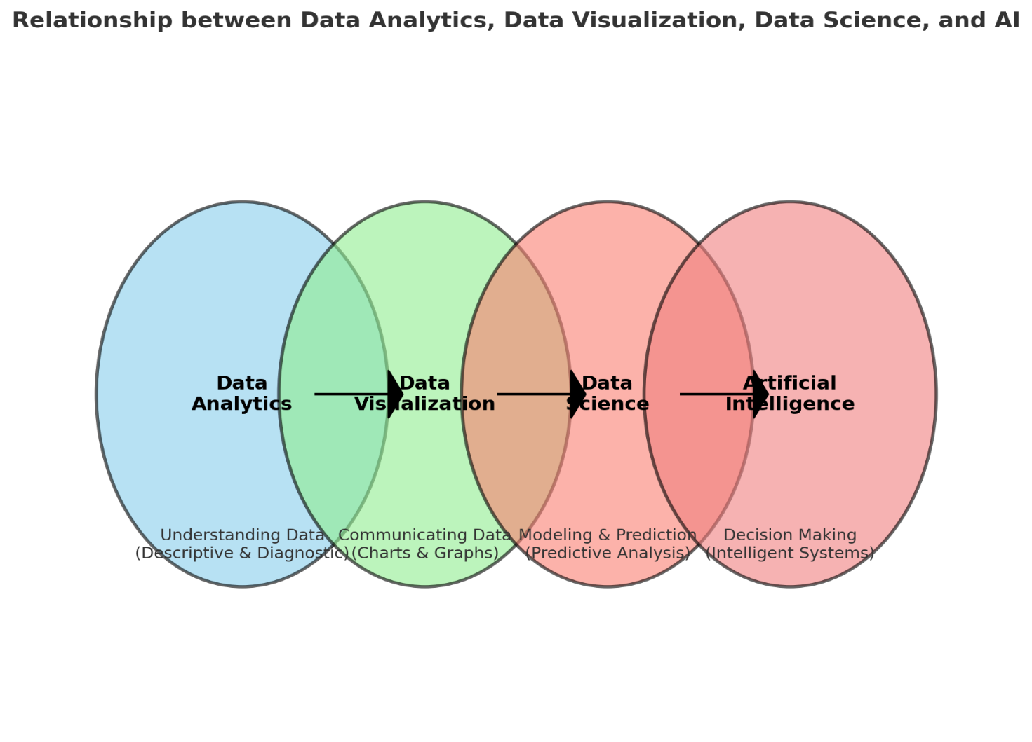

Business Intelligence (BI) is another key field closely related to Data Analytics, Data Science, Data Visualization, and AI. Here’s how BI fits into this ecosystem:

What is Business Intelligence?

Definition: Business Intelligence (BI) refers to the technologies, applications, and practices used to collect, integrate, analyze, and present business information. BI helps organizations make data-driven decisions to improve business outcomes.
Goal: The main goal of BI is to provide historical, current, and predictive views of business operations, supporting better decision-making at all levels of the organization.

How BI Relates to Other Data Fields

1. Data Analytics and BI: BI often relies on Data Analytics to extract insights from historical data, such as sales or performance data. Data Analytics focuses on transforming raw data into actionable insights, which BI systems then use to create reports and dashboards.

2. Data Visualization and BI: Data Visualization is a core component of BI, allowing business users to interpret complex data easily. BI tools like Power BI, Tableau, and Looker heavily rely on visualizations to represent data insights in a meaningful way.

3. Data Science and BI: While BI focuses on descriptive and diagnostic insights (looking at past and present data), Data Science adds a predictive element, enabling BI to include forecasts and deeper statistical analyses. Some advanced BI systems incorporate data science models to predict trends and automate certain insights.

4. Artificial Intelligence and BI: AI enhances BI by introducing automation and advanced analytics. For example, AI can automate data analysis tasks, provide predictive analytics, and offer recommendations, making BI tools more powerful and insightful.

Example of Business Intelligence in Action

Sales Performance Tracking: A BI tool might aggregate sales data across different regions, allowing managers to identify which regions are performing well and which need improvement. By integrating data visualization and analytics, the BI system can help make data-driven decisions to optimize sales strategies.

Summary

Business Intelligence acts as a bridge between raw data and actionable insights, providing businesses with a comprehensive view of their operations. While it shares common ground with Data Analytics and Data Visualization, BI is more focused on business applications, supporting day-to-day decision-making with easy-to-understand dashboards and reports.

Data Analyst:

Role: Examines data to find trends and patterns, providing insights to help make data-driven decisions.
Skills Needed: SQL, Excel, data visualization tools (like Tableau, Power BI), and basic statistics.
Focus: Descriptive analytics – answering "what happened" questions.

Data Engineer:

Role: Builds and maintains the infrastructure (pipelines, databases) that enables data analysis and ensures data quality.
Skills Needed: SQL, Python, big data tools (e.g., Hadoop, Spark), and cloud platforms.
Focus: Data accessibility and quality, often dealing with data preparation for analysis.

Business Analyst:

Role: Analyzes business processes and data to identify areas for improvement and support strategic decisions.
Skills Needed: Business process knowledge, basic data analysis, Excel, and communication skills.
Focus: Bridging the gap between business needs and data insights.

Financial Analyst:

Role: Analyzes financial data to help organizations make economic decisions regarding investments, budgeting, and forecasting.
Skills Needed: Financial modeling, Excel, financial analysis, and data visualization.
Focus: Finance-focused data analysis, often dealing with budgets, forecasts, and financial performance.

Risk Analyst:

Role: Identifies and assesses potential financial or operational risks for an organization.
Skills Needed: Risk assessment, statistical analysis, financial modeling, and data analysis.
Focus: Quantifying and managing risks associated with investments, products, or operations.

Quality Analyst:

Role: Ensures data quality, accuracy, and integrity within datasets or data processing workflows.
Skills Needed: Knowledge of quality control standards, attention to detail, data validation techniques.
Focus: Data quality control to support accuracy in data-driven processes.

Data Scientist:

Role: Uses advanced statistical and machine learning techniques to analyze data and make predictions.
Skills Needed: Programming (Python, R), machine learning, statistics, data wrangling.
Focus: Building predictive models and deriving actionable insights from data.

ML Engineer:

Role: Develops, deploys, and optimizes machine learning models for production use.
Skills Needed: Strong programming, ML frameworks (TensorFlow, PyTorch), and software engineering skills.
Focus: Integrating models into real-world applications and optimizing them for performance.

AI Engineer:

Role: Builds AI applications and systems that mimic human intelligence, such as natural language processing or computer vision.
Skills Needed: Deep knowledge of AI frameworks, neural networks, deep learning, and programming.
Focus: Developing intelligent systems that can learn and adapt to perform complex tasks autonomously.

Prompt Engineer:

Role: Designs and fine-tunes prompts for language models like GPT to generate accurate and useful responses.
Skills Needed: Natural language processing, understanding of language model behavior, creativity.
Focus: Optimizing AI interactions, especially in conversational AI and content generation.

Data Architect:

Role: Designs and manages data infrastructure to ensure data is available, secure, and structured efficiently.
Skills Needed: Database management, data modeling, cloud infrastructure, data governance.
Focus: Structuring data systems that support an organization's analytical and operational needs.

Business Analyst:

Role: Analyzes business processes, identifies areas for improvement, and suggests solutions to enhance efficiency and effectiveness.
Skills Needed: Process analysis, data analysis, Excel, communication, and problem-solving.
Focus: Bridging the gap between business needs and technology solutions, often working closely with stakeholders to improve business outcomes.

Financial Analyst:

Role: Examines financial data to help businesses make informed economic decisions regarding investments, budgeting, and forecasting.
Skills Needed: Financial modeling, Excel, accounting principles, data analysis, and visualization.
Focus: Providing insights into financial performance, managing budgets, and supporting strategic financial planning.

Risk Analyst:

Role: Identifies, assesses, and manages risks that could impact a business, especially in financial or operational contexts.
Skills Needed: Risk assessment, statistical analysis, financial modeling, and industry-specific knowledge.
Focus: Minimizing potential losses by evaluating the likelihood and impact of different types of risks and recommending mitigation strategies.

Quality Analyst:

Role: Ensures that processes, products, or services meet established quality standards and regulatory requirements.
Skills Needed: Attention to detail, quality control methodologies, data validation, and problem-solving.
Focus: Monitoring quality in operations and implementing improvements to maintain high standards in product or service delivery.

MIS (Management Information Systems) Analyst:

Role: Manages and maintains systems that collect and report data to support decision-making in an organization.
Skills Needed: Database management, Excel, data visualization, and knowledge of reporting tools.
Focus: Creating and managing reports that provide insights into various business functions, often to improve operational efficiency.

HR Analyst:

Role: Analyzes HR data to help optimize human resources strategies, such as employee engagement, recruitment, and retention.
Skills Needed: Data analysis, Excel, knowledge of HR metrics, and communication skills.
Focus: Leveraging HR data to improve hiring practices, employee satisfaction, and organizational culture.

Intro_To_Excel
 | Github
 | https://github.com/starlordali4444/Acciojob-Excel/tree/master/Batch/14

Day 1

 | Intro To Data Science
 | Difference Between Data Analytics Data Science Data Engineering AI ML
 | Different Roles

 | Module Discussion
 | Roadmap
 | Guidelines
 | Curriculum Discussion
 | Github

 | Intro To Excel

Excel | Jajula Murali | Spreadsheet Program
 |  | Compare the Data
 |  | Work with Data
 | Hardik | Data Cleaning
 |  | Tables
 | Bhajneet | Data Analysis Tool
 |  | Data Visualization Tool | Dashboard
 | Ashta | Calculation
 | Naveen | Storing the Data
 | Divya | Sorting the Data
 | Shekhar | use to organize data into rows and columns.
 | Daniel | We can use it for financial,and various action like sports data,day to day datas
 | Pawan | Generating Insights Data Analytics
 |  | Storint Operational Records
 | Symonraj | Managing projects, scheduling, and task management

Microsoft | Microsoft Office Suite

Office 365 | Personal | 4k
 | Family | 6 | 6.2k

 | WPS Office

Excel Online

Extension
 | xls
 | xlsx

XLS and XLSX are both file formats for Microsoft Excel spreadsheets, but they have some key differences:

1. XLS

Format: XLS is the older Excel file format, used by Microsoft Excel versions 97–2003.
File Extension: .xls
Structure: It uses a binary format to store data.
Compatibility: XLS files are compatible with older versions of Excel and some older third-party applications.
File Size: XLS files can be larger because of the binary format.
Limitations: Supports a maximum of 65,536 rows and 256 columns per worksheet.

2. XLSX

Format: XLSX is the newer Excel file format, introduced in Microsoft Excel 2007 and used by all newer versions.
File Extension: .xlsx
Structure: It uses an Open XML format, which is based on XML and ZIP compression.
Compatibility: XLSX files are not natively compatible with older Excel versions (Excel 2003 and earlier) unless a compatibility pack is installed.
File Size: XLSX files are generally smaller than XLS files due to ZIP compression.
Limitations: Supports a maximum of 1,048,576 rows and 16,384 columns per worksheet.

Summary of Differences

Feature | XLS | XLSX
File Extension | .xls | .xlsx
Format Type | Binary | Open XML (XML and ZIP)
Excel Version | Excel 97–2003 | Excel 2007 and newer
Compatibility | Older Excel versions | Newer Excel versions
File Size | Generally larger | Generally smaller
Row Limit | 65,536 rows | 1,048,576 rows
Column Limit | 256 columns | 16,384 columns

Which Format to Use?

XLSX is recommended if you’re using modern versions of Excel and need larger datasets, as it offers better performance and smaller file sizes.
XLS may be useful if you need compatibility with older systems that don’t support XLSX files, although this format is largely outdated.

In general, XLSX is the preferred format for its efficiency, support for larger data ranges, and compatibility with modern applications.

Components of the Excel
 | Menu / Tab

 | Ribbion

 | Group


 | Commands

 | Name Box

 | Formulae Bar
Acciojob
2024-12-21

Numbers | Rows => Horizontal Space

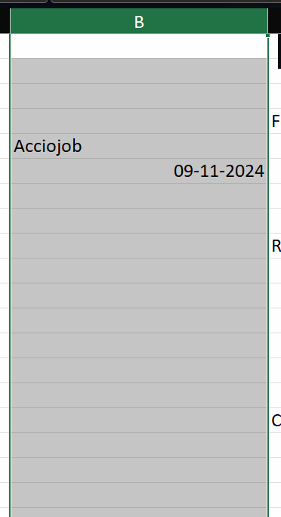
Alphabet | Columns => Vertical Space

 | Cell

 | Cell Address
 | Column Alphabet Row Number | D154

 | Search Box

 | Sheets

 | Scroll Bar

 | Page Layout

 | Customize Quick Access Bar
 | Customize a Ribbion

 | How many Sheets we can have in one excel Workbook

 | 1058476 Rows
 | If we have data arounf 15 Lakh can we analyse that in Excel
 | If Yes how If No Why

 | Customize Quick Access Bar
 | Customize a Ribbion

Customize a Ribbion

