HindsightIBNR
Loss Triangles (Accident Year by Maturity)

Ultimate Loss & DCC ($000s) |  |  |  |  |  |  |  |  |  |  | Bulk and IBNR Including DCC ($000s)
(From Schedule P, Part 2) |  |  |  |  |  |  |  |  |  |  | (From Schedule P, Part 4)

Acd Year | 12 | 24 | 36 | 48 | 60 | 72 | 84 | 96 | 108 | 120 | Acd Year | 12 | 24 | 36 | 48 | 60 | 72 | 84 | 96 | 108 | 120

2014 | 190,564 | 211,569 | 226,199 | 218,804 | 214,526 | 218,768 | 214,924 | 220,121 | 220,069 | 221,700 | 2014 | 148,067 | 125,780 | 106,513 | 60,477 | 40,326 | 24,784 | 13,745 | 11,191 | 10,633 | 9,610
2015 | 217,408 | 217,668 | 231,323 | 230,026 | 220,676 | 220,799 | 219,221 | 219,546 | 225,601 |  | 2015 | 174,927 | 138,285 | 99,595 | 66,793 | 38,722 | 28,411 | 16,287 | 11,486 | 12,322
2016 | 249,343 | 252,050 | 267,729 | 261,623 | 257,421 | 249,752 | 245,784 | 247,604 |  |  | 2016 | 208,487 | 158,425 | 127,071 | 84,275 | 52,417 | 34,140 | 21,600 | 16,267
2017 | 266,890 | 277,173 | 285,417 | 281,343 | 271,180 | 277,268 | 293,206 |  |  |  | 2017 | 224,600 | 189,527 | 140,047 | 92,455 | 48,341 | 30,792 | 25,565
2018 | 287,305 | 307,751 | 311,360 | 295,755 | 294,612 | 306,312 |  |  |  |  | 2018 | 243,097 | 201,143 | 154,353 | 97,995 | 68,678 | 43,652
2019 | 330,971 | 338,715 | 333,343 | 340,743 | 341,553 |  |  |  |  |  | 2019 | 286,908 | 236,148 | 175,948 | 132,411 | 83,214
2020 | 328,624 | 326,496 | 314,738 | 317,486 |  |  |  |  |  |  | 2020 | 290,912 | 235,456 | 179,945 | 119,081
2021 | 401,819 | 394,487 | 391,003 |  |  |  |  |  |  |  | 2021 | 343,574 | 276,575 | 195,678
2022 | 454,842 | 458,269 |  |  |  |  |  |  |  |  | 2022 | 393,595 | 292,314
2023 | 507,905 |  |  |  |  |  |  |  |  |  | 2023 | 434,185

Reported Loss & DCC ($000s) |  |  |  |  |  |  |  |  |  |  | Hindsight IBNR ($000s)
(From Schedule P, Part 2 - Part 4) |  |  |  |  |  |  |  |  |  |  | (See formula)

In this presentation, Hindsight IBNR is calculated relative to the most recent (righmost) evaluation.
Acd Year | 12 | 24 | 36 | 48 | 60 | 72 | 84 | 96 | 108 | 120 | Acd Year | 12 | 24 | 36 | 48 | 60 | 72 | 84 | 96 | 108 | 120

2014 | 42,497 | 85,789 | 119,686 | 158,327 | 174,200 | 193,984 | 201,179 | 208,930 | 209,436 | 212,090 | 2014 | 179,203 | 135,911 | 102,014 | 63,373 | 47,500 | 27,716 | 20,521 | 12,770 | 12,264 | 9,610
2015 | 42,481 | 79,383 | 131,728 | 163,233 | 181,954 | 192,388 | 202,934 | 208,060 | 213,279 |  | 2015 | 183,120 | 146,218 | 93,873 | 62,368 | 43,647 | 33,213 | 22,667 | 17,541 | 12,322
2016 | 40,856 | 93,625 | 140,658 | 177,348 | 205,004 | 215,612 | 224,184 | 231,337 |  |  | 2016 | 206,748 | 153,979 | 106,946 | 70,256 | 42,600 | 31,992 | 23,420 | 16,267
2017 | 42,290 | 87,646 | 145,370 | 188,888 | 222,839 | 246,476 | 267,641 |  |  |  | 2017 | 250,916 | 205,560 | 147,836 | 104,318 | 70,367 | 46,730 | 25,565
2018 | 44,208 | 106,608 | 157,007 | 197,760 | 225,934 | 262,660 |  |  |  |  | 2018 | 262,104 | 199,704 | 149,305 | 108,552 | 80,378 | 43,652
2019 | 44,063 | 102,567 | 157,395 | 208,332 | 258,339 |  |  |  |  |  | 2019 | 297,490 | 238,986 | 184,158 | 133,221 | 83,214
2020 | 37,712 | 91,040 | 134,793 | 198,405 |  |  |  |  |  |  | 2020 | 279,774 | 226,446 | 182,693 | 119,081
2021 | 58,245 | 117,912 | 195,325 |  |  |  |  |  |  |  | 2021 | 332,758 | 273,091 | 195,678
2022 | 61,247 | 165,955 |  |  |  |  |  |  |  |  | 2022 | 397,022 | 292,314
2023 | 73,720 |  |  |  |  |  |  |  |  |  | 2023 | 434,185

Page 1
Selected Hindsight IBNR to Case Ratio
Indicated Loss Reserve Adequacy
Based on Hindsight IBNR to Case Reserve Ratio Approach

Sample Company - Other Liability Occurrence

Hindsight IBNR is equal to the carried ultimate loss at the latest evaluation less the incurred loss at each respective evaluation.
 |  | Hindsight IBNR to Case Ratio
 |  | Hindsight IBNR is Based on Selected Ultimates as of 12/31/2023

 |  | Acd Year | 12 | 24 | 36 | 48 | 60 | 72 | 84 | 96 | 108 | 120

Hindsight IBNR to Case Ratio is equal to hindsight IBNR divided by case reserves at each respective evaluation.
 |  | 2014 | 5.9 | 3.0 | 2.3 | 1.8 | 2.6 | 1.7 | 1.6 | 1.2 | 2.4 | 2.0
 |  | 2015 | 6.1 | 3.7 | 1.9 | 1.7 | 1.9 | 1.8 | 1.8 | 1.7 | 1.2
 |  | 2016 | 7.5 | 3.1 | 2.1 | 2.0 | 1.5 | 1.3 | 1.5 | 1.5
 |  | 2017 | 9.6 | 4.7 | 2.7 | 2.1 | 1.5 | 1.2 | 1.3
 |  | 2018 | 9.4 | 3.6 | 2.5 | 2.0 | 2.2 | 1.2
 |  | 2019 | 10.1 | 4.6 | 3.0 | 2.5 | 1.7
Implied IBNR Redundancy/(Deficiency) ($000s)
 |  | 2020 | 12.2 | 4.8 | 3.7 | 2.2
 |  | 2021 | 9.4 | 4.8 | 2.6
 |  | 2022 | 10.8 | 3.4
 |  | 2023 | 8.6

A |  | Selected* | 10.3 | 4.5 | 2.8 | 2.1 | 1.8 | 1.4 | 1.6 | 1.5 | 2.4
B |  | 12/31/2023 Evaluation | 8.6 | 3.4 | 2.6 | 2.2 | 1.7 | 1.2 | 1.3 | 1.5 | 1.2
C = B - A |  | Difference | (1.6) | (1.1) | (0.2) | 0.1 | (0.2) | (0.2) | (0.3) | 0.0 | (1.2)

 |  | Acd Year | 2023 | 2022 | 2021 | 2020 | 2019 | 2018 | 2017 | 2016 | 2015
D |  | Case Reserves as of 12/31/2023 ($000s) | 50,314 | 86,682 | 74,584 | 54,998 | 50,395 | 35,913 | 20,004 | 10,983 | 10,412

E = C x D | Implied IBNR Redundancy/(Deficiency) ($000s) |  | (82,893) | (98,040) | (12,014) | 4,121 | (9,402) | (7,716) | (6,867) | 90 | (12,899)

* Equal to weighted average of highlighted points.

 |  |  | Historical Hindsight IBNR to Case Ratios
 |  | # of Prior AYs | 12 | 24 | 36 | 48 | 60 | 72 | 84 | 96 | 108
 |  | 1 | 10.8 | 4.8 | 3.7 | 2.5 | 2.2 | 1.2 | 1.5 | 1.7 | 2.4
 |  | 2 | 10.1 | 4.8 | 3.3 | 2.3 | 1.8 | 1.3 | 1.7 | 1.5 | 2.4
 |  | 3 | 10.6 | 4.7 | 3.0 | 2.2 | 1.7 | 1.4 | 1.6 | 1.5 | 2.4
 |  | 4 | 10.5 | 4.5 | 2.9 | 2.2 | 1.7 | 1.4 | 1.6 | 1.5 | 2.4
 |  | 5 | 10.3 | 4.5 | 2.8 | 2.1 | 1.8 | 1.4 | 1.6 | 1.5 | 2.4
 |  | Selected | 10.3 | 4.5 | 2.8 | 2.1 | 1.8 | 1.4 | 1.6 | 1.5 | 2.4

 |  |  | Implied IBNR Redundancy/(Deficiency) ($000s)
 |  | # of Prior AYs | 12 | 24 | 36 | 48 | 60 | 72 | 84 | 96 | 108 |  | Total
 |  | 1 | (108,841) | (127,486) | (78,586) | (17,893) | (25,622) | (46) | (4,871) | (2,547) | (12,899) | 1 | (378,789)
 |  | 2 | (73,224) | (123,892) | (48,763) | (5,550) | (5,616) | (1,690) | (7,541) | 90 | (12,899) | 2 | (279,084)
 |  | 3 | (98,578) | (119,398) | (28,618) | (1,994) | (2,420) | (5,819) | (6,867) | 90 | (12,899) | 3 | (276,502)
 |  | 4 | (92,835) | (93,667) | (23,698) | 426 | (4,344) | (7,716) | (6,867) | 90 | (12,899) | 4 | (241,510)
 |  | 5 | (82,893) | (98,040) | (12,014) | 4,121 | (9,402) | (7,716) | (6,867) | 90 | (12,899) | 5 | (225,620)
 |  | Selected | (82,893) | (98,040) | (12,014) | 4,121 | (9,402) | (7,716) | (6,867) | 90 | (12,899) | Selected | (225,620)

Page 2
Hindsight IBNR to Case Reserve Ratio By Evaluation Date
 | Weighted 3-Yr Average | Weighted 5-Yr Average | Weighted 7-Yr Average
12/31/2016 | 4.1
12/31/2017 | 4.0
12/31/2018 | 4.7 | 3.9
12/31/2019 | 4.6 | 3.8
12/31/2020 | 5.0 | 3.8 | 3.5
12/31/2021 | 5.1 | 3.7 | 3.4
12/31/2022 | 6.0 | 4.6 | 4.0
12/31/2023 | 4.4 | 3.5 | 3.2
Indicated Loss Reserve Adequacy
Based on Hindsight IBNR to Case Reserve Ratio Approach

Sample Company - Other Liability Occurrence

 | Hindsight IBNR to Case Ratio
 | Hindsight IBNR is Based on Selected Ultimates as of 12/31/2023

 | Acd Year | 2014-12-31 | 2015-12-31 | 2016-12-31 | 2017-12-31 | 2018-12-31 | 2019-12-31 | 2020-12-31 | 2021-12-31 | 2022-12-31 | 2023-12-31

 | 2014 | 5.9 | 3.0 | 2.3 | 1.8 | 2.6 | 1.7 | 1.6 | 1.2 | 2.4 | 2.0
 | 2015 |  | 6.1 | 3.7 | 1.9 | 1.7 | 1.9 | 1.8 | 1.8 | 1.7 | 1.2
 | 2016 |  |  | 7.5 | 3.1 | 2.1 | 2.0 | 1.5 | 1.3 | 1.5 | 1.5
 | 2017 |  |  |  | 9.6 | 4.7 | 2.7 | 2.1 | 1.5 | 1.2 | 1.3
 | 2018 |  |  |  |  | 9.4 | 3.6 | 2.5 | 2.0 | 2.2 | 1.2
 | 2019 |  |  |  |  |  | 10.1 | 4.6 | 3.0 | 2.5 | 1.7
 | 2020 |  |  |  |  |  |  | 12.2 | 4.8 | 3.7 | 2.2
 | 2021 |  |  |  |  |  |  |  | 9.4 | 4.8 | 2.6
 | 2022 |  |  |  |  |  |  |  |  | 10.8 | 3.4
 | 2023 |  |  |  |  |  |  |  |  |  | 8.6

 |  | 2014-12-31 | 2015-12-31 | 2016-12-31 | 2017-12-31 | 2018-12-31 | 2019-12-31 | 2020-12-31 | 2021-12-31 | 2022-12-31 | 2023-12-31
 | Weighted 3-Yr Average |  |  | 4.1 | 4.0 | 4.7 | 4.6 | 5.0 | 5.1 | 6.0 | 4.4
 | Weighted 5-Yr Average |  |  |  |  | 3.9 | 3.8 | 3.8 | 3.7 | 4.6 | 3.5
 | Weighted 7-Yr Average |  |  |  |  |  |  | 3.5 | 3.4 | 4.0 | 3.2

 | Avg Age of Hindsight Reserves
 | 3-Yr Average |  |  | 16.1 | 15.4 | 15.7 | 16.1 | 16.6 | 16.4 | 15.6 | 15.7
 | 5-Yr Average |  |  |  |  | 21.7 | 21.6 | 23.0 | 23.7 | 22.8 | 22.5
 | 7-Yr Average |  |  |  |  |  |  | 26.7 | 27.1 | 26.9 | 26.3

What Is HS IBNR
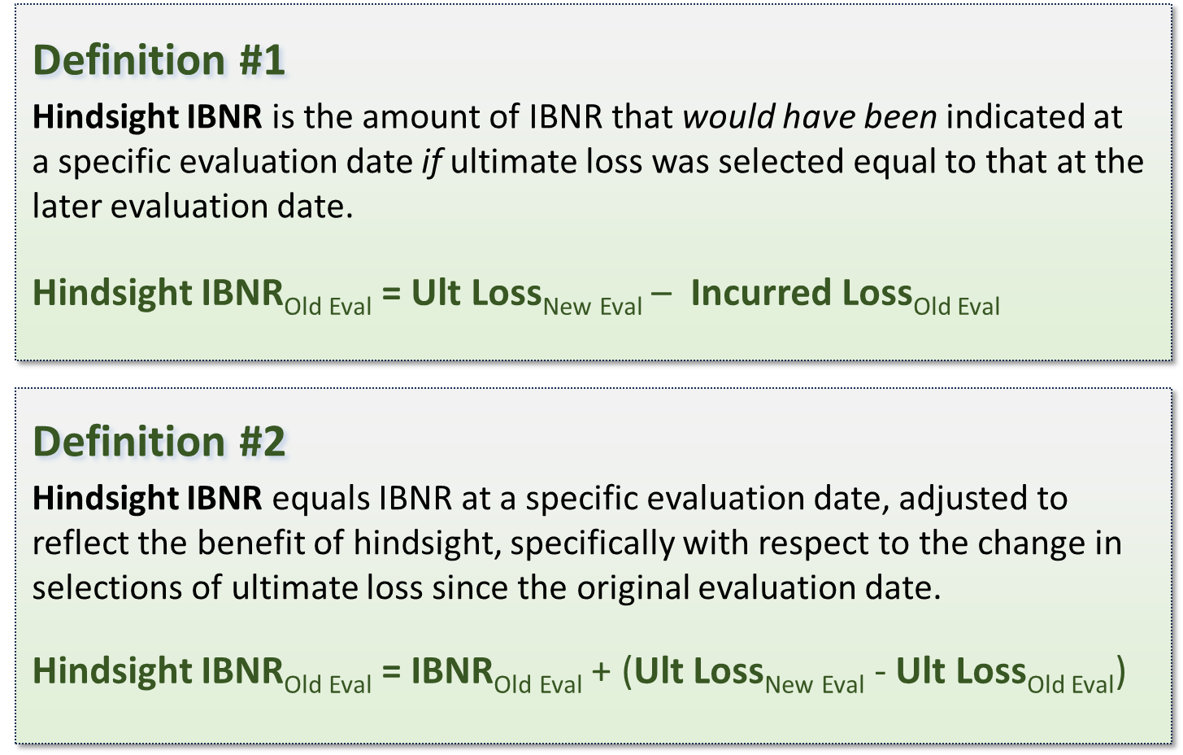
 | What is Hindsight IBNR?

 |  | Evaluation Date
 | Loss Type | 2022-12-31 | 2023-12-31 | 2024-12-31

A | Reported Loss | 40 | 60 | 75
B | IBNR | 50 | 40 | 35
A+B | Ultimate Loss | 90 | 100 | 110

 | Hindsight IBNR (Def #1) | 70 | 50 | 35

 | Hindsight IBNR (Def #2) | 70 | 50 | 35

Hindsight IBNR as of 12/31/2024 is equal to IBNR since the original evaluation date equals the hindsight evaluation date.
Hindsight IBNR as of 12/31/2022 based on selected ultimate loss as of 12/31/2024.

Takeaway:
Hindsight IBNR tends to be more accurate that the original IBNR estimate since it has the benefit of more recent information.

Hindsight IBNR requires two evaluation dates:
The original evaluation date, and
The hindsight evaluation date.
The hindsight evaluation date describes the point in time from which "hindsight" is determined.

