Overall
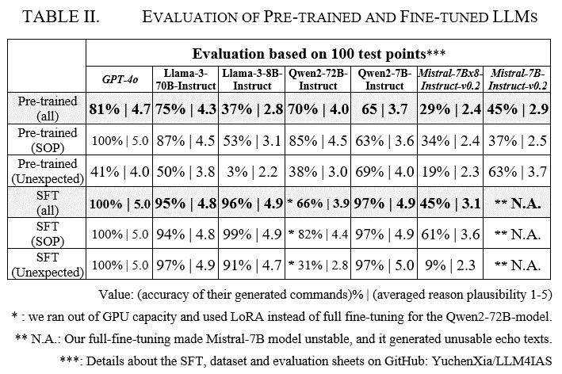
 | GPT-4o |  | Llama-3-70B-Instruct |  | Llama-3-8B-Instruct |  | Qwen2-72B-Instruct |  | Qwen2-7B-Instruct |  | Mistral-7Bx8-Instruct-v0.2 |  | Mistral-7B-Instruct-v0.2
Pre-trained (all) | 81% | 4.7 | 75% | 4.3 | 37% | 2.8 | 70% | 4.0 | 65% | 3.7 | 29% | 2.4 | 45% | 2.9
Pre-trained (SOP) | 100% | 5.0 | 87% | 4.5 | 53% | 3.1 | 85% | 4.5 | 63% | 3.6 | 34% | 2.4 | 37% | 2.5
Pre-trained (Unexpected) | 41% | 4.0 | 50% | 3.8 | 3% | 2.2 | 38% | 3.0 | 69% | 4.0 | 19% | 2.3 | 63% | 3.7
SFT (all) | 100% | 5.0 | 95% | 4.8 | 96% | 4.9 | 66% | 3.9 | 97% | 4.9 | 45% | 3.1
SFT (SOP) | 100% | 5.0 | 94% | 4.8 | 99% | 4.9 | 82% | 4.4 | 97% | 4.9 | 62% | 3.6
SFT (Unexpected) | 100% | 5.0 | 97% | 4.9 | 91% | 4.7 | 31% | 2.8 | 97% | 5.0 | 9% | 2.3

