Zadanie_1
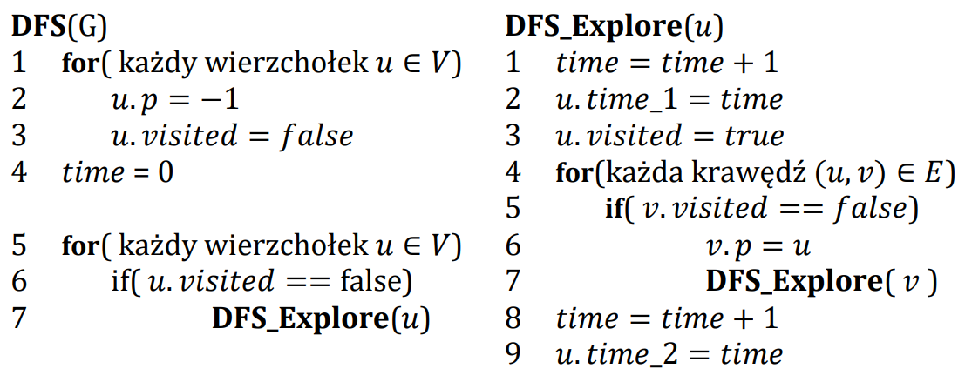
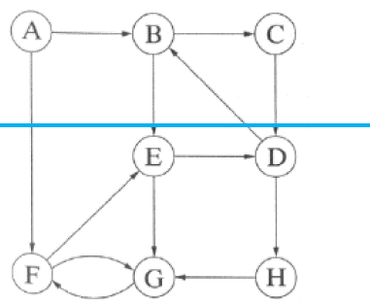

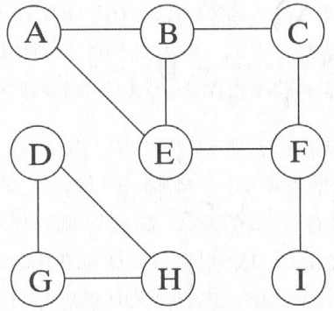
 | A | B | C | D | E | F | G | H | I
visited | True | True | True | false | True | True | false | false | false
p | -1 | A | B | -1 | F | C | D | G | F
time_1 | 0 | 1 | 2 | 13 | 5 | 3 | 14 | 15 | 8
time_2 | 12 | 11 | 10 | 18 | 6 | 7 | 17 | 16 | 9

 | Ścieżki
A |  |  |  |  |  |  |  |  |  |  | A | B | C | D | E | F | G | H
B |  |  |  |  |  |  |  |  |  | visited | False | False | False | False | False | False | False | False
C |  |  |  |  |  |  |  |  |  | p | -1 | A | B | C | F | G | H | D
D |  |  |  |  |  |  |  |  |  | time_1 | 1 | 2 | 3 | 4 | 8 | 7 | 6 | 5
E |  |  |  |  |  |  |  |  |  | time_2 | 16 | 15 | 14 | 13 | 9 | 10 | 11 | 12
F
G
H
I

