Sheet1
CP-398 Tax doc requests tile icon
Test Env.: Dev Testing | Number of bugs/uncertainties: 0 | Ticket Status: Testing |  | Testing Date: 12/07/2023
Estimated Time: 30m | Started: 9:30 AM | Ended: |  | Actual time spent:
ACCEPTANCE CRITERIA /TICKET | TEST CASES | RESULT | STATUS | REMARKS
Green check when all documents are marked with a N/A or uploaded and reviewed. | Complete tax checklist and file upload | 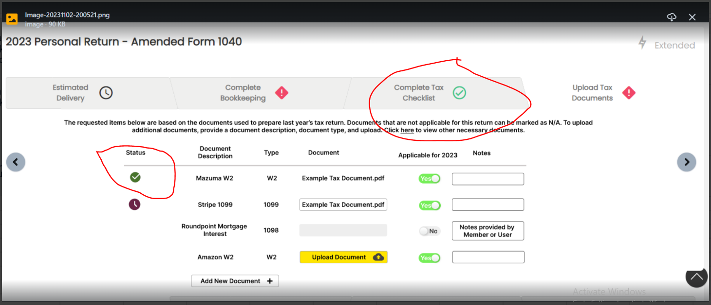 | failed | if all the 'Applicable for this year' field is unchecked. or if all documents are uploaded and reviewed.
Purple clock when all documents are marked N/A or uploaded | To upload Documents provide a Document Description, Document Type | 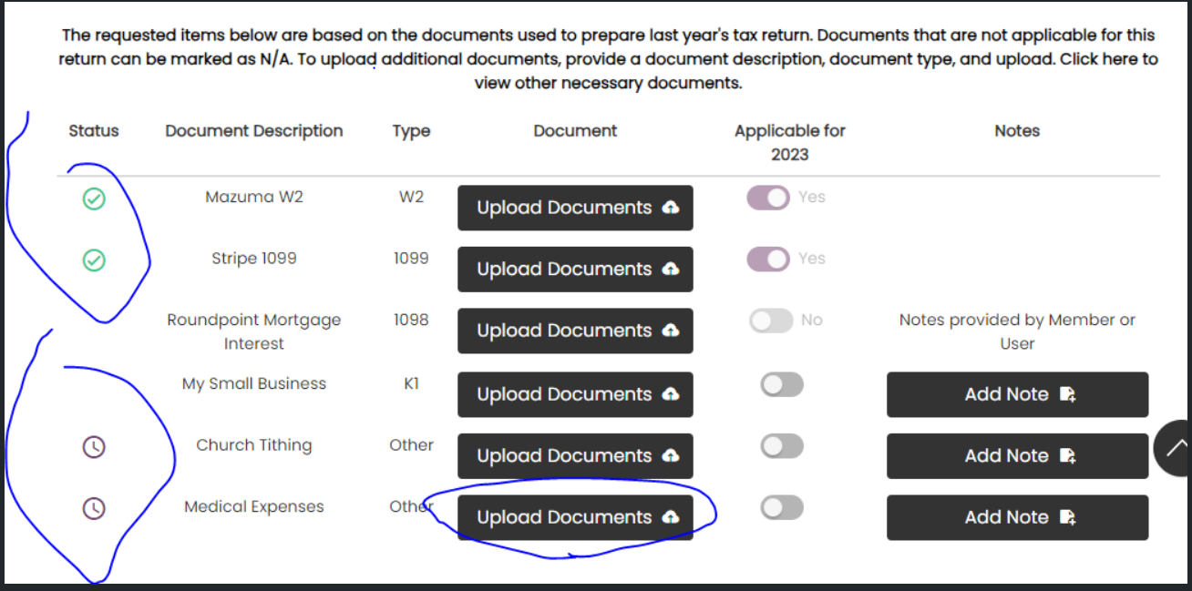 | failed | if all the 'Applicable for this year' field is unchecked or uploaded, But not yet reviewed
Red ! when any documents are not marked N/A or uploaded. | Document uploaded are not applicable | 