ESTIMATED DELIVERY DATE
Revisions: •Remove the "Next Steps" •Remove the icons to make everything align in the center. •Remove "Click "Next Steps" to provide any missing information" from the "waiting" message •If no given estimated date, the "Estimated Delivery Date: will just have a hyphen/dash (-) symbol |  |  | Logic to fix bug: The task status will be on "Waiting" status If status == "Tidal Wave" or "AW" AND either one or both of the "Standard committed date" and "Tax Pro Committed Date is NULL"
ESTIMATED DELIVERY DATE
Test Env.: Local Testing | Number of bugs/uncertainties: | Ticket Status: Testing | Testing Date: 3/23/2023
Estimated Time: | Started: | Ended: | Actual time spent:
ACCEPTANCE CRITERIA /TICKET | TEST CASES | TEST RESULT | REMARKS | STATUS
Tax task in the status of ‘Tidal Wave’ or ‘Anxiously Waiting' shows the 'Waiting Message' and a waiting clock. Tax tasks with both the ‘Standard Committed Date’ and the ‘Tax Pro Committed Date’ are NULL shows the 'Waiting Message'. | Set the tax status to "Tidal Wave" or Anxiously Waiting and Set the Standard Committed Date and Tax Pro Committed Date to NULL |  | Tab now have correct icon {Purple clock} - - - - - - - - - - - - - - - - - - - - - - - - - - - - Task is in "Waiting" scenario - - - - - - - - - - - - - - - - - - - - - - - - - - - - Correct Waiting message: "Estimated Delivery Date: -" "Hmm, it looks like we need additional information from you to provide an estimated delivery date. - - - - - - - - - - - - - - - - - - - - - - - - - - - - The "Next Steps" button has been removed. | PASSED
Set the tax status to "Tidal Wave" or Anxiously Waiting and add a date to any of the two ("Standard Committed Date", and "Tax Pro Committed Date.") | 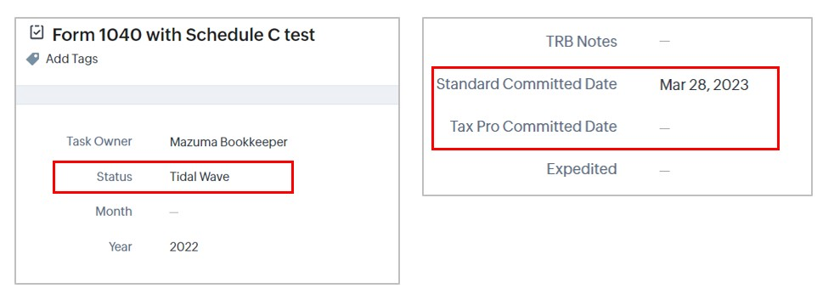 |  | Tab now have correct icon {Purple clock} - - - - - - - - - - - - - - - - - - - - - - - - - - - - Task is in "Waiting" scenario - - - - - - - - - - - - - - - - - - - - - - - - - - - - Correct Waiting message: "Estimated Delivery Date: -" "Hmm, it looks like we need additional information from you to provide an estimated delivery date. - - - - - - - - - - - - - - - - - - - - - - - - - - - - The "Next Steps" button has been removed. | PASSED
Set the tax status to "Tidal Wave" or "Anxiously Waiting" and add a date to both Set the Standard Committed Date and Tax Pro Committed Date. |  | 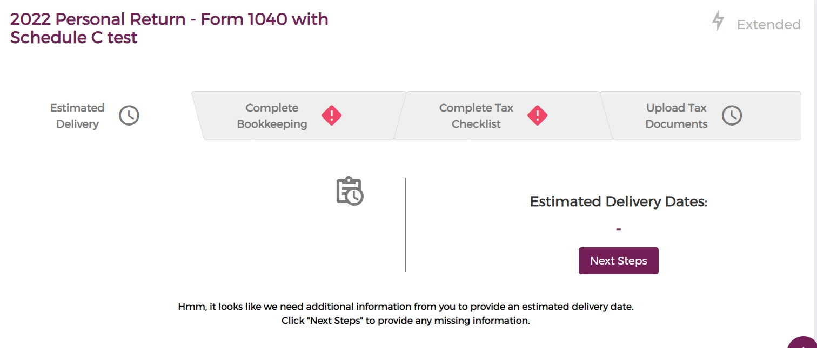 | Showing correct "Purple clock" icon - - - - - - - - - - - - - - - - - - - - - - - - - - - - Correct tab status {"Waiting"} - - - - - - - - - - - - - - - - - - - - - - - - - - - - | PASSED
Tax task in the status of ‘Completed’ or ‘Efiled’ shows the 'Done Message'. | Set the status to ‘Completed’ or ‘Efiled’ | 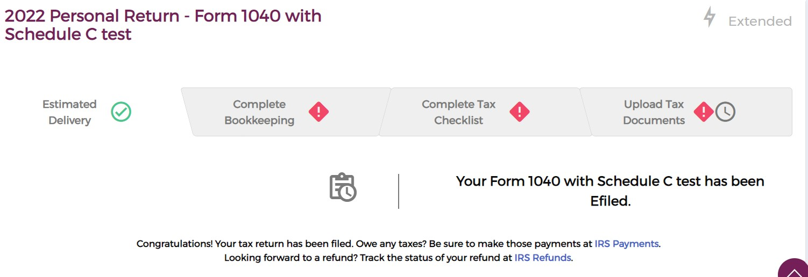 | The tab is showing "Done" status. - - - - - - - - - - - - - - - - - - - - - - - - - - - - Showing Done message: {"Your <Tax Return Type> has been (Efiled or Completed) Congratulations! Your tax return has been filed. Owe any taxes? Be sure to make those payments at IRS.gov/payments. Looking forward to a refund? Track the status of your refund at IRS.gov/refunds."} - - - - - - - - - - - - - - - - - - - - - - - - - - - - - - - - - - - Tab shows a green checkmark. | PASSED
Tax task in the status of ‘Waiting on 8879’ shows the 'Waiting on 8879 Message'. | Set the tax status to ‘Waiting on 8879’ | 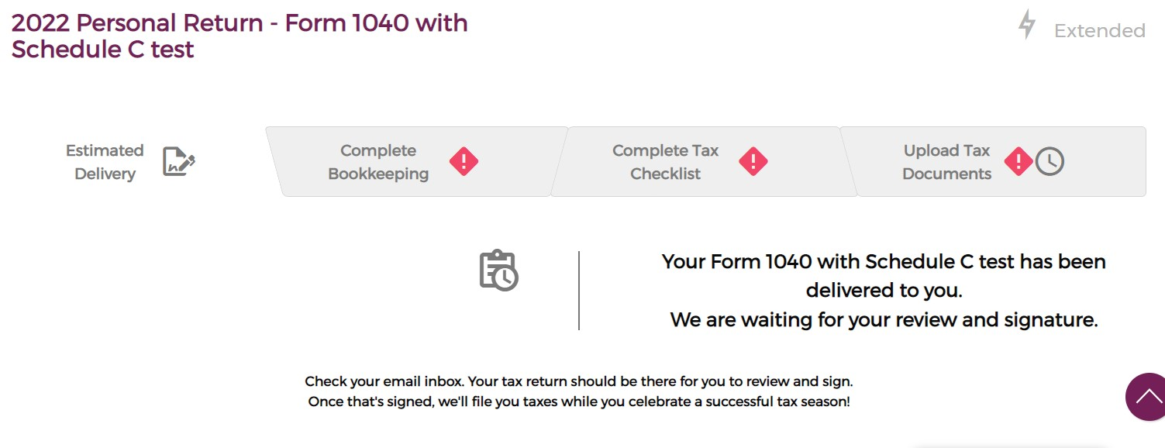 | Showing the correct tab icon (Signature icon) Showing correct status (Waiting on 8879) Showing correct message: "Your <Tax Return Type> just needs your signature" Check your email inbox. Your tax return should be there for you to review and sign. Once that's signed, we'll file you taxes while you celebrate a successful tax season!" | PASSED
Tax task in the status of ‘Rejected’ shows the 'Rejected Message'. | Set the status to 'Rejected' | 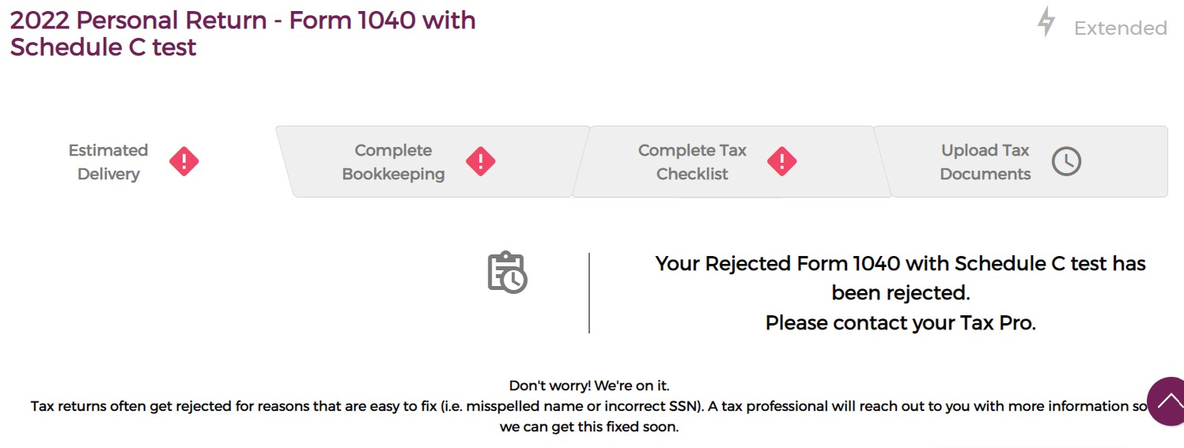 | Correct tab icon (Red Caution) Correct Scenario (Rejected) Correct message | PASSED
Tax tasks in the status of ‘Not Started’, ‘Started’, or ‘Ready for Review’ shows the ‘Date Provided’ Message with the ‘Tax Pro Committed Date’. | If task status is not equal to "Efiled" or "Completed" or "Waiting on 8879" or "Rejected" or "Anxiously Waiting" or "Tidal Wave" " | 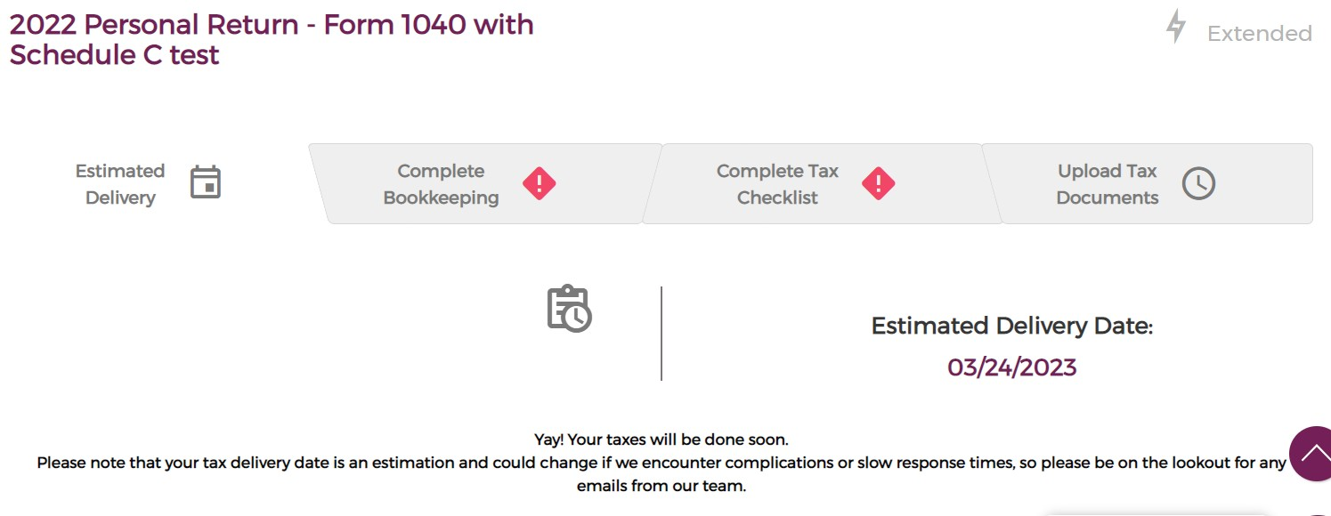 | Showing tax in "Date Provided" status. - - - - - - - - - - - - - - - - - - - - - - - - - - - - Showing the correct Purple Calendar Icon. - - - - - - - - - - - - - - - - - - - - - - - - - - - - Showing correct message: {Estimated Delivery Date: <{Standard Committed Date} OR {Tax Pro Committed Date}> Yay! Your taxes will be done soon. Please note that your tax delivery date is an estimation and could change if we encounter complications or slow response times, so please be on the lookout for any emails from our team.} | PASSED
Tax tasks in the status of ‘Not Started’, ‘Started’, or ‘Ready for Review’ shows the 'Date Provided’ Message with the ‘Standard Committed Date’ if the ‘Tax Pro Committed Date’ is Null. | If task status is not equal to "Efiled" or "Completed" or "Waiting on 8879" or "Rejected" or "Anxiously Waiting" or "Tidal Wave" " |  | Showing tax in "Date Provided" status. Showing the correct Purple Calendar Icon. Showing correct message: Estimated Delivery Date: <{Standard Committed Date} OR {Tax Pro Committed Date}> Yay! Your taxes will be done soon. Please note that your tax delivery date is an estimation and could change if we encounter complications or slow response times, so please be on the lookout for any emails from our team. | PASSED

COMPLETE TAX CHECKLIST
COMPLETE TAX CHECKLIST
Test Env.: Local Testing | Number of bugs/uncertainties: | Ticket Status: Testing | Testing Date: 3/23/2023
Estimated Time: | Started: | Ended: | Actual time spent:
ACCEPTANCE CRITERIA /TICKET | TEST CASES | RESULT | REMARKS | STATUS
Tax return checklist with the same year as the tax task that are marked as finalized shows the ‘Done’ message. | Update the Tax Return Checklist as 'Finalized' |  | Correct tab icon (Green checkmark) Correct "Done" message Display button: "Review" link to {www.mazumausa.com/services/tax-return} | PASSED
Tax return checklist with the same year as the tax task that are not marked as finalized shows the ‘Waiting’ message. | Unchecked 'Finalized' |  | Correct tab icon (Red Caution icon) - - - - - - - - - - - - - - - - Correct "Waiting" message: {"Time to complete your Tax Return Checklist! This provides critical information we need to file your taxes and maximize your savings."} - - - - - - - - - - - - - - - - Display button: "Complete Checklist" link to {www.mazumausa.com/services/tax-return} | PASSED

UPLOAD TAX DOCUMENT
Revisions: •Align the "Requested Documents" to the center •Remove the icons to align everything to the center •"Upload Documents" link will redirect to a new document window where the item {Requested Items From Client} is displayed at the top
UPLOAD TAX DOCUMENT
Test Env.: Local Testing | Number of bugs/uncertainties: | Ticket Status: Testing | Testing Date: 3/23/2023
Estimated Time: | Started: | Ended: | Actual time spent:
ACCEPTANCE CRITERIA /TICKET | TEST CASES | RESULT | REMARKS | STATUS
Scenario: Anxiously Waiting Tax Tasks in Anxiously waiting have a Red Exclamation point icon in the tab section. Tax Tasks in Anxiously Waiting show the ‘Requested Items From Client’ field’s value from the Tax Task. | Set the 'Task Status' == Anxiously waiting Add notes to "Requested Items From Client" | 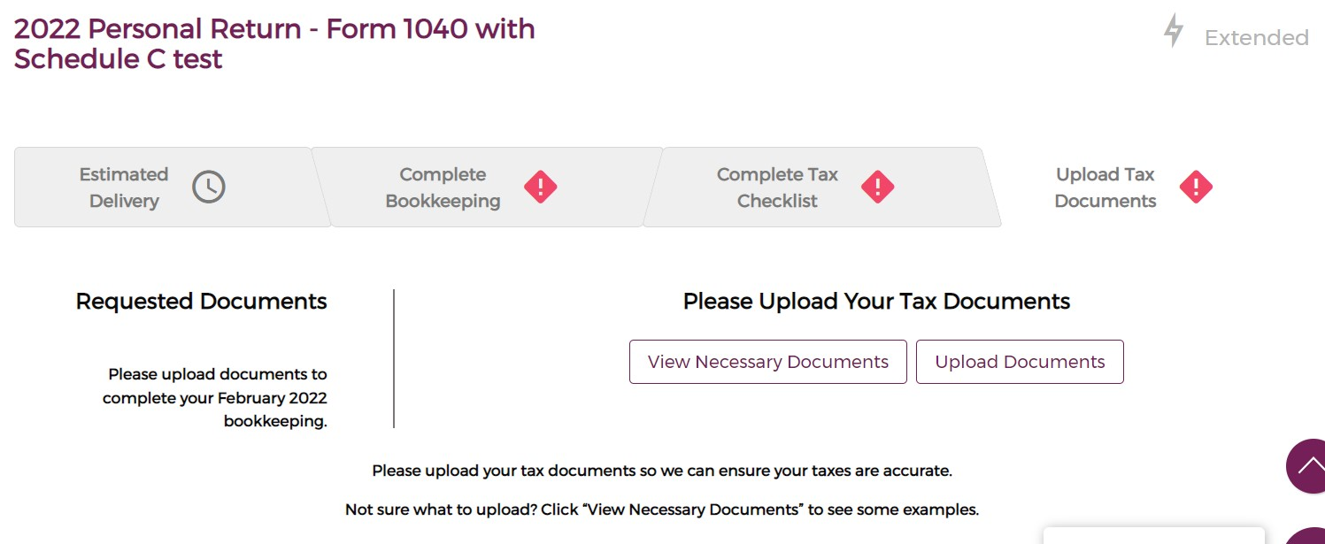 | Tab show a "Red Caution" icon - - - - - - - - - - - - - - - - - - - - - - - - Displayed correct message: "Please Upload Your Tax Documents" - - - - - - - - - - - - - - - - - - - - - - - - Show the Requested Documents: {Tasks: Requested Items From Clients} - - - - - - - - - - - - - - - - - - - - - - - - Displayed Anxiously Waiting message: {Please upload your tax documents so we can ensure your taxes are accurate. Not sure what to upload? Click “View Necessary Documents” to see some examples.} - - - - - - - - - - - - - - - - - - - - - - - - Buttons: (Functional) "Upload Documents" "View Necessary Documents" | PASSED
CRM Accounts with ‘Prior Year Return’ == false have a Red Exclamation point icon in the tab section. | Set the Prior Year Tax Return == FALSE | 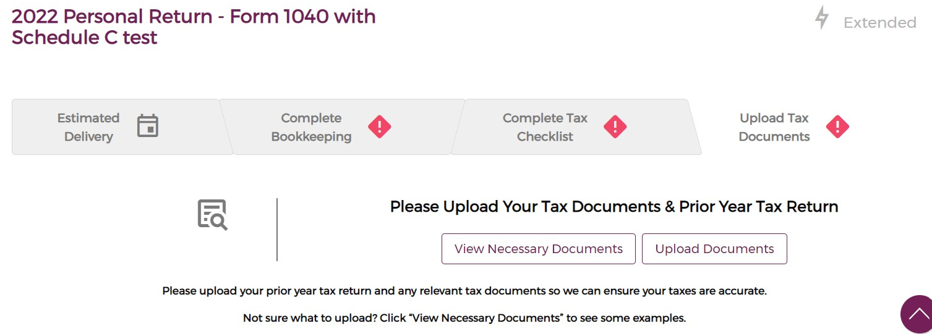 | Tab shows a "Red Caution" icon - - - - - - - - - - - - - - - - - - - - - - - - Displayed correct message: "Please Upload Your Tax Documents & Prior Year Tax Return" - - - - - - - - - - - - - - - - - - - - - - - - Displayed "Waiting/Caution" message: {Please upload your prior year tax return and any relevant tax documents so we can ensure your taxes are accurate. Not sure what to upload? Click “View Necessary Documents” to see some examples.} - - - - - - - - - - - - - - - - - - - - - - - - Buttons: (Functional) "Upload Documents" "View Necessary Documents" | PASSED
Tax Tasks with both ‘Documents reviewed’ and ‘Prior Year Return’ == True will have a green check mark Icon in the tab section. | Prior Year Tax Return == True and Documents reviewed’ == True | 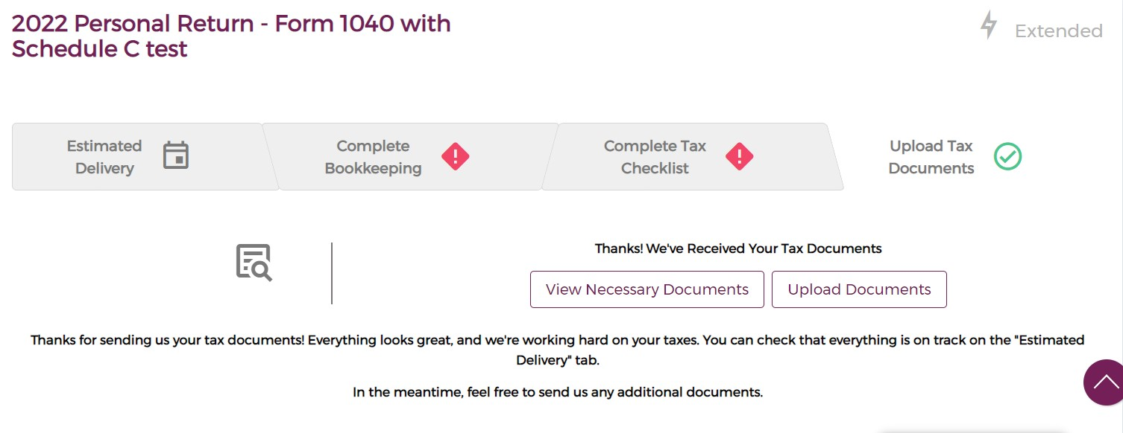 | Correct Icon (Green Checkmark) Correct "Done" status Correct "Done" message | PASSED
Tax Tasks with ‘Response from Client’ == True AND ‘Documents reviewed’ == false have a clock ‘working’ icon shown in the tab section. | Prior Year Tax Return == True, Response from Client == True, and ‘Documents reviewed’ == false | 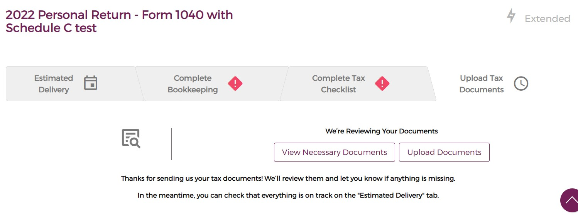 | Correct Icon (Purple clock) Correct "Waiting on it" status Correct "Waiting on it" message | PASSED
Tax Tasks with ‘Response from Client’ == False AND ‘Documents reviewed’ == False have a purple square ‘blank’ icon shown in the tab section. | Prior Year Tax Return == True, Response from Client == false, and ‘Documents reviewed’ == false | 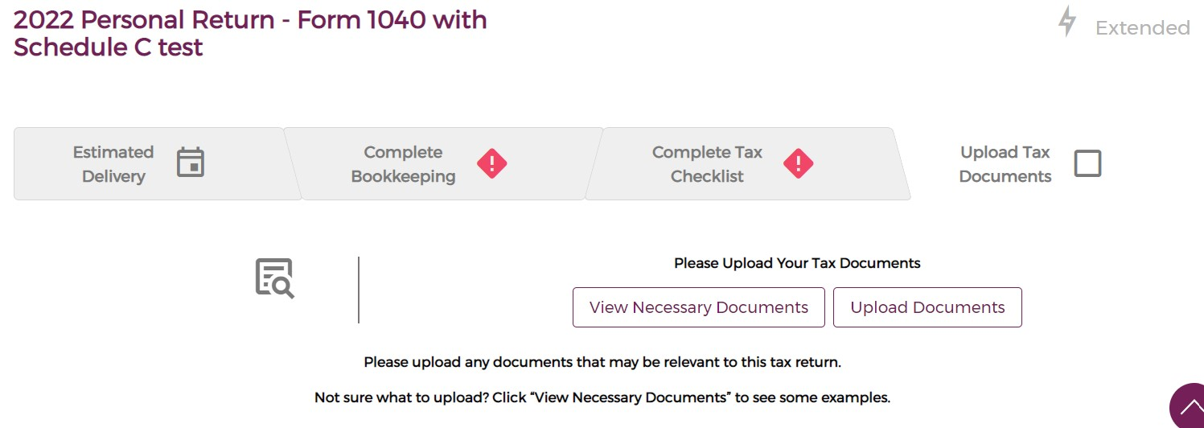 | Correct Icon (Purple square) Correct "blank" status Correct "blank" message status | PASSED
Clients can use the Upload Document Component to upload documents. |  |  | For revision: link will open the new document window which also displays the {Requested Items From Client} at the top. | For revision
View Necessary Documents opens a new tab with this link: Tax Documents to Send to Our Team - Mazuma | Click the "View Necessary Documents" button |  | This will redirect the client to Mazuma Tax Document link. https://mazumausa.com/tax-documents/ | PASSED

BOOKKEEPING TILE TAB
CP-168 Bookkeeping Tile Tab and CP-172 One Tax Return Tile per Return Task
Test Env.: Local Testing | Number of bugs/uncertainties: 0 | Ticket Status: Testing | Testing Date: 3/22/2023
Estimated Time: 30m | Started: 6:00 AM | Ended: 6:40 AM | Actual time spent: 40m
ACCEPTANCE CRITERIA /TICKET | TEST CASES | RESULT | REMARKS | STATUS
Bookkeeping tasks with the same year as the tax task are used to populate the bookkeeping time line. | When there are no bookkeeping tasks created, the lines and month bubbles will display in white color, and the Bookkeeping tile tab will show a status of "Waiting on it". | 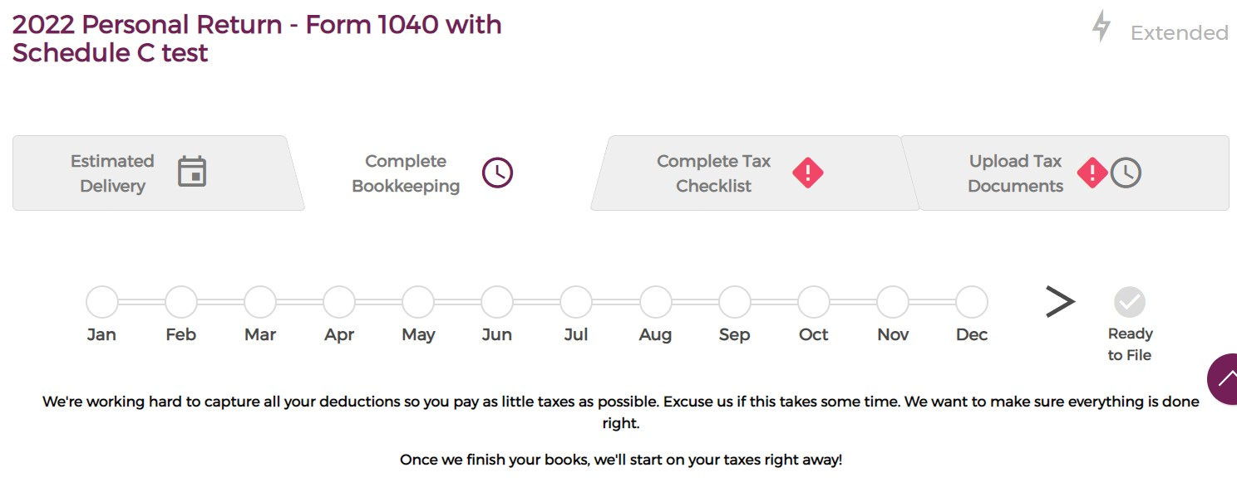 | ☑ The tab status is displayed as "Waiting on it" since there are no bookkeeping tasks created. | PASSED
 |  |  | ☑ Tab showing purple clock icon | PASSED
 |  |  | ☑ lines and bubbles in white color | PASSED
 |  |  | ☑ Show gray check-mark above "Ready to File" | PASSED
Bookkeeping task is/are created, but in "Tidal Wave" status, the lines and bubbles show gray color. | Created bookkeeping task for the months of January to February 2022 and set the task status to "Tidal Wave" | 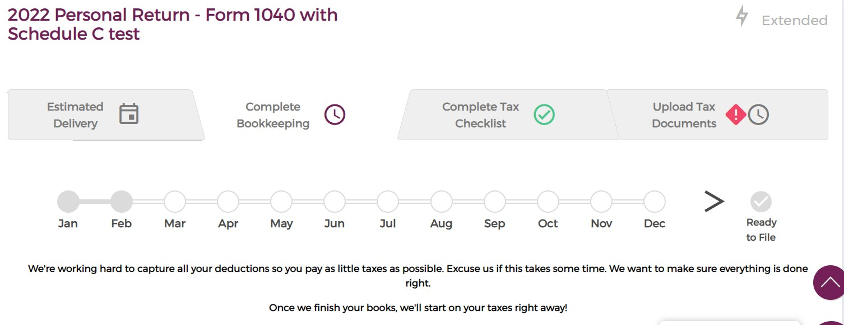 | ☑ The tab displayed a "Waiting on it" status since there are no task/s in "Anxiously Waiting" | PASSED
 |  |  | ☑ Tab showing purple clock icon | PASSED
 |  |  | ☑ Show gray check-mark above "Ready to File" | PASSED
 |  |  | ☑ Month bubbles and lines are showing gray color which is correct. | PASSED
Blue lines between the bubbles indicate tasks that are currently in process based on the Task Status | Set the Bookkeeping task status for the months of February to "Ready for Review", March to "Started", and April to "Not Started". |  | ☑ The tab displayed a "Waiting on it" status since bookkeeping tasks have been set to (Not started, Started, and Ready for review) and there are no task/s in "Anxiously Waiting" | PASSED
 |  |  | ☑ Tab showing purple clock icon | PASSED
 |  |  | ☑ lines are in blue color and bubbles in grey color | PASSED
 |  |  | ☑ Show gray check-mark above "Ready to File" | PASSED
Bookkeeping tasks in complete show a blue month bubble for their month. | Set the bookkeeping task status from January to April as 'Completed' | 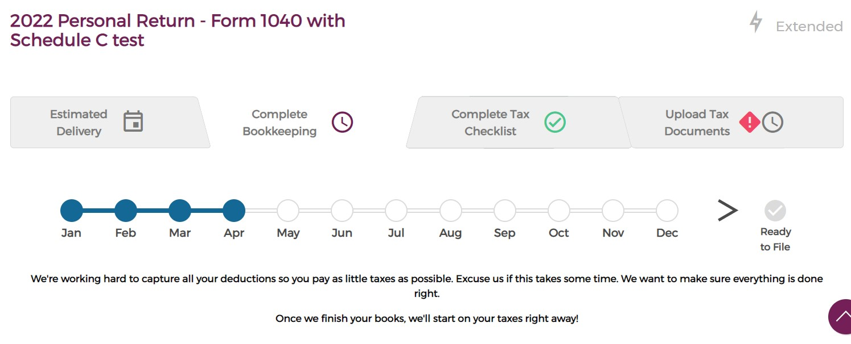 | ☑ January to April bookkeeping shows lines and bubble months are in blue color. | PASSED
 |  |  | ☑ The tab is in "Waiting on it" status because there are no bookkeeping tasks created or completed for the succeeding months leading up to December." | PASSED
 |  |  | ☑ Tile tab showing purple clock icon | PASSED
 |  |  | ☑ Show gray check-mark above "Ready to File" | PASSED
 | Set the bookkeeping task status from January to December as 'Completed' | 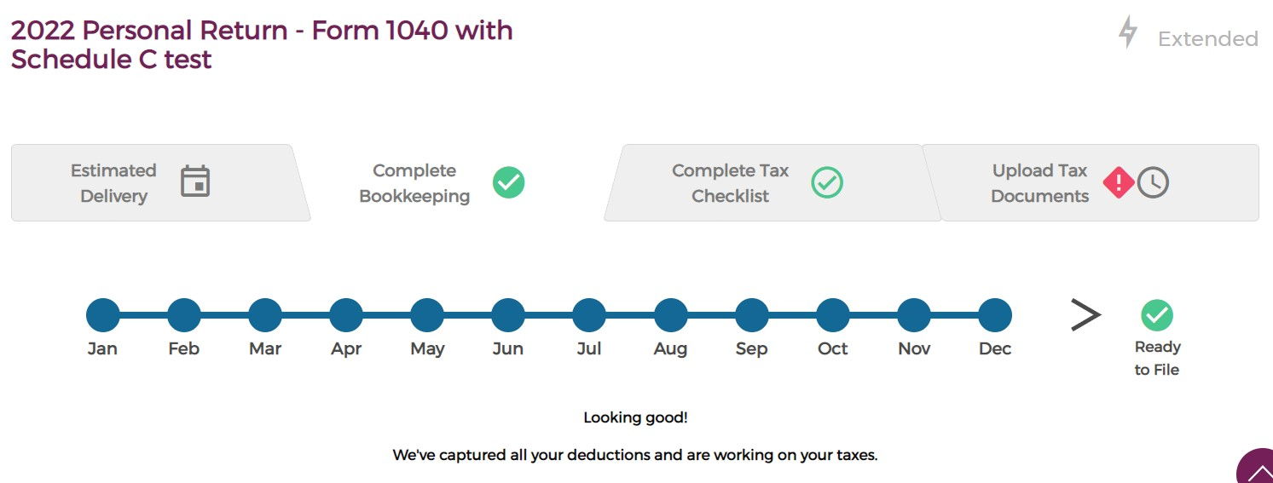 | ☑ Showing "Done" message, Since All created tasks are mark as "Completed" | PASSED
‘Ready to File’ changes from Grey to Green when all of the year’s months are marked as complete. |  |  | ☑ Tile tab showing green checkmark | PASSED
 |  |  | ☑ lines and bubbles in blue color | PASSED
 |  |  | ☑ Show green colored check-mark above "Ready to File" | PASSED
 | Start the Bookkeeping task mid-year and Set its task from July to December as "Completed" | 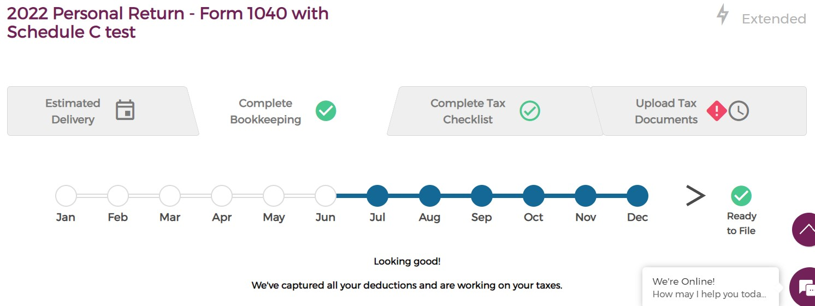 | ☑ The tile status is displayed as "Done" since all created bookkeeping tasks are marked as "completed" | PASSED
 |  |  | ☑ Tile tab showing green checkmark | PASSED
 |  |  | ☑ Month's lines and bubbles in blue color | PASSED
 |  |  | ☑ Show green colored check-mark above "Ready to File" | PASSED
 | Set the bookkeeping status of December to "Tidal Wave or Not Started or Started or Ready for Review" | 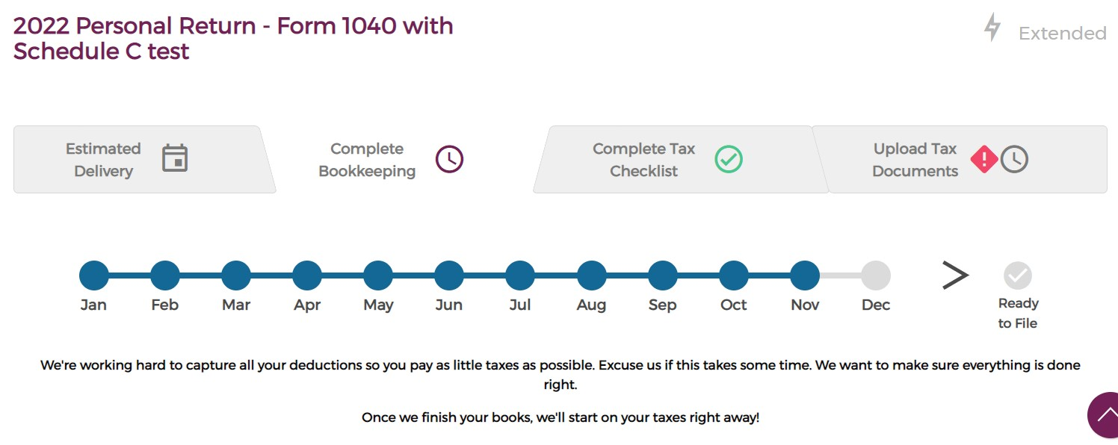 | ☑ Lines and bubble month are in grey color. | PASSED
 |  |  | ☑ The tab is in "Waiting on it" status since there is at least one(1) task categorized as "Tidal Wave," "Not Started," "Started," or "Ready for Review." and none of the tasks are in "AW" status. | PASSED
 |  |  | ☑ Tile tab showing purple clock icon | PASSED
 |  |  | ☑ Show gray check-mark above "Ready to File" | PASSED
 | Set the bookkeeping status of December to "Anxiously Waiting" | 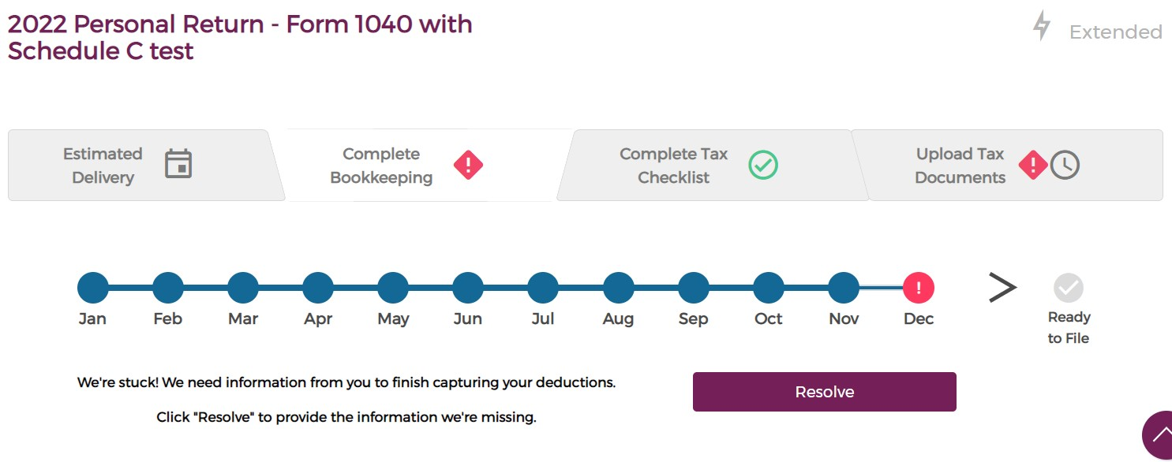 | ☑ Tab is in "Anxiously Waiting" status since there is at least one(1) task marked as "Anxiously Waiting" | PASSED
 |  |  | ☑ Tile tab showing "Red Caution" icon | PASSED
 |  |  | ☑ line has a blue color and bubble month has a Red Exclamation mark. | PASSED
 |  |  | ☑ Show gray check-mark above "Ready to File" | PASSED
 |  |  | ☑ The "Resolve" button is being displayed. | PASSED
Bookkeeping tasks in Anxiously waiting show a red exclamation mark for the month’s bubble. If tasks are in Anxiously waiting the ‘Resolve’ button links them to the Bookkeeping page. | Set the bookkeeping task status for January as "Completed", February as "AW" and March is marked as "Not Started" | 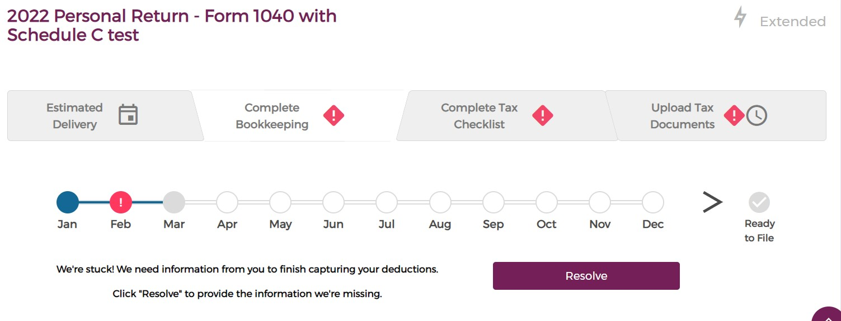 | ☑ Bubble month for January has blue color since its completed | PASSED
 |  |  | ☑ Bubble month for February has a Red exclamation since it is marked as "AW" | PASSED
 |  |  | ☑ Bubble month for March has grey color and the line has blue color since it is marked as "Not Started" | PASSED
 |  |  | ☑ The tab appeared to have a Red Caution mark meaning the tab is in Anxiously Waiting status since there is at least one(1) task in the tile labeled as "AW" | PASSED
 |  |  | ☑ The "Resolve" button is being displayed. | PASSED
 |  |  | ☑ Show gray check-mark above "Ready to File" | PASSED
bookkeeping tasks in ‘Tidal Wave’, ‘Not Started’, and ‘Started’ show a grey bubble for the month’s bubble. | Set the bookkeeping task status for October == "Started", November == "Not Started", and December == "Tidal Wave" | 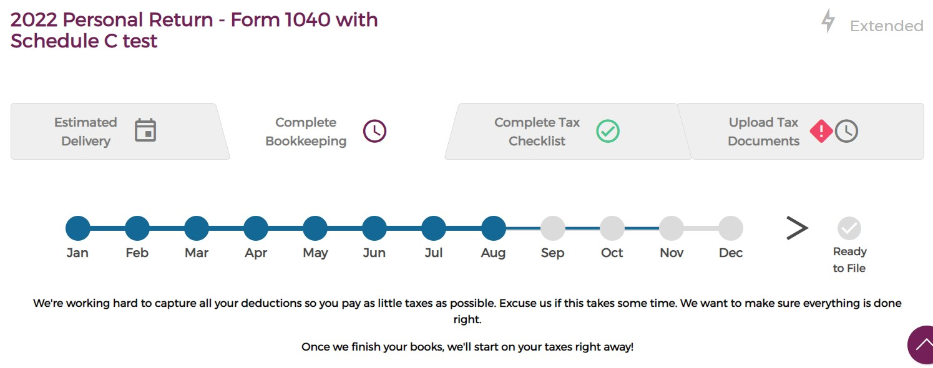 | ☑ Month's bubbles show a gray color. | PASSED
 |  |  | ☑ The tile is in "Waiting on it" status since there is one(1) task labeled as any of the following: "Not started", "Started", "Ready for review", or "Tidal Wave". and none of the tasks are in "AW" | PASSED
 |  |  | ☑ Tile tab showing purple clock icon | PASSED
 |  |  | ☑ Show gray check-mark above "Ready to File" | PASSED

