DDM (only div)
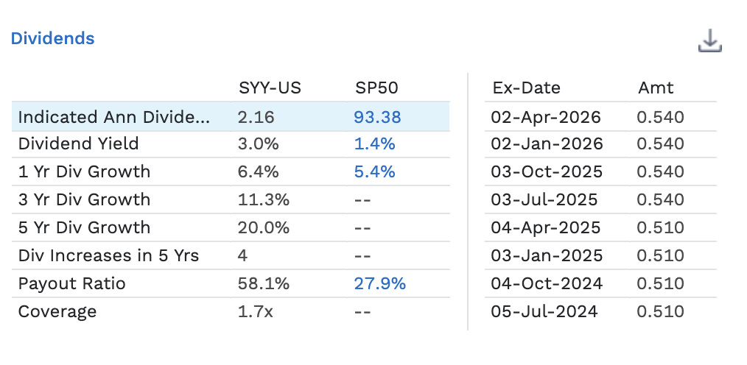
Equity Valuation: Dividend Discount Model
 | JUN '25 | JUN '24 | JUN '23 | JUN '22 | JUN '21 | JUN '20 | JUN '19 | JUN '18 | JUN '17 | JUN '16 | JUN '15 | JUN '14 | JUN '13 | JUN '12 | JUN '11 | JUN '10 | JUN '09 | JUN '08 | JUN '07 | JUN '06 | JUN '05 | JUN '04 | JUN '03 | JUN '02 | JUN '01 | JUN '00 | JUN '99 | JUN '98 | JUN '97 | JUN '96
DPS | 2.07 | 2.01 | 1.97 | 1.90 | 1.82 | 1.74 | 1.53 | 1.41 | 1.30 | 1.23 | 1.19 | 1.15 | 1.11 | 1.07 | 1.03 | 0.99 | 0.94 | 0.85 | 0.74 | 0.66 | 0.58 | 0.50 | 0.42 | 0.34 | 0.27 | 0.23 | 0.20 | 0.17 | 0.15 | 0.13
Div Payout ratio | 55.5% | 51.7% | 56.7% | 71.9% | 178.3% | 414.3% | 47.8% | 52.2% | 62.5% | 75.0% | 103.5% | 72.8% | 66.5% | 56.3% | 52.6% | 49.7% | 53.1% | 47.0% | 46.3% | 48.9% | 39.5% | 36.5% | 35.6% | 33.7% | 30.7% | 33.8% | 36.1% | 35.8% | 33.9% | 32.9%
Return on Equity (in %) | 99.08 | 101.07 | 104.40 | 92.59 | 38.67 | 11.77 | 66.84 | 58.54 | 38.99 | 21.73 | 13.05 | 17.81 | 20.10 | 23.89 | 27.00 | 32.43 | 30.79 | 33.08 | 31.63 | 29.12 | 36.12 | 38.10 | 35.93 | 31.78 | 30.54 | 28.45 | 26.03 | 23.56 | 21.04 | 19.24
Div growth rate | 3.0% | 2.0% | 3.7% | 4.4% | 4.6% | 13.7% | 8.5% | 8.5% | 5.7% | 3.4% | 3.5% | 3.6% | 3.7% | 3.9% | 4.0% | 5.3% | 10.6% | 14.9% | 12.1% | 13.8% | 16.0% | 19.0% | 23.5% | 25.9% | 17.4% | 17.9% | 14.7% | 17.2% | 16.0%

ROE | 99.08% | 101.07% | 104.40% | 92.59% | 38.67% | 11.77% | 66.84% | 58.54% | 38.99% | 21.73% | 13.05% | 17.81% | 20.10% | 23.89% | 27.00% | 32.43% | 30.79% | 33.08% | 31.63% | 29.12% | 36.12% | 38.10% | 35.93% | 31.78% | 30.54% | 28.45% | 26.03% | 23.56% | 21.04% | 19.24%

Historical Stats on Common Equity Returns (30 years)
 | Mean | Median | Min | Max |  | *look at data from past 10 years
Div Payout ratio | 67.03% | 50.74% | 30.68% | 414.29%
Return on Equity (in %) | 39.45% | 31.2% | 11.8% | 104.4%
Div growth rate | 10.37% | 8.5% | 2.0% | 25.9%

Historical Stats on Common Equity Returns (last 10 years about with out outliers)
 | Mean | Median | Min | Max
Div Payout ratio | 61.26% | 59.61% | 47.81% | 75.00%
Return on Equity (in %) | 56.07% | 48.8% | 31.3% | 25.4%
Div growth rate | 4.54% | 4% | 2.0% | 8.5%

Indicated annual div yield | 2.16 | *from factset

Sustainable Growth Rate of Dividends
CACR of DPS | 10.2%
Sustainable Growth Rate | 13.01%
ROE | 39.45%
Div Payout ratio | 67.03%
1 yr div growth | 6.40%

Required Rate of Return (CAPM) | 7.75%
beta | 0.73 | Levered beta calculated from WACC tab
risk free | 4% | 30 Year treausre bond
market premium | 4.46% | *US from website: https://pages.stern.nyu.edu/~adamodar/New_Home_Page/datafile/ctryprem.html
 |  |  |  |  |  |  |  |  |  |  |  | *investors who care about div and div yield this is a good investment
Cost of equity | 7.65% | *using cost of equity from WACC calculations

Terminal growth rate | 4% | *avg growth rate over past 10 yrs

g | 3% | 3% | 4% | 5% | 5% | 6% | *to showcase once debt is more managable, SYY will be more aggressive with DIV growth rate
t | 1 | 2 | 3 | 4 | 5 | 6
 | CF1 | CF2 | CF3 | CF4 | CF5 | CF6
Dividends | 2.22 | 2.29 | 2.38 | 2.50 | 2.63 | 2.79
Terminal value |  |  |  |  |  | 89.47 |  | Fair price |  | Current price
Total | 2.22 | 2.29 | 2.38 | 2.50 | 2.63 | 92.25 |  | $68.91 | VS | $73.24

Sales Charts
 | Fiscal Year Sales (in millions)
Segment | 2025 | 2024 | 2023
United States | 66,073 | 63,931 | 62,404
Canada | 6,113 | 5,993 | 5,828
United Kingdom | 4,081 | 3,760 | 3,340
France | 1,714 | 1,712 | 1,591
Other | 3,389 | 3,448 | 3,162
Total | 81,370 | 78,844 | 76,325
 |  |  |  | FY 2028
2025 Sales by Segment
Segment | 2025 Total Sales by Segment
United States | 81.20%
Canada | 7.51%
United Kingdom | 5.02%
France | 2.11%
Other | 4.16%

Graphics for Presentation
Principal product catageories |  | 2025 | 2024 | 2023 |  |  | Sysco Corporation – Principal Product Categories (% of Sales)
Fresh and frozen meats |  | 19% |  |  |  |  | Product Category | FY2025 | FY2024 | FY2023 | FY2022 | FY2021
Canned and dry products |  | 18% |  |  |  |  | Canned and dry products | 19% | 19% | 19% | 17% | 16%
Frozen fruits, vegetables, bakery and other |  | 15% |  |  |  |  | Fresh and frozen meats | 18% | 18% | 18% | 19% | 19%
Dairy products |  | 11% |  |  |  |  | Frozen fruits, vegetables, bakery and other | 15% | 15% | 15% | 14% | 15%
Poultry |  | 10% |  |  |  |  | Dairy products | 11% | 10% | 11% | 10% | 10%
Fresh produce |  | 8% |  |  |  |  | Poultry | 10% | 10% | 10% | 11% | 11%
Paper and disposables |  | 7% |  |  |  |  | Fresh produce | 8% | 9% | 9% | 8% | 8%
Beverage products |  | 4% |  |  |  |  | Paper and disposables | 7% | 7% | 7% | 7% | 8%
Seafood |  | 3% |  |  |  |  | Seafood | 4% | 4% | 4% | 5% | 5%
Equipment and smallwares |  | 2% |  |  |  |  | Beverage products | 3% | 4% | 3% | 3% | 3%
Other |  | 3% |  |  |  |  | Equipment and smallwares | 2% | 2% | 1% | 1% | 0%
 |  |  |  |  |  |  | Other | 3% | 2% | 3% | 5% | 5%
Sysco Corporation – Principal Product Categories (% of Sales)

Type of Customer |  | 2025 | 2024 | 2023 | 2022 | 2021
Restaurants |  | 60%
Eductaion, government |  | 8%
Healthcare |  | 8%
Travel and leisure |  | 7%
Other |  | 17%

Sysco Corporation – Sales by Type of Customer (% of Sales)
Customer Type | FY2025 | FY2024 | FY2023 | FY2022 | FY2021
Restaurants | 60% | 62% | 62% | 63% | 66%
Education, government | 8% | 7% | 8% | 8% | 9%
Healthcare | 8% | 7% | 7% | 8% | 6%
Travel and leisure | 7% | 6% | 8% | 7% | 5%
Other | 17% | 18% | 15% | 14% | 14%
TOTALS

Sysco Corporation – Sales by Type of Customer (% of Sales)

