OC2 Zones
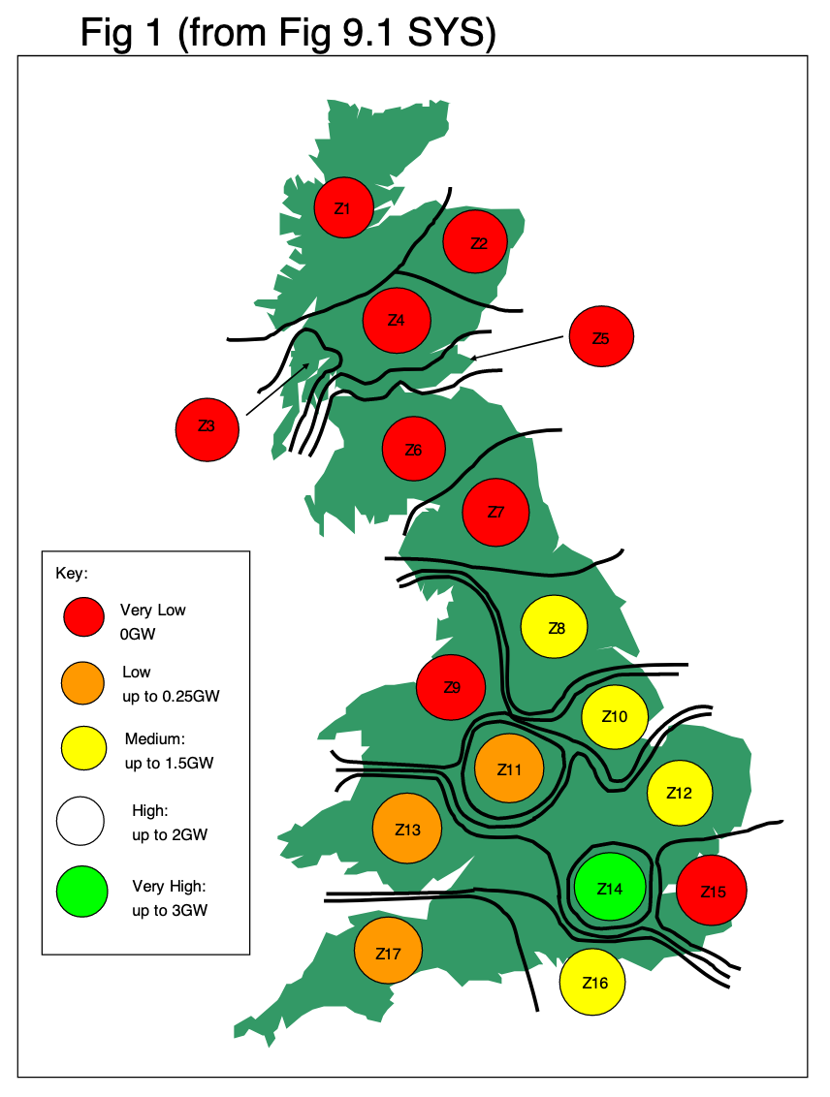
Z1
Z2
Z3
Z4
Z5
Z6
Z7
Z8
Z9
Z10
Z11
Z12
Z13
Z14
Z15
Z16
Z17

