Sheet1
MORPHOLOGICAL TYPES IN GERMAN LANGUAGE |  | Remarks
NOUN
Inherent | inflectional
GERNDER: Masculine, Neuter, Feminine | NUMBER: Singular, Plural;
 | PERSON: 1,2,3 | An important feature I forgot in my design
 | CASE: Nominative, Accusative, Genitive, Dative;
ADJ
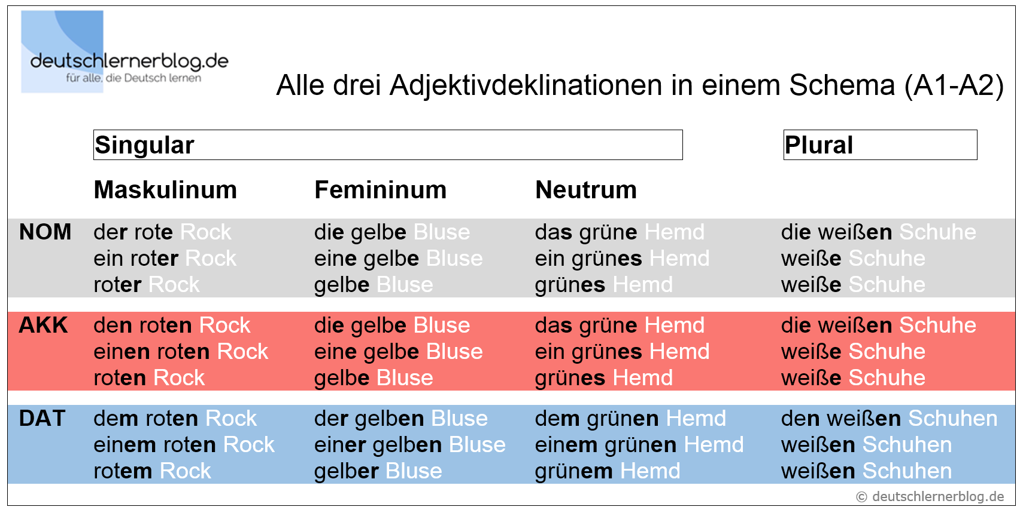
Inherent | inflectional | AN OVERVIEW FOR AJDECTIVE ENDING
 | GERNDER: Masculine, Neuter, Feminine;
 | NUMBER: Singular, Plural;
 | DEGREE: Postitive, Comparative, Superlative
 | CASE: Nominative, Accusative, Genitive, Dative;
VERB |  |  | Soruce: deutschlernerblog avaliable via: https://deutschlernerblog.de/adjektivdeklination-deutsch-a1-a2/
Inherent | inflectional
CASE: Nominative, Accusative, Genitive, Dative; | NUMBER: Singular, Plural;
 | TENSE: Past, Present, Future;
 | MOOD: Indicative, Imperative, Subjunctive;
 | ASPECT: Perfect, Imperfect, [Progressive]; | There is not progrssive form found in the PUD. However, there is in spoken language and some regional language practive, progressive forms can be found. E.g. "Ich bin am arbeiten." Olaf, Krause, Progressiv-Konstruktionen im Deutschen im Vergleich mit dem Niederländischen, Englischen und Italienischen.
 | VOICE: Active, Passive; | In German PUD, the voice is included in Verb-Form, which is a merged category, becase some of the verb froms are share by different grammar contructures. E.g. Partizip II are shared used by passive and perfect.
 | PERSON: 1,2,3 | An important feature I forgot in my design
LEGEND
NOT IN MY DESIGEN, BUT FOUND IN PUD
IN MY DESIGEN, AND FOUND IN PUD
IN MY DESIGEN, BUT NOT FOUND IN PUD

