Sheet1
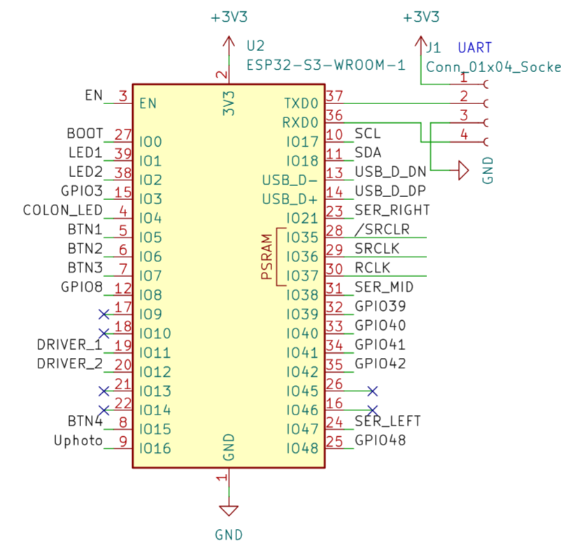
Name | Pin | I/O | Where? | Used?
SER_LEFT | GPIO47 | O | Shift Register | TRUE
SER_MID | GPIO38 | O | Shift Register | TRUE
SER_RIGHT | GPIO21 | O | Shift Register | TRUE
SRCLK | GPIO36 | O | Shift Register | TRUE
RCLK | GPIO37 | O | Shift Register | TRUE
/SRCLR | GPIO35 | O | Shift Register | TRUE

SCL | GPIO17 | O | I2C | TRUE
SDA | GPIO18 | I/O | I2C | TRUE

LED1 | GPIO1 | O | Power LED | TRUE
LED2 | GPIO2 | O | MCU LED | TRUE
COLON_LED | GPIO4 | O | Colon Neopixel | TRUE
BTN1 | GPIO5 | I | - | FALSE
BTN2 | GPIO6 | I | - | FALSE
BTN3 | GPIO7 | I | - | FALSE
BTN4 | GPIO15 | I | - | FALSE
DRIVER1 | GPIO11 | O | Grid Driver | TRUE
DRIVER2 | GPIO12 | O | Grid Driver | TRUE
Uphoto | GPIO16 | I | Photoresistor | TRUE

GPIO3 | GPIO3 | X | USB Sense | TRUE
GPIO8 | GPIO8 | X | Conn J7 | FALSE
GPIO39 | GPIO39 | X | Conn J7 | FALSE
GPIO40 | GPIO40 | X | Conn J7 | FALSE
GPIO41 | GPIO41 | X | Conn J7 | FALSE
GPIO42 | GPIO42 | X | Conn J7 | FALSE
GPIO48 | GPIO48 | X | USB Sense | TRUE

UART_TX | TXD0 | O | Conn J1 | FALSE
UART_RX | RXD0 | I | Conn J1 | FALSE

