bar chart
 | redundancy eliminated | db hits to normalize | time to normalize | |P_i| | #gFDs | size cover of gFDs | #R_i
P1 | 684608 | 8930544 | 5566 | 4 | 3 | 2 | 1
P2 | 1008998 | 28845388 | 22697 | 5 | 5 | 5 | 3
P3 | 1369802 | 39474122 | 17284 | 6 | 10 | 4 | 4

Normalization results

 |  | total: | 39474122 | 17284

Neo4j screenshots
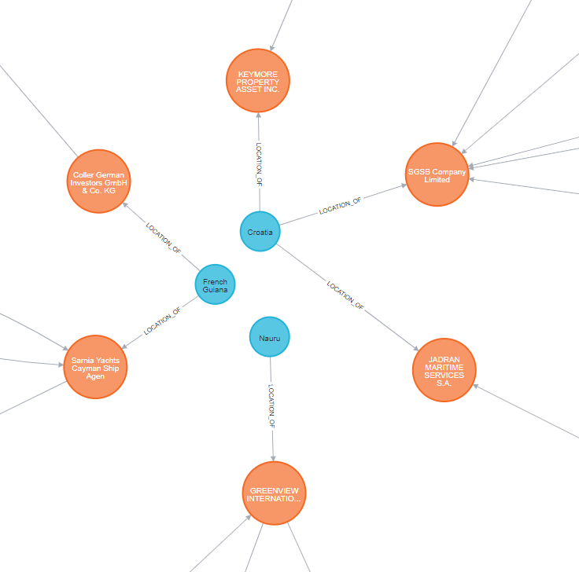
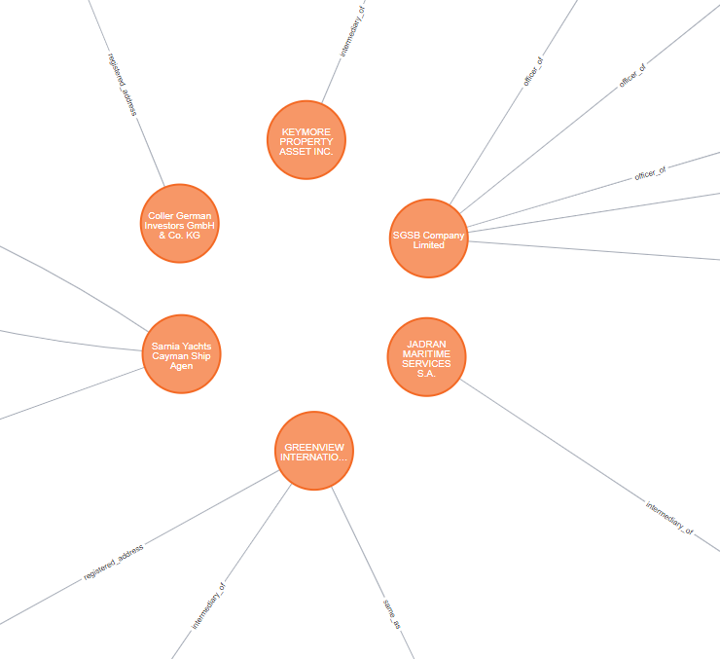
Nauru | 1
Croatia | 3
French Guiana | 2

MATCH (e:Entity) |  | MATCH (l:Location)
WHERE EXISTS(e.countries) AND EXISTS(e.country_codes) AND EXISTS(e.jurisdiction_description) AND EXISTS(e.service_provider) AND |  | WHERE l.countries = "Nauru" OR
(e.countries = "Nauru" OR |  | l.countries = "Croatia" OR
e.countries = "Croatia" OR |  | l.countries = "French Guiana"
e.countries = "French Guiana") |  | RETURN l
RETURN e

