Sheet1
 |  |  | OFFSHORE LEAKS: 2.016.524 vertices (814.345 entity vertices), 3.336.917 edges (denormalised), eFD: {Entity}: {service_provider, sourceID, valid_until}:{service_provider} -> {sourceID, valid_until}
 |  |  | 344.086: Entity vertices that are E-complete with E = {service_provider, sourceID, valid_until}
 |  |  | 344.086 Redundancy wrt {Entity}: {service_provider, sourceID, valid_until}:{service_provider} -> {sourceID, valid_until}

AGGREGATE QUERIES

Denormalised offshore leaks graph

Offshore Leaks
MATCH (e:Entity) WHERE
EXISTS(e.service_provider) AND EXISTS(e.sourceID) AND EXISTS(e.valid_until)
WITH e.service_provider AS provider, COUNT(*) AS amount
RETURN min(amount), max(amount), avg(amount)

DbHits | 3601053
DbHits | 1720431 | (with already existing index on 'service_provider' for Entity nodes)

Normalised offshore leaks graph wrt {Entity}:{service_provider, sourceID, valid_until}:{service_provider} -> {sourceID, valid_until}

MATCH (p:Provider) WHERE
EXISTS(p.service_provider) AND EXISTS(p.sourceID) AND EXISTS(p.valid_until)
WITH SIZE((p)--()) AS amount
RETURN min(amount), max(amount), avg(amount)

DbHits | 33
DbHits | 25 | with index on service_provider for Provider nodes
 |  |  |  |  |  |  |  |  | agg | upd / max | ver eFD / eUC | upd /avg | upd / min
 |  |  |  |  |  |  |  |  | Aggregation | Update | verify eFD / eUC | Update | Update
 |  |  |  |  |  |  |  | denorm | 3601053 | 2400045 | 2660949 | 2095023 | 2022649
 |  |  |  |  |  |  |  |  | 1720431 | 640903 |  | 183370 | 78409
 |  |  |  |  |  |  |  | norm | 33 | 15 | 29 | 15 | 15
UPDATES |  |  |  |  |  |  |  | with index | 25 | 1 | 21 | 1 | 1

Denormalised offshore leaks graph

max / 213634 |  |  |  | avg / 86021.5 |  | min / 24936

MATCH (e:Entity) |  |  |  | MATCH (e:Entity) |  | MATCH (e:Entity)
WHERE EXISTS(e.service_provider) AND EXISTS(e.sourceID) AND EXISTS(e.valid_until) |  |  |  | WHERE EXISTS(e.service_provider) AND EXISTS(e.sourceID) AND EXISTS(e.valid_until) |  | WHERE EXISTS(e.service_provider) AND EXISTS(e.sourceID) AND EXISTS(e.valid_until)
AND e.service_provider = 'Mossack Fonseca' |  |  |  | AND e.service_provider = 'Portcullis Trustnet' |  | AND e.service_provider = 'Appleby'
SET e.valid_until = 'The Panama Papers data is current through 2016' |  |  |  | SET e.valid_until = 'The Offshore Leaks data is current through 2011' |  | SET e.valid_until = 'Appleby data is current through 2015'

DbHits | 2400045 |  |  | DbHits | 2095023 | DbHits | 2022649
DbHits | 640903 | (with already existing index on 'service_provider' for Entity nodes) |  | DbHits | 183370 | DbHits | 78409

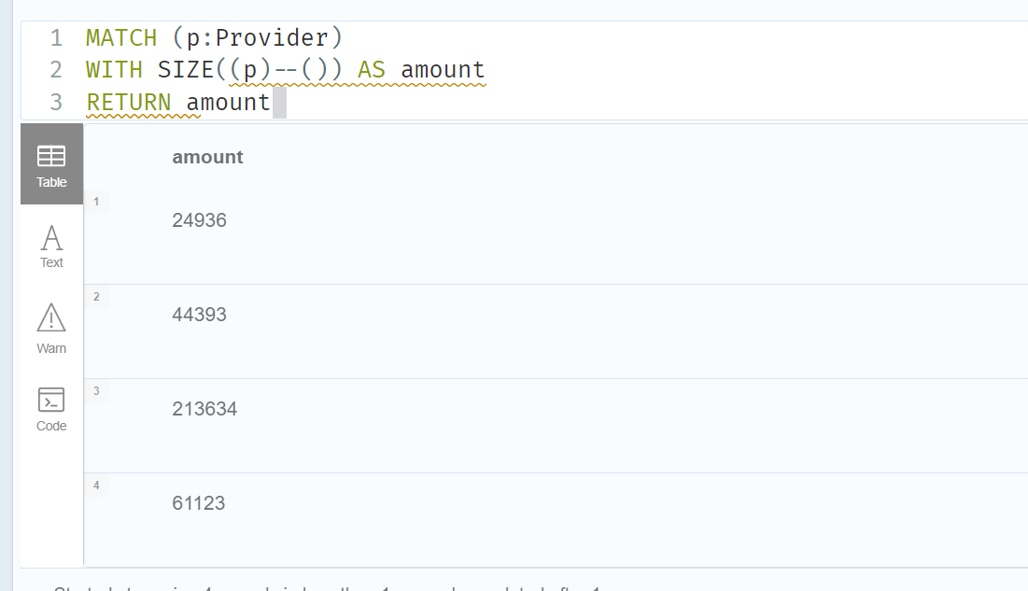
 |  |  |  |  |  |  |  |  | only 4 different providers
Normalised offshore leaks graph wrt {Entity}:{service_provider, sourceID, valid_until}:{service_provider} -> {sourceID, valid_until}

max / 213634 |  |  |  | avg / 86021.5 |  | min / 24936

MATCH (p:Provider) |  |  |  | MATCH (p:Provider) |  | MATCH (p:Provider)
WHERE EXISTS(p.service_provider) AND EXISTS(p.sourceID) AND EXISTS(p.valid_until) |  |  |  | WHERE EXISTS(p.service_provider) AND EXISTS(p.sourceID) AND EXISTS(p.valid_until) |  | WHERE EXISTS(p.service_provider) AND EXISTS(p.sourceID) AND EXISTS(p.valid_until)
AND p.service_provider = 'Mossack Fonseca' |  |  |  | AND p.service_provider = 'Portcullis Trustnet' |  | AND p.service_provider = 'Appleby'
SET p.valid_until = 'The Panama Papers data is current through 2016' |  |  |  | SET p.valid_until = 'The Offshore Leaks data is current through 2011' |  | SET p.valid_until = 'Appleby data is current through 2015'

DbHits | 15 | without index on service_provider for Provider nodes |  | DbHits | 15 | DbHits | 15
DbHits | 1 | with index on service_provider for Provider nodes |  | DbHits | 1 | DbHits | 1

verify eFD and eUC

Verify eFD {Entity}:{service_provider, sourceID, valid_until}:{service_provider} -> {sourceID, valid_until}

aggregate query

Denormalised offshore leaks graph

MATCH (e:Entity) WHERE
EXISTS(e.service_provider) AND EXISTS(e.sourceID) AND EXISTS(e.valid_until)
WITH e.service_provider AS provider, COUNT(DISTINCT(e.sourceID)) AS dist1, COUNT(DISTINCT(e.valid_until)) AS dist2 WHERE dist1 > 1 OR dist2 > 1
RETURN provider, dist1, dist2

DbHits: | 2660949
DbHits: | 1720431 | (with already existing index on 'service_provider' for Entity nodes)

Verify eUC {Provider}:{service_provider, sourceID, valid_until}:{service_provider}

aggregate query

Normalised offshore leaks graph wrt {Entity}:{service_provider, sourceID, valid_until}:{service_provider} -> {sourceID, valid_until}

MATCH (p:Provider) WHERE
EXISTS(p.service_provider) AND EXISTS(p.sourceID) AND EXISTS(p.valid_until)
WITH p.service_provider AS provider, COUNT(p) AS dist WHERE dist > 1
RETURN provider, dist

DbHits: | 29 | without index on service_provider on Provider nodes
DbHits: | 21 | with index on service_provider on Provider nodes

Count redundancy wrt {Entity}:{service_provider, sourceID, valid_until}:{service_provider} -> {sourceID, valid_until}

MATCH (e:Entity) WHERE
EXISTS(e.service_provider) AND EXISTS(e.sourceID) AND EXISTS(e.valid_until)
WITH e.service_provider AS prov, COUNT(e.sourceID) AS dist1, COUNT(e.valid_until) AS dist2 WHERE dist1 > 1 OR dist2 > 1
RETURN SUM(dist1)

