logstash
Each input runs in its own thread
logstash Pipeline
Inputs
worker thread mode(thread pool)
One thread per event
single thread mode
worker
logstash | http://logstash.net/docs/1.4.2/learn | OverView
WHAT is LOG: | LOG = Timestamp+DATA
 | Sep 16 05:03:21 carrera kernel: md: md2: data-check done.
Elasticsearch
file
Filter
grok
mutate
clone
.....
Outputs
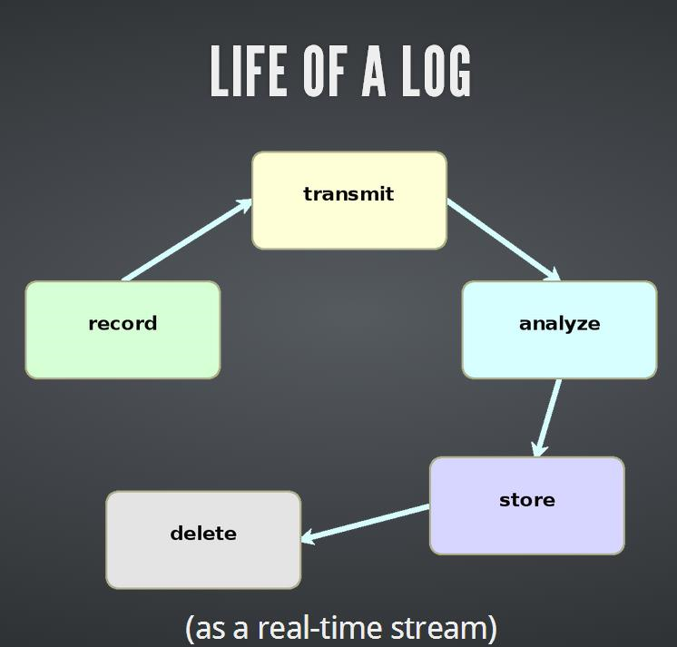
Codec
Input

syslog
Event
Event
Filter queue
Event
Event
Output queue
elasticsearch
Codec
Input
Codec
flume, fluentd, scribe, rsyslog, syslog-ng
push
pull
push
pull
file
Input
file
redis
Codec
Codec

MAX=20
MAX=20
hadoop, graylog2, elsa
DB
Codec
Input
lumberjack
Codec
.....

hdfs, cassandra, elasticsearch

