ESTIMATE LEACHABLE N_FIELD1
Potential N Leaching = N Inputs - N Outputs (excluding leaching) - Change in N Storage
INPUTS (lbs N/acre)
Fertilizer | 210 | Enter total amount of nitrogen fertilizer applied (lbs N/acre) |  | Acres | 20
Manure | 0 | First year available N and any N credits from previous years
Symbiotic N fixation (legumes) | 0 | No Legumes Grown
Irrigation | 41 | Calculate this by entering irrigation water nitrate and inches applied ---------------------------> |  | Irrigation (mg/L nitrate-N) | 18 | inches applied | 10
Precipitation | 4 | Calculate this by entering precip nitrate and annual precip ---------------------------------------> |  | Precipitation (mg/L nitrate-N) | 0.5 | inches precip | 32
Dry Deposition | 4 | Assume equal to precipitation
Crop Seed | 0 | Assume Not Significant (<1 lb/N acre)
Nonsymbiotic Fixation | 3 | Estimated Value
Total Inputs | 261 |  |  | ENTER CROP INFORMATION HERE:
OUTPUTS (lbs N/acre) |  |  | Custom Values | Select Crop | Corn, Sillage
Harvested material | 14 | Calculate using by entering crop type and yield data ---------------------------------------------> |  | Yield (units/ac) | 2 | N content* | 7.2 | Ton
Ammonia Loss | 10.5 | Use Table 5-6.1 / Incorporated Urea or UAN - soil pH < 7 = 1% | 5 |  |  | *Obtained from literature values - Table 5-4
Denitrification | 6.3 | Use Table 5-7 / Excessively well drained = 3% | 3
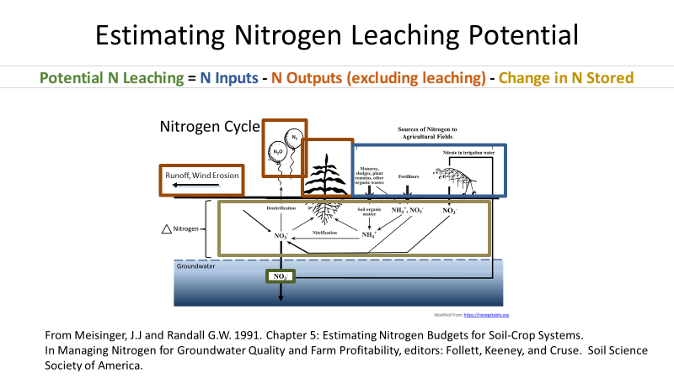
Erosion | 0 | if erosion potential exists (ton/acre soil loss x % O.M. x 2)
Runoff | 0 | < 3 lb N / year
Miscellaneous Gaseous | 2 | ~ 1% of total inputs
Ammonia at senescence | 8 | estimates range from 4-16 lbs N/acre (2-8% of plant N)
Total Outputs | 41 | All outputs except leaching
Change in N STORAGE (lbs N/acre)***
Change in Inorganic N | 0 | Dominated by the NO3 pools
Change in Organic N | 0 | For steady state systems assume 0, use this if abover average mineralization is expected
Total Storage Change | 0 | All storage. Note: Negative values represent release from storage.
LEACHABLE N
Leachable N | 220 | lbs / acre

Soil Nitrogen Balance Calculator
Version 1.0 - May 5, 2021
Based off the book chapter of Meisenger and Randall (1991)

Created by: Kevin Masarik

