Sheet1
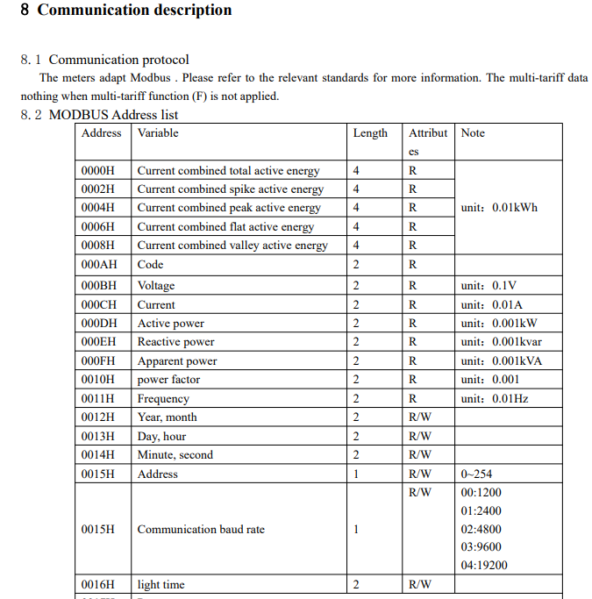

 |  | Length | Byte Address | Hex Address |  | Range
0000H | Current combined total active energy | 4 | 0 | 0 | FFFFFFFF | 0 | to | 4294967295
0002H | Current combined spike active energy | 4 | 2 | 2 | FFFFFFFF | 0 | to | 4294967295
0004H | Current combined peak active energy | 4 | 4 | 4 | FFFFFFFF | 0 | to | 4294967295
0006H | Current combined flat active energy | 4 | 6 | 6 | FFFFFFFF | 0 | to | 4294967295
0008H | Current combinedvalue active energy | 4 | 8 | 8 | FFFFFFFF | 0 | to | 4294967295
000AH | Code | 2 | 10 | A | FFFF | 0 | to | 65535
000BH | Voltage | 2 | 11 | B | FFFF | 0 | to | 65535
000CH | Current | 2 | 12 | C | FFFF | 0 | to | 65535
000DH | Active Power | 2 | 13 | D | FFFF | 0 | to | 65535
000EH | Reactive Power | 2 | 14 | E | FFFF | 0 | to | 65535
000FH | Apparent Power | 2 | 15 | F | FFFF | 0 | to | 65535
0010H | Power Factor | 2 | 16 | 10 | FFFF | 0 | to | 65535
0011H | Frequency | 2 | 17 | 11 | FFFF | 0 | to | 65535
0012H | Year, Month | 2 | 18 | 12 | FFFF | HighByte = 0 to 99 = Year |  |  | LowByte= 1 to 12 Month
0013H | Day, Hour | 2 | 19 | 13 | FFFF | HighByte = 1 to 7 = Day |  |  | LowByte= 0 to 23 Hour
0014H | Minute, Second | 2 | 20 | 14 | FFFF | HighBye 0 to 59 Minute |  |  | LowByte 0 to 59 Seconds
0015H | Address | 1 | 21 | 15 |  | 0 | to | 254 | High byte
0015H | Communication Baud Rate | 1 | 21 | 15 |  | 00 | to | 04 | Low byte
0016H | Light time | 2 | 22 | 16 |  | 0 | to | 254
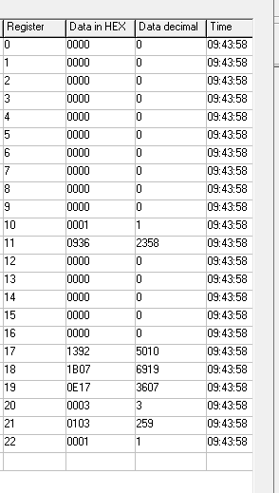

 |  |  |  | Which models of ADL support time? Does the clock work?
 |  |  |  | What fields are actually updated per model of ADL?
 |  |  |  | What is the format of the floats? It is not IEEE
 |  |  |  | Passive pulse output, conform to DIN43864 standard ? 5v0 10k Pullup?
 | What is PRG H01? 0701 ? Mean ?
 | L 86 0001 ?
 | What does CLRe clear?

