MVVM Overview
Model-View-ViewModel Application Architecture Overview

Model

 | The Model is your application's data and the objects responsible for retrieving it.
 | It might consist of multiple classes, including services abstracting database operations, for example.
 | It's also "data transfer objects" (DTO) that carry data from a source: classes with nothing but read/write properties (or public fields).

 | The MVVM project provides no out-of-the-box infrastructure code for the model component, because the model is inherently application-specific.

View

IView (abstract interface)
ViewModel (Get)
ShowDialog() Boolean
Hide()
Show()
 | The View is how your application communicates with its user, and how the user communicates with the application.
 | The role of the view is to present the ViewModel to the user, being strictly concerned with presentation.

 | The View is responsible for everything directly related to the user interface (UI), and should implement the IView interface.

ICancellable (abstract interface)
IsCancelled (Get)
OnCancel()
 | Dependencies
 | In order to function properly with MVVM, the View should hold an instance-level reference to the IAppContext interface.
 | Additionally, in order to configure the property bindings the View will require a reference to a specific ViewModel object/type.

 | Remarks
 | Modal dialogs that can be cancelled should implement the MVVM.ICancellable interface.
 | The code-behind module contains member calls against the IAppContext object model, to configure property and command bindings for the view.

ViewModel

INotifyPropertyChanged (abstract interface)
RegisterHandler()
OnPropertyChanged()
 | The ViewModel is how the magic happens. The abstract interface is very much anemic and the implementation is highly application-dependent…
 | But this is where the bulk of the work is.

 | Implementations of the IViewModel interface should implement the INotifyPropertyChanged interface.
 | Moreover, Property Let procedures should only conditionally assign the backing instance state, and invoke OnPropertyChanged:

 |  | Public Property Let StringProperty(ByVal RHS As String)
 |  | If This.StringProperty <> RHS Then
 |  | This.StringProperty = RHS
 |  | OnPropertyChanged "StringProperty"
 |  | End If
 |  | End Property

 |  | Private Sub OnPropertyChanged(ByVal PropertyName As String)
 |  | This.Notifier.OnPropertyChanged Me, PropertyName
 |  | End Sub

 | Dependencies
 | In order to function properly with MVVM, a ViewModel should hold an instance-level reference to a ValidationManager object.
 | Whenever a property binding generates a validation error the validation manager is notified, and the ViewModel has an opportunity to run some code.

 | Additionally, in order to facilitate and standardize implementing INotifyPropertyChanged, the MVVM infrastructure provides the PropertyChangeNotifierBase class.
 | Both the ValidationManager and the PropertyChangeNotifierBase object references can be assigned in the Class_Initialize handler procedure.

 |  | Private Sub Class_Initialize()
 |  | Set This.Notifier = New PropertyChangeNotifierBase
 |  | Set This.Validation = ValidationManager.Create(New NotifierBaseFactory)
 |  | End Sub

 | A ViewModel may also expose multiple ICommand properties that the View can use to configure command bindings (CommandBinding).
 | The MVVM infrastructure API provides AcceptCommand and CancelCommand standard commands, but commands should be mostly application-specific.

Issues
ISSUES |  |  | AWKWARD to give you an idea how it looks after some rounds of loading
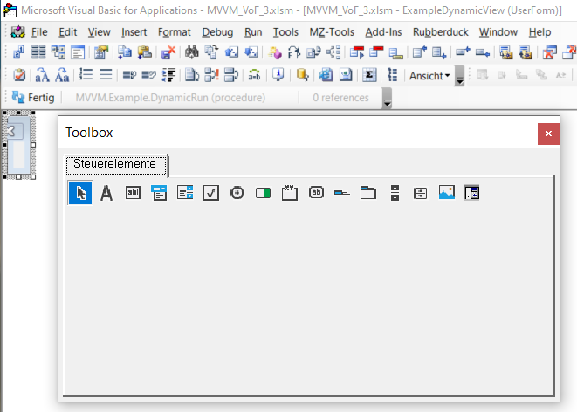
 | first two issues solved (in 'my way'). Would you mind checking and amend implementation to fit 'your way'?
 | third issue pending solution
 | Thx, Volker

 | (all changes marked by 'VF:', though notes/thoughts/remarks added are also marked by 'VF:')

1 | 'VF: Windows 10 is having a hard time handling multiple monitors, especially if different resolutions and more so if legacy applications like the VBE
fixed | 'keeps shrinking the userform in the VBE and thus showing the shrunk form <- must counteract this ugly Windows bug by specifying Height and Width of IView
 | 'rendering engine was changed from 2010 to 2013
 | 'should go into IView, shouldn't it?
 | Public Type TViewDims
 | Height As Long
 | Width As Long
 | End Type

 | in Public Sub DynamicRun()

 |  | Dim ViewDims As TViewDims
 |  | With ViewDims
 |  | .Height = 180 'some value that work in 2019, and somehow in 2010, too
 |  | .Width = 230
 |  | End With
 |  | Set View = ExampleDynamicView.Create(Context, ViewModel, ViewDims)
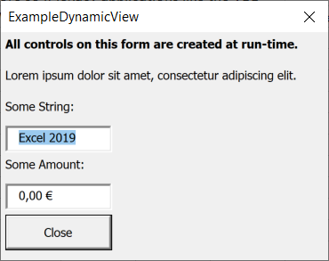
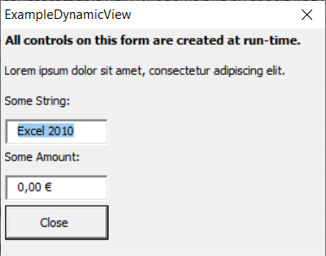

2 | There WAS a textbox validation error with the space bar (blank space between "Excel" and "2019")
fixed | caused by RequiredStringValidator IValueValidator_IsValid = Len(Trim$(Value)) > 0
 | solved by changing to OnChange

3 | Close button is active initially
open | 'ToDo: 'VF: needs validation .CanExecute(This.Context) before .Show

 | a bit inline commenting would be very helpful (for me)
 | blog and code are very disparate/very wide apart and thus harder to follow/to connect

