Sheet2
HK
 | hk00001 | hk00002 | hk00003 | hk00005 | hk00006 | hk00011 | hk00012 | hk00016 | hk00017 | hk00019 | hk00027 | hk00066
 | 0.00% | 0.00% | 0.00% | 0.00% | 0.00% | 0.00% | 0.00% | 0.00% | 0.00% | 0.00% | 0.00% | 0.00%
 | 0.00% | 0.00% | 0.00% | 0.00% | 0.00% | 0.00% | 0.00% | 0.10% | 0.00% | 0.00% | 0.00% | 0.00%
 | 0.27% | 0.12% | 0.14% | -0.13% | 0.10% | 0.00% | 0.16% | 0.10% | 0.22% | 0.30% | 0.39% | 0.12%
 | 0.44% | 0.31% | 0.00% | 0.00% | 0.20% | 0.15% | 0.16% | -0.29% | 0.22% | 0.50% | 0.39% | 0.47%
 | 0.27% | 0.31% | 0.00% | -0.13% | 0.20% | 0.07% | 0.33% | -0.29% | 0.11% | 0.30% | 0.20% | 0.47%
 | 0.09% | 0.12% | 0.00% | -0.38% | -0.29% | -0.07% | 0.00% | -0.38% | 0.00% | 0.30% | 0.29% | 0.35%
 | 0.18% | 0.00% | 0.00% | -0.26% | 0.10% | -0.30% | 0.00% | -0.38% | 0.11% | -0.10% | 0.29% | 0.23%
 | 3.36% | -0.25% | 0.00% | -0.64% | 2.06% | -0.15% | 0.00% | -0.38% | 1.44% | 0.80% | 0.98% | 0.23%
 | -0.27% | -0.61% | -0.43% | -1.02% | -0.98% | -0.97% | -0.82% | -0.77% | -0.55% | 0.00% | -0.59% | 0.12%
 | -1.68% | -1.23% | -1.01% | -1.28% | -1.57% | -1.63% | -1.64% | -1.91% | -1.44% | -1.81% | -0.88% | -0.82%
 | -1.24% | -1.17% | -0.87% | -1.02% | -1.77% | -0.97% | -1.15% | -1.53% | -0.66% | -0.80% | -0.88% | -0.47%
 | -1.50% | -1.04% | -0.72% | -0.77% | -1.77% | -1.11% | -1.15% | -1.91% | -0.55% | -0.80% | -0.59% | -0.23%
 | -1.33% | -1.11% | -0.72% | -0.64% | -1.67% | -0.74% | -1.15% | -2.30% | -0.33% | -1.11% | -0.49% | -0.23%
 | -1.33% | -1.23% | -1.01% | -0.51% | -1.67% | -0.89% | -1.15% | -2.20% | -0.55% | -1.21% | -0.49% | -0.47%
 | -1.33% | -1.23% | -1.01% | -0.51% | -1.67% | -0.89% | -1.15% | -2.20% | -0.55% | -1.21% | -0.49% | -0.47%
 | -1.24% | -1.23% | -1.01% | -0.51% | -1.57% | -0.82% | -1.15% | -2.11% | -0.44% | -1.21% | -0.49% | -0.47%
 | -1.15% | -1.23% | -0.87% | -0.77% | -1.47% | -0.67% | -1.15% | -2.11% | -0.55% | -1.11% | -0.29% | -0.35%
 | -1.24% | -1.23% | -0.87% | -0.64% | -1.57% | -0.89% | -1.15% | -2.11% | -0.77% | -1.21% | -0.49% | -0.47%
 | -0.80% | -1.29% | -0.87% | -0.38% | -1.37% | -0.74% | -1.15% | -2.20% | -0.66% | -1.11% | 0.00% | -0.35%
 | -1.24% | -1.47% | -1.01% | -0.77% | -1.67% | -1.04% | -1.15% | -2.20% | -0.66% | -1.41% | -0.20% | -0.47%
 | -0.88% | -1.35% | -1.01% | -0.64% | -1.67% | -0.52% | -0.82% | -2.11% | -0.22% | -1.51% | 0.10% | -0.23%
 | -0.71% | -1.60% | -0.72% | -0.51% | -1.67% | -0.52% | -0.66% | -2.01% | -0.11% | -1.91% | 0.20% | -0.35%
 | -1.15% | -1.78% | -0.72% | -0.64% | -1.67% | -0.52% | -0.66% | -1.91% | -0.11% | -2.21% | 0.20% | -0.12%
 | -0.71% | -0.12% | -0.72% | -0.64% | -4.71% | -1.26% | -2.96% | 1.44% | -0.11% | -2.21% | 0.00% | -2.45%
 | -0.53% | -1.11% | 0.29% | 0.13% | -1.47% | -0.07% | 0.16% | -0.77% | -0.22% | -0.10% | 0.69% | 0.23%
 | -0.09% | -1.90% | 0.14% | 1.53% | -1.47% | 0.07% | -0.33% | -1.63% | 0.55% | -0.10% | -0.39% | 0.00%
 | 0.09% | -1.54% | 0.14% | 1.41% | -1.28% | 0.15% | 0.00% | -1.44% | 0.88% | 0.40% | 0.10% | 0.12%
 | 0.27% | -1.47% | 0.14% | 1.02% | -1.28% | 0.07% | 0.16% | -2.01% | 0.55% | 1.01% | 0.49% | 0.12%
 | 0.09% | -1.84% | 0.14% | 1.02% | -1.37% | 0.07% | -0.33% | -2.39% | 0.66% | 1.51% | 2.25% | 0.23%
 | -0.09% | -1.84% | 0.00% | 1.02% | -1.47% | 0.22% | -0.16% | -2.11% | 0.66% | 0.90% | 2.55% | 0.12%
 | -0.09% | -1.84% | 0.00% | 1.02% | -1.47% | 0.22% | -0.16% | -2.11% | 0.66% | 0.90% | 2.55% | 0.12%
 | 0.00% | -1.84% | 0.00% | 1.02% | -1.47% | 0.22% | -0.16% | -2.11% | 0.66% | 0.90% | 2.55% | 0.00%
 | 0.35% | -1.84% | 0.14% | 1.28% | -1.57% | 0.52% | 0.16% | -2.11% | 0.66% | 0.80% | 3.24% | -0.12%
 | 0.27% | -1.84% | 0.00% | 1.15% | -1.47% | 0.22% | 0.33% | -1.82% | 0.55% | 0.80% | 4.02% | -0.12%
 | 0.27% | -1.90% | -0.29% | 1.02% | -1.47% | 0.07% | 0.33% | -1.72% | 0.44% | 0.40% | 3.92% | -0.23%
 | 0.00% | -2.33% | -0.43% | 0.90% | -1.47% | 0.15% | -0.16% | -2.20% | 0.11% | 0.10% | 4.12% | -0.35%
 | 0.00% | -2.15% | -0.72% | 1.15% | -1.47% | 0.07% | -0.16% | -2.30% | 0.11% | 0.10% | 4.51% | -0.23%
 | 0.27% | -1.97% | -0.43% | 1.15% | -1.18% | 0.22% | -0.16% | -2.11% | 0.22% | 0.00% | 5.20% | -0.35%
 | 0.35% | -1.72% | -0.29% | 1.15% | -1.08% | 0.37% | 0.16% | -2.01% | 0.66% | 0.20% | 5.29% | -0.47%
 | 0.71% | -0.74% | -0.29% | 1.79% | -1.08% | 0.37% | 0.16% | -2.01% | 0.66% | 0.20% | 5.29% | -0.47%
 | 0.97% | -1.29% | 0.29% | 1.92% | -0.98% | 0.82% | 1.15% | -1.34% | 0.99% | 1.41% | 7.16% | -0.12%
 | 2.30% | -0.61% | 0.72% | 2.43% | 0.10% | 1.63% | 2.13% | -0.19% | 2.65% | 3.52% | 8.33% | 0.00%
 | 2.39% | -0.37% | 0.58% | 2.43% | 0.00% | 1.63% | 2.79% | -0.77% | 2.65% | 3.52% | 7.65% | -0.12%
 | 1.94% | -0.49% | 0.58% | 3.32% | -0.20% | 1.56% | 3.12% | -1.34% | 2.21% | 3.22% | 7.16% | 0.00%
 | 1.94% | -0.86% | 0.29% | 3.32% | -0.29% | 1.56% | 2.96% | -1.63% | 2.32% | 3.22% | 7.35% | -0.12%
 | 2.03% | -0.80% | 0.43% | 3.32% | -0.39% | 2.00% | 2.96% | -1.34% | 2.21% | 2.81% | 7.75% | 0.00%
 | 2.03% | -0.80% | 0.43% | 3.32% | -0.39% | 2.00% | 2.96% | -1.34% | 2.21% | 2.81% | 7.75% | 0.00%
 | 2.03% | -0.92% | 0.43% | 3.32% | -0.39% | 2.00% | 2.96% | -1.15% | 2.21% | 3.02% | 7.84% | 0.00%
 | 1.86% | -0.68% | 0.29% | 3.07% | -0.49% | 2.30% | 2.63% | -1.82% | 2.32% | 2.71% | 6.67% | 0.00%
 | 1.68% | -0.98% | 0.43% | 2.94% | -0.59% | 2.15% | 2.63% | -2.01% | 2.32% | 2.61% | 6.18% | -0.12%
...
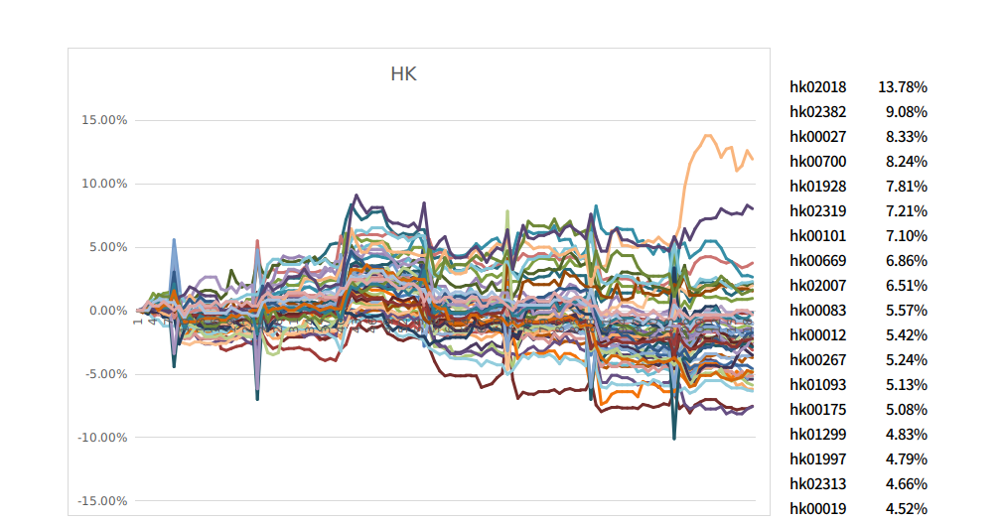
hk02018 | 13.78%
hk02382 | 9.08%
hk00027 | 8.33%
hk00700 | 8.24%
hk01928 | 7.81%
hk02319 | 7.21%
hk00101 | 7.10%
hk00669 | 6.86%
hk02007 | 6.51%
hk00083 | 5.57%
hk00012 | 5.42%
hk00267 | 5.24%
hk01093 | 5.13%
hk00175 | 5.08%
hk01299 | 4.83%
hk01997 | 4.79%
hk02313 | 4.66%
hk00019 | 4.52%

