Sheet1
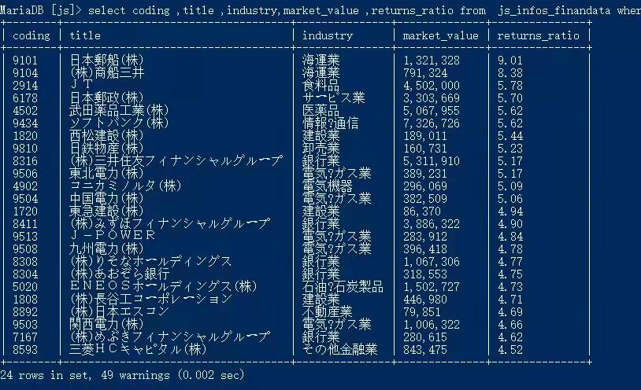
9101 | J | FLOAT, | J9101 FLOAT, | J9101 FLOAT,
9104 | J | FLOAT, | J9104 FLOAT, | J9101 FLOAT, J9104 FLOAT,
2914 | J | FLOAT, | J2914 FLOAT, | J9101 FLOAT, J9104 FLOAT, J2914 FLOAT,
6178 | J | FLOAT, | J6178 FLOAT, | J9101 FLOAT, J9104 FLOAT, J2914 FLOAT, J6178 FLOAT,
4502 | J | FLOAT, | J4502 FLOAT, | J9101 FLOAT, J9104 FLOAT, J2914 FLOAT, J6178 FLOAT, J4502 FLOAT,
9434 | J | FLOAT, | J9434 FLOAT, | J9101 FLOAT, J9104 FLOAT, J2914 FLOAT, J6178 FLOAT, J4502 FLOAT, J9434 FLOAT,
1820 | J | FLOAT, | J1820 FLOAT, | J9101 FLOAT, J9104 FLOAT, J2914 FLOAT, J6178 FLOAT, J4502 FLOAT, J9434 FLOAT, J1820 FLOAT,
9810 | J | FLOAT, | J9810 FLOAT, | J9101 FLOAT, J9104 FLOAT, J2914 FLOAT, J6178 FLOAT, J4502 FLOAT, J9434 FLOAT, J1820 FLOAT, J9810 FLOAT,
8316 | J | FLOAT, | J8316 FLOAT, | J9101 FLOAT, J9104 FLOAT, J2914 FLOAT, J6178 FLOAT, J4502 FLOAT, J9434 FLOAT, J1820 FLOAT, J9810 FLOAT, J8316 FLOAT,
9506 | J | FLOAT, | J9506 FLOAT, | J9101 FLOAT, J9104 FLOAT, J2914 FLOAT, J6178 FLOAT, J4502 FLOAT, J9434 FLOAT, J1820 FLOAT, J9810 FLOAT, J8316 FLOAT, J9506 FLOAT,
4902 | J | FLOAT, | J4902 FLOAT, | J9101 FLOAT, J9104 FLOAT, J2914 FLOAT, J6178 FLOAT, J4502 FLOAT, J9434 FLOAT, J1820 FLOAT, J9810 FLOAT, J8316 FLOAT, J9506 FLOAT, J4902 FLOAT,
9504 | J | FLOAT, | J9504 FLOAT, | J9101 FLOAT, J9104 FLOAT, J2914 FLOAT, J6178 FLOAT, J4502 FLOAT, J9434 FLOAT, J1820 FLOAT, J9810 FLOAT, J8316 FLOAT, J9506 FLOAT, J4902 FLOAT, J9504 FLOAT,
1720 | J | FLOAT, | J1720 FLOAT, | J9101 FLOAT, J9104 FLOAT, J2914 FLOAT, J6178 FLOAT, J4502 FLOAT, J9434 FLOAT, J1820 FLOAT, J9810 FLOAT, J8316 FLOAT, J9506 FLOAT, J4902 FLOAT, J9504 FLOAT, J1720 FLOAT,
8411 | J | FLOAT, | J8411 FLOAT, | J9101 FLOAT, J9104 FLOAT, J2914 FLOAT, J6178 FLOAT, J4502 FLOAT, J9434 FLOAT, J1820 FLOAT, J9810 FLOAT, J8316 FLOAT, J9506 FLOAT, J4902 FLOAT, J9504 FLOAT, J1720 FLOAT, J8411 FLOAT,
9513 | J | FLOAT, | J9513 FLOAT, | J9101 FLOAT, J9104 FLOAT, J2914 FLOAT, J6178 FLOAT, J4502 FLOAT, J9434 FLOAT, J1820 FLOAT, J9810 FLOAT, J8316 FLOAT, J9506 FLOAT, J4902 FLOAT, J9504 FLOAT, J1720 FLOAT, J8411 FLOAT, J9513 FLOAT,
9508 | J | FLOAT, | J9508 FLOAT, | J9101 FLOAT, J9104 FLOAT, J2914 FLOAT, J6178 FLOAT, J4502 FLOAT, J9434 FLOAT, J1820 FLOAT, J9810 FLOAT, J8316 FLOAT, J9506 FLOAT, J4902 FLOAT, J9504 FLOAT, J1720 FLOAT, J8411 FLOAT, J9513 FLOAT, J9508 FLOAT,
8308 | J | FLOAT, | J8308 FLOAT, | J9101 FLOAT, J9104 FLOAT, J2914 FLOAT, J6178 FLOAT, J4502 FLOAT, J9434 FLOAT, J1820 FLOAT, J9810 FLOAT, J8316 FLOAT, J9506 FLOAT, J4902 FLOAT, J9504 FLOAT, J1720 FLOAT, J8411 FLOAT, J9513 FLOAT, J9508 FLOAT, J8308 FLOAT,
8304 | J | FLOAT, | J8304 FLOAT, | J9101 FLOAT, J9104 FLOAT, J2914 FLOAT, J6178 FLOAT, J4502 FLOAT, J9434 FLOAT, J1820 FLOAT, J9810 FLOAT, J8316 FLOAT, J9506 FLOAT, J4902 FLOAT, J9504 FLOAT, J1720 FLOAT, J8411 FLOAT, J9513 FLOAT, J9508 FLOAT, J8308 FLOAT, J8304 FLOAT,
5020 | J | FLOAT, | J5020 FLOAT, | J9101 FLOAT, J9104 FLOAT, J2914 FLOAT, J6178 FLOAT, J4502 FLOAT, J9434 FLOAT, J1820 FLOAT, J9810 FLOAT, J8316 FLOAT, J9506 FLOAT, J4902 FLOAT, J9504 FLOAT, J1720 FLOAT, J8411 FLOAT, J9513 FLOAT, J9508 FLOAT, J8308 FLOAT, J8304 FLOAT, J5020 FLOAT,
1808 | J | FLOAT, | J1808 FLOAT, | J9101 FLOAT, J9104 FLOAT, J2914 FLOAT, J6178 FLOAT, J4502 FLOAT, J9434 FLOAT, J1820 FLOAT, J9810 FLOAT, J8316 FLOAT, J9506 FLOAT, J4902 FLOAT, J9504 FLOAT, J1720 FLOAT, J8411 FLOAT, J9513 FLOAT, J9508 FLOAT, J8308 FLOAT, J8304 FLOAT, J5020 FLOAT, J1808 FLOAT,
8892 | J | FLOAT, | J8892 FLOAT, | J9101 FLOAT, J9104 FLOAT, J2914 FLOAT, J6178 FLOAT, J4502 FLOAT, J9434 FLOAT, J1820 FLOAT, J9810 FLOAT, J8316 FLOAT, J9506 FLOAT, J4902 FLOAT, J9504 FLOAT, J1720 FLOAT, J8411 FLOAT, J9513 FLOAT, J9508 FLOAT, J8308 FLOAT, J8304 FLOAT, J5020 FLOAT, J1808 FLOAT, J8892 FLOAT,
9503 | J | FLOAT, | J9503 FLOAT, | J9101 FLOAT, J9104 FLOAT, J2914 FLOAT, J6178 FLOAT, J4502 FLOAT, J9434 FLOAT, J1820 FLOAT, J9810 FLOAT, J8316 FLOAT, J9506 FLOAT, J4902 FLOAT, J9504 FLOAT, J1720 FLOAT, J8411 FLOAT, J9513 FLOAT, J9508 FLOAT, J8308 FLOAT, J8304 FLOAT, J5020 FLOAT, J1808 FLOAT, J8892 FLOAT, J9503 FLOAT,
7167 | J | FLOAT, | J7167 FLOAT, | J9101 FLOAT, J9104 FLOAT, J2914 FLOAT, J6178 FLOAT, J4502 FLOAT, J9434 FLOAT, J1820 FLOAT, J9810 FLOAT, J8316 FLOAT, J9506 FLOAT, J4902 FLOAT, J9504 FLOAT, J1720 FLOAT, J8411 FLOAT, J9513 FLOAT, J9508 FLOAT, J8308 FLOAT, J8304 FLOAT, J5020 FLOAT, J1808 FLOAT, J8892 FLOAT, J9503 FLOAT, J7167 FLOAT,
8593 | J | FLOAT, | J8593 FLOAT, | J9101 FLOAT, J9104 FLOAT, J2914 FLOAT, J6178 FLOAT, J4502 FLOAT, J9434 FLOAT, J1820 FLOAT, J9810 FLOAT, J8316 FLOAT, J9506 FLOAT, J4902 FLOAT, J9504 FLOAT, J1720 FLOAT, J8411 FLOAT, J9513 FLOAT, J9508 FLOAT, J8308 FLOAT, J8304 FLOAT, J5020 FLOAT, J1808 FLOAT, J8892 FLOAT, J9503 FLOAT, J7167 FLOAT, J8593 FLOAT,

