Sheet1
Test ID | Test Description | Test Step | Test Data | Expected result | Actual Result
 | Pre-condition | Launch the page "https://demoqa.com/automation-practice-form" |  | User should be taken to the Student Register Form Page
TC-001 | UI Test | Check all the required fields are enough on the register form (Name -First Name, Last Name, Email, Gender, Mobile, Date of Birth, Subjects, Hobbies, Picture, Current Address, State and City, Submit button having text box, selection option symbols, drop-down list symbols)--> 1 test case |  | All the required fields are enough on the register form (Name -First Name, Last Name, Email, Gender, Mobile, Date of Birth, Subjects, Hobbies, Picture, Current Address, State and City, Submit button)
TC-002 | UI Test | Check the Place Holders are displayed |  | Input and drop-down list fields have default texts (First Name, Last Name, ...)
TC-003 | UI Test | Check Typo |  | No Typo
TC-001 | Verify register account by providing valid information for all the fields | 1. Click on each input box and enter valid input the details to all the field (First Name, Last Name, Email, Mobile, Subjects, Current address) 2. Click on one of the options of Gender, options for hobbies 3. Click on the button "Chọn tệp" and choose a photo, click open 4. Select State and City from drop-down list 5. Click "Submit" button | 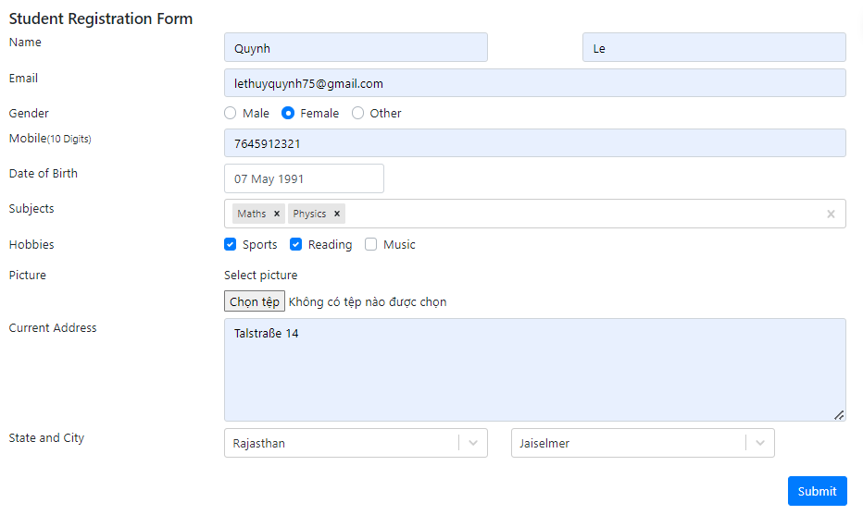 | A pop-up notification appears with the notification "Thanks for submitting the form" with all the information shown | 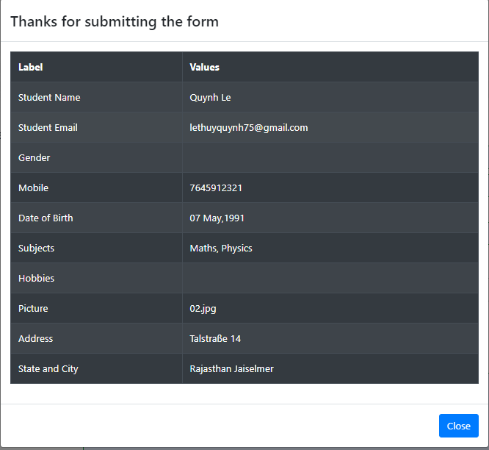 The Selection options (Gender and Hobbies) are not shown in the "Thanks for submitting the form"notification
TC-002 | Verify notification displayed for the mandatory field when not providing any fields in the "Student Registration Form" | 1. Don't enter any information / click / choose any options 2. Click "Submit" button | 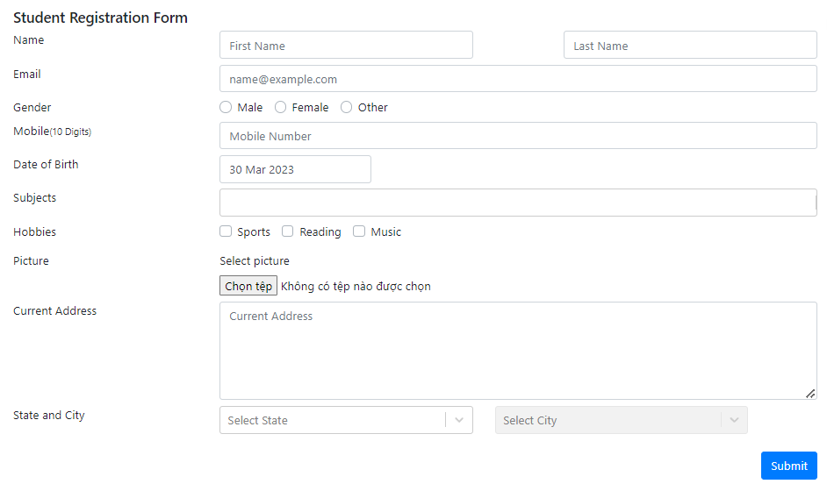 | 1. The Mandatory field border boxes (Name, Gender, Mobile) without information are red with red alert circle symbol at the end of the input box 2. Input field border boxes for Email, Date of Birth , Hobbies, Current Address are green with the Green tick at the end | 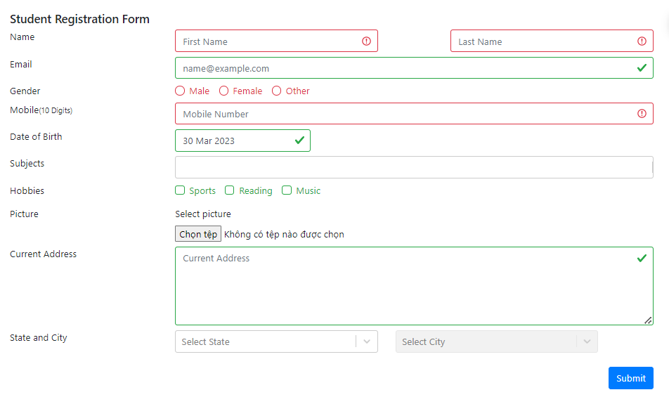
TC-003 | Verify register account by providing only mandatory fields | 1. Click on input box and enter valid input details to mandatory the field (First Name, Last Name, Mobile) 2. Click on one of the options of Gender, options for hobbies 3. Click "Submit" button | 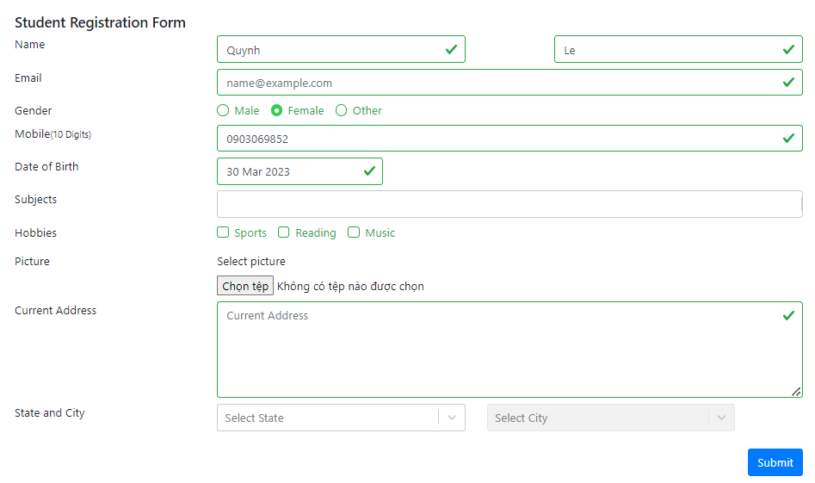 | A pop-up notification appears with the notification "Thanks for submitting the form" with the mandatoty input information is shown | 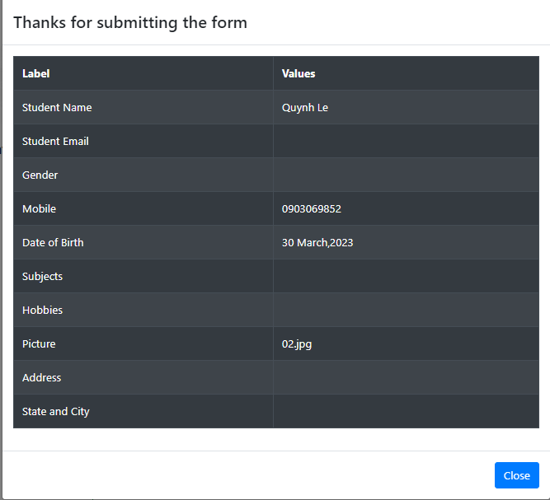
TC-004 | Verify notification when input an invalid information to the fields | 1. Should-Name (First Name, Last Name), Email: input invalid information (include special characters: (&) (=) (_) (') (-) (+) (,) (<,>) (.). 2. Email: input an email not following the format ( name@example.com) 3. Mobile (10 Digits): input texts, input less than 10 digits 3.1. Mobile (10 Digits): input more than 10 digits 4. Click "Submit Button" |  | 1.The Name (First Name, Last Name) field border boxes turn red with red alert circle at the end 2.Email fields border boxes turn red with red alert circle 3.Mobile fields border boxes turn red with red alert circle 3.1. Not allowed to input more than 10 digits 4. The pop-up notification with the notification "Thanks for submitting the form" does not appear. The user is not able to submit the form until a valid inputs are entered. |  1.The Name (First Name, Last Name) field border boxes turn green with the green tick at the end 2.Email fields border boxes turn red with red alert circle 3.Mobile fields border boxes turn red with red alert circle 3.1. Not allowed to input more than 10 digits 3. The The pop-up notification with the notification "Thanks for submitting the form" does not appear
TC-008 | Selection Option (Gender and Hobbies fields) | 1. Gender Radio selection: click on 2 options for this field 2. Hobbies Selection: Click on 3 options for this filed |  | 1. Gender radio selection field: Only 1 option can be chosen 2.Hobbies selection: Multiple options can be chosen | 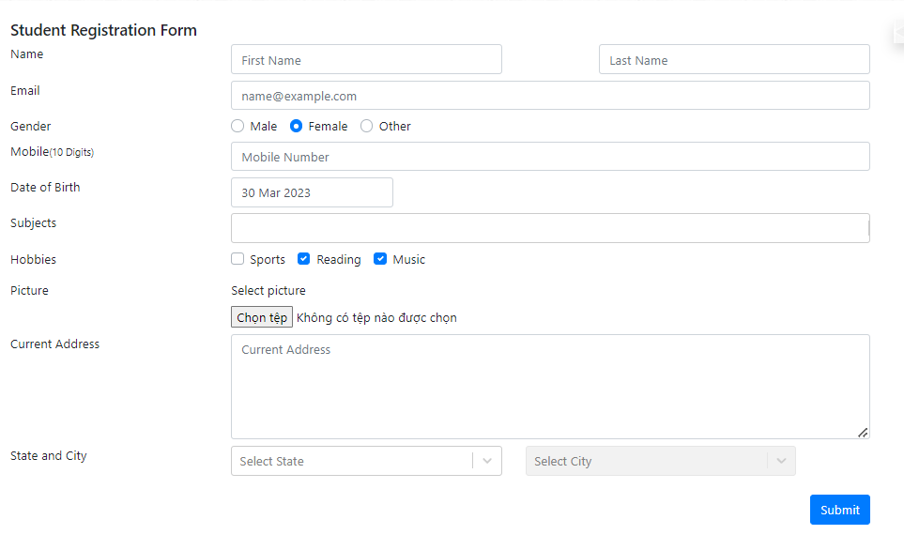
TC-009 | Drop-down list (State and City) | Click on the State selection box |  | 1. The border box will turn blue, drop-down list appear 2. Option is chosen 3. Enable City selection box
TC-010 | Drop-down list (State and City)- City depends on State | Chose one option for State |  | List of city of the state appear on drop-down list
TC-011 | Date of Birth Field | 1. Click on the input box of Date of Birth Field, 2. Select the Date, Month Year from the drop-down box, select 20/3/2040 (future time- invalid) 2.1. Write the valid Date, Month, Year into the input box |  | Date of Birth field has default value is current date 1. The border box will turn blue and the drop-down box will appear. 2. Not able to select the date, month, year. A notification for invalid information appear 2.1. Be able to type the date, month, year |  The invalid date is able to be chosen. No notification
TC-012 | Select File | 1. Click on the button 2. Click on the file, then click open |  | 1. A pop-up window appear to select a file 2. File name appear
TC-013 | Text-area (Current Address field) | 1. Input the information 2. Drag drop the input box to resize 3. Input is over the size of input box |  | 1. Be able to input information 2. Input box can be resized 3. Roll bar appear
TC-014 | Search-engine (subjects) | Input the first letter of subject |  | Appear suggestion for subjects with search character
TC-015 | Remove one subject or remove all | 1. Click on (x) one subject 2. Click on (x) at the end of input box |  | 1. One subject is deleted 2. All subjects are deleted

