Erklärung Deutsch
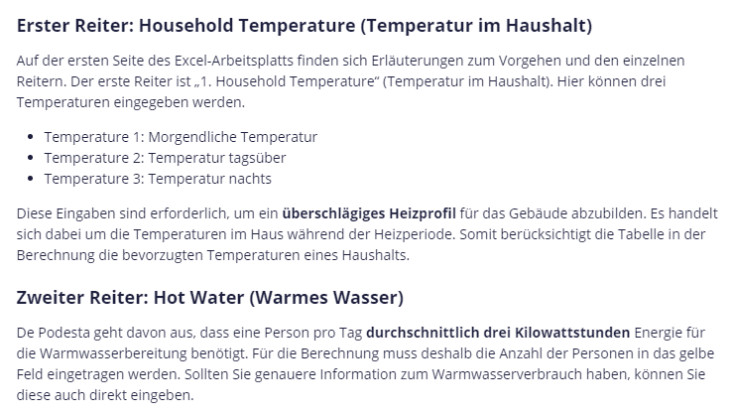

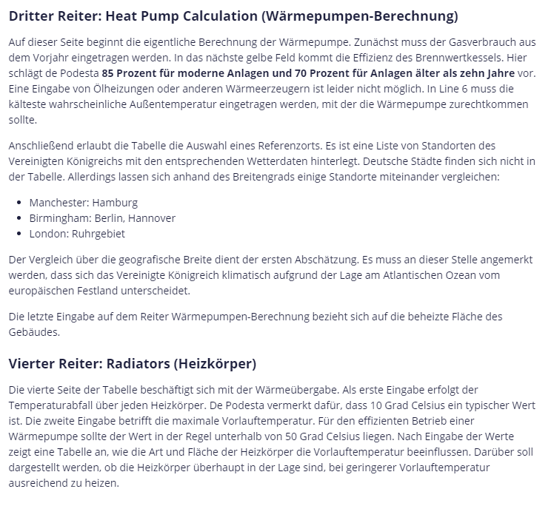

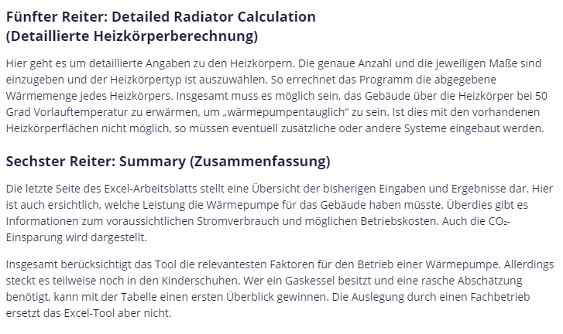

INTRO
Heat Pump Calculator Spreadsheet
Introduction
This spreadsheet is designed to help people heating their home with a gas boiler understand the consequences of switching to heating with a heat pump.

Versions
6.01: 3/4/23
Corrected Calaulation of Total Electricity cost in Tab 6
 | Tab 1 | This Tab allows you to specify the way the temperature currently varies in your home through a typical winter day.
 |  | It calculates the average daily temperature and the maximum temperature

 | Tab 2 | This Tab allows you to estimate how much of your gas consumption is used heating water and how much is used heating your home.

 | Tab 3 | This Tab combines inputs from the previous two Tabs together with the amount of gas you use each year and your location.
 |  | Using this information it estimates the heat transfer coefficient for your home (HTC) and the size of heat pump you require.

 | Tab 4 | This tab allows you enter the size and type of radiators currently in your home. It then estimates the temperature of the water required to flow around the radiators to keep you home comfortable.
 |  | Is the flow temperature required to heat your home on the coldest day is above 50 °C?
 |  | If so, the installation would benefit from either more radiators, larger radiators or better radiators. You can alter the number of radiators or their type or size in the spreadsheet to see the likely requirement..

 | Tab 5 | This tab summarises the calculations

 |  | Instructions
 |  | First Save a copy of the spreadsheet as you downloaded it and then use a 'working' copy for your calculations
 |  | Sadly, I guarantee nothing about this spreadsheet. Nothing. I have tried my best, but this comes with no guarantee.
 |  | A box like this (yellow background with red text) is for you to enter a number | 15,000
 |  | A box like this (red background with yellow text) is the result of a calculation | 4,000

1. HOUSEHOLD TEMPERATURE
1. AVERAGE HOUSEHOLD TEMPERATURE
Use this spreadsheet to estimate the way the temperature of your home varies in winter
When you think the answer is reasonably close, move on to the 'HOT WATER' tab.

 |  |  | Hour of the day | 0 | 1 | 2 | 3 | 4 | 5 | 6 | 7 | 8 | 9 | 10 | 11 | 12 | 13 | 14 | 15 | 16 | 17 | 18 | 19 | 20 | 21 | 22 | 23 | 24 | Average Temperature (°C) |  | Maximum Temperature (°C)
 |  |  | Temperature (°C) | 16.0 | 16.0 | 16.0 | 16.0 | 16.0 | 16.0 | 23.0 | 23.0 | 23.0 | 23.0 | 18.0 | 18.0 | 18.0 | 18.0 | 18.0 | 18.0 | 18.0 | 23.0 | 23.0 | 23.0 | 23.0 | 23.0 | 23.0 | 23.0 | 23.0 | 19.8 | °C | 23.0 | °C

The average and maximum temperatures are automaticlly filled in on the following spreadsheet tabs.
1 | Temperature 1 | 23.0 | °C
2 | Temperature 2 | 18.0 | °C |  |  |  |  |  |  |  |  |  |  |  |  |  |  |  |  |  |  |  |  |  | For Plotting
3 | Temperature 3 | 16.0 | °C |  |  |  |  |  |  |  |  |  |  |  |  |  |  |  |  |  |  |  |  |  | 0 | 19.8
 |  |  |  |  |  |  |  |  |  |  |  |  |  |  |  |  |  |  |  |  |  |  |  |  | 24 | 19.8

 |  |  |  | 3 |  |  |  |  |  | 1 |  |  |  |  |  |  | 2 |  |  |  |  | 1
Choose Temperatures and a Temperature Profile that best matches the way you use your home in winter.

2. HOT WATER
2. HOT WATER
Use this spreadsheet to estimate amount of hot water you use each day
When you have finished, move on to the 'HTC CALCULATION' tab.

Notes
My estimate assumes that each person in your household uses 3 kWh of hot water each day. This is an industry standard guideline. But it does not apply to every home.
The answer may differ if household members use a lot more or a lot less than average.
Additionally, households with solar panels may gain a substantial fraction of their hot water requirement without requiring any gas consumption.
 | How many people live in your home? | 2.0 |  | FALSE
 | I guess your home uses | 6.0 | kWh of hot water each day

If you know better, click the checkbox and enter your estimate below
 |  | FALSE

 |  | 5.0 | kWh of hot water each day

3. HEAT PUMP CALCULATION
3. HEAT PUMP CALCULATION
This spreadsheet is designed to help you choose the optimum size of heat pump when replacing a gas boiler
When you have finished with this page, move on to the radiators tab

Notes | Line | Input |  |  |  | Typical Degree Day Results for UK
Look this up on your gas bill. 5000 kWh is a very small house 30,000kWh is a very large house | 1 | Previous Year's Gas Consumption | 15,000 | kWh(gas)/year |  | (average of August 2019 to July 2022)
Use the HOT WATER tab to estimate HOT WATER usage. | 2 | Daily Hot Water: See Tab 2 | 6.0 | kWh(gas)/day |  |  | T(°C) | Reference Data (HDD 16.5)
I suggest 85% for a modern boiler and 70% for a boiler over 10 years old | 3 | Boiler Efficiency | 85% |  |  | Location | 19.8 | 20 | Slope
Use the HOUSEHOLD TEMPERATURE tab to generate the daily pattern which reflects your household temperature | 4 | AVERAGE Temperature: See Tab 1 | 19.8 | °C |  | Newquay | 1836 | 1902 | 319
Use the HOUSEHOLD TEMPERATURE tab to generate the daily pattern which reflects your household temperature | 5 | MAXIMUM Temperature: See Tab 1 | 23.0 | °C |  | Exeter | 1967 | 2029 | 296
The coldest likely outside temperature at which the heat pump should be able to deal with | 6 | OUTSIDE Design Temperature | -3.0 | °C |  | Bristol | 2250 | 2316 | 317
Select from nearby location from the drop down menu | 7 | Location | Heathrow | <<Drop down Menu |  | Oxford | 2244 | 2305 | 295
Data Estimated based upon Location and your average household temperature. | 8 | Heating Degree Days | 1927 | °C-days per year |  | Birmingham | 2252 | 2315 | 303
 | 9 | Intermediate Results |  |  |  | Heathrow | 1927 | 1986 | 280
Reference temperature based on average daily temperature on line 4 | 10 | Reference Temperature | 16.3 | °C |  | Dungeness | 1868 | 1927 | 284
The amount of heat delivered to your property: based on lines 1 & 3 | 11 | Heat supplied to property | 12,750 | kWh (thermal)/year | 100% | Norwich | 2149 | 2211 | 295
The amount of heat used for hot water: based on lines 2 & 3 | 12 | Heat used for hot water | 1,862 | kWh (thermal)/year | 15% | Bangor | 2161 | 2228 | 320
The amount of heat used to heat your property: the difference between lines 10 & 11 | 13 | Heat used for space heating | 10,889 | kWh (thermal)/year | 85% | Cardiff | 1981 | 2045 | 305
 | 14 | Output |  |  |  | Manchester | 2298 | 2363 | 312
HEAT TRANSFER COEFFICIENT: Heating power (in watts) to raise your dwelling 1 °C above the outside temperature: based on lines 7 & 11 | 15 | Heat Transfer Coefficient | 235 | W/°C |  | Leeds & Bradford | 2657 | 2726 | 330
Estimated Heat Transfer Coefficient (as in line 12) but in different units | 16 | Heat Transfer Coefficient | 5.6 | kWh(thermal)/day per °C |  | Newcastle | 2605 | 2673 | 326
Estimated peak Thermal Demand: based on Reference and Design Temperatures (Based on lines 5, 8 and 13) | 17 | Expected Daily Heating at design T | 109 | kWh(thermal)/day |  | Glasgow | 2570 | 2639 | 331
Estimated peak Daily Gas Use: based on peak thermal demand (line 14) and efficiency (line 3) | 18 | Expected Daily Gas Use at design T | 128 | kWh(gas)/day |  | Edingburgh | 2592 | 2661 | 331
Heat pump power required for MAXIMUM internal temperature at OUTSIDE design temperature (line 6): based on line 12 (HTC) and line 5 | 19 | Heat Pump Size | 5.3 | kW |  | Aberdeen | 2770 | 2841 | 339
 | 20 | Bonus Calculation |  |  |  | Belfast | 2504 | 2573 | 333
The living area of your home which is heated | 21 | Household floor area | 162 | m^2 |  | Dublin | 2394 | 2463 | 327
Heating required per square metre of living space per year. | 22 | Insulation Figure of Merit | 67 | kWh(thermal)/year/m^2 |  | Belfast | 2310 | 2380 | 336
Best possible: <15 | 23 |  |  |  |  | Dublin | 2394 | 2463 | 327
Best possible Retrofit: <25 | 24 |  |  |  |  | Cork | 2310 | 2380 | 336
Good Modern Good UK Home:<50 | 25
If this result is >100, think about improving the household insulation if possible | 26 |  |  |  |  | For plotting | 0 | 1
 |  |  |  |  |  | Passivhaus | 15 | 15
 |  |  |  |  |  | Enerphit | 25 | 25 | 0.5
 |  |  |  |  |  | Scottish Building Standards | 50 | 50

4. RADIATORS
4. RADIATOR CALCULATIONS
This spreadsheet is designed to help you understand whether your radiators are capable of releasing enough heat to keep you warm on cold days
When you have finished with this page, move on to the Summary tab

Notes | Line |  | Supply to the whole house
The maximum temperature you require in your home - from TAB 1 | 1 |  | Maximum Room Temperature | 23 | °C
The Maximum heat pump power you require from TAB 3 | 2 |  | Total Power to be supplied | 5,296 | W
The Temperature drop across each radiator: A typical value is 10 °C | 3 |  | Temperature Drop across each Radiator | 10 | °C
The Maximum Flow Temperature you are prepared to accept: Keep to 50 °C or below for good heat pump performance | 4 |  | Maximum Flow Temperature | 50 | °C
 | 5
The heat transfer radiator constants associated with each type of radiator | 6 |  | Radiator Constant | 17 | 29 | 39 | 50 | 70 | W/m^2/°C
Diagram showing what the radiator looks like from above: Radiators can be labelled with two numbers: the first number is the number of radiator panels through which water flows, and the second number is the number of sets of fins attached to the panels. So, for a example, a Type 21 radiator has 2 panels and 1 set of fins | 7
The name of the different types of radiator = (Number of panels)(Number of sets of fins) | 8 |  | Radiator Type | Type 10 | Type 11 | Type 21 | Type 22 | Type 33
 | 9
 | 10 |  | Total Radiator Surface Area (m^2) |  |  | Flow Temperature (°C)
Flow Temperatures that will deliver the required heat to your home with 1 m^2 of radiator surface | 11 |  | 1 | Not Possible | Not Possible | Not Possible | Not Possible | Not Possible
Flow Temperatures that will deliver the required heat to your home with 2 m^2 of radiator surface | 12 |  | 2 | Not Possible | Not Possible | Not Possible | Not Possible | Not Possible
This tab gives an overview of how heat enters the house from the hot water flowing through the radiators.
The table shows how:
(a) the type of radiator and
(b) the area of radiators
affects the flow temperature of the water in the radiators that is necessary to deliver the required heat to your home.
This assumes (for simplicitly) that all radiators are of the same type.
Flow Temperatures that will deliver the required heat to your home with 3 m^2 of radiator surface | 13 |  | 3 | Not Possible | Not Possible | Not Possible | Not Possible | Not Possible
Flow Temperatures that will deliver the required heat to your home with 4 m^2 of radiator surface | 14 |  | 4 | Not Possible | Not Possible | Not Possible | Not Possible | 46.9
Flow Temperatures that will deliver the required heat to your home with 5 m^2 of radiator surface | 15 |  | 5 | Not Possible | Not Possible | Not Possible | 49.2 | 43.1
Flow Temperatures that will deliver the required heat to your home with 6 m^2 of radiator surface | 16 |  | 6 | Not Possible | Not Possible | Not Possible | 45.7 | 40.6
Flow Temperatures that will deliver the required heat to your home with 7 m^2 of radiator surface | 17 |  | 7 | Not Possible | Not Possible | 47.4 | 43.1 | 38.8
Flow Temperatures that will deliver the required heat to your home with 8 m^2 of radiator surface | 18 |  | 8 | Not Possible | Not Possible | 45.0 | 41.2 | 37.5
Flow Temperatures that will deliver the required heat to your home with 9 m^2 of radiator surface | 19 |  | 9 | Not Possible | 48.3 | 43.1 | 39.8 | 36.4
 | 20 |  | 10 | Not Possible | 46.3 | 41.6 | 38.6 | 35.6

 |  |  |  |  |  |  |  |  |  | https://www.clyderadiators.co.uk/delta-t-conversion

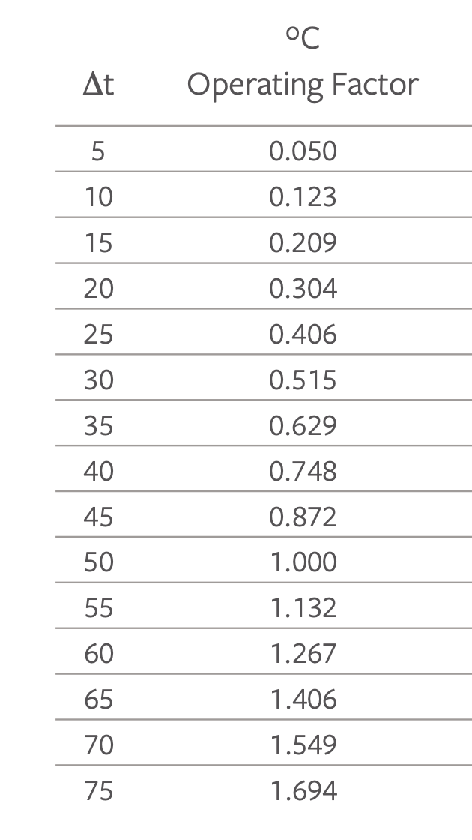
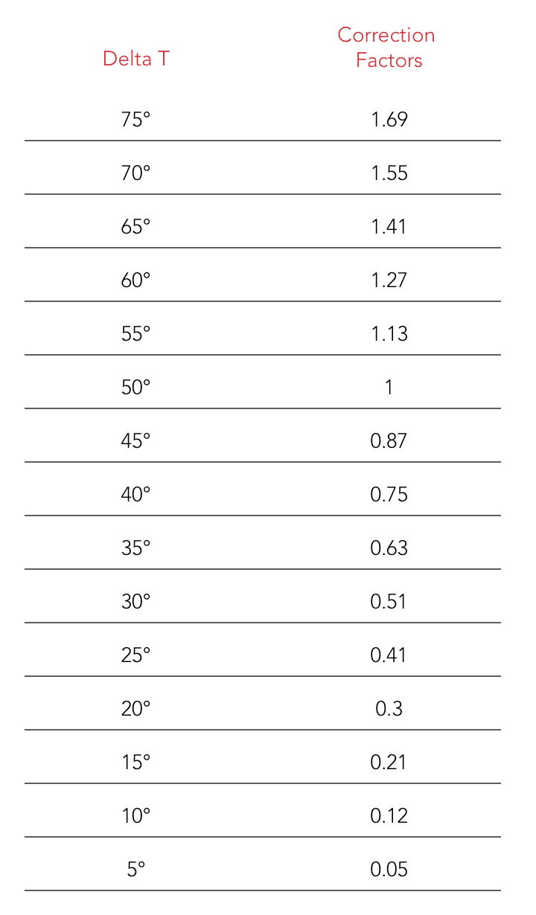

Inlet | Outlet | Average | Room | Delta T | Output | W/m^2/°C
60 | 40 | 50 | 20 | 30 | 260 | #REF! | #REF!
60 | 40 | 50 | 20 | 30 | 428 | #REF! | #REF!
60 | 40 | 50 | 20 | 30 | 583 | #REF! | #REF!
60 | 40 | 50 | 20 | 30 | 757 | #REF! | #REF!
60 | 40 | 50 | 20 | 30 | 1047 | #REF! | #REF!

 |  |  |  |  |  |  | Offset
 |  |  |  |  |  |  | -0.45714285714 |  | https://www.stelrad.com/wp-content/uploads/2018/05/The-Stelrad-Specification-Radiator-book.pdf
 |  |  |  |  |  |  | Slope
 |  |  |  |  |  | Room Temperature | 0.019
 |  |  |  |  |  | 20

 |  |  |  |  | Factor | Average Flow Temperature | Limited Ragne | Predicted Factor
 |  |  |  |  | 0.050 | 25 | 25 | 0.03 | -44%
 |  |  |  | Delta T | 0.123 | 30 | 30 | 0.13 | 2%
 |  |  |  | 5 | 0.209 | 35 | 35 | 0.22 | 6%
 |  |  |  | 10 | 0.304 | 40 | 40 | 0.32 | 5%
 |  |  |  | 15 | 0.406 | 45 | 45 | 0.42 | 3%
 |  |  |  | 20 | 0.515 | 50 | 50 | 0.51 | 0%
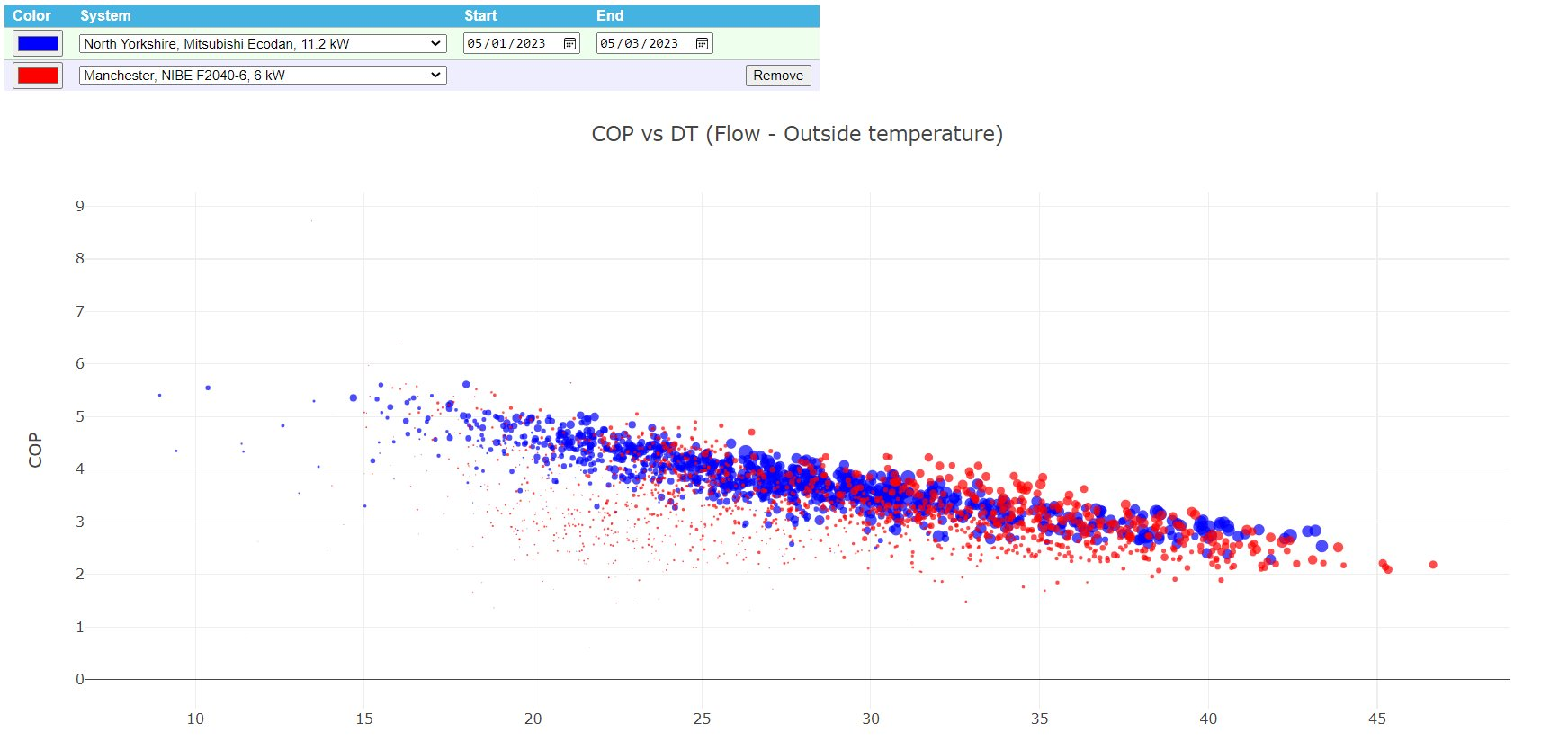
 |  |  |  | 25 | 0.629 | 55 | 55 | 0.61 | -3%
 |  |  |  | 30 | 0.748 | 60
 |  |  |  | 35 | 0.872 | 65
 |  |  |  | 40 | 1.000 | 70
 |  |  |  | 45 | 1.132 | 75
 |  |  |  | 50 | 1.267 | 80
 |  |  |  | 55 | 1.406 | 85
 |  |  |  | 60 | 1.549 | 90
 |  |  |  | 65 | 1.694 | 95
 |  |  |  | 70
 |  |  |  | 75

5 RADIATORS
5. DETAILED RADIATOR CALCULATIONS
This spreadsheet is designed to help you understand whether your radiators are capable of releasing enough heat to keep you warm on cold days
When you have finished with this page, move on to the Summary tab
 |  |  |  |  |  |  |  | Temperature Drop Across Each Radiator | 10.0 | °C
 |  |  |  |  |  |  |  | Flow T (°C) | 50.0 | °C
 |  |  |  |  |  |  |  | Maximum Room Temperature | 23.0 | °C
 |  |  |  |  |  |  |  | Target Heating Power | 5,296 | W
 |  |  |  |  |  |  |  | Actual HeatingPower | 5,618
 |  |  |  |  |  |  |  | Fraction of heating achieved | 106% | of target
Notes | Line |  | Number of Radiators |  |  |  |  | Total Radiator Area
Enter the number of radiators in your home - between 3 and 15 | 1 |  | 9 |  |  |  |  | 4.9
Enter the number of radiators in your dwelling and for each radiator:
1. Select the TYPE of radiator
2. The HEIGHT and WIDTH of each radiator.
The spreadsheet calculates the amount of heat from each radiator which should add up to 100% of the household heat demand.
Adjust the number of radiators, their types and sizes to match the heating power required
If you can do this with a flow temperature less than 50 °C, you home is 'heat pump ready'.
 | 2 | N | (Between 3 & 15) | Type | Constant (W/m^2/°C) | Height (m) | Width (m) | Area (m^2) | Heating Power (W)
Enter the type of radiator, its height and width. | 3 | 1 | Radiator 1 | Type 10 | 17 | 0.6 | 0.8 | 0.48 | 180 |  | Radiator Type | Type 10 | Type 11 | Type 21 | Type 22 | Type 33
Enter the type of radiator, its height and width. | 4 | 2 | Radiator 2 | Type 10 | 17 | 0.6 | 1.2 | 0.72 | 269 |  | Radiator Constant | 17 | 29 | 39 | 50 | 70 | W/m^2/°C
Enter the type of radiator, its height and width. | 5 | 3 | Radiator 3 | Type 10 | 17 | 0.6 | 0.8 | 0.48 | 180
Enter the type of radiator, its height and width. | 6 | 4 | Radiator 4 | Type 33 | 70 | 0.6 | 0.8 | 0.48 | 739
Enter the type of radiator, its height and width. | 7 | 5 | Radiator 5 | Type 33 | 70 | 0.6 | 0.8 | 0.48 | 739
Enter the type of radiator, its height and width. | 8 | 6 | Radiator 6 | Type 33 | 70 | 0.6 | 0.8 | 0.48 | 739
Enter the type of radiator, its height and width. | 9 | 7 | Radiator 7 | Type 33 | 70 | 0.6 | 1.0 | 0.6 | 924
Enter the type of radiator, its height and width. | 10 | 8 | Radiator 8 | Type 33 | 70 | 0.6 | 1.0 | 0.6 | 924
Enter the type of radiator, its height and width. | 11 | 9 | Radiator 9 | Type 33 | 70 | 0.6 | 1.0 | 0.6 | 924
 | 12
 | 13
 | 14
 | 15
 | 16
 | 17
 | 18

 |  | Limited Range

6. SUMMARY
SUMMARY
This spreadsheet summarises the results of the previous calculations

Notes | Line | Your home
Based on the entry in Tab 3 | 1 | Your home is located near | Heathrow
Based on the entry in Tab 3 | 2 | Your annual gas consumption is | 15,000 | kWh
 | 3 | Internal Temperature
Based on the entry in Tab 1 | 4 | The average desired temperature of your home is | 19.8 | °C
Based on the entry in Tab 1 | 5 | The maximum daily temperature in your home is | 23.0 | °C
 | 6 | Hot water
Based on the entry in Tab 2 | 7 | The amount gas you use to heat water each day is | 6.0 | kWh/day
This assumes water is heated from 15 °C to 55 °C | 8 | This is about | 129 | litres/day | at 55 °C
 | 9 | Amount of electricity Required to supply hot water at a COP of 2.5 | 876 | kWh/year
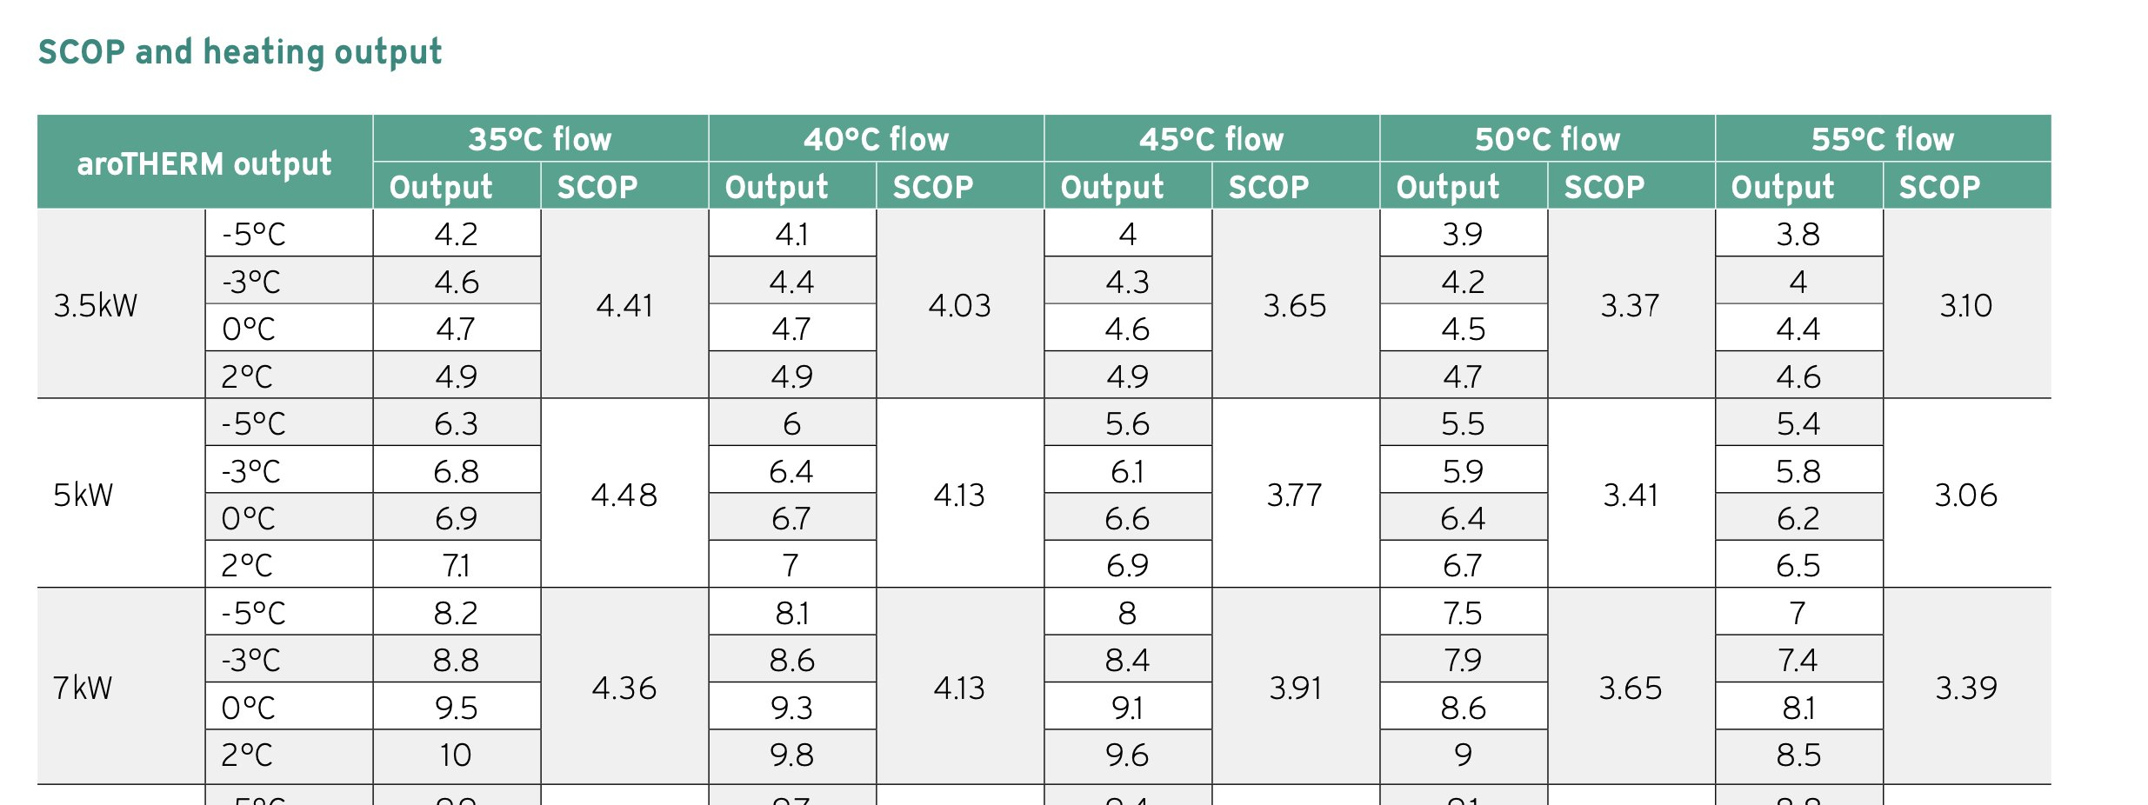
 | 10 | Space Heating
Based on the Calculation on Tab 3 | 11 | Your annual space heating requirement is about | 10,889 | kWh |  |  | Data from Vaillant Arotherm Plus Spreadsheet
Based on the Calculation on Tab 3: In practice pick the heat pump around this value or one size up. | 12 | Heat Pump Size Required | 5.3 | kWh |  |  |  | 5kW | 7kW
Based on the flow temperature value in Tab 4 | 13 | Flow Temperature | 50.0 | °C |  |  | Max Flow T | SCOP | SCOP |  | 5kW | 7kW
Based on the performance specification of Vaillant Arotherm Pump | 14 | Achievable SCOP | 3.6 |  |  |  | 35 | 4.48 | 4.36 | Slope | -0.07 | -0.05
 | 15 | Running Costs |  |  |  |  | 40 | 4.13 | 4.13 | Intercept | 6.97 | 6.07
Cost of a unit of gas | 16 | Gas Unit Cost | 11 | p/kWh |  |  | 45 | 3.77 | 3.91
Daily Standing Charge | 17 | Gas Daily Cost | 25 | p/day |  |  | 50 | 3.41 | 3.65
Annual Cost based on Gas Consumption from Line 2 | 18 | Annual Cost | £1,741 | £/year |  |  | 55 | 3.06 | 3.39
Monthly Cost based on Annual Cost on Line 19 | 19 | Monthly Cost | £145 | £/month
 | 20 | Electrical Consumption per year to replace Gas Boiler | 2,986 | kWh_e
Cost of a unit of electricity | 21 | Electricity Unit Cost | 34 | p/kWh
Annual Carbon Dioxide Emissions
Daily Standing Charge | 22 | Electricity Daily Cost | 39 | p/day
 | 23
Based on the SCOP in Line 15and Heating to be delivered on Line 11 | 24 | Space Heating Cost | £1,158 | £/year | heating
Based on a COP of 2.5, and the amount of hot water to be prepared on Line 7 | 25 | Hot Water Cost | £297.84 | £/year | hot water
Annual Cost based on adding Lines 24 and 25 | 26 | Total Cost | £1,456 | £/year
Monthly Cost based on Annual Cost on Line 19 | 27 | Monthly Cost | £121 | £/month
 | 28 | Carbon Dioxide
Carbon Intensity of kWh of electricity | 29 | Carbon Dioxide Intensity of a kWh of gas | 230 | g/kWh |  |  | Tonnes of Carbon Dioxide
Carbon Intensity of kWh of gas | 30 | Carbon Dioxide Intensity of a kWh of electricity | 230 | g/kWh |  | Gas | 3.45
Carbon Dioxide Emissions due to using a gas boiler to heat a home (kg) | 31 | Carbon dioxide emissions using gas | 3,450 | kg CO2 |  | Heat Pump | 0.89
Carbon Dioxide Emissions due to using a gas boiler to heat a home (tonnes) | 32 | Carbon dioxide emissions using gas | 3.45 | tonnes CO2
Carbon Dioxide Emissions due to using a heat pump to heat a home (kg) | 33 | Carbon dioxide emissions using electricity | 888 | kg CO2
Carbon Dioxide Emissions due to using a heat pump to heat a home (tonnes) | 34 | Carbon dioxide emissions using electricity | 0.89 | tonnes CO2
Reduction in CO2 emissions associated with using a heat pump expressed in TONNES of carbon dioxide | 35 | Reduction in emissions from using a heat pump | 2.56 | tonnes CO2
Reduction in CO2 emissions associated with using a heat pump expressed as a percentage | 36 | Reduction in emissions from using a heat pump | 74%
 | 37

Reference -UK HDD Data
This sheet contains data downloaded from heatingdegreedays.net for various UK locations based on data from August 2019 to July 2022
I have downloaded data for HDD 15.5. HDD, 16.5 and HDD 17.5 corresponding to the room temperatures of 19 °C, 20 °C, and 21 °C
I have then evaluated the rate at which HDDs change as internal temperature changes: I call this the 'slope'. |  |  |  |  |  |  |  |  |  |  |  |  |  |  |  |  |  |  |  |  |  |  |  |  |  |  |  |  |  |  |  |  |  |  |  |  |  |  |  |  |  |  |  |  |  |  |  |  |  |  |  |  |  |  |  |  |  |  |  |  |  |  |  |  |  |  |  |  | For Plotting
 |  |  |  |  |  |  |  |  |  |  |  |  |  |  |  |  |  |  |  |  |  |  |  |  |  |  |  |  |  |  |  |  |  |  |  |  |  |  |  |  |  |  |  |  |  |  |  |  |  |  |  |  |  |  |  |  |  |  |  |  |  |  |  |  |  |  | Average Slope |  |  | Average | Max | Min
 |  |  |  |  |  |  | Station ID |  |  | Station ID |  |  | Station ID |  |  | Station ID |  |  | Station ID |  |  | Station ID |  |  | Station ID |  |  | Station ID |  |  | Station ID |  |  | Station ID |  |  | Station ID |  |  | Station ID |  |  | Station ID |  |  | Station ID |  |  | Station ID |  |  | Station ID |  |  | Station ID |  |  | Station ID |  |  | Station ID |  |  |  |  |  | 315 |  | 0 | 315 | 344 | 285
 |  |  |  |  |  |  | EGHQ |  |  | EGTE |  |  | EGGD |  |  | EGUB |  |  | EGBB |  |  | EGLL |  |  | EGMD |  |  | EGSH |  |  | 3313 |  |  | EGFF |  |  | EGCC |  |  | EGNM |  |  | EGNT |  |  | EGPF |  |  | EGPH |  |  | EGPD |  |  | EGAA |  |  | EIDW |  |  | EICK |  |  |  |  |  | ±range |  | 20 | 315 | 344 | 285
 |  |  |  |  |  |  | Slope | 318.8 | °C=days/°C | Slope | 295.8 | °C=days/°C | Slope | 317.1 | °C=days/°C | Slope | 295.3 | °C=days/°C | Slope | 303.3 | °C=days/°C | Slope | 280.0 | °C=days/°C | Slope | 284.1 | °C=days/°C | Slope | 294.8 | °C=days/°C | Slope | 319.7 | °C=days/°C | Slope | 305.5 | °C=days/°C | Slope | 312.1 | °C=days/°C | Slope | 329.5 | °C=days/°C | Slope | 326.1 | °C=days/°C | Slope | 330.5 | °C=days/°C | Slope | 330.8 | °C=days/°C | Slope | 339.1 | °C=days/°C | Slope | 332.9 | °C=days/°C | Slope | 327.4 | °C=days/°C | Slope | 336.0 | °C=days/°C |  |  |  | 30 | 9% | Slope Analysis
Summary Table |  |  |  |  |  | Difference from Heathrow | -7.6% | -4.4% | -1.9% | 1.6% | 2.1% | 2.5% | 14.6% | 14.3% | 13.9% | 15.0% | 13.9% | 12.8% | 15.1% | 14.2% | 13.4% | 0.0% | 0.0% | 0.0% | -3.7% | -3.0% | -2.4% | 10.9% | 10.2% | 9.5% | 10.6% | 10.9% | 11.0% | 2.0% | 2.9% | 3.7% | 16.7% | 16.0% | 15.2% | 28.6% | 27.1% | 25.7% | 27.2% | 25.7% | 24.3% | 26.0% | 24.8% | 23.6% | 26.6% | 25.4% | 24.1% | 31.6% | 30.1% | 28.6% | 23.7% | 22.8% | 21.9% | 20.0% | 19.4% | 18.7% | 16.4% | 16.6% | 16.5% | Summary Table |  |  |  |  | Station
 |  |  |  |  |  | Difference from Heathrow | -121 | -83 | -43 | 28 | 43 | 59 | 293 | 331 | 367 | 303 | 320 | 334 | 305 | 329 | 352 | 0 | 0 | 0 | -61 | -58 | -53 | 210 | 225 | 239 | 202 | 242 | 282 | 36 | 59 | 87 | 344 | 377 | 408 | 688 | 740 | 787 | 639 | 687 | 732 | 601 | 653 | 702 | 622 | 675 | 724 | 793 | 855 | 911 | 533 | 587 | 639 | 428 | 477 | 523 | 337 | 394 | 449 |  |  |  |  |  | HDD Slope (°C-days/°C)
Slope
 | °C-days Averages of the last three years |  |  |  |  | 3-year Average | 1594 | 1902 | 2231 | 1742 | 2029 | 2334 | 2007 | 2316 | 2642 | 2017 | 2305 | 2608 | 2020 | 2315 | 2626 | 1714 | 1986 | 2274 | 1653 | 1927 | 2222 | 1924 | 2211 | 2514 | 1917 | 2228 | 2556 | 1750 | 2045 | 2361 | 2059 | 2363 | 2683 | 2402 | 2726 | 3061 | 2354 | 2673 | 3006 | 2315 | 2639 | 2976 | 2337 | 2661 | 2998 | 2507 | 2841 | 3186 | 2247 | 2573 | 2913 | 2142 | 2463 | 2797 | 2051 | 2380 | 2723 |  | Averages of the last three years
 | HDD | HDD | HDD |  |  | HDD Basis | 15.5 | 16.5 | 17.5 | 15.5 | 16.5 | 17.5 | 15.5 | 16.5 | 17.5 | 15.5 | 16.5 | 17.5 | 15.5 | 16.5 | 17.5 | 15.5 | 16.5 | 17.5 | 15.5 | 16.5 | 17.5 | 15.5 | 16.5 | 17.5 | 15.5 | 16.5 | 17.5 | 15.5 | 16.5 | 17.5 | 15.5 | 16.5 | 17.5 | 15.5 | 16.5 | 17.5 | 15.5 | 16.5 | 17.5 | 15.5 | 16.5 | 17.5 | 15.5 | 16.5 | 17.5 | 15.5 | 16.5 | 17.5 | 15.5 | 16.5 | 17.5 | 15.5 | 16.5 | 17.5 | 15.5 | 16.5 | 17.5 |  | HDD | HDD | HDD
 | 15.5 | 16.5 | 17.5 | Slope |  |  | Newquay |  |  | Exeter |  |  | Bristol |  |  | Benson, Oxford |  |  | Birmingham |  |  | Heathrow |  |  | Dungeness |  |  | Norwich |  |  | Rhyl |  |  | Cardiff |  |  | Manchester |  |  | Leeds & Bradford |  |  | Newcastle |  |  | Glasgow |  |  | Edingburgh |  |  | Aberdeen |  |  | Belfast |  |  | Dublin |  |  | Cork |  |  |  | 15.5 | 16.5 | 17.5 | Slope
Newquay | 1594 | 1902 | 2231 | 319 | 1 | 2019-08-01 | 10.6 | 23.6 | 43.6 | 27.6 | 40 | 55.6 | 22.4 | 38.2 | 58.6 | 24.7 | 36.7 | 51.5 | 18.9 | 30.6 | 47.1 | 9.7 | 17.2 | 28.3 | 12 | 18.5 | 27.9 | 18.6 | 28.5 | 41.1 | 17.6 | 31.2 | 50.1 | 10.7 | 19.9 | 35.9 | 22.6 | 36.2 | 55 | 28.7 | 46.5 | 67.8 | 37 | 54.3 | 76.6 | 35.2 | 54.6 | 78.3 | 35 | 53 | 75.3 | 44.7 | 65.3 | 89.7 | 36.8 | 55.7 | 79.4 | 36.3 | 53.6 | 74.8 | 37 | 58.2 | 83.5 | Newquay | 1594 | 1902 | 2231 | 319
Exeter | 1742 | 2029 | 2334 | 296 | 2 | 2019-09-01 | 28 | 50.6 | 77.2 | 45.6 | 62 | 83 | 53.4 | 76.8 | 103.8 | 61.9 | 79.3 | 99.8 | 53.2 | 73.7 | 98.2 | 33.3 | 47.9 | 66.6 | 38.5 | 50.9 | 67.9 | 60.8 | 80.2 | 103 | 56.4 | 79.6 | 105.9 | 33.9 | 52.6 | 76.6 | 65.3 | 89.6 | 116.1 | 89.9 | 116.9 | 145.4 | 97.1 | 123.3 | 151.1 | 87.4 | 114.6 | 143.1 | 89.1 | 115.8 | 144.2 | 105.8 | 133.9 | 163.1 | 80.1 | 105.8 | 133.9 | 79 | 103.3 | 130.1 | 63.9 | 88.9 | 116.8 | Exeter | 1742 | 2029 | 2334 | 296
Bristol | 2007 | 2316 | 2642 | 317 | 3 | 2019-10-01 | 113.7 | 144.5 | 175.4 | 132.6 | 161.9 | 192.6 | 162.8 | 193.8 | 224.8 | 157.9 | 188.1 | 219.2 | 175.1 | 205.9 | 237 | 120.2 | 148.8 | 179.1 | 95.3 | 121.9 | 151.6 | 150.3 | 180.3 | 211.2 | 171.2 | 202.3 | 233.2 | 128.6 | 159.2 | 190 | 185.7 | 216.8 | 247.8 | 219.6 | 250.6 | 281.6 | 222.6 | 253.7 | 284.7 | 225.9 | 256.9 | 287.9 | 219.6 | 250.7 | 281.7 | 225.8 | 256.8 | 287.9 | 213 | 243.9 | 274.9 | 192.3 | 223.3 | 254.4 | 176.3 | 207.2 | 238.3 | Bristol | 2007 | 2316 | 2642 | 317
Oxford | 2017 | 2305 | 2608 | 295 | 4 | 2019-11-01 | 203.6 | 233.6 | 263.6 | 230 | 259.9 | 289.9 | 269.5 | 299.5 | 329.5 | 271.4 | 301.4 | 331.4 | 273.4 | 303.4 | 333.4 | 243.3 | 273.3 | 303.3 | 204.2 | 234.1 | 264.1 | 251.2 | 281.2 | 311.2 | 263.6 | 293.6 | 323.6 | 239.2 | 269.2 | 299.2 | 272 | 302 | 332 | 309 | 339 | 369 | 304.3 | 334.3 | 364.3 | 337.5 | 367.5 | 397.5 | 326.4 | 356.4 | 386.4 | 302.9 | 332.9 | 362.9 | 291.5 | 321.5 | 351.5 | 273.8 | 303.8 | 333.8 | 262.6 | 292.6 | 322.6 | Oxford | 2017 | 2305 | 2608 | 295
Birmingham | 2020 | 2315 | 2626 | 303 | 5 | 2019-12-01 | 230.9 | 261.9 | 292.9 | 255.5 | 286.5 | 317.5 | 282.7 | 313.7 | 344.7 | 288.6 | 319.6 | 350.6 | 301 | 332 | 363 | 261 | 292 | 323 | 238.4 | 269.4 | 300.4 | 281.5 | 312.5 | 343.5 | 267.2 | 298.2 | 329.2 | 257.4 | 288.4 | 319.4 | 300.1 | 331.1 | 362.1 | 323.9 | 354.9 | 385.9 | 320.5 | 351.5 | 382.5 | 308.4 | 339.4 | 370.4 | 310.7 | 341.7 | 372.7 | 324.6 | 355.6 | 386.6 | 305.9 | 336.9 | 367.9 | 287.6 | 318.6 | 349.6 | 279 | 310 | 341 | Birmingham | 2020 | 2315 | 2626 | 303
Heathrow | 1714 | 1986 | 2274 | 280 | 6 | 2020-01-01 | 242.4 | 273.4 | 304.4 | 259.2 | 290.2 | 321.2 | 280.6 | 311.6 | 342.6 | 280.7 | 311.7 | 342.7 | 274 | 305 | 336 | 249.6 | 280.6 | 311.6 | 243.2 | 274.2 | 305.2 | 265.1 | 296.1 | 327.1 | 255.3 | 286.3 | 317.3 | 257.3 | 288.3 | 319.3 | 279.3 | 310.3 | 341.3 | 297.8 | 328.8 | 359.8 | 296.9 | 327.9 | 358.9 | 280.5 | 311.5 | 342.5 | 279 | 310 | 341 | 309.1 | 340.1 | 371.1 | 300.7 | 331.7 | 362.7 | 280.8 | 311.8 | 342.8 | 287.4 | 318.4 | 349.4 | Heathrow | 1714 | 1986 | 2274 | 280
Dungeness | 1653 | 1927 | 2222 | 284 | 7 | 2020-02-01 | 214.1 | 243.1 | 272.1 | 216.7 | 245.7 | 274.7 | 261.8 | 290.8 | 319.8 | 248.6 | 277.6 | 306.6 | 260.8 | 289.8 | 318.8 | 227.6 | 256.6 | 285.6 | 217.3 | 246.3 | 275.3 | 245.3 | 274.3 | 303.3 | 246.1 | 275.1 | 304.1 | 231.5 | 260.5 | 289.5 | 272.3 | 301.3 | 330.3 | 308.5 | 337.5 | 366.5 | 310.4 | 339.4 | 368.4 | 310.9 | 339.9 | 368.9 | 314.7 | 343.7 | 372.7 | 327.6 | 356.6 | 385.6 | 307.3 | 336.3 | 365.3 | 282.2 | 311.2 | 340.2 | 272 | 301 | 330 | Dungeness | 1653 | 1927 | 2222 | 284
Norwich | 1924 | 2211 | 2514 | 295 | 8 | 2020-03-01 | 242.2 | 273.1 | 304.1 | 249.8 | 280.8 | 311.7 | 288.5 | 319.5 | 350.4 | 276 | 306.9 | 337.9 | 282.1 | 313.1 | 344 | 246.8 | 277.8 | 308.7 | 228.5 | 259.4 | 290.4 | 265.4 | 296.3 | 327.3 | 267.8 | 298.5 | 329.4 | 255.8 | 286.8 | 317.7 | 275.2 | 305.9 | 336.8 | 312.3 | 343.3 | 374.2 | 307.6 | 338.5 | 369.4 | 304.4 | 335.4 | 366.3 | 302.7 | 333.6 | 364.6 | 313.9 | 344.9 | 375.8 | 302.5 | 333.4 | 364.4 | 289.6 | 320.5 | 351.5 | 288.5 | 319.4 | 350.4 | Norwich | 1924 | 2211 | 2514 | 295
Bangor | 1917 | 2228 | 2556 | 320 | 9 | 2020-04-01 | 133.5 | 160.4 | 188.5 | 148.5 | 174.8 | 202.4 | 155.3 | 180.2 | 206.6 | 163.3 | 187.6 | 213 | 163.3 | 188.4 | 214.6 | 132.7 | 156.5 | 181.2 | 143.1 | 170.5 | 199 | 170.5 | 197.2 | 225.2 | 164.6 | 191.7 | 219.9 | 135.8 | 160.9 | 187.2 | 165.3 | 190.8 | 217.6 | 204.7 | 233 | 262.2 | 214.6 | 243 | 272.4 | 206.1 | 234.8 | 264.2 | 220.9 | 250.3 | 280.1 | 242.9 | 272.5 | 302.3 | 195.4 | 224 | 253.3 | 200.7 | 229.9 | 259.5 | 184.3 | 213.4 | 243 | Bangor | 1917 | 2228 | 2556 | 320
Cardiff | 1750 | 2045 | 2361 | 305 | 10 | 2020-05-01 | 104.9 | 130 | 156.3 | 109.6 | 133.4 | 158.7 | 114.7 | 137.9 | 162.9 | 118.2 | 139.4 | 162.1 | 107.2 | 128.6 | 151.7 | 81.5 | 100.6 | 121.4 | 98.6 | 122.4 | 147.9 | 113.1 | 135 | 158.4 | 117.3 | 142.1 | 168.7 | 99.9 | 123.6 | 148.2 | 122.6 | 145.7 | 170.4 | 150.7 | 176.3 | 202.7 | 142 | 167.3 | 193.9 | 144.7 | 171.4 | 198.9 | 141.4 | 167.1 | 194.2 | 166 | 193 | 221.8 | 138.3 | 164.4 | 192 | 135.7 | 161.3 | 188.3 | 135.3 | 163.4 | 192.7 | Cardiff | 1750 | 2045 | 2361 | 305
Manchester | 2059 | 2363 | 2683 | 312 | 11 | 2020-06-01 | 56.5 | 80.9 | 106.8 | 40.3 | 58.4 | 79 | 59.5 | 80.5 | 103.1 | 50 | 67.8 | 87.6 | 55.2 | 74 | 94.7 | 32.7 | 48.1 | 65.4 | 33.5 | 48.8 | 68 | 53 | 70.5 | 90.1 | 55.3 | 76.3 | 99.8 | 44 | 63.9 | 87 | 56 | 76.1 | 97.1 | 97 | 119.7 | 143.6 | 89.8 | 112.8 | 137.3 | 61.8 | 82.6 | 106.1 | 78.1 | 102.1 | 127.8 | 102 | 127.6 | 154.2 | 78.5 | 101.1 | 125.8 | 80.5 | 103.7 | 129 | 76.2 | 102.2 | 129.4 | Manchester | 2059 | 2363 | 2683 | 312
Leeds & Bradford | 2402 | 2726 | 3061 | 330 | 12 | 2020-07-01 | 24.8 | 45.2 | 70.5 | 23.2 | 36.3 | 52.1 | 34.1 | 54.6 | 79.1 | 32.3 | 45 | 61.2 | 27.2 | 43 | 63.1 | 16.5 | 25.6 | 38.9 | 19.5 | 28.5 | 42.1 | 24.7 | 37.4 | 54.2 | 40.9 | 63.9 | 90.1 | 23.1 | 40.3 | 64.1 | 44.3 | 65.5 | 90.7 | 69.5 | 94.2 | 121.6 | 58.3 | 79.7 | 104.3 | 68 | 94.4 | 123.5 | 61.8 | 84.5 | 110.8 | 79.8 | 105 | 132.3 | 63.7 | 89.1 | 117.5 | 52.8 | 74.1 | 99.2 | 47.6 | 70.7 | 96.9 | Leeds & Bradford | 2402 | 2726 | 3061 | 330
Newcastle | 2354 | 2673 | 3006 | 326 | 13 | 2020-08-01 | 14.3 | 27.5 | 46.9 | 12.8 | 20.8 | 32 | 23.6 | 36.6 | 54.2 | 22 | 30.9 | 43.1 | 23.7 | 35.3 | 50.6 | 11.8 | 18.5 | 28.1 | 8.1 | 12.6 | 19.4 | 12 | 19.3 | 29.2 | 26 | 40.2 | 58.3 | 15.7 | 24.7 | 38.8 | 30.7 | 44.4 | 61.4 | 45.3 | 64.9 | 87.6 | 48.6 | 68 | 90.9 | 47.9 | 68.3 | 92.4 | 48.1 | 70.2 | 95.4 | 62.4 | 86 | 113.3 | 46.9 | 67.3 | 91.4 | 43.8 | 63.7 | 86.7 | 34.8 | 52.6 | 75.7 | Newcastle | 2354 | 2673 | 3006 | 326
Glasgow | 2315 | 2639 | 2976 | 331 | 14 | 2020-09-01 | 44.8 | 67.1 | 92.4 | 59.5 | 77.5 | 98.5 | 70.5 | 93.4 | 119 | 75.8 | 94.6 | 115.9 | 71.3 | 92.5 | 115.4 | 45.6 | 61.3 | 79.6 | 41.4 | 54.2 | 69.9 | 57.1 | 75.6 | 97 | 70.1 | 91.9 | 116.4 | 52.5 | 71.8 | 94.7 | 82.2 | 104.8 | 129.9 | 100.1 | 125.6 | 152.4 | 106.3 | 130.7 | 156.8 | 114.1 | 140.7 | 168.7 | 112.7 | 138 | 165.4 | 113.8 | 138.9 | 165.3 | 102.1 | 127.1 | 154.1 | 90.5 | 114.4 | 140.5 | 76.1 | 100.7 | 128.2 | Glasgow | 2315 | 2639 | 2976 | 331
Edingburgh | 2337 | 2661 | 2998 | 331 | 15 | 2020-10-01 | 125 | 156 | 187 | 124.1 | 154.5 | 185.4 | 165.7 | 196.7 | 227.7 | 147.5 | 178 | 208.9 | 161.5 | 192.3 | 223.3 | 125.2 | 155.3 | 185.9 | 96 | 124.7 | 155.1 | 132.2 | 162.5 | 193.3 | 156.2 | 187.1 | 218.2 | 135 | 165.8 | 196.8 | 171.5 | 202.4 | 233.4 | 198.9 | 229.9 | 260.9 | 190.5 | 221.5 | 252.5 | 192.3 | 223.3 | 254.3 | 185.1 | 216.1 | 247.1 | 196.8 | 227.9 | 258.9 | 195 | 226 | 257.1 | 182.8 | 213.9 | 244.9 | 181.6 | 212.6 | 243.7 | Edingburgh | 2337 | 2661 | 2998 | 331
Aberdeen | 2507 | 2841 | 3186 | 339 | 16 | 2020-11-01 | 157.2 | 187.1 | 217.1 | 182.8 | 212.7 | 242.7 | 206.9 | 236.8 | 266.8 | 211.6 | 241 | 271 | 211.8 | 241.5 | 271.4 | 181.8 | 211 | 240.8 | 137.2 | 166.4 | 196.1 | 195.9 | 224.9 | 254.2 | 181.5 | 211.3 | 241.3 | 176.5 | 206.3 | 236.2 | 202.8 | 232.4 | 262.3 | 238.5 | 268.4 | 298.4 | 222.6 | 252.5 | 282.5 | 225.7 | 255.7 | 285.7 | 225.4 | 255.4 | 285.4 | 243.9 | 273.9 | 303.9 | 217.3 | 247.3 | 277.3 | 209.8 | 239.7 | 269.7 | 206.2 | 236.2 | 266.2 | Aberdeen | 2507 | 2841 | 3186 | 339
Belfast | 2247 | 2573 | 2913 | 333 | 17 | 2020-12-01 | 241.4 | 272.4 | 303.4 | 263.3 | 294.3 | 325.3 | 304.8 | 335.8 | 366.8 | 315.4 | 346.4 | 377.4 | 323.7 | 354.7 | 385.7 | 293.3 | 324.3 | 355.3 | 258.8 | 289.8 | 320.8 | 308 | 339 | 370 | 293.1 | 324.1 | 355.1 | 270.3 | 301.3 | 332.3 | 327.2 | 358.2 | 389.2 | 357.4 | 388.4 | 419.4 | 341.5 | 372.5 | 403.5 | 346.9 | 377.9 | 408.9 | 338.1 | 369.1 | 400.1 | 334.1 | 365.1 | 396.1 | 336.9 | 367.9 | 398.9 | 325.5 | 356.5 | 387.5 | 306.2 | 337.2 | 368.2 | Belfast | 2247 | 2573 | 2913 | 333
Dublin | 2142 | 2463 | 2797 | 327 | 18 | 2021-01-01 | 294.6 | 325.6 | 356.6 | 322.2 | 353.2 | 384.2 | 363.4 | 394.4 | 425.4 | 363.7 | 394.7 | 425.7 | 379.3 | 410.3 | 441.3 | 349.1 | 380.1 | 411.1 | 336.2 | 367.2 | 398.2 | 367 | 398 | 429 | 344.5 | 375.5 | 406.5 | 326.8 | 357.8 | 388.8 | 387.9 | 418.9 | 449.9 | 415.3 | 446.3 | 477.3 | 418.3 | 449.3 | 480.3 | 440 | 471 | 502 | 432.3 | 463.3 | 494.3 | 427.4 | 458.4 | 489.4 | 394.5 | 425.5 | 456.5 | 358.2 | 389.2 | 420.2 | 335.4 | 366.4 | 397.4 | Dublin | 2142 | 2463 | 2797 | 327
Cork | 2051 | 2380 | 2723 | 336 | 19 | 2021-02-01 | 241.7 | 269.7 | 297.7 | 266.5 | 294.5 | 322.5 | 292.1 | 320.1 | 348.1 | 288 | 316 | 344 | 295.8 | 323.8 | 351.8 | 266 | 294 | 322 | 258 | 286 | 314 | 283.2 | 311.1 | 339.1 | 277.8 | 305.8 | 333.8 | 270.1 | 298.1 | 326.1 | 287.2 | 315.2 | 343.2 | 335.8 | 363.8 | 391.8 | 320.8 | 348.8 | 376.8 | 312.5 | 340.5 | 368.5 | 311 | 339 | 367 | 338.6 | 366.6 | 394.6 | 286.1 | 314.1 | 342.1 | 260.5 | 288.5 | 316.5 | 265.2 | 293.2 | 321.2 | Cork | 2051 | 2380 | 2723 | 336
 |  |  |  |  | 20 | 2021-03-01 | 230.5 | 261.1 | 291.9 | 232.3 | 262.9 | 293.7 | 269.6 | 299.7 | 330.1 | 268.5 | 298.7 | 328.8 | 262.8 | 292.8 | 323.1 | 241.2 | 271 | 300.9 | 255.4 | 285.8 | 316.3 | 259.1 | 288.9 | 319 | 255.2 | 286 | 317 | 249.8 | 280.3 | 310.8 | 260.1 | 290.3 | 320.6 | 297.8 | 328.1 | 358.7 | 274.5 | 305.2 | 335.9 | 263.7 | 294.6 | 325.6 | 265.4 | 296.1 | 326.8 | 277.4 | 308.1 | 338.9 | 263.2 | 294 | 325 | 252.9 | 283.8 | 314.7 | 256.1 | 287 | 318
 |  |  |  |  | 21 | 2021-04-01 | 216.9 | 246 | 275.7 | 228.1 | 257.6 | 287.6 | 264.4 | 294.1 | 324.1 | 281.5 | 311.1 | 340.9 | 262.7 | 292.3 | 322.2 | 238.6 | 268.1 | 298.1 | 261.7 | 291.7 | 321.7 | 272.6 | 302.5 | 332.5 | 258.1 | 287.6 | 317.6 | 235.2 | 264.8 | 294.6 | 257.3 | 286.6 | 316.4 | 305.1 | 335.1 | 365.1 | 313 | 342.6 | 372.5 | 280.4 | 310.1 | 339.9 | 292.4 | 322 | 351.8 | 319.6 | 349.6 | 379.6 | 272.4 | 302.4 | 332.4 | 276.7 | 306.6 | 336.6 | 240.8 | 270.8 | 300.8
 |  |  |  |  | 22 | 2021-05-01 | 157 | 186.5 | 216.3 | 141.3 | 169.3 | 198.3 | 177.2 | 206.2 | 236 | 168.4 | 197.5 | 227 | 169.6 | 198.7 | 228.5 | 138.9 | 167.3 | 196.2 | 132.5 | 161.7 | 191.8 | 163 | 191.8 | 221.4 | 177.9 | 207.6 | 237.6 | 154.3 | 183.1 | 212.4 | 179.6 | 208.4 | 237.7 | 217.1 | 247.2 | 277.6 | 206.3 | 235.9 | 266.2 | 193 | 222.4 | 252 | 208.1 | 238.8 | 269.8 | 233.3 | 263.9 | 294.8 | 195.7 | 225.3 | 255.1 | 192.7 | 222.3 | 252.6 | 191.6 | 222.2 | 252.9
 |  |  |  |  | 23 | 2021-06-01 | 41.7 | 64.1 | 90.5 | 29.4 | 43.7 | 61.4 | 45.2 | 64.6 | 86.7 | 42.1 | 58 | 76.2 | 35.8 | 51.1 | 69.7 | 19.5 | 31.5 | 46.2 | 22.6 | 36.6 | 54.6 | 31 | 47.3 | 65.6 | 45.5 | 64.6 | 87.1 | 35.8 | 54.1 | 76.1 | 40.4 | 56.5 | 75.7 | 65.7 | 86.6 | 109.9 | 67 | 87.6 | 110.5 | 55.5 | 76 | 99.6 | 62.3 | 83.6 | 108 | 77 | 99.5 | 124.2 | 65.1 | 85.6 | 109.9 | 67.6 | 87.8 | 111.1 | 74 | 98.6 | 124.7
 |  |  |  |  | 24 | 2021-07-01 | 6.3 | 15.7 | 28.8 | 7.5 | 16.8 | 30.1 | 18.5 | 32.6 | 49.6 | 16.8 | 28 | 42.8 | 12 | 23 | 36.5 | 6.8 | 14.3 | 25.6 | 7 | 16.3 | 30.6 | 12.1 | 23.7 | 38.9 | 20.8 | 35.3 | 53.8 | 11.2 | 22.9 | 38.1 | 15.7 | 28.7 | 45.4 | 28.3 | 44.7 | 64.3 | 27.5 | 43.5 | 63.1 | 20.3 | 33.2 | 49.1 | 25.4 | 41.6 | 61.4 | 34.2 | 54.4 | 78.3 | 31 | 47.5 | 66.3 | 31.1 | 47.9 | 67.7 | 29 | 45.2 | 64.6
 |  |  |  |  | 25 | 2021-08-01 | 19.3 | 37.2 | 60.6 | 15.8 | 27.7 | 44.7 | 30.7 | 51.4 | 75.7 | 28.5 | 43.2 | 61.9 | 23.1 | 39.5 | 59.8 | 13.7 | 25.6 | 42 | 12.2 | 21.3 | 36.3 | 17.4 | 30.3 | 48.7 | 30.7 | 50.4 | 74.2 | 16 | 30.5 | 50.7 | 25 | 42.9 | 65.6 | 44.4 | 66.6 | 92 | 49.5 | 70 | 93.5 | 42.5 | 60.7 | 82.6 | 45.9 | 66.2 | 90.2 | 53.6 | 76.8 | 103.5 | 40.1 | 61.4 | 86.7 | 42.6 | 64.1 | 88.4 | 35.2 | 56 | 80.7
 |  |  |  |  | 26 | 2021-09-01 | 26.6 | 43.9 | 66.6 | 40.7 | 55.8 | 73.8 | 36.4 | 54.4 | 75.8 | 45.3 | 60.5 | 77.9 | 41.3 | 57.5 | 77 | 23.1 | 34.9 | 51 | 22.5 | 32.5 | 46.1 | 27.3 | 40.3 | 57.8 | 37.9 | 55.4 | 77.2 | 25.3 | 38.6 | 57 | 39.3 | 56 | 75.8 | 56.5 | 77.4 | 101.1 | 57.4 | 78.4 | 102.2 | 56.8 | 77.5 | 101.6 | 62.2 | 82.7 | 106.6 | 67.4 | 90.2 | 115.6 | 56.7 | 77.2 | 101.3 | 45.8 | 64.9 | 87.9 | 48.3 | 70.7 | 96.8
 |  |  |  |  | 27 | 2021-10-01 | 81.3 | 110.3 | 140.8 | 84.9 | 110.2 | 138.2 | 103.4 | 133 | 164 | 107.4 | 135.2 | 165.2 | 109.6 | 138.7 | 169 | 88.3 | 114.7 | 143.7 | 72.8 | 98.1 | 126.8 | 106.9 | 134.4 | 163.8 | 99.2 | 127.3 | 157.2 | 73.4 | 101.1 | 131 | 111 | 139.7 | 169.7 | 145.8 | 175.5 | 205.8 | 140.9 | 169.4 | 199.3 | 144.5 | 174.3 | 204.8 | 147.1 | 176 | 206.3 | 163.3 | 193.3 | 223.9 | 131.6 | 160.7 | 190.9 | 119.8 | 147.5 | 176.8 | 126.6 | 157.1 | 188.2
 |  |  |  |  | 28 | 2021-11-01 | 179.3 | 209.3 | 239.3 | 207.1 | 237.1 | 267.1 | 232.9 | 262.9 | 292.9 | 257.1 | 287.1 | 317.1 | 235.4 | 265.4 | 295.4 | 222.5 | 252.5 | 282.5 | 204.4 | 234.4 | 264.4 | 219.3 | 249.3 | 279.3 | 192.8 | 222.7 | 252.7 | 204.8 | 234.8 | 264.8 | 239.3 | 269.3 | 299.3 | 257.7 | 287.7 | 317.7 | 241.1 | 271.1 | 301.1 | 236.9 | 266.9 | 296.9 | 239.6 | 269.6 | 299.6 | 242.8 | 272.6 | 302.6 | 222.5 | 252.5 | 282.5 | 229.2 | 259.2 | 289.2 | 220.4 | 250.4 | 280.4
 |  |  |  |  | 29 | 2021-12-01 | 192.8 | 223.8 | 254.8 | 207 | 238 | 269 | 256.2 | 287.2 | 318.2 | 255.3 | 286.3 | 317.3 | 270 | 301 | 332 | 238 | 269 | 300 | 230.8 | 261.8 | 292.8 | 273.5 | 304.5 | 335.5 | 257.1 | 288.1 | 319.1 | 231.5 | 262.5 | 293.5 | 287.5 | 318.5 | 349.5 | 324.2 | 355.2 | 386.2 | 324.8 | 355.8 | 386.8 | 316.9 | 347.9 | 378.9 | 326.1 | 357.1 | 388.1 | 348.9 | 379.9 | 410.9 | 275.5 | 306.5 | 337.5 | 262.3 | 293.3 | 324.3 | 234.1 | 265.1 | 296.1
 |  |  |  |  | 30 | 2022-01-01 | 239 | 270 | 301 | 294.5 | 325.5 | 356.5 | 319 | 350 | 381 | 353.1 | 384.1 | 415.1 | 335.8 | 366.8 | 397.8 | 310.4 | 341.4 | 372.4 | 314 | 345 | 376 | 324.8 | 355.8 | 386.8 | 279.2 | 310.2 | 341.2 | 293.2 | 324.2 | 355.2 | 331.2 | 362.2 | 393.2 | 342.2 | 373.2 | 404.2 | 324.4 | 355.4 | 386.4 | 294.2 | 325.2 | 356.2 | 301.7 | 332.7 | 363.7 | 323.9 | 354.9 | 385.9 | 306.7 | 337.7 | 368.7 | 299.4 | 330.4 | 361.4 | 270.8 | 301.8 | 332.8
 |  |  |  |  | 31 | 2022-02-01 | 181.3 | 209.3 | 237.3 | 199.1 | 227.1 | 255.1 | 239.2 | 267.2 | 295.2 | 227.2 | 255.2 | 283.2 | 230.6 | 258.6 | 286.6 | 212.7 | 240.7 | 268.7 | 211.3 | 239.3 | 267.3 | 236.4 | 264.4 | 292.4 | 220.6 | 248.6 | 276.6 | 211.7 | 239.7 | 267.7 | 244.5 | 272.5 | 300.5 | 282.8 | 310.8 | 338.8 | 266.9 | 294.9 | 322.9 | 271.6 | 299.6 | 327.6 | 275.6 | 303.6 | 331.6 | 302.3 | 330.3 | 358.3 | 268.9 | 296.9 | 324.9 | 241.2 | 269.2 | 297.2 | 229.1 | 257.1 | 285.1
 |  |  |  |  | 32 | 2022-03-01 | 191.7 | 221.6 | 252.3 | 217.7 | 247.7 | 278.1 | 242 | 272.4 | 303.2 | 243.6 | 273.3 | 303.6 | 255.7 | 285.6 | 315.8 | 210.4 | 240 | 269.8 | 217.4 | 247.9 | 278.8 | 246.1 | 276.4 | 307.1 | 233.8 | 263.8 | 294.4 | 219.8 | 250.1 | 280.8 | 232.4 | 261.9 | 291.8 | 273.7 | 304.3 | 335.2 | 276.8 | 307.2 | 337.8 | 285.7 | 315.6 | 346.3 | 286.8 | 317.4 | 348.3 | 304.1 | 334.9 | 365.7 | 273.5 | 304 | 335 | 270.8 | 301.6 | 332.6 | 257.1 | 288 | 318.9
 |  |  |  |  | 33 | 2022-04-01 | 161.4 | 191 | 220.9 | 175.2 | 203.7 | 232.8 | 201.2 | 230 | 259.4 | 195.3 | 222.9 | 251.4 | 195.5 | 223.9 | 252.9 | 155.9 | 182.3 | 210.4 | 171.7 | 201.1 | 230.8 | 187.1 | 216 | 245.5 | 196.4 | 225.4 | 255 | 179.7 | 208.1 | 237.6 | 192.6 | 220.9 | 250 | 233.3 | 262.5 | 292.1 | 234.3 | 263.9 | 293.5 | 211.8 | 241.3 | 270.9 | 227.1 | 257 | 286.9 | 260.6 | 290.6 | 320.6 | 223.7 | 253.7 | 283.7 | 223.1 | 253 | 282.9 | 200.5 | 230.5 | 260.5
 |  |  |  |  | 34 | 2022-05-01 | 85.1 | 114.3 | 144.5 | 90.9 | 113.6 | 139.6 | 101.7 | 129.5 | 158.4 | 89.8 | 112.9 | 138.2 | 87.3 | 111.8 | 138 | 62.9 | 84.3 | 107.7 | 77.4 | 102.8 | 130.8 | 80.3 | 102.7 | 127.9 | 94.8 | 123 | 152.2 | 87.3 | 115.2 | 144.7 | 96.1 | 122.5 | 150.5 | 128.3 | 156.9 | 186.4 | 118.9 | 147.1 | 176.7 | 117.9 | 147.1 | 177.7 | 117.2 | 145.9 | 175.9 | 141.3 | 170.2 | 200.4 | 119.2 | 148.8 | 179.4 | 111 | 139.6 | 169.7 | 112.9 | 142.2 | 173
 |  |  |  |  | 35 | 2022-06-01 | 37.9 | 58.7 | 83.8 | 55.2 | 72.9 | 92.9 | 55 | 75.5 | 99.2 | 52 | 68 | 86.9 | 54.9 | 72.4 | 92.8 | 27.5 | 40.6 | 56.1 | 27.6 | 42.4 | 60.9 | 43.2 | 58.2 | 75.6 | 57.8 | 78.6 | 103.2 | 42.2 | 61.5 | 84.4 | 54.5 | 73.3 | 94.2 | 71.6 | 92.7 | 116.8 | 63.9 | 84 | 107 | 65.5 | 88.1 | 113.4 | 64.7 | 86.7 | 110.7 | 71.2 | 94.1 | 119.3 | 67.3 | 91.5 | 118.2 | 68.9 | 92.4 | 117.8 | 81.2 | 107.1 | 134.6
 |  |  |  |  | 36 | 2022-07-01 | 8.2 | 18.2 | 31.5 | 29.5 | 39.8 | 52.7 | 17.2 | 27.3 | 41.4 | 22.9 | 30.9 | 41.1 | 18.8 | 28.2 | 40.8 | 5.2 | 9.4 | 15.8 | 11.3 | 17.1 | 25.4 | 17.3 | 26 | 36.2 | 20.1 | 33.6 | 51.6 | 14.7 | 23.6 | 35.7 | 18.8 | 30.7 | 45.9 | 29.2 | 44.7 | 63.6 | 24.7 | 38.5 | 55.6 | 38.5 | 56.4 | 77.8 | 30.2 | 44.9 | 62.7 | 39.3 | 57.8 | 79.5 | 36.4 | 54.4 | 75.9 | 29.2 | 43.4 | 60.8 | 29.7 | 45.8 | 66.5

