Dashboards
Project Dashboard
Backround color picture inserted via page layout

Project Dashboard
Project Dashboard
 | Analysis Scenario |  | 1 | Sources of Funds |  | Uses of Funds |  | Analysis Scenario |  | Base | Analysis Scenario |  | 2 |  | Analysis Scenario |  | 3 |  | Analysis Scenario |  | 4

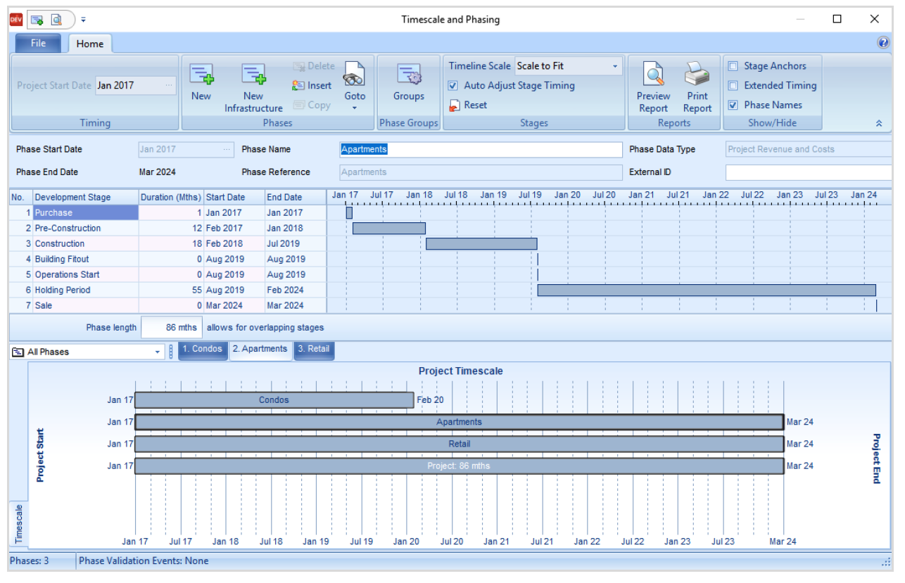
 |  | Scenrio Description | Base | Item | Total | Item | Total |  | Scenrio Description | Base |  | Scenrio Description | Aggressive |  |  | Scenrio Description | Conservative |  |  | Scenrio Description | Conservative
 |  | Key Assumptions |  | Land / Lot Sales | $270,000,000 | Land Cost | $150,000,000 |  | Land Sales |  |  | Land Sales |  |  |  | Land Sales |  |  |  | Land Sales
 |  | Starting Lot Price | $1,250 | Reimbursements | 25,000,000 | Project Cost: Direct | 155,000,000 |  | Starting Lot Price | $1,250 |  | Starting Lot Price | $1,400 | +150 |  | Starting Lot Price | $1,150 | -100 |  | Starting Lot Price | $1,150 | -100
 |  | Inflation: Price | 1% | Fees / Other | 20,000,000 | Project Cost: Indirect | 17,000,000 |  | Lots | 950 |  | Lots | 950 |  |  | Lots | 950 |  |  | Lots | 950
 |  | Infaltion: Cost | 1% | Bond Sale Proceeds | 20,000,000 | Cost of Bond Sales | 3,000,000 |  | Front Feet | 47,500 |  | Front Feet | 47,500 |  |  | Front Feet | 47,500 |  |  | Front Feet | 47,500
 |  |  |  | Loan Proceeds | 150,000,000 | Loan Repayment | 150,000,000 |  | Acres | 250 |  | Acres | 250 |  |  | Acres | 250 |  |  | Acres | 250
 |  |  |  |  |  | Loan Costs | 10,000,000
 |  |  |  |  |  |  |  |  | Lots
 |  |  |  | Total Sources: | 485,000,000 | Total Uses | 485,000,000 |  | Front Feet |  |  | Develop list so that compariative scenarios |  |  |  | Starting Lot Price | $1,150 | +1,150 |  | Starting Lot Price | $1,150 | +1,150
 |  |  |  |  |  |  |  |  | Acres |  |  | are the only assumptions that appear here |  |  |  | Inflation: Price | 1% |  |  | Inflation: Price | 1%
 |  |  |  |  |  |  |  |  |  |  |  |  |  |  |  | Infaltion: Cost | 1% |  |  | Infaltion: Cost | 1%
 |  |  |  |  |  |  |  |  | Starting Lot Price | $1,250 |  | Starting Lot Price | $1,400 | +150
 | Analysis Scenario |  | 2 | Sources of Funds |  | Uses of Funds |  |  | Inflation: Price | 1% |  | Inflation: Price | 1%
 |  |  |  |  |  |  |  |  | Infaltion: Cost | 1% |  | Infaltion: Cost | 1%
 |  | Scenrio Description | Conservative | Item | Total | Item | Total
 |  | Sale Revenue | $335,000,000 | Land / Lot Sales | $270,000,000 | Land Cost | $150,000,000
 |  | Cost: Project | (250,000,000) | Reimbursements | 25,000,000 | Project Cost: Direct | 155,000,000
 |  | Cost: Operation | (25,000,000) | Fees / Other | 20,000,000 | Project Cost: Indirect | 17,000,000
 |  | Cost: Capitalization | (4,549,964) | Bond Sale Proceeds | 20,000,000 | Cost of Bond Sales | 3,000,000
 |  |  |  | Loan Proceeds | 150,000,000 | Loan Repayment | 150,000,000
 |  |  |  |  |  | Loan Costs | 10,000,000
 |  | Overhead | (3,000,000)
 |  | Cash Flow: Project | (7,549,964) | Total Sources: | 485,000,000 | Total Uses | 485,000,000

